①RaspberrypiConfigration
Raspberrypi Configuration

 | 【Example】 |  |  | router/Hub

 | IP |  |  |  |  |  |  | IP
 | 192.168.0.1 |  |  |  |  |  |  | 192.168.0.6
 |  | SSH Protocol

 |  |  |  |  |  |  | pi
 |  |  | LAN cable

 | Your Windows machine |  |  |  | USB Port

 | DefaultAcount |  |  |  |  | Login pi user
 | USER |  | pi
 | PASSWORD |  | raspberry |  |  | Default Password

 | Acount |  |  |  |  | Login pi user
 | USER |  | pi
 | PASSWORD |  | enpit2015 |  |  | Change pi Password

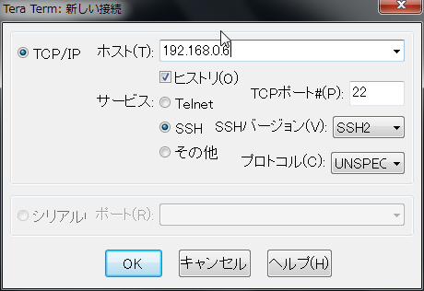
 |  |  |  |  |  |  |  |  |  | TeraTerm Login

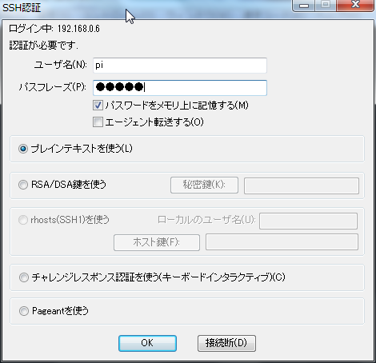

 |  |  |  |  |  |  |  |  | type
 |  |  |  |  |  |  |  |  | USERNAME
 |  |  |  |  |  |  |  |  | PASSWORD

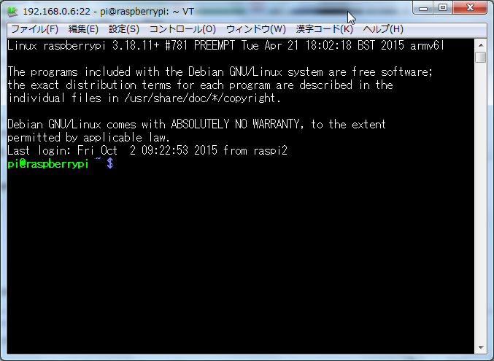
 |  |  |  |  |  |  |  |  |  |  |  | Teraterm Login

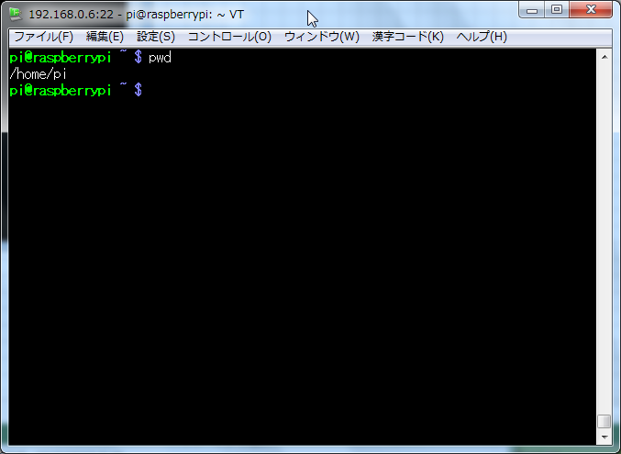
 |  |  |  |  |  |  |  |  |  |  | type "pwd"

 |  |  |  |  |  |  |  |  |  |  | /home/pi → Current Directory

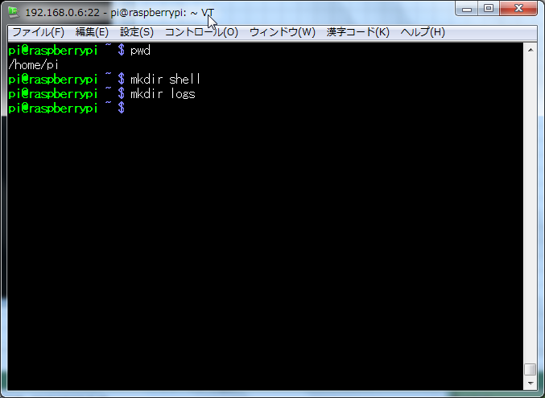
 |  |  |  |  |  |  |  |  |  |  | Create Directory

 |  |  |  |  |  |  |  |  |  |  | /home/pi/shell
 |  |  |  |  |  |  |  |  |  |  | /home/pi/logs

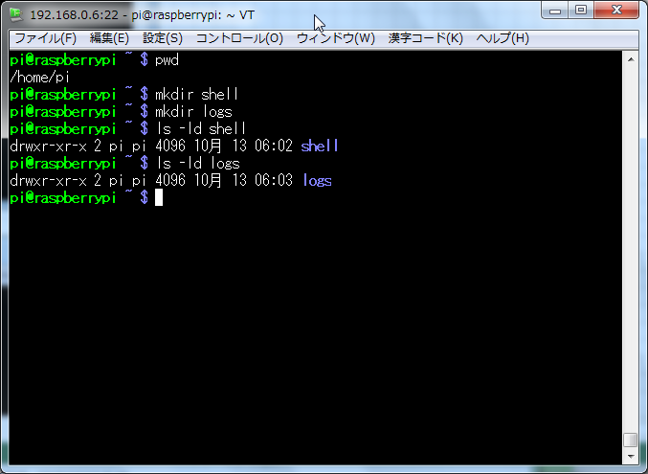
 |  |  |  |  |  |  |  |  |  |  | ■ScriptDirectory
 |  |  |  |  |  |  |  |  |  |  |  | type
 |  |  |  |  |  |  |  |  |  |  |  | ls -ld shell

 |  |  |  |  |  |  |  |  |  |  | ■LogDirectory
 |  |  |  |  |  |  |  |  |  |  |  | type
 |  |  |  |  |  |  |  |  |  |  |  | ls -ld logs

 |  |  |  |  |  |  |  |  |  |  | type sudo raspi-config


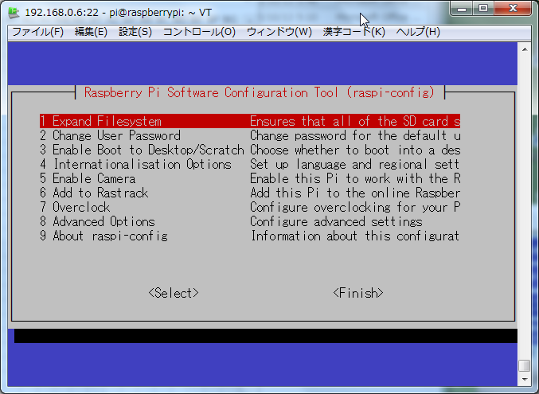
 |  |  |  |  |  |  |  |  |  |  | Raspberrypi ConfigrationTool Start

 |  |  |  |  |  |  |  |  |  |  |  | → Expand Fileｓｙstem
 |  |  |  |  |  |  |  |  |  |  |  | → Change User Password
 |  |  |  |  |  |  |  |  |  |  |  | → Enable Boot to Desktop/Scratch
 |  |  |  |  |  |  |  |  |  |  |  | → Internationalisation Options
 |  |  |  |  |  |  |  |  |  |  |  | → Enable Camera
 |  |  |  |  |  |  |  |  |  |  |  | → Add to Rastrack
 |  |  |  |  |  |  |  |  |  |  |  | → Overclock
 |  |  |  |  |  |  |  |  |  |  |  | → Advanced Options
 |  |  |  |  |  |  |  |  |  |  |  | → About raspi-config

 |  |  |  |  |  |  |  |  |  |  |  |  |  |  | ↑ |  | Use Key

 |  |  |  |  |  |  |  |  |  |  |  |  |  |  |  |  |  |  | Enter
 |  |  |  |  |  |  |  |  |  |  |  |  |  | ← |  | →

 |  |  |  |  |  |  |  |  |  |  |  |  |  |  | ↓

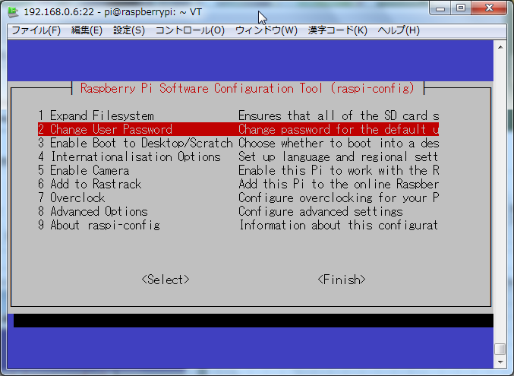
 |  |  |  |  |  |  |  |  |  |  |  |  |  |  |  |  |  |  | ↓
 |  |  |  |  |  |  |  |  |  |  |  | Select Change User Password

 |  |  |  |  |  |  |  |  |  |  |  |  |  |  |  |  |  | Enter
 |  |  |  |  |  |  |  |  |  |  |  | Press Enter Key

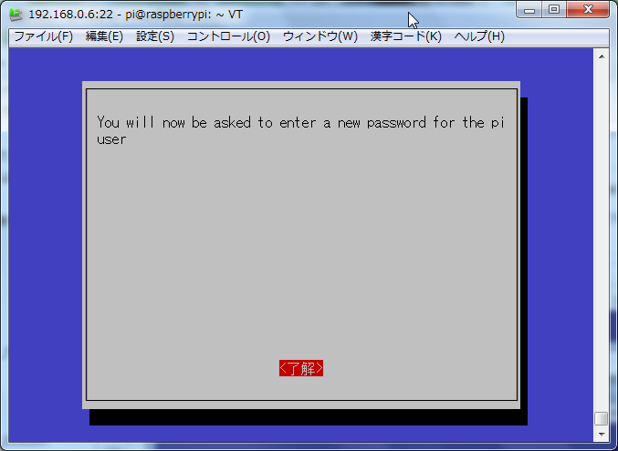
 |  |  |  |  |  |  |  |  |  |  |  | Press Enter Key |  |  |  |  |  | Enter


 |  |  |  |  |  |  |  |  |  |  |  | Change Password
 |  |  |  |  |  |  |  |  |  |  |  |  | type enpit2015

 |  |  |  |  |  |  |  |  |  |  |  |  | type enpit2015

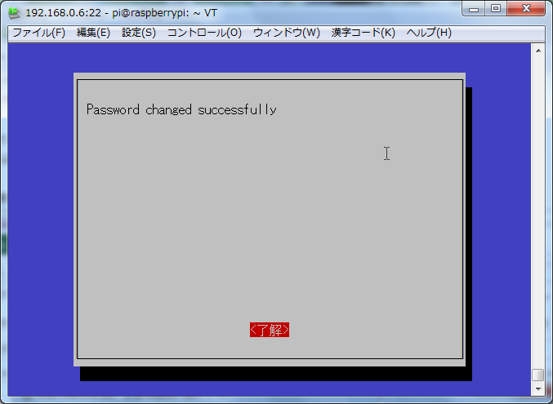
 |  |  |  |  |  |  |  |  |  |  |  |  | Press Enter Key |  |  |  |  | Enter

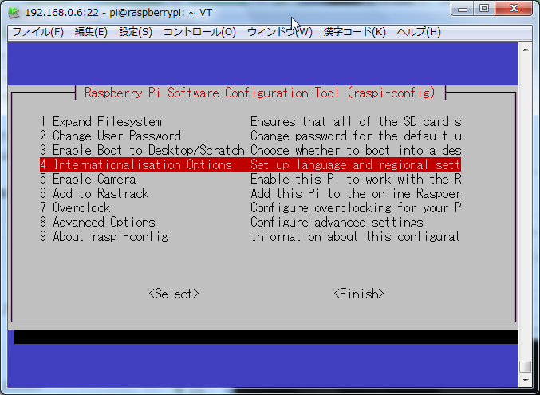
 |  |  |  |  |  |  |  |  |  |  |  |  |  | Press Enter key

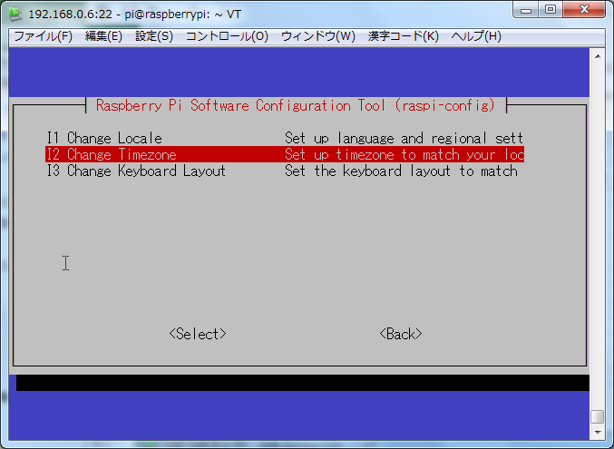

 |  |  |  |  |  |  |  |  |  |  |  | → (Locale)Default
 |  |  |  |  |  |  |  |  |  |  |  | → (Timezone) select ASIA
 |  |  |  |  |  |  |  |  |  |  |  | → (Keyboard Layout)Default

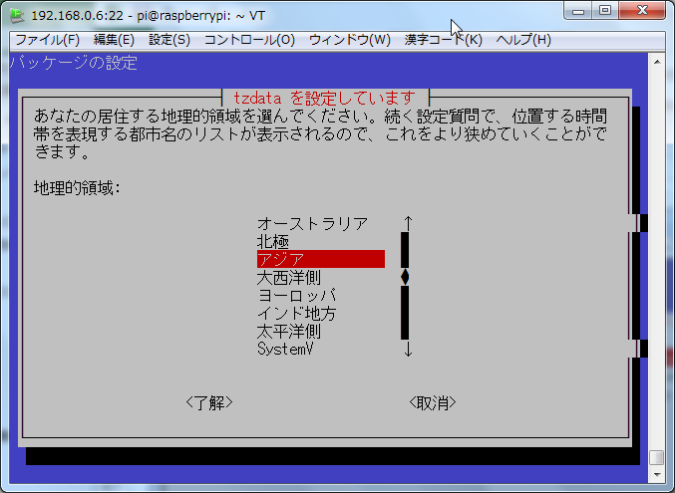

 |  |  |  |  |  |  |  |  |  |  | ASIA

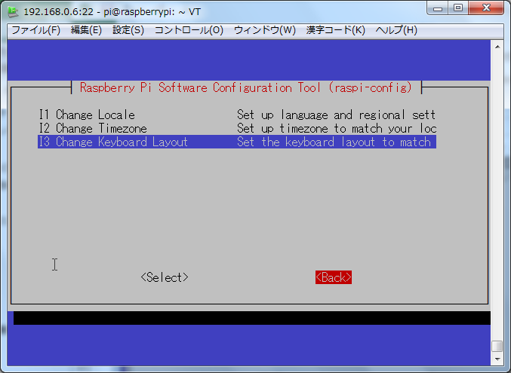
 |  |  |  |  |  |  |  |  |  |  | Press Enter

 |  |  |  |  |  |  |  |  |  |  |  | Press Enter Key
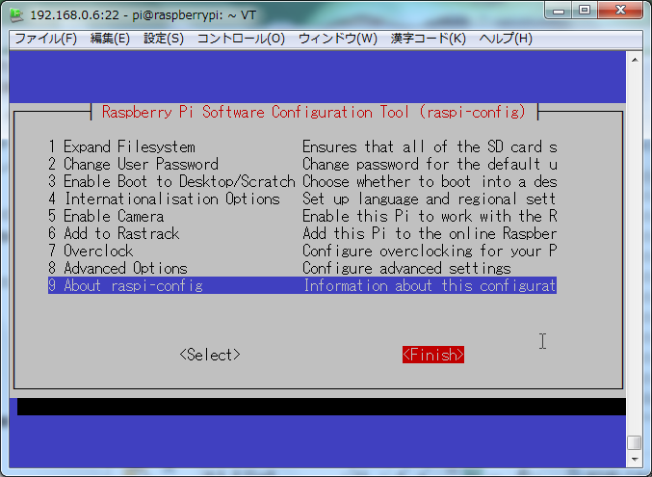

 |  |  |  |  |  |  |  |  |  |  | type sudo cp -p /etc/network/interfaces /etc/network/interfaces_bk

 |  |  |  |  |  |  |  |  |  |  | (BackUP)

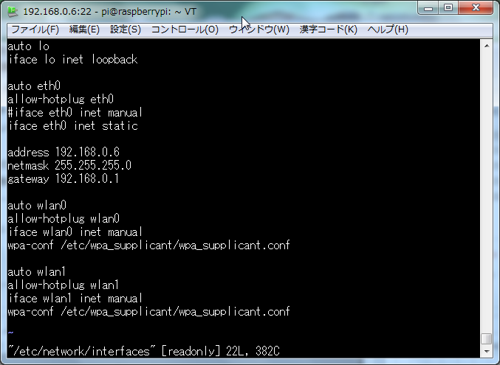
 |  |  |  |  |  |  |  |  |  |  |  | Change network Interface

 |  |  |  |  |  |  |  |  |  |  |  | type sudo vi /etc/network/interfaces

Comment
 |  |  |  |  |  |  |  |  |  |  |  | ※Example 192.168.0.6

Add

Add Your Network IP Address for Pi

 |  |  |  |  |  |  |  |  |  |  |  | type :wq


 |  |  |  |  |  |  |  |  |  |  |  | type ifconfig

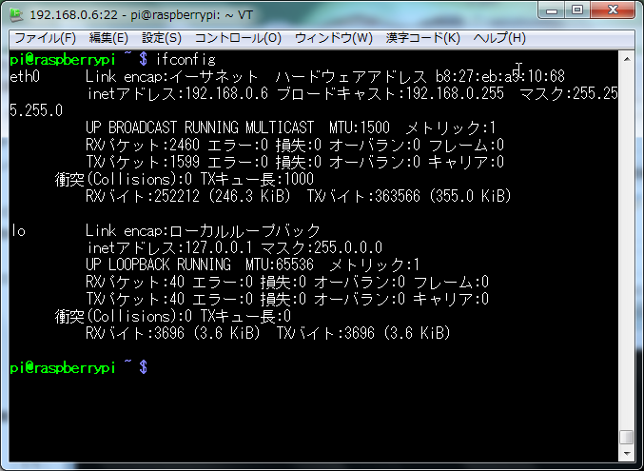

 |  |  |  |  |  |  |  |  |  |  |  | show inetAdress

 |  |  |  |  |  |  |  |  |  |  |  | Change hostname

 |  |  |  |  |  |  |  |  |  |  |  | type vi /etc/hostname


 |  |  |  |  |  |  |  |  |  |  |  | Change your hostname

 |  |  |  |  |  |  |  |  |  |  |  | raspberrypi → RAS#1 or RAS#2 or RAS#3

 |  |  |  |  |  |  |  |  |  |  |  | type wq


 |  |  |  |  |  |  |  |  |  |  | Change hostname ②

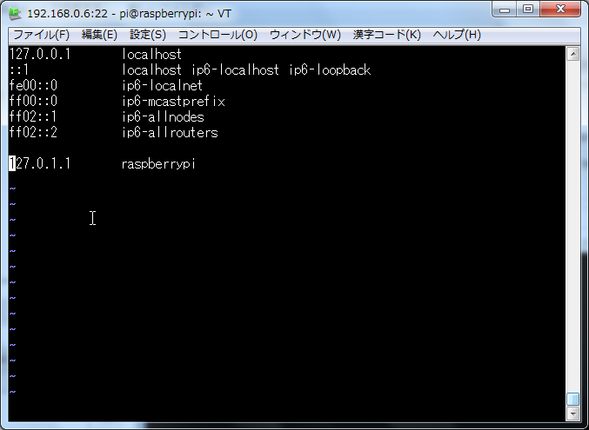
 |  |  |  |  |  |  |  |  |  |  | Change hostname

 |  |  |  |  |  |  |  |  |  |  | 127.0.1.1 raspberrrypi → 127.0.1.1 RAS#1 or RAS#2 or RAS#3

 |  |  |  |  |  |  |  |  |  |  | type wq

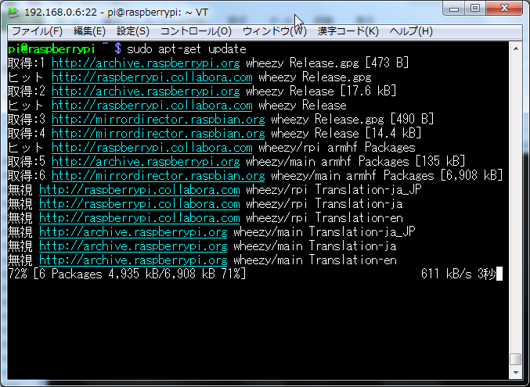
 |  |  |  |  |  |  |  |  |  |  |  | OS Update

 |  |  |  |  |  |  |  |  |  |  |  | type sudo apt-get update

