①Grovepi+ × UltraSonicRanger
GrovePi+ × UltraSonicRanger_TypeA Sample

 | http://www.seeedstudio.com/wiki/GrovePi%2B

 | 【Example】 |  |  |  | router/Hub

 | IP |  |  |  |  |  |  |  | IP
 | 192.168.0.1 |  |  |  |  |  |  |  | 192.168.0.6
 |  |  | SSH Protocol

 |  |  |  |  |  |  |  | pi |  |  |  | Grovepi+
 |  |  |  | LAN cable

 | Your Windows machine |  |  |  |  | USB Port

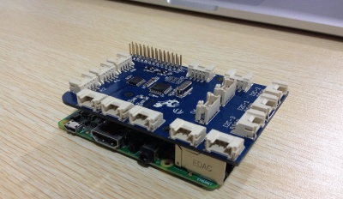
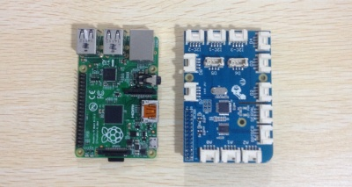

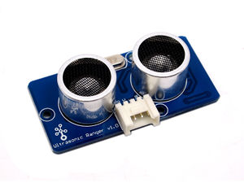
Features!
Operating voltage: 3.3/5.0VDC
Operating current: 15mA
Ultrasonic frequency: 42kHz
Measuring range: 3-400cm
Resolution: 1cm
Output: PWM
Suli-compatible Library

 | This Grove - Ultrasonic sensor is a non-contact distance measurement module which works at 42KHz,
 | suitable for projects that require middle distance measurement.

 | With Raspberry Pi

 | 1.You should have got a raspberry pi and a grovepi or grovepi+. |  |  |  |  |  |  |  |  |  |  |  |  | SEE Raspberrypi_InstallGuide_Vol3.xlsx

 | 2. First step,you should connect Ultrasonic to Port D4. Run the program below.
 | It will print distance information on you terminal,as the figure below.
 | 3.Connection
 | Plug the sensor to grovepi socket D4 by using a grove cable.

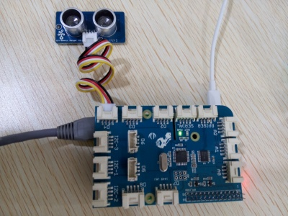

 |  |  |  |  |  |  | ← socket D4

 | DefaultAcount |  |  |  |  |  | Login pi user
 | USER |  |  | pi
 | PASSWORD |  |  | raspberry |  |  | Default Password

 | Acount |  |  |  |  |  | Login pi user
 | USER |  |  | pi
 | PASSWORD |  |  | enpit2015 |  |  | Change pi Password

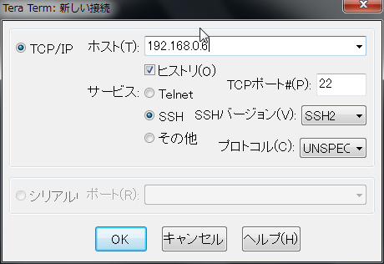
 |  |  |  |  |  |  |  |  |  |  | TeraTerm Login

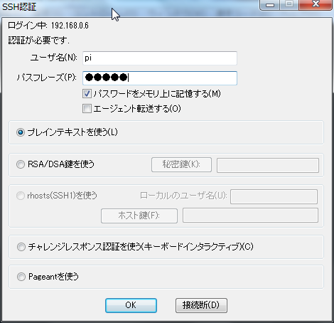

USERNAME
 |  |  |  |  |  |  |  |  |  | type
 |  |  |  |  |  |  |  |  |  | USERNAME |  |  | pi
 |  |  |  |  |  |  |  |  |  | PASSWORD |  |  | enpit2015
PASS WORD

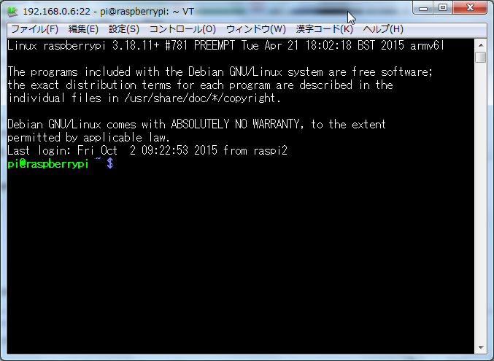
 |  |  |  |  |  |  |  |  |  |  |  |  |  |  |  | Teraterm Login

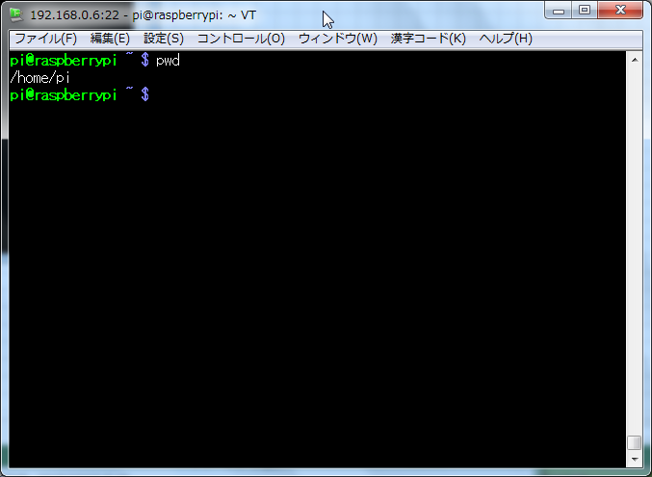
 |  |  |  |  |  |  |  |  |  |  |  |  |  |  | type "pwd"

 |  |  |  |  |  |  |  |  |  |  |  |  |  |  | /home/pi → Current Directory

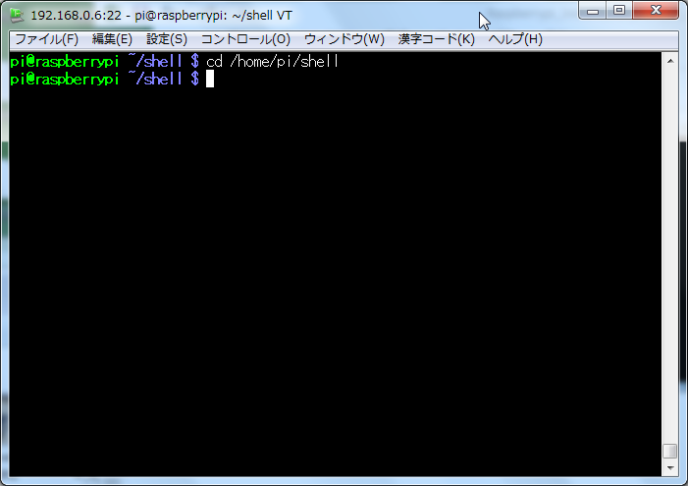
 | Copy 「Python」 Directory
 |  |  |  |  |  |  |  |  |  |  |  |  |  |  |  | type cd /home/pi/shell

 |  |  |  |  |  |  |  |  |  |  |  |  |  |  | type cp -pfr /home/pi/GrovePi/Software/Python/ .
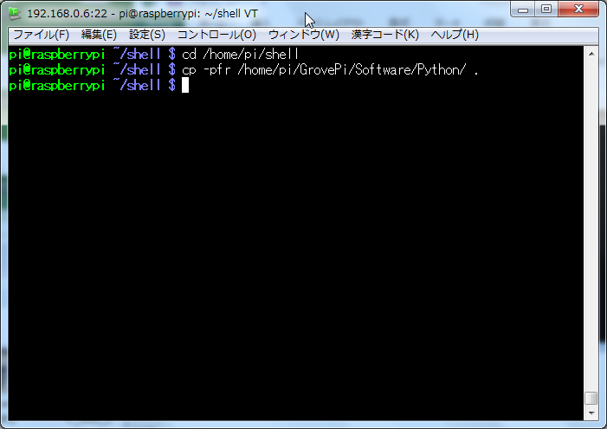

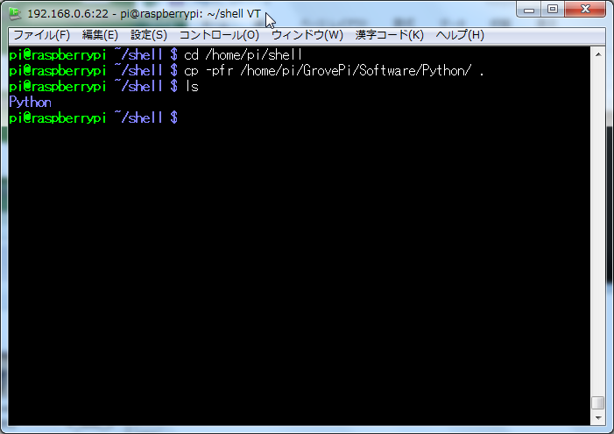
 |  |  |  |  |  |  |  |  |  |  |  |  |  |  |  |  | type ls

 |  |  |  |  |  |  |  |  |  |  |  |  |  |  |  |  |  | Python Directory

 |  |  |  |  |  |  |  |  |  |  |  |  |  |  |  |  |  | (SampleCode Directory)

 | Change Directory
 |  |  |  |  |  |  |  |  |  |  |  |  |  |  |  |  | type cd Python

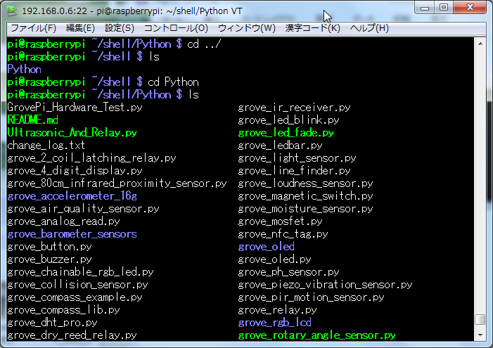
 | Show Sample Programs
 |  |  |  |  |  |  |  |  |  |  |  |  |  |  |  |  | (Now /home/pi/shell/Python/)
 |  |  |  |  |  |  |  |  |  |  |  |  |  |  |  |  | type ls

 | Coding Sample Python Script
 |  |  |  |  |  |  |  |  |  |  |  |  |  |  |  |  | type view grove_UltrasonicRanger.py
 |  | type view grove_UltrasonicRanger.py
# GrovePi + Grove Ultrasonic Ranger
from grovepi import *
# Connect the Grove Ultrasonic Ranger to digital port D4
# SIG,NC,VCC,GND
ultrasonic_ranger = 4
while True:
try:
# Read distance value from Ultrasonic
print ultrasonicRead(ultrasonic_ranger)
except TypeError:
print "Error"
except IOError:
print "Error"

 |  | type :wq!
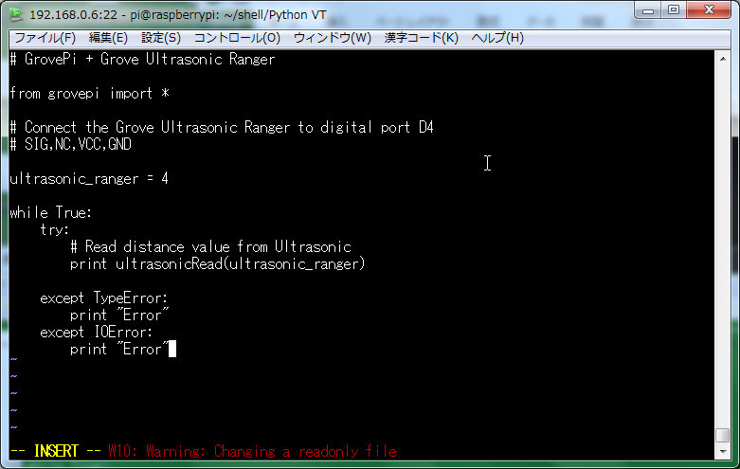

 |  |  |  |  |  |  |  |  |  |  |  |  |  |  |  |  |  |  | type chmod +x grove_UltrasonicRanger.py

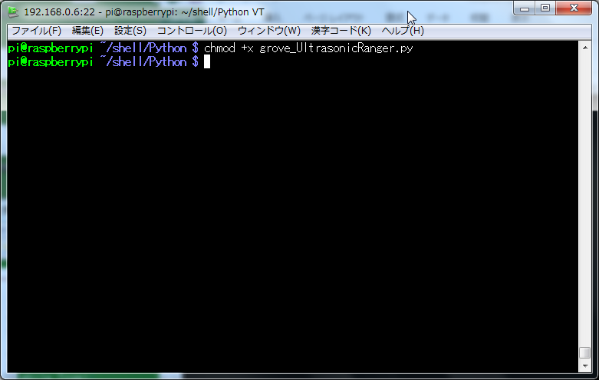
 |  |  |  |  |  |  |  |  |  |  |  |  |  |  |  |  |  |  | type chmod +x grove_UltrasonicRanger.py

 |  | type sudo python grove_UltrasonicRanger.py
 |  | It will print distance information on you terminal,as the figure below.

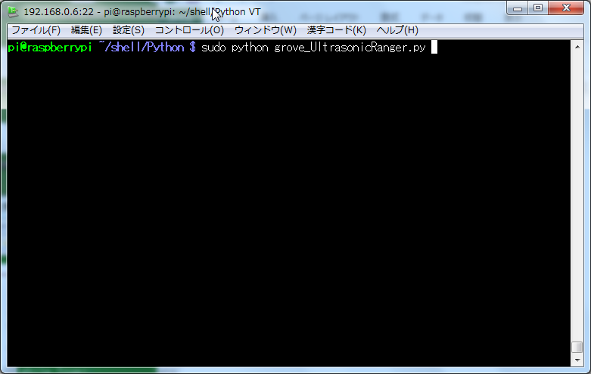
 |  |  |  |  |  |  |  |  |  |  |  |  |  |  |  |  |  |  | ※ Press 「Ctrl + c」 it will be Stopped.
 |  |  |  |  |  |  |  |  |  |  |  |  |  |  |  |  |  |  | type sudo python grove_UltrasonicRanger.py

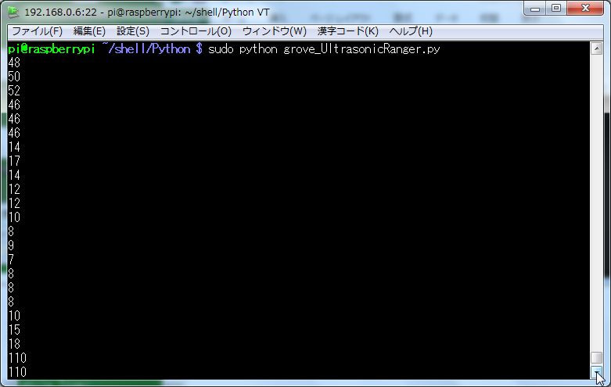

 |  | Print distance Information

