①Grovepi+ × UltraSonicRanger
GrovePi+ × Temp_Hum_Sensor_TypeA Sample

 | http://www.seeedstudio.com/wiki/GrovePi%2B

 | 【Example】 |  |  |  | router/Hub

 | IP |  |  |  |  |  |  |  | IP
 | 192.168.0.1 |  |  |  |  |  |  |  | 192.168.0.6
 |  |  | SSH Protocol

 |  |  |  |  |  |  |  | pi |  |  |  | Grovepi+
 |  |  |  | LAN cable

 | Your Windows machine |  |  |  |  | USB Port

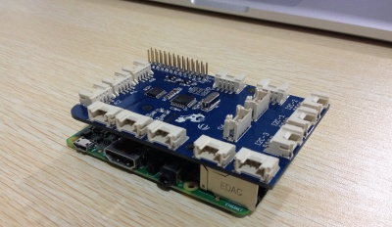
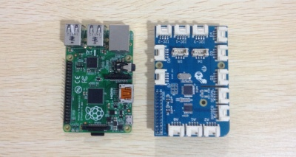

Feature!
FWork Voltage: 3.3V ~ 5V
Measuring Range:
Humidity: 20% - 90% RH
Temperature: 0 ~ 50 °C
Accuracy:
Humidity: ±5% RH
Temperature: ±2°C
Sensitivity:
Humidity: ±1% RH
Temperature: 1°C
Signal Collecting Period: 2S
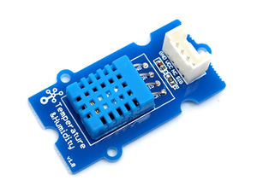

 | This example can Return temperature and humidity value

 | With Raspberry Pi

 | 1.You should have got a raspberry pi and a grovepi or grovepi+. |  |  |  |  |  |  |  |  |  |  |  |  | SEE Raspberrypi_InstallGuide_Vol3.xlsx

 | 2. First step,you should connect temperature and humidity to Port D7. Run the program below.
 | It will print distance information on you terminal,as the figure below.
 | 3.Connection
 | Plug the sensor to grovepi socket D7 by using a grove cable.

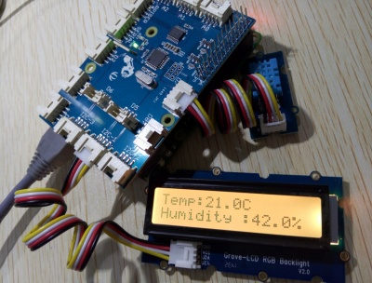

 |  |  |  |  |  |  | ← socket D7

 | DefaultAcount |  |  |  |  |  | Login pi user
 | USER |  |  | pi
 | PASSWORD |  |  | raspberry |  |  | Default Password

 | Acount |  |  |  |  |  | Login pi user
 | USER |  |  | pi
 | PASSWORD |  |  | enpit2015 |  |  | Change pi Password

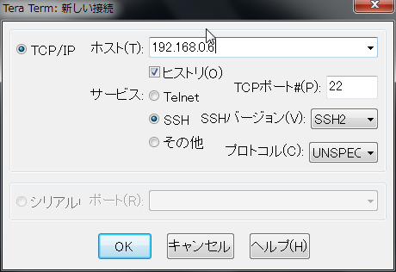
 |  |  |  |  |  |  |  |  |  |  | TeraTerm Login

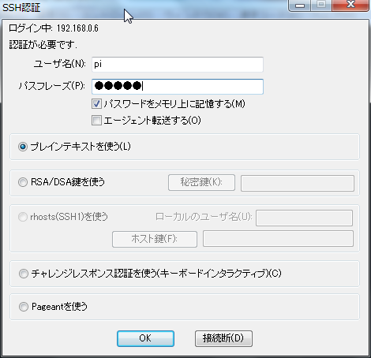

USERNAME
 |  |  |  |  |  |  |  |  |  | type
 |  |  |  |  |  |  |  |  |  | USERNAME |  |  | pi
 |  |  |  |  |  |  |  |  |  | PASSWORD |  |  | enpit2015
PASS WORD

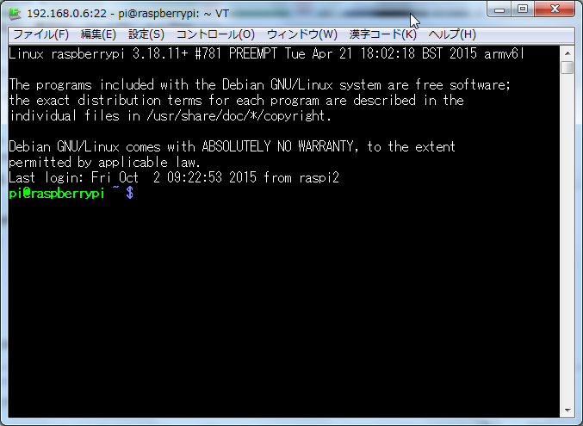
 |  |  |  |  |  |  |  |  |  |  |  |  |  |  |  | Teraterm Login

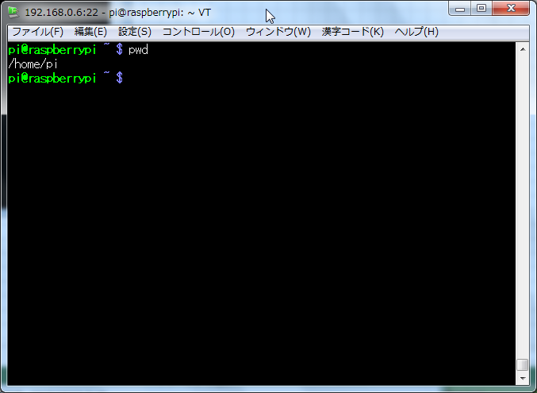
 |  |  |  |  |  |  |  |  |  |  |  |  |  |  | type "pwd"

 |  |  |  |  |  |  |  |  |  |  |  |  |  |  | /home/pi → Current Directory

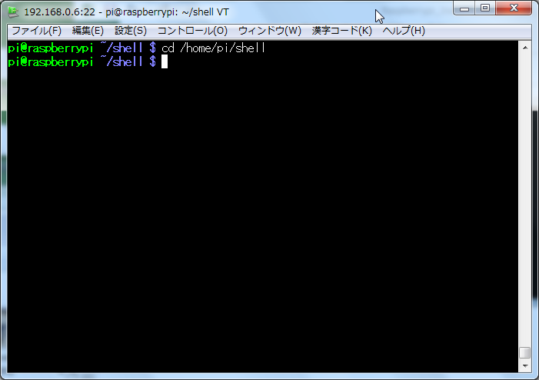
 | Copy 「Python」 Directory
 |  |  |  |  |  |  |  |  |  |  |  |  |  |  |  | type cd /home/pi/shell

 |  |  |  |  |  |  |  |  |  |  |  |  |  |  | type cp -pfr /home/pi/GrovePi/Software/Python/ .
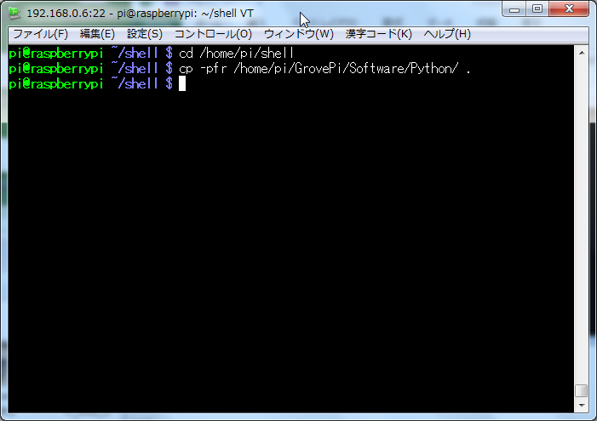

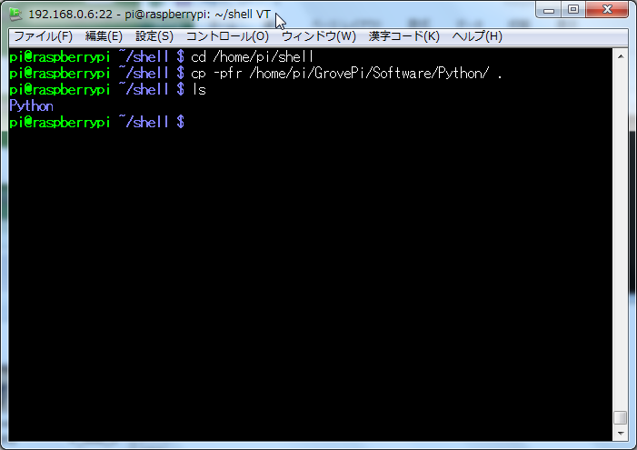
 |  |  |  |  |  |  |  |  |  |  |  |  |  |  |  |  | type ls

 |  |  |  |  |  |  |  |  |  |  |  |  |  |  |  |  |  | Python Directory

 |  |  |  |  |  |  |  |  |  |  |  |  |  |  |  |  |  | (SampleCode Directory)

 | Change Directory
 |  |  |  |  |  |  |  |  |  |  |  |  |  |  |  |  | type cd Python

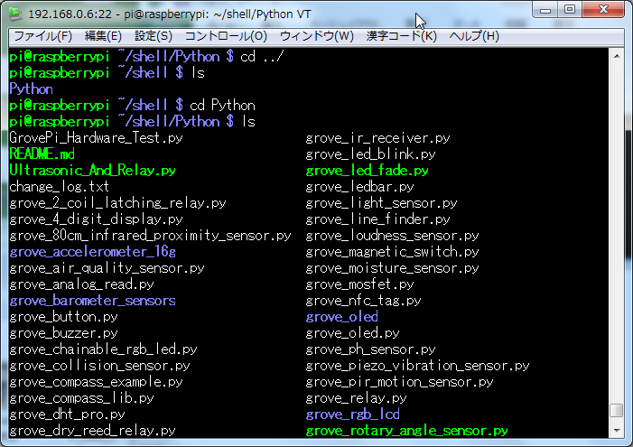
 | Show Sample Programs
 |  |  |  |  |  |  |  |  |  |  |  |  |  |  |  |  | (Now /home/pi/shell/Python/)
 |  |  |  |  |  |  |  |  |  |  |  |  |  |  |  |  | type ls

 | Coding Sample Python Script
 |  |  |  |  |  |  |  |  |  |  |  |  |  |  |  |  | type view grove_Temp_Hum.py
 |  | type view grove_Temp_Hum.py
# grovepi_Temp_Hum.py
from grovepi import *
dht_sensor_port = 7 # Connect the DHt sensor to port 7
while True:
try:
[ temp,hum ] = dht(dht_sensor_port,1) #Get the temperature and Humidity from the DHT sensor
print "temp =", temp, "C\thumadity =", hum,"%"
t = str(temp)
h = str(hum)
print "Temp:" + t + "C " + "Humidity :" + h + "%"
except (TypeError) as e:
print "Error"

 |  | type :wq!
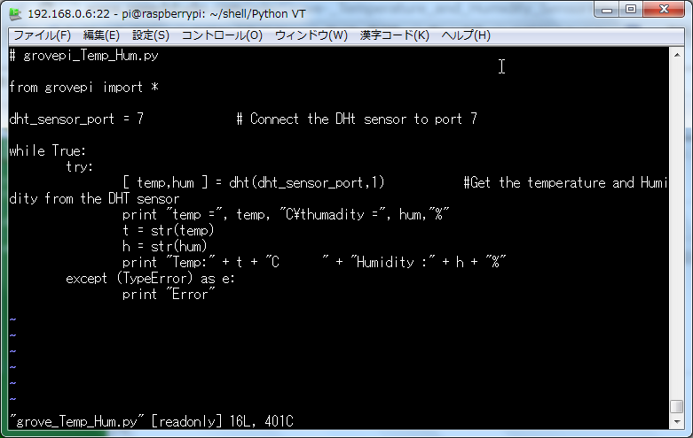

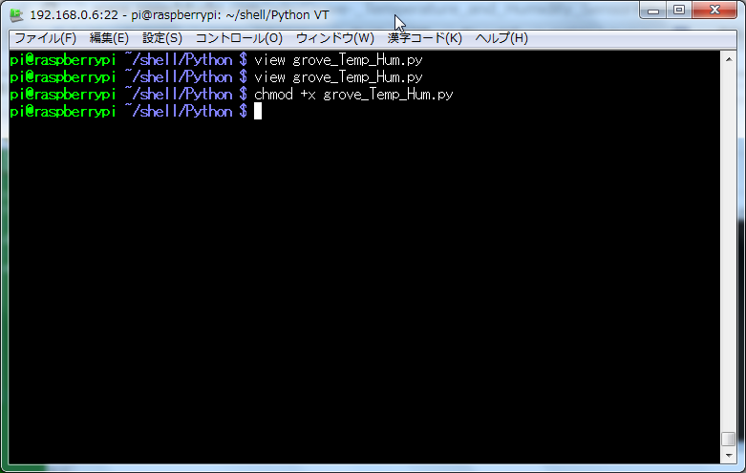
 |  |  |  |  |  |  |  |  |  |  |  |  |  |  |  |  |  |  | type chmod +x grove_Temp_Hum.py

 |  | type sudo python grove_Temp_Hum.py

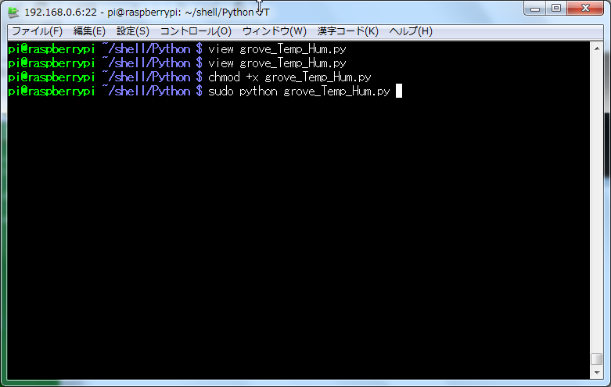

 |  |  |  |  |  |  |  |  |  |  |  |  |  |  |  |  |  |  | ※ Press 「Ctrl + c」 it will be Stopped.
 |  |  |  |  |  |  |  |  |  |  |  |  |  |  |  |  |  |  | type sudo python grove_Temp_Hum.py

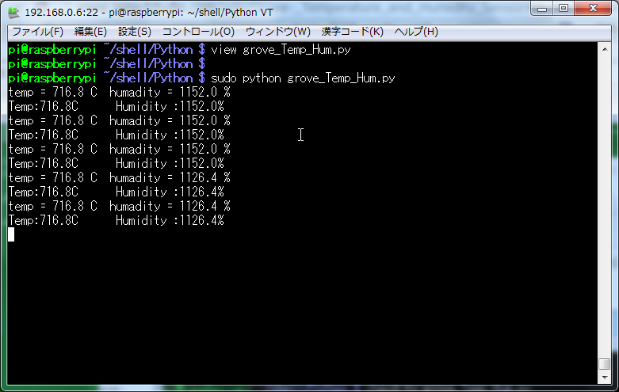

 |  | Print Temp Hum Information

