Structure
Description of Events and Parameters
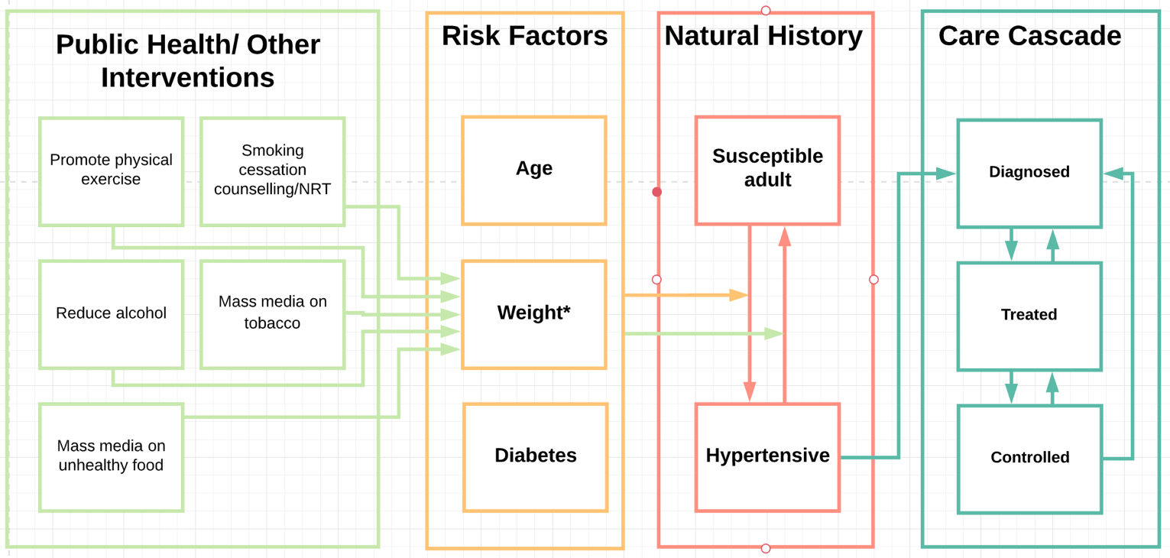
Name | Description | Values | Reference | Notes
Susceptible adult | Includes all adults aged >=18 years | NA | NA | NA
Hypertensive | Defined as Systolic and dyastolic blood pressure ≥140/90; | NA | TBC | NA
Diagnosed | Diagnosed with hypertension | NA | NA | NA
Treated | Individual is treated, may or may not result in blood pressure going back to normal levels | see 'parameters' | TBC | To be added, still just 'treated'
Controlled | Treated and return to normal levels | see 'parameters' | TBC | To be added, still just 'treated'
 | To seed model: Prevalence at the start of the model by age and sex Model run: Incidence by age and sex | see 'prevalence2018' see 'incidence2018_plus' see 'parameters' | TBC | Not all dependencies are yet explictely coded
 |  | - | TBC | To be added, not in model yet
 |  | see 'treatment_parameters' | TBC | Will depend on other diseases, such as hypercholesterolaemia, diabetes etc
 |  | see 'parameters' | TBC | To be added, still just 'treated'
 |  | - | TBC | To be added
 |  | - | TBC | To be added

Notes and Major Assumptions
Only adults aged >=18 years can develop hypertension
Only primary risk factors (orange box) are simulated. Full explanation of how these were selected are outlined in associated Word document.
Assumed relative risks for risk factors (orange box) from other countries apply to Malawi
It is assumed that no one dies of hypertension, no daly weight
If treatment is stopped, person is assumed to have hypertension, unless sucessful lifestyle intervention

To be developed further
In code change overweight to bmi
In code activate t2dm as risk factor once asif has addressed circular definition
Details of health service to be developed, including treatment (un)success; diagnosis and recovery)

