Source
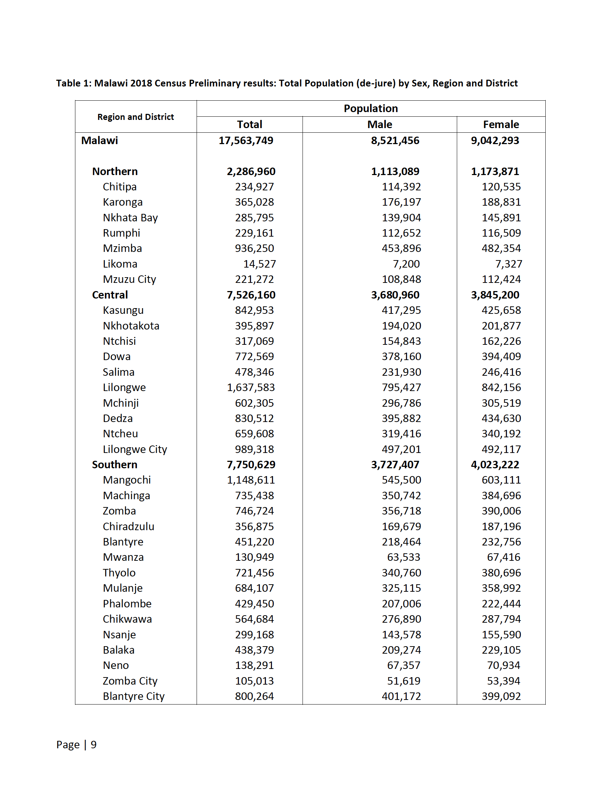
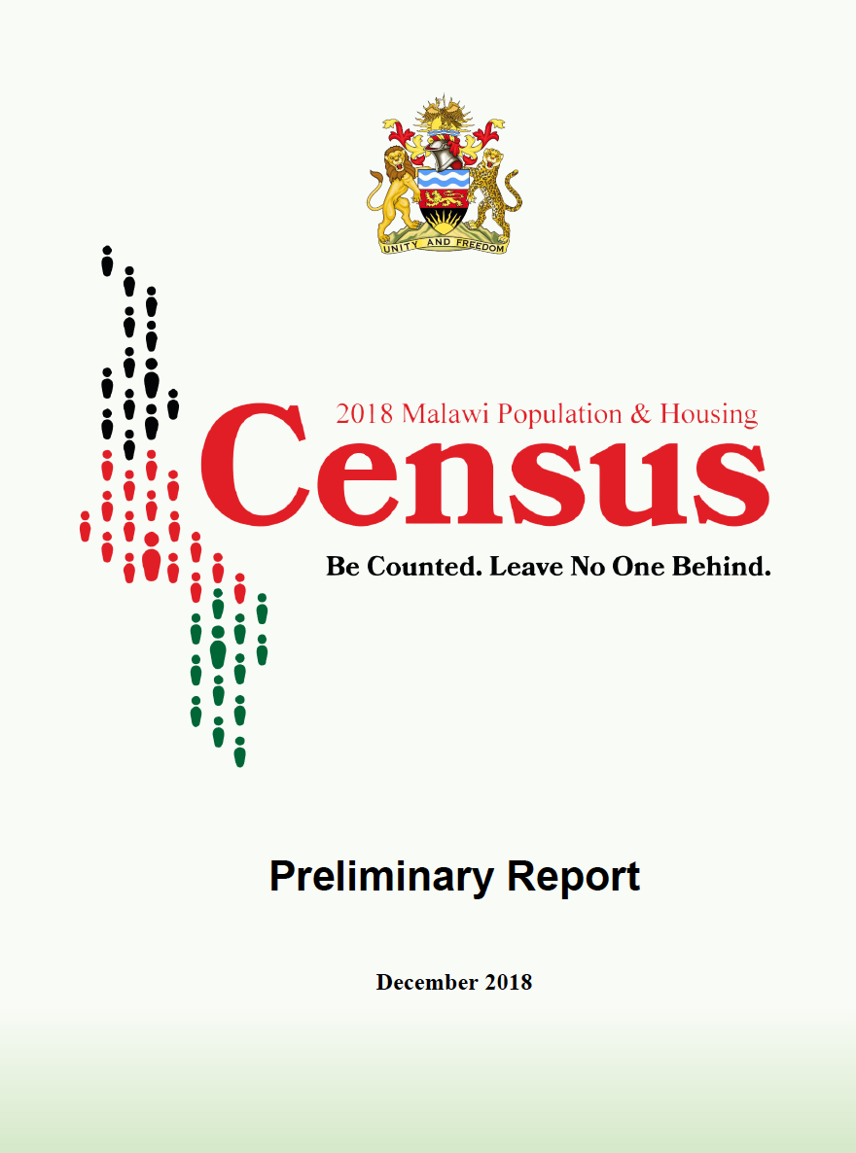

Tim Hallett (24-2-19)

Listing of villages from MFL
Village | TA | District | Region
Ali | Nkaya | Balaka | South
Amanu | Kalembo | Balaka | South
Amini | Kalembo | Balaka | South
Amonitsute | Sawali | Balaka | South
This is extract from the UNICEF MASter Facility List
It contains duplicates of villages
Andarasani | Sawali | Balaka | South
Ayanjaawo | Chanthunya | Balaka | South
Bandawe | Amidu | Balaka | South
Bisani | Msamala | Balaka | South
Bonongwe | Nkaya | Balaka | South
Bonongwe | Nkaya | Balaka | South
Buleya | Msamala | Balaka | South
Bwanali | Msamala | Balaka | South
Chagunda | Amidu | Balaka | South
Chagunda | Amidu | Balaka | South
Chakanza | Nkaya | Balaka | South
Chakanza | Nkaya | Balaka | South
Chamba | Amidu | Balaka | South
Chamba | Sawali | Balaka | South
Chamba | Sawali | Balaka | South
Chapita | Msamala | Balaka | South
Chatama | Amidu | Balaka | South
Chauluka | Msamala | Balaka | South
Chibwana | Amidu | Balaka | South
Chigwenembe | Kalembo | Balaka | South
Chikalozwa | Nkaya | Balaka | South
Chikamana | Msamala | Balaka | South
Chikolongo | Kalembo | Balaka | South
Chikolongo | Kalembo | Balaka | South
Chikumba | Kalembo | Balaka | South
Chilembwe | Msamala | Balaka | South
Chilembwe | Msamala | Balaka | South
Chilombo | Kalembo | Balaka | South
Chimdikiti | Kalembo | Balaka | South
Chimdikiti | Kalembo | Balaka | South
Chimkwakwa | Sawali | Balaka | South
Chimpakati | Chanthunya | Balaka | South
Chimwala | Msamala | Balaka | South
Chimwala | Msamala | Balaka | South
Chingawa | Msamala | Balaka | South
Chingondo | Msamala | Balaka | South
Chingondo | Msamala | Balaka | South
Chipalamilomo | Sawali | Balaka | South
Chipalamilomo | Sawali | Balaka | South
Chipole | Kalembo | Balaka | South
Chipote | Sawali | Balaka | South
Chipumi | Msamala | Balaka | South
Chisalanga | Amidu | Balaka | South
Chisinkha | Nkaya | Balaka | South
Chisinkha | Nkaya | Balaka | South
Chitala | Msamala | Balaka | South
Chitala | Msamala | Balaka | South
Chitale | Chanthunya | Balaka | South
Chitale | Chanthunya | Balaka | South
Chiuja | Sawali | Balaka | South
Chiundu | Kalembo | Balaka | South
Chiwoza | Sawali | Balaka | South
Chiyaka | Kalembo | Balaka | South
Chiyaka | Kalembo | Balaka | South
Chiyembekezo | Msamala | Balaka | South
Chiyembekezo | Msamala | Balaka | South
Chizungu I | Chanthunya | Balaka | South
Chizungu I | Chanthunya | Balaka | South
Chopi | Amidu | Balaka | South
Chopi | Amidu | Balaka | South
Dayilesi | Kalembo | Balaka | South
Dayilesi | Kalembo | Balaka | South
Dissi | Msamala | Balaka | South
Dissi | Msamala | Balaka | South
Dula | Kalembo | Balaka | South
Edward | Kalembo | Balaka | South
Eneya | Nkaya | Balaka | South
Eneya | Nkaya | Balaka | South
Gerald | Kalembo | Balaka | South
Goliyati | Nkaya | Balaka | South
Goliyati | Nkaya | Balaka | South
Govati | Chanthunya | Balaka | South
Gwaladi | Msamala | Balaka | South
Gwaladi | Msamala | Balaka | South
Hindahinda | Amidu | Balaka | South
Jambo | Kalembo | Balaka | South
Jedeni | Nkaya | Balaka | South
Jedeni | Nkaya | Balaka | South
Jiya | Nkaya | Balaka | South
Jiya | Nkaya | Balaka | South
Jonathan | Kalembo | Balaka | South
Jonathan | Kalembo | Balaka | South
Jusa | Nkaya | Balaka | South
Jusa | Nkaya | Balaka | South
Kabango | Sawali | Balaka | South
Kabiyo | Kalembo | Balaka | South
Kabiyo | Kalembo | Balaka | South
Kachenga | Kalembo | Balaka | South
Kachenga | Kalembo | Balaka | South
Kachikuni | Sawali | Balaka | South
Kadyalunda | Sawali | Balaka | South
Kainga | Chanthunya | Balaka | South
Kainga | Msamala | Balaka | South
Kaipekunja | Msamala | Balaka | South
Kaisi | Kalembo | Balaka | South
Kalambo | Msamala | Balaka | South
Kalembo | Kalembo | Balaka | South
Kambwiri | Msamala | Balaka | South
Kambwiri | Msamala | Balaka | South
Kamowatimwa | Nkaya | Balaka | South
Kantwanje | Nkaya | Balaka | South
Kanyimbo | Nkaya | Balaka | South
Kanyimbo | Nkaya | Balaka | South
Kanyole | Sawali | Balaka | South
Kanyole | Sawali | Balaka | South
Kapalamula I | Msamala | Balaka | South
Kapire | Msamala | Balaka | South
Kasonya | Msamala | Balaka | South
Katapila | Amidu | Balaka | South
Katapila | Amidu | Balaka | South
Katundu | Msamala | Balaka | South
Kaumphawi | Msamala | Balaka | South
Kavala | Chanthunya | Balaka | South
Kefa | Kalembo | Balaka | South
Khawaleya | Kalembo | Balaka | South
Khoswe | Msamala | Balaka | South
Khoswe | Msamala | Balaka | South
Kuntiyani | Kalembo | Balaka | South
Kuntiyani | Kalembo | Balaka | South
Lakalaka | Msamala | Balaka | South
Lazalo | Msamala | Balaka | South
Lazalo | Msamala | Balaka | South
Lemu | Kalembo | Balaka | South
Ligwangwa | Kalembo | Balaka | South
Ligwangwa | Kalembo | Balaka | South
Likoja | Msamala | Balaka | South
Liwiza | Chanthunya | Balaka | South
Mackenzie | Sawali | Balaka | South
Mackenzie | Sawali | Balaka | South
Maduwani | Nkaya | Balaka | South
Madyelatu | Chanthunya | Balaka | South
Magombo | Amidu | Balaka | South
Magombo | Amidu | Balaka | South
Mahowa | Msamala | Balaka | South
Majikuta | Kalembo | Balaka | South
Majikuta | Kalembo | Balaka | South
Makande | Msamala | Balaka | South
Makoleje I | Nkaya | Balaka | South
Makunganya | Kalembo | Balaka | South
Makwinja | Kalembo | Balaka | South
Makwinja | Kalembo | Balaka | South
Malakata | Sawali | Balaka | South
Maleta | Kalembo | Balaka | South
Maleta | Kalembo | Balaka | South
Malewa | Msamala | Balaka | South
Maliwata | Sawali | Balaka | South
Maliwata | Sawali | Balaka | South
Malopa | Chanthunya | Balaka | South
Malopa | Chanthunya | Balaka | South
Malula | Sawali | Balaka | South
Malula | Sawali | Balaka | South
Manjanja | Chanthunya | Balaka | South
Mapiko | Kalembo | Balaka | South
Matanda | Chanthunya | Balaka | South
Matanda | Chanthunya | Balaka | South
Matembera | Amidu | Balaka | South
Matola | Sawali | Balaka | South
Mazenga | Chanthunya | Balaka | South
Mbatamira | Msamala | Balaka | South
Mbatamira | Msamala | Balaka | South
Mbera | Kalembo | Balaka | South
Mbewe | Nkaya | Balaka | South
Mbewe | Nkaya | Balaka | South
Mboga | Kalembo | Balaka | South
Mboga | Kalembo | Balaka | South
Mchenga | Msamala | Balaka | South
Mgomwa | Nkaya | Balaka | South
Mgomwa | Nkaya | Balaka | South
Mgwira | Sawali | Balaka | South
Million | Msamala | Balaka | South
Minama | Kalembo | Balaka | South
Mjale | Amidu | Balaka | South
Mjale | Amidu | Balaka | South
Mkamwana | Kalembo | Balaka | South
Mkamwana | Kalembo | Balaka | South
Mkanda | Kalembo | Balaka | South
Mkwatula | Kalembo | Balaka | South
Mkwekwe | Amidu | Balaka | South
Mkwekwe | Amidu | Balaka | South
Mkweta | Kalembo | Balaka | South
Mkweta | Kalembo | Balaka | South
Mlandula | Sawali | Balaka | South
Mlandula | Sawali | Balaka | South
Mmanga | Msamala | Balaka | South
Mmanga | Sawali | Balaka | South
Mpambira | Chanthunya | Balaka | South
Mpambira | Chanthunya | Balaka | South
Mpembedza | Msamala | Balaka | South
Mphezi | Chanthunya | Balaka | South
Mphezi | Chanthunya | Balaka | South
Mpilisi | Msamala | Balaka | South
Mponda | Msamala | Balaka | South
Mponda | Chanthunya | Balaka | South
Mponda | Msamala | Balaka | South
Mposera | Kalembo | Balaka | South
Mposera | Kalembo | Balaka | South
Mpulula | Msamala | Balaka | South
Msaliwa | Kalembo | Balaka | South
Msamanyada | Sawali | Balaka | South
Msamati | Msamala | Balaka | South
Msamati | Msamala | Balaka | South
Msoma | Nkaya | Balaka | South
Msulu | Kalembo | Balaka | South
Mtalika | Msamala | Balaka | South
Mtanja | Nkaya | Balaka | South
Mtanja | Nkaya | Balaka | South
Mtelera | Kalembo | Balaka | South
Mtelera | Kalembo | Balaka | South
Mtenga | Amidu | Balaka | South
Mtetemera | Sawali | Balaka | South
Mtetemera | Sawali | Balaka | South
Mthawitsa | Chanthunya | Balaka | South
Mtimbuka | Amidu | Balaka | South
Mtimbuka | Amidu | Balaka | South
Mtumbwe | Kalembo | Balaka | South
Muotcha | Kalembo | Balaka | South
Muoza | Chanthunya | Balaka | South
Musa | Amidu | Balaka | South
Mveriha | Chanthunya | Balaka | South
Mveriha | Chanthunya | Balaka | South
Mwalabu | Amidu | Balaka | South
Nailuwa | Msamala | Balaka | South
Nailuwa | Msamala | Balaka | South
Nakapa | Chanthunya | Balaka | South
Namachira | Kalembo | Balaka | South
Nambola | Msamala | Balaka | South
Namiyaka | Nkaya | Balaka | South
Namwela | Amidu | Balaka | South
Namwera | Amidu | Balaka | South
Namwera | Amidu | Balaka | South
Nandumbo | Kalembo | Balaka | South
Nandumbo | Kalembo | Balaka | South
Nasiyaya | Msamala | Balaka | South
Naweta | Nkaya | Balaka | South
Naweta | Nkaya | Balaka | South
Ndanga | Kalembo | Balaka | South
Ndanga | Kalembo | Balaka | South
Ndoya | Msamala | Balaka | South
Nduta | Msamala | Balaka | South
Nduta | Msamala | Balaka | South
Ngasale | Amidu | Balaka | South
Ngwalu | Msamala | Balaka | South
Ngwalu | Msamala | Balaka | South
Nkaya | Nkaya | Balaka | South
Nkaya | Nkaya | Balaka | South
Nkolola | Nkaya | Balaka | South
Nkolola | Nkaya | Balaka | South
Nkuli | Msamala | Balaka | South
Nkuli | Msamala | Balaka | South
Nsanja | Kalembo | Balaka | South
Nsanja | Kalembo | Balaka | South
Ntandiwa | Nkaya | Balaka | South
Ntandiwa | Nkaya | Balaka | South
Ntondokera | Chanthunya | Balaka | South
Ntondokera | Chanthunya | Balaka | South
Nyanga | Amidu | Balaka | South
Nyanyala | Chanthunya | Balaka | South
Ojesi | Msamala | Balaka | South
Peter Kasanga | Kalembo | Balaka | South
Phalula | Chanthunya | Balaka | South
Phimbi | Nkaya | Balaka | South
Phombeya | Chanthunya | Balaka | South
Phombeya | Chanthunya | Balaka | South
Pilitu | Sawali | Balaka | South
Pyoli | Kalembo | Balaka | South
Saidi | Msamala | Balaka | South
Saiwa | Msamala | Balaka | South
Saiwa | Msamala | Balaka | South
Saiwa | Msamala | Balaka | South
Saiwa | Msamala | Balaka | South
Saiwala | Kalembo | Balaka | South
Saiwala | Kalembo | Balaka | South
Sambuzi | Nkaya | Balaka | South
Sambuzi | Nkaya | Balaka | South
Sanudi | Chanthunya | Balaka | South
Sanudi | Chanthunya | Balaka | South
Sato | Nkaya | Balaka | South
Sekazawo | Nkaya | Balaka | South
Sekazawo | Nkaya | Balaka | South
Semani | Nkaya | Balaka | South
Semani | Nkaya | Balaka | South
Sidiriki | Nkaya | Balaka | South
Sidiriki | Nkaya | Balaka | South
Silika | Kalembo | Balaka | South
Silika | Kalembo | Balaka | South
Siliya | Chanthunya | Balaka | South
Simbota | Kalembo | Balaka | South
Sinkrea | Kalembo | Balaka | South
Sitima | Msamala | Balaka | South
Sitima | Msamala | Balaka | South
Sitima | Nkaya | Balaka | South
Sitima | Nkaya | Balaka | South
Somo | Sawali | Balaka | South
Sosola | Msamala | Balaka | South
Sumani | Amidu | Balaka | South
Thapanyiwa | Msamala | Balaka | South
Time | Nkaya | Balaka | South
Time | Nkaya | Balaka | South
Tsanyaoyera | Chanthunya | Balaka | South
Tsanyaoyera | Chanthunya | Balaka | South
Tseka | Msamala | Balaka | South
Tsite | Chanthunya | Balaka | South
Tsite | Chanthunya | Balaka | South
Utale | Nkaya | Balaka | South
Wala | Amidu | Balaka | South
Wala | Amidu | Balaka | South
Wiliki | Nkaya | Balaka | South
Wiliki | Nkaya | Balaka | South
Zalengela | Kalembo | Balaka | South
Zalengela | Kalembo | Balaka | South
Zalimu | Nkaya | Balaka | South
Zalimu | Nkaya | Balaka | South
Zammimba | Sawali | Balaka | South
Zandeya | Chanthunya | Balaka | South
Zidyana | Nkaya | Balaka | South
Zidyana | Nkaya | Balaka | South
Anderson | Kuntaja | Blantyre | South
Andrew | Machinjiri | Blantyre | South
Balaza | Chigaru | Blantyre | South
Balaza | Chigaru | Blantyre | South
Baluti | Somba | Blantyre | South
Blantyre City | Blantyre City | Blantyre | South
Blantyre City | Blantyre City | Blantyre | South
Blantyre City | Blantyre City | Blantyre | South
Blantyre Township | Blantyre City | Blantyre | South
Bota | Lundu | Blantyre | South
Butawo | Machinjiri | Blantyre | South
Chabvala | Kasisi | Blantyre | South
Chagwirauta | Kunthembwe | Blantyre | South
Chakwiya | Makata | Blantyre | South
Chamba | Somba | Blantyre | South
Chamba | Somba | Blantyre | South
Chamba | Kuntaja | Blantyre | South
Chamba | Kuntaja | Blantyre | South
Chapasuka | Chigaru | Blantyre | South
Chapotela | Kuntaja | Blantyre | South
Chasemphana | Somba | Blantyre | South
Chasemphana | Somba | Blantyre | South
Chaswanthaka | Kunthembwe | Blantyre | South
Chaswanthaka | Kunthembwe | Blantyre | South
Chauwa | Machinjiri | Blantyre | South
Chauwa | Kapeni | Blantyre | South
Chazemba | Kunthembwe | Blantyre | South
Chejine | Kapeni | Blantyre | South
Cheweta 1 | Kuntaja | Blantyre | South
Cheweta 1 | Kuntaja | Blantyre | South
Chibwana Mindano | Kuntaja | Blantyre | South
Chibwana Mindano | Kuntaja | Blantyre | South
Chibweya | Chigaru | Blantyre | South
Chibweya | Chigaru | Blantyre | South
Chibweya | Lundu | Blantyre | South
Chigonawaya | Kuntaja | Blantyre | South
Chigonawaya | Kuntaja | Blantyre | South
Chigumula Trading Centre | Machinjiri | Blantyre | South
Chiimire | Somba | Blantyre | South
Chikalema | Somba | Blantyre | South
Chikira | Kunthembwe | Blantyre | South
Chikira | Kunthembwe | Blantyre | South
Chilambe | Machinjiri | Blantyre | South
Chilipa | Chigaru | Blantyre | South
Chilipa | Chigaru | Blantyre | South
Chilipa | Makata | Blantyre | South
Chilobwe | Kapeni | Blantyre | South
Chilomoni Township | Chilomoni Township | Blantyre | South
Chilomoni Township | Kuntaja | Blantyre | South
Chimala | Somba | Blantyre | South
Chimpango | Kunthembwe | Blantyre | South
Chimtengo | Makata | Blantyre | South
Chimwanga | Somba | Blantyre | South
Chimwayi | Kapeni | Blantyre | South
Ching'amba | Machinjiri | Blantyre | South
Ching'amba | Machinjiri | Blantyre | South
Chinkanda | Kuntaja | Blantyre | South
Chinkanda | Kuntaja | Blantyre | South
Chinupule | Machinjiri | Blantyre | South
Chipagala | Machinjiri | Blantyre | South
Chipagala | Machinjiri | Blantyre | South
Chipendo | Machinjiri | Blantyre | South
Chiswe | Machinjiri | Blantyre | South
Chitakale | Kuntaja | Blantyre | South
Chitakale | Kuntaja | Blantyre | South
Chitimbe | Somba | Blantyre | South
Chitimbe | Somba | Blantyre | South
Chiwaya | Kapeni | Blantyre | South
Chiwembe | Kapeni | Blantyre | South
Chumbulu | Machinjiri | Blantyre | South
Daniel | Kapeni | Blantyre | South
Daniel | Machinjiri | Blantyre | South
Fred | Makata | Blantyre | South
Gaisi | Machinjiri | Blantyre | South
Gomani | Kunthembwe | Blantyre | South
Gombe | Lundu | Blantyre | South
Gombe | Lundu | Blantyre | South
Grace | Kapeni | Blantyre | South
Grace | Kapeni | Blantyre | South
Gwadani | Kunthembwe | Blantyre | South
Gwadani | Kunthembwe | Blantyre | South
Hendekera | Lundu | Blantyre | South
Huwa | Kuntaja | Blantyre | South
Imbwa | Kunthembwe | Blantyre | South
Issah | Chigaru | Blantyre | South
Jamusoni | Kapeni | Blantyre | South
John | Kuntaja | Blantyre | South
Jumbe | Somba | Blantyre | South
Jumbe | Somba | Blantyre | South
Jumbe | Kunthembwe | Blantyre | South
Kabano | Chigaru | Blantyre | South
Kabuluzi | Kunthembwe | Blantyre | South
Kabuluzi | Kunthembwe | Blantyre | South
Kakodwa | Somba | Blantyre | South
Kalanga | Lundu | Blantyre | South
Kaloga | Kasisi | Blantyre | South
Kaloga | Kasisi | Blantyre | South
Kambuzi | Kuntaja | Blantyre | South
Kameza | Machinjiri | Blantyre | South
Kammata | Kuntaja | Blantyre | South
Kammata | Kuntaja | Blantyre | South
Kammwetsa | Kunthembwe | Blantyre | South
Kammwetsa | Kunthembwe | Blantyre | South
Kamoyo | Kunthembwe | Blantyre | South
Kamoyo | Kunthembwe | Blantyre | South
Kamtukule | Somba | Blantyre | South
Kandiwo | Kapeni | Blantyre | South
Kandiwo | Kapeni | Blantyre | South
Kansizi | Machinjiri | Blantyre | South
Kantumbiza | Kuntaja | Blantyre | South
Kapalariza | Somba | Blantyre | South
Katsalabande | Somba | Blantyre | South
Kausiwa | Kuntaja | Blantyre | South
Kesinala | Kuntaja | Blantyre | South
Kesinala | Kuntaja | Blantyre | South
Keyala | Chigaru | Blantyre | South
Kholowa | Kapeni | Blantyre | South
Khwerenia | Kapeni | Blantyre | South
Kumbendela | Somba | Blantyre | South
Kumbendela | Somba | Blantyre | South
Kumbokola | Somba | Blantyre | South
Kunthembwe | Kunthembwe | Blantyre | South
Lifa | Chigaru | Blantyre | South
Mabala | Somba | Blantyre | South
Mabala | Somba | Blantyre | South
Machinjiri | Machinjiri | Blantyre | South
Makanjira | Kunthembwe | Blantyre | South
Makata | Kapeni | Blantyre | South
Makata | Makata | Blantyre | South
Makochera | Makata | Blantyre | South
Malenga | Lundu | Blantyre | South
Maleule | Kapeni | Blantyre | South
Malume | Lundu | Blantyre | South
Malunga | Machinjiri | Blantyre | South
Malunga | Machinjiri | Blantyre | South
Manja | Kapeni | Blantyre | South
Manja | Kapeni | Blantyre | South
Manjero | Kuntaja | Blantyre | South
Mapondera | Kunthembwe | Blantyre | South
Masaka | Machinjiri | Blantyre | South
Masala | Machinjiri | Blantyre | South
Masanjala | Lundu | Blantyre | South
Masinde | Chigaru | Blantyre | South
Masinde | Chigaru | Blantyre | South
Masulani | Chigaru | Blantyre | South
Masulani | Chigaru | Blantyre | South
Matalala | Somba | Blantyre | South
Matenje | Kapeni | Blantyre | South
Matope | Kapeni | Blantyre | South
Mazale | Kapeni | Blantyre | South
Mbayani Township | Machinjiri | Blantyre | South
Mbayani Township | Machinjiri | Blantyre | South
Mbega | Kuntaja | Blantyre | South
Mbega | Kuntaja | Blantyre | South
Mboma | Somba | Blantyre | South
Mboma | Somba | Blantyre | South
Mbuni | Lundu | Blantyre | South
Mbuni | Lundu | Blantyre | South
Mbuyao | Kasisi | Blantyre | South
Mchenga | Lundu | Blantyre | South
Mchere | Kapeni | Blantyre | South
Mdala | Kuntaja | Blantyre | South
Mdala | Kuntaja | Blantyre | South
Mdala | Machinjiri | Blantyre | South
Mgambo | Makata | Blantyre | South
Mgambo | Makata | Blantyre | South
Mkwate | Kapeni | Blantyre | South
Mlanga | Somba | Blantyre | South
Mlanga | Somba | Blantyre | South
Mlangeni | Lundu | Blantyre | South
Mlomba | Machinjiri | Blantyre | South
Mondiwa | Machinjiri | Blantyre | South
Mondiwa | Machinjiri | Blantyre | South
Mondiwa Mwateya | Machinjiri | Blantyre | South
Mpachika | Kuntaja | Blantyre | South
Mpenda | Kapeni | Blantyre | South
Mphatika | Kasisi | Blantyre | South
Mphatika | Kasisi | Blantyre | South
Mphepo | Kuntaja | Blantyre | South
Mphepo | Kuntaja | Blantyre | South
Mphwele | Machinjiri | Blantyre | South
Mpingo | Somba | Blantyre | South
Mponda | Kapeni | Blantyre | South
Mponda | Kapeni | Blantyre | South
Mponda | Kapeni | Blantyre | South
Mpopo | Makata | Blantyre | South
Mtambalika | Kapeni | Blantyre | South
Mtambauka | Kapeni | Blantyre | South
Mtema | Kapeni | Blantyre | South
Mtenje | Machinjiri | Blantyre | South
Mtenje | Machinjiri | Blantyre | South
Mtiza | Kuntaja | Blantyre | South
Mtiza | Kuntaja | Blantyre | South
Mtusa | Lundu | Blantyre | South
Mulima | Kuntaja | Blantyre | South
Mwachande | Machinjiri | Blantyre | South
Mwamadi | Machinjiri | Blantyre | South
Mwamadi | Machinjiri | Blantyre | South
Mwangata | Somba | Blantyre | South
Mwansambo | Kuntaja | Blantyre | South
Mwazama | Chigaru | Blantyre | South
Mzigala | Kunthembwe | Blantyre | South
Mzigala | Kunthembwe | Blantyre | South
Mzigala | Kunthembwe | Blantyre | South
Mzigala | Kunthembwe | Blantyre | South
Mzigala | Kunthembwe | Blantyre | South
Nakhwala | Lundu | Blantyre | South
Nakhwala | Lundu | Blantyre | South
Namaru | Machinjiri | Blantyre | South
Namatapwa | Machinjiri | Blantyre | South
Namatetule | Kuntaja | Blantyre | South
Namwalisiyo | Makata | Blantyre | South
Nanjiwa | Kuntaja | Blantyre | South
Nankhombe | Lundu | Blantyre | South
Nanthoka | Machinjiri | Blantyre | South
Naperi Township | Kapeni | Blantyre | South
Nazombe | Kapeni | Blantyre | South
Ngwaya | Chigaru | Blantyre | South
Ngwaya | Chigaru | Blantyre | South
Ngwaya 1 | Lundu | Blantyre | South
Nkata | Kuntaja | Blantyre | South
Nkhalamba | Somba | Blantyre | South
Nkhalamba | Somba | Blantyre | South
Nkhukuten | Machinjiri | Blantyre | South
Nkolesya | Kapeni | Blantyre | South
Nkozomba | Machinjiri | Blantyre | South
Nseule | Kuntaja | Blantyre | South
Nseule | Kuntaja | Blantyre | South
Ntonda | Somba | Blantyre | South
Ntukula | Machinjiri | Blantyre | South
Ntukula | Machinjiri | Blantyre | South
Nyaka | Machinjiri | Blantyre | South
Padzuwa | Kasisi | Blantyre | South
Pasani | Kapeni | Blantyre | South
Pemba | Somba | Blantyre | South
Pensulo | Kuntaja | Blantyre | South
Peter | Kapeni | Blantyre | South
Pindani | Lundu | Blantyre | South
Puli | Kapeni | Blantyre | South
QECH Campus | Kapeni | Blantyre | South
Ralph Maunde | Kapeni | Blantyre | South
Rhoda | Kunthembwe | Blantyre | South
Rhoda | Kunthembwe | Blantyre | South
Scott | Somba | Blantyre | South
Scott | Somba | Blantyre | South
Semu | Chigaru | Blantyre | South
Semu | Chigaru | Blantyre | South
Sigerege | Kuntaja | Blantyre | South
Singano | Kuntaja | Blantyre | South
Somba | Somba | Blantyre | South
Sompho | Kuntaja | Blantyre | South
Staya | Chigaru | Blantyre | South
Steven | Chigaru | Blantyre | South
Sukali | Machinjiri | Blantyre | South
Suya | Machinjiri | Blantyre | South
Tayamika | Kuntaja | Blantyre | South
Tayamika | Kuntaja | Blantyre | South
Thombera | Chigaru | Blantyre | South
Thombera | Chigaru | Blantyre | South
Tsoka | Kuntaja | Blantyre | South
Twaya | Kunthembwe | Blantyre | South
Undani | Kapeni | Blantyre | South
Undi | Lundu | Blantyre | South
Whayo | Kapeni | Blantyre | South
Wilison | Kuntaja | Blantyre | South
Wilison | Kuntaja | Blantyre | South
William | Kapeni | Blantyre | South
William | Lundu | Blantyre | South
William | Lundu | Blantyre | South
Wilson | Machinjiri | Blantyre | South
Wilson | Machinjiri | Blantyre | South
Wisikemu | Kuntaja | Blantyre | South
Wisiki | Machinjiri | Blantyre | South
Zingwangwa Township | Kapeni | Blantyre | South
Zonsezi | Somba | Blantyre | South
Zonsezi | Somba | Blantyre | South
Alufandika | Ngabu | Chikwawa | South
Austine | Makhwira | Chikwawa | South
Bapton | Ngabu | Chikwawa | South
Bapton | Ngabu | Chikwawa | South
Beka | Ngabu | Chikwawa | South
Beka | Ngabu | Chikwawa | South
Beka | Ngabu | Chikwawa | South
Beka | Ngabu | Chikwawa | South
Belethe | Masache | Chikwawa | South
Belethe | Masache | Chikwawa | South
Bello | Mulilima | Chikwawa | South
Benito | Katunga | Chikwawa | South
Billy | Ngabu | Chikwawa | South
Bismon | Chapananga | Chikwawa | South
Bismon | Chapananga | Chikwawa | South
Bround | Chapananga | Chikwawa | South
Bwalo | Kasisi | Chikwawa | South
Bwalo | Kasisi | Chikwawa | South
Chagambatuka | Makhwira | Chikwawa | South
Chagambatuka | Makhwira | Chikwawa | South
Chakadza | Makhwira | Chikwawa | South
Chakumanika | Chapananga | Chikwawa | South
Chaleka | Chapananga | Chikwawa | South
Chaleka | Chapananga | Chikwawa | South
Chambuluka | Ngabu | Chikwawa | South
Chang'ambika | Chapananga | Chikwawa | South
Changadeya | Chapananga | Chikwawa | South
Changadeya | Chapananga | Chikwawa | South
Changoima | Chapananga | Chikwawa | South
Chaola | Chapananga | Chikwawa | South
Chaonanjiwa | Ngabu | Chikwawa | South
Chapepa | Ngabu | Chikwawa | South
Chaphata | Chapananga | Chikwawa | South
Chapomoka | Ngabu | Chikwawa | South
Chatala | Ngabu | Chikwawa | South
Chatala | Ngabu | Chikwawa | South
Chazia | Chazia | Chikwawa | South
Chazia | Chazia | Chikwawa | South
Chibwalizo | Chapananga | Chikwawa | South
Chikweu | Chapananga | Chikwawa | South
Chikweu | Chapananga | Chikwawa | South
Chimphepo | Chapananga | Chikwawa | South
Chimphepo | Chapananga | Chikwawa | South
Chinangwa | Katunga | Chikwawa | South
Chingamuka | Ngowe | Chikwawa | South
Chingamuka | Ngowe | Chikwawa | South
Chinkole | Katunga | Chikwawa | South
Chipakuza | Lundu | Chikwawa | South
Chipeta | Makhwira | Chikwawa | South
Chipeta | Makhwira | Chikwawa | South
Chiphazi | Mulilima | Chikwawa | South
Chiphazi | Mulilima | Chikwawa | South
Chipwaila II | Ngabu | Chikwawa | South
Chiromo | Maseya | Chikwawa | South
Chithumba | Chapananga | Chikwawa | South
Chitungwani | Chapananga | Chikwawa | South
Chitungwani | Chapananga | Chikwawa | South
Chokha | Chapananga | Chikwawa | South
Dausi | Chapananga | Chikwawa | South
Delifa | Chapananga | Chikwawa | South
Diwa | Makhwira | Chikwawa | South
Diwa | Makhwira | Chikwawa | South
Dwanya | Makhwira | Chikwawa | South
Dzenje | Ngabu | Chikwawa | South
Dzenje | Ngabu | Chikwawa | South
Dzimphonje | Chapananga | Chikwawa | South
Dzimphonje | Chapananga | Chikwawa | South
Dziwazina | Maseya | Chikwawa | South
Evance | Ngabu | Chikwawa | South
Finiasi | Chapananga | Chikwawa | South
Finiasi | Chapananga | Chikwawa | South
Fodya | Ngabu | Chikwawa | South
Fombe | Kasisi | Chikwawa | South
Fombe | Kasisi | Chikwawa | South
Frank | Maseya | Chikwawa | South
Gaga | Chapananga | Chikwawa | South
Ganamba | Ngabu | Chikwawa | South
Golasi | Chapananga | Chikwawa | South
Gonda | Ngabu | Chikwawa | South
Illovo Sugar Company | Lundu | Chikwawa | South
Illovo Sugar Estate | Lundu | Chikwawa | South
Illovo Sugar Estate | Ngabu | Chikwawa | South
Illovo Sugar Estate | Lundu | Chikwawa | South
Illovo Sugar Estate | Lundu | Chikwawa | South
Illovo Sugar Estate | Lundu | Chikwawa | South
Ingadzi | Chapananga | Chikwawa | South
Ingadzi | Chapananga | Chikwawa | South
Jacksoni | Masache | Chikwawa | South
Jasi | Ngabu | Chikwawa | South
Jasi | Ngabu | Chikwawa | South
Jasi Chaphata | Chapananga | Chikwawa | South
Jasi Chindoko | Chapananga | Chikwawa | South
Jogo | Ngabu | Chikwawa | South
John | Mulilima | Chikwawa | South
Jonamu | Chapananga | Chikwawa | South
Jonamu | Chapananga | Chikwawa | South
Jonasi | Chapananga | Chikwawa | South
Jonasi | Chapananga | Chikwawa | South
Joni | Maseya | Chikwawa | South
Joni | Maseya | Chikwawa | South
July | Chapananga | Chikwawa | South
Kabudula | Katunga | Chikwawa | South
Kabwatika | Chapananga | Chikwawa | South
Kabwatika | Chapananga | Chikwawa | South
Kadulira | Ngabu | Chikwawa | South
Kadulira | Ngabu | Chikwawa | South
Kajao | Mulilima | Chikwawa | South
Kalawire | Mulilima | Chikwawa | South
Kalima | Maseya | Chikwawa | South
Kalima | Chapananga | Chikwawa | South
Kalima | Chapananga | Chikwawa | South
Kampani | Chapananga | Chikwawa | South
Kampomo | Ndakwera | Chikwawa | South
Kampomo | Ndakwera | Chikwawa | South
Kandeu | Kasisi | Chikwawa | South
Kandeu | Kasisi | Chikwawa | South
Kandikole | Chapananga | Chikwawa | South
Kandikole | Chapananga | Chikwawa | South
Kanyimbili | Makhwira | Chikwawa | South
Kanzimbi | Chapananga | Chikwawa | South
Kanzimbi | Chapananga | Chikwawa | South
Kapichira | Kasisi | Chikwawa | South
Kavalo | Kasisi | Chikwawa | South
Kavalo | Kasisi | Chikwawa | South
Khokhwa | Ngabu | Chikwawa | South
Khundu | Ngabu | Chikwawa | South
Khundu | Ngabu | Chikwawa | South
Khwicho | Mulilima | Chikwawa | South
Konzere | Masache | Chikwawa | South
Kubalalika ll | Chapananga | Chikwawa | South
Kumwembe | Ngabu | Chikwawa | South
Kungoma | Chapananga | Chikwawa | South
Kusala | Ngabu | Chikwawa | South
Kusaya | Chapananga | Chikwawa | South
Kutama | Ngabu | Chikwawa | South
Kuwani | Chapananga | Chikwawa | South
Liston | Chapananga | Chikwawa | South
Liston | Chapananga | Chikwawa | South
Lombe | Masache | Chikwawa | South
Lyton | Ngabu | Chikwawa | South
Mafale | Lundu | Chikwawa | South
Mafale | Lundu | Chikwawa | South
Mafale | Ngabu | Chikwawa | South
Mafumbi | Makhwira | Chikwawa | South
Maganga ll | Kasisi | Chikwawa | South
Maganga ll | Kasisi | Chikwawa | South
Malata | Makhwira | Chikwawa | South
Malemia | Lundu | Chikwawa | South
Maluwati | Ngabu | Chikwawa | South
Mandrade | Chapananga | Chikwawa | South
Mandrade | Chapananga | Chikwawa | South
Manjolo | Chapananga | Chikwawa | South
Manjolo | Chapananga | Chikwawa | South
Masache | Masache | Chikwawa | South
Masache | Masache | Chikwawa | South
Matchona I | Maseya | Chikwawa | South
Matchona I | Maseya | Chikwawa | South
Matelekela | Lundu | Chikwawa | South
Matengambiri | Ngabu | Chikwawa | South
Matengambiri | Ngabu | Chikwawa | South
Matimati | Makhwira | Chikwawa | South
Matimati | Makhwira | Chikwawa | South
Mazongoza | Makhwira | Chikwawa | South
Mazongoza | Makhwira | Chikwawa | South
Mbendelana | Kasisi | Chikwawa | South
Mbingwani | Chapananga | Chikwawa | South
Mchacha | Makhwira | Chikwawa | South
Mgwinya | Makhwira | Chikwawa | South
Mgwinya | Makhwira | Chikwawa | South
Migano | Katunga | Chikwawa | South
Misiri | Maseya | Chikwawa | South
Misiri | Maseya | Chikwawa | South
Misomali | Chapananga | Chikwawa | South
Mitengo | Makhwira | Chikwawa | South
Mkwana | Maseya | Chikwawa | South
Mlangeni | Kasisi | Chikwawa | South
Mlangeni | Kasisi | Chikwawa | South
Mleza | Makhwira | Chikwawa | South
Mmodzi | Makhwira | Chikwawa | South
Molgen I | Katunga | Chikwawa | South
Molgen I | Katunga | Chikwawa | South
Morgen | Katunga | Chikwawa | South
Morgen | Katunga | Chikwawa | South
Moses | Ngabu | Chikwawa | South
Mpangowalimba | Makhwira | Chikwawa | South
Mpangowalimba | Makhwira | Chikwawa | South
Mphampha | Chapananga | Chikwawa | South
Mphanda | Chapananga | Chikwawa | South
Mphanda | Chapananga | Chikwawa | South
Mphonde | Ngabu | Chikwawa | South
Mphonde | Ngabu | Chikwawa | South
Mtemera | Chapananga | Chikwawa | South
Mtemera | Chapananga | Chikwawa | South
Mtombosora | Katunga | Chikwawa | South
Mtombosora | Katunga | Chikwawa | South
Muonda | Chapananga | Chikwawa | South
Muyambutsa | Chapananga | Chikwawa | South
Muyambutsa | Chapananga | Chikwawa | South
Mwalija | Kasisi | Chikwawa | South
Mwalija | Kasisi | Chikwawa | South
Mwanayaya | Makhwira | Chikwawa | South
Mwita | Katunga | Chikwawa | South
Namatchuwa | Maseya | Chikwawa | South
Namatchuwa | Maseya | Chikwawa | South
Nankapa | Makhwira | Chikwawa | South
Nankumba | Masache | Chikwawa | South
Nankumba | Masache | Chikwawa | South
Ndakwera | Chapananga | Chikwawa | South
Ndakwera | Chapananga | Chikwawa | South
Ndelema | Maseya | Chikwawa | South
Nedi | Katunga | Chikwawa | South
Nenenji | Maseya | Chikwawa | South
Ng'ombe | Maseya | Chikwawa | South
Ng'ombe | Masache | Chikwawa | South
Ng'ombe | Masache | Chikwawa | South
Ngabu Trading Center | Ngabu | Chikwawa | South
Ngondo | Ngabu | Chikwawa | South
Njobvuyalema l | Ngabu | Chikwawa | South
Njobvuyalema l | Ngabu | Chikwawa | South
Nkadana | Chapananga | Chikwawa | South
Nkanyoza | Chapananga | Chikwawa | South
Nkhalamba | Chapananga | Chikwawa | South
Nkhungubwe | Ngowe | Chikwawa | South
Nkhwazi | Lundu | Chikwawa | South
Nsaliva l | Chapananga | Chikwawa | South
Nsangwe | Ngabu | Chikwawa | South
Nsangwe | Ngabu | Chikwawa | South
Nsomo | Ngabu | Chikwawa | South
Ntayamanja | Masache | Chikwawa | South
Ntondeza | Maseya | Chikwawa | South
Ntondeza | Maseya | Chikwawa | South
Ntonthola | Chapananga | Chikwawa | South
Nyambalo | Makhwira | Chikwawa | South
Nyambiro | Ngabu | Chikwawa | South
Nyambo | Chapananga | Chikwawa | South
Nyan'deka | Ngabu | Chikwawa | South
Nyangu | Ngabu | Chikwawa | South
Nyaulombo | Makhwira | Chikwawa | South
Paiva | Ngabu | Chikwawa | South
Pakamwasunga | Chapananga | Chikwawa | South
Pakamwasunga | Chapananga | Chikwawa | South
Patalawo | Katunga | Chikwawa | South
Patalawo | Katunga | Chikwawa | South
Patsani | Ngabu | Chikwawa | South
Pende | Kasisi | Chikwawa | South
...

