Structure
Pictures out of date now, I think:
Maybe we need one for the natural history
and a seperate one for the intervention and HSI flows?

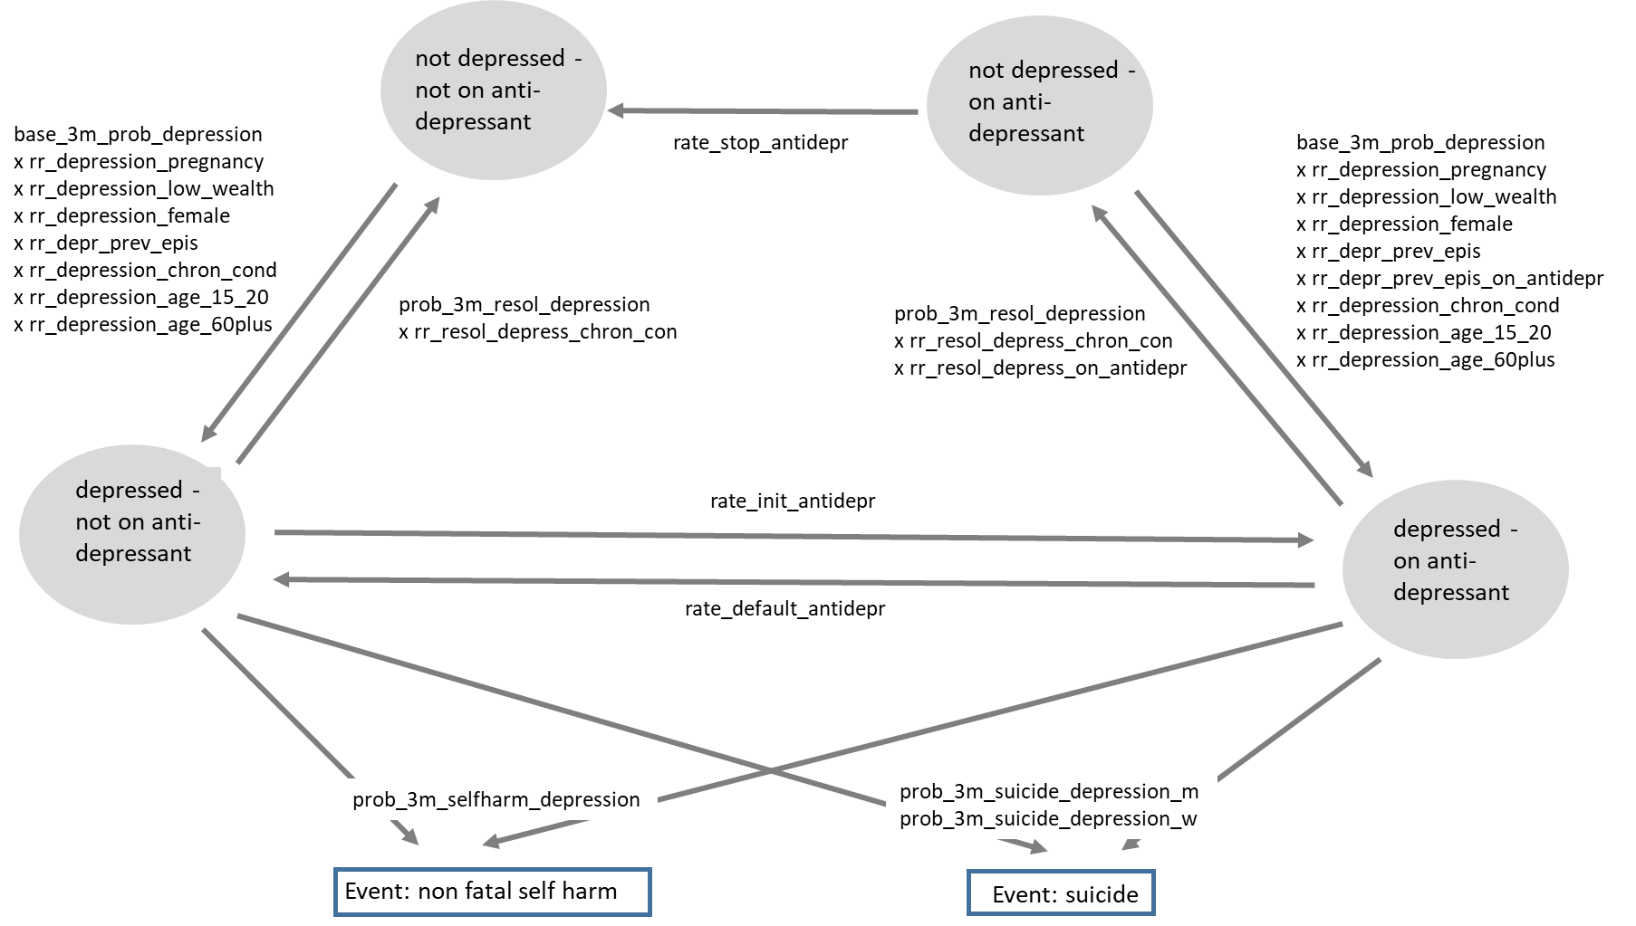
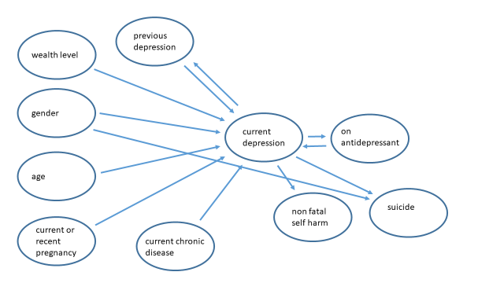

NB. Some of these properties now dropped.
Description of Events and Parameters
NB - these are examples. The names of the events and the parameters is set to something meaningful and the ply of the worksheet name acccordingly.
The model code will be looking for those labels when it opens up the workbook.
Property/event |  | Description | Notes and Major Assumptions
depression (de_depr) |  | currently depressed yes/no | consider depression as moderate or severe depression, whether unipolar or bipolar - does not include mild depression
ever_depressed (de_ever_depr) |  | ever depressed previous to this time point
antidepressant (de_on_antidepr) |  | on antidepressant yes/no | Malawi clinical guidelines (2015) recommend amitriptyline first line and fluoxetine second line - decided not to distinguish between specific drugs - no strong evidence of large differential effects
non fatal self harm (de_non_fatal_self_harm_event) |  | non fatal self harm leading to presentation to health care system this period/instant | decided to model this as leads to presentation for health care
suicide (de_suicide) |  | suicide occurred in this period/instant
de_date_init_most_rec_depr |  | date of start of most recent depression
de_date_depr_resolved |  | date last depression episode resolved
de_prob_3m_resol_depression |  | rate of resolution of this depression episode
de_ever_diagnosed |  | ever diagnosed with depression

Some parameter
name on here not the same as the "official" ones in the parameter_values sheet? Reconcile this sheet and parameter_values into a single tab??
Parameter | Proposed value | Description | Notes and Major Assumptions
base_3m_prob_depression | 0.0009 per 3 months | base incidence of depression, currently expressed as a risk per 3 month period | Rate is derived indirectly based on prevalence of depression that model produces as an output (Abas et al, 1997; Marwick et al, 2010; Udedi et al, 2014; This is much higher than incidence in Todd et al 1999 (approx 0.16 in 2 months) but that is inconsistent with prevalence unless extremely short duration. )
rr_depression_pregnancy | 3 | relative rate of depression when pregnant now or recently | could not identify any estimates for African countries; although clear that pregnancy prevalence is relatively high in pregnancy and post-partum (it is clear the relative rate is > 1). Suggest use value of 3 until we have more data.
rr_depression_low_wealth | 3 | relative rate of depression when in wealth level 4 or 5, compared with being in wealth level 1-3 | Abas et al, 1997; Todd et al 1999; Chibanda et al, 2012;
rr_depression_female | 1.5 | relative rate of depression if female compared with male | Kohler et al 2017
rr_depr_prev_epis | 50 | relative rate of depression if had previous episode of depression, and if not on anti-depressant | No data identified from Malawi or other close countries, but likely to be a large person-specific effect. Consider data on proportion of people with depression ever.
rr_depr_prev_epis_on_antidepr | 30 | relative rate of depression if had previous episode of depression, and if on anti-depressant | effect of anti-depressant on relapse (see Keller et al 1998; Dunner et al 2007; Leucht et al 2012; Hengartner 2017)
rr_depression_chron_cond | 1.25 | relative rate of depression if have current chronic condition (this will likely be replaced by specific chronic conditions when they are developed and coded) | HIV: Cohen et al Rwanda 2009; Brandt 2009; hypertension: no association in SA Grimsrud et al 2009. Likely the association is with chronic symptoms rather than diagnosis of a chronic condition.
rr_depression_age_15_20 | 1 | relative rate of depression if age 15-20 | Kim et al 2015;
rr_depression_age_60plus | 3 | relative rate of depression if age 60+ | Kohler et al 2017;
rate_diagnosis_depression | 02 per 3 months | rate of diagnosis of depression (given current depression; diagnosis is "ever diagnosed" True/False) | No data I am aware of - have enquired with head of mental health services at MoH
rate_init_antidepr | 0.05 per 3 months | rate of initiation of antidepressant given current diagnosed depression | No data I am aware of - have enquired with head of mental health services at MoH
rate_default_antidepr | 0.20 per 3 months | rate of stopping antidepressant despite still having depression | as above
rate_stop_antidepr | 0.70 per 3 months | rate of stopping antidepressant when not currently depressed | as above
rr_resol_depress_on_antidepr | 1.5 | relative rate of depression being resolved if on anti-depressant | Hengartner 2017; Cipriani et al 2018; Furukawa et al 2016;Faria et 2017; Kirsch 2014;
prob_3m_resol_depression_g1 | 0.05 | probability per 3 months of resolution of depression amongst those depressed and in resolution group g1, assigned at start of depression episode | Abas et al, 1997; Dow et al 2014;
prob_3m_resol_depression_g2 | 0.05 | probability per 3 months of resolution of depression amongst those depressed and in resolution group g2, assigned at start of depression episode | as above
prob_3m_resol_depression_g3 | 0.05 | probability per 3 months of resolution of depression amongst those depressed and in resolution group g3, assigned at start of depression episode | as above
prob_3m_resol_depression_g4 | 0.05 | probability per 3 months of resolution of depression amongst those depressed and in resolution group g4, assigned at start of depression episode | as above
prob_3m_resol_depression_g5 | 0.05 | probability per 3 months of resolution of depression amongst those depressed and in resolution group g5, assigned at start of depression episode | as above
prob_3m_suicide_depression_m | 0.0005 | probability per 3 months of suicide in men (age ge 15) with current depression | Chasimpha et al 2015 to be infered based on overall suicide rate and prevalence of depression (assume depression a pre-requisite for suicide) Suicide rate in adults in Karonga study 26.1 per 100,000 person years in adult men (age ge 15) and 8.0 per 100,000 person years in adult women. Chasimpha et al BMC Public Health 2015
rr_suicide_depr_f | 0.33 | relative rate of suicide in women compared with men | Chasimpha et al 2015
prob_3m_selfharm_depression | 0.0005 | probability per 3 months of non fatal self harm in people with depression | No data I am aware of - have enquired with head of mental health services at MoH
rr_resol_depress_chron_con | 0.5 | relative rate of resolution of depression if have current chronic condition | assume effect on resolution similar to effect on incidence

Disability weights
Disability weights for moderate depression is 0.41 and for severe depression 0.66 (Salomon et al 2012). Since we do not distinguish moderate from severe depression, and since moderate depression is approximately twice as prevalent as severe depression in Malawi (Kohler et al 2017) we use a disability weight of 0.49.

Other notes

See also "References" tab
Note studies find death of a 1st degree relative strongly associated with depression, but do not propose to include this at this point.
Mothers whose babies acquired HIV have high level of depression (Dow et al, 2014)
Experience of IPV a strong risk factor for post natal depression, as low social support
Effect of gender on depression is assumed 1.

In a constructed modelled population (using parameter values above), assuming certain prevalence of chronic conditions, these parameter values lead to:

Overall prevalence of current moderate/severe depression in adults: 10% (males 7%, females 13%)
(Kohler et al. 9% in adults 45+, PHQ-9; Kim et al, 18% in adolescents, BDI-II)
Prevalence of people on antidepressants amongst age 15+ ~ 6%
Ever depression in people age 50: ~ 37%

Initiation depression
age | sex | chronic condition | pregnant now or recent | wealth level | Probability of depression at baseline in 2018
0-15 | Male | no chronic condition |  | 1 to 3 | 0.045
15-19 | Male | no chronic condition |  | 1 to 3 | 0.045
20-59 | Male | no chronic condition |  | 1 to 3 | 0.045
60+ | Male | no chronic condition |  | 1 to 3 | 0.135
0-15 | female | no chronic condition | not recently pregnant | 1 to 3 | 0.0675
15-19 | female | no chronic condition | not recently pregnant | 1 to 3 | 0.0675
Don't think this is used and current -- delete?
20-59 | female | no chronic condition | not recently pregnant | 1 to 3 | 0.0675
60+ | female | no chronic condition | not recently pregnant | 1 to 3 | 0.2025
0-15 | Male | has chronic condition |  | 1 to 3 | 0.045
15-19 | Male | has chronic condition |  | 1 to 3 | 0.045
20-59 | Male | has chronic condition |  | 1 to 3 | 0.045
60+ | Male | has chronic condition |  | 1 to 3 | 0.135
0-15 | female | has chronic condition | not recently pregnant | 1 to 3 | 0.0675
15-19 | female | has chronic condition | not recently pregnant | 1 to 3 | 0.0675
20-59 | female | has chronic condition | not recently pregnant | 1 to 3 | 0.0675
60+ | female | has chronic condition | not recently pregnant | 1 to 3 | 0.2025
15-19 | female | no chronic condition | recently pregnant | 1 to 3 | 0.2025
20-59 | female | no chronic condition | recently pregnant | 1 to 3 | 0.2025
15-19 | female | has chronic condition | recently pregnant | 1 to 3 | 0.2025
20-59 | female | has chronic condition | recently pregnant | 1 to 3 | 0.2025
0-15 | Male | no chronic condition |  | 4 to 5 | 0.135
15-19 | Male | no chronic condition |  | 4 to 5 | 0.135
20-59 | Male | no chronic condition |  | 4 to 5 | 0.135
60+ | Male | no chronic condition |  | 4 to 5 | 0.405
0-15 | female | no chronic condition | not recently pregnant | 4 to 5 | 0.2025
15-19 | female | no chronic condition | not recently pregnant | 4 to 5 | 0.2025
20-59 | female | no chronic condition | not recently pregnant | 4 to 5 | 0.2025
60+ | female | no chronic condition | not recently pregnant | 4 to 5 | 0.6075
0-15 | Male | has chronic condition |  | 4 to 5 | 0.135
15-19 | Male | has chronic condition |  | 4 to 5 | 0.135
20-59 | Male | has chronic condition |  | 4 to 5 | 0.135
60+ | Male | has chronic condition |  | 4 to 5 | 0.405
0-15 | female | has chronic condition | not recently pregnant | 4 to 5 | 0.2025
15-19 | female | has chronic condition | not recently pregnant | 4 to 5 | 0.2025
20-59 | female | has chronic condition | not recently pregnant | 4 to 5 | 0.2025
60+ | female | has chronic condition | not recently pregnant | 4 to 5 | 0.6075
15-19 | female | no chronic condition | recently pregnant | 4 to 5 | 0.6075
20-59 | female | no chronic condition | recently pregnant | 4 to 5 | 0.6075
15-19 | female | has chronic condition | recently pregnant | 4 to 5 | 0.6075
20-59 | female | has chronic condition | recently pregnant | 4 to 5 | 0.6075

Initiation antidepressant
age | sex | previous depression at baseline | current depression at baseline | Probability of antidepressants at baseline
0-100 | Male or female | previous (or current) depression at baseline | no current depression | 0.225
0-100 | Male or female | previous (or current) depression at baseline | current depression | 0.15
0-100 | Male or female | no previous (or current) depression at baseline | no current depression | 0

Don't think this is used and current -- delete?
(this stuff now in the parameter_values tab)

Initiation prev depression
Age | Sex | depression at baseline | prob of previous depression at baseline
0-100 | male or female | current depression | 1
0-100 | Male | no current depression | age x 0.007
0-100 | female | no current depression | age x 0.009

Don't think this is used and current -- delete?
(this stuff now in the parameter_values tab)

pr change in antidepr status
Current antidepressant
 | Current depression |  | prob change to "current antidepressant"

No current antidepressant | current depression |  | rate_init_antidepr | 0.03
No current antidepressant | no current depression |  | 0 | 0

 |  |  | prob change to "not current antidepressant"
Current antidepressant | current depression |  | rate_default_antidepr | 0.2
Current antidepressant | no current depression | last depressed in past year | rate_default_antidepr | 0.2
Current antidepressant | no current depression | last depressed > 1 year ago | rate_stop_antidepr | 0.7

Don't think this is used and current -- delete?
(this stuff now in the parameter_values tab)

pr non-fatal self harm
sex | current depression | prob non fatal self harm (per 3 months)
male or female | current depression | prob_3m_selfharm_depression | 0.002
male or female | no current depression | 0 | 0

Don't think this is used and current -- delete?
(this stuff now in the parameter_values tab)

pr change in prev depr status
At first initiation of depression, prev_depr_status = True

Don't think this is used and current -- delete?
(this stuff now in the parameter_values tab)

pr suicide
sex | current depression | prob suicide (per 3 months)
male | current depression | prob_3m_suicide_depression_m | 0.001
male | current depression | prob_3m_suicide_depression_m | 0.0005
female | no current depression | 0 | 0
female | no current depression | 0 | 0

Don't think this is used and current -- delete?
(this stuff now in the parameter_values tab)

pr change in depression status_
No current depression | prob of current depression | Value | Condition

 | base_3m_prob_depression (base probability of depression over a 3 month period if male, wealth123, no chronic condition, never previously depressed) | 0.0007
 | x rr_depression_pregnancy | 3 | current or recent pregnancy
 | x rr_depression_low_wealth | 3 | wealth level 4 or 5
 | x rr_depression_female | 1.5 | female
 | x rr_depr_prev_epis | 50 | previous depression not currently on antidepressant
 | x rr_depr_prev_epis_on_antidepr | 30 | previous depression, currently on antidepressant
 | x rr_depression_chron_cond | 1.25 | current chronic condition
 | x rr_depression_age_15_20 | 1 | age 15-19
 | x rr_depression_age_60plus | 1 | age 60+

Current depression | prob of no current depression |  | Condition
 | prob_3m_resol_depression_g1 | 0.2 | in g1
 | prob_3m_resol_depression_g2 | 0.3 | in g2
 | prob_3m_resol_depression_g3 | 0.5 | in g3
 | prob_3m_resol_depression_g4 | 0.7 | in g4
 | prob_3m_resol_depression_g5 | 0.95 | in g5
 | x rr_resol_depress_chron_con | 0.5 | current chronic condition
 | x rr_resol_depress_on_antidepr | 1.5 | currently on antidepressant

Don't think this is used and current -- delete?
(this stuff now in the parameter_values tab)

