Source
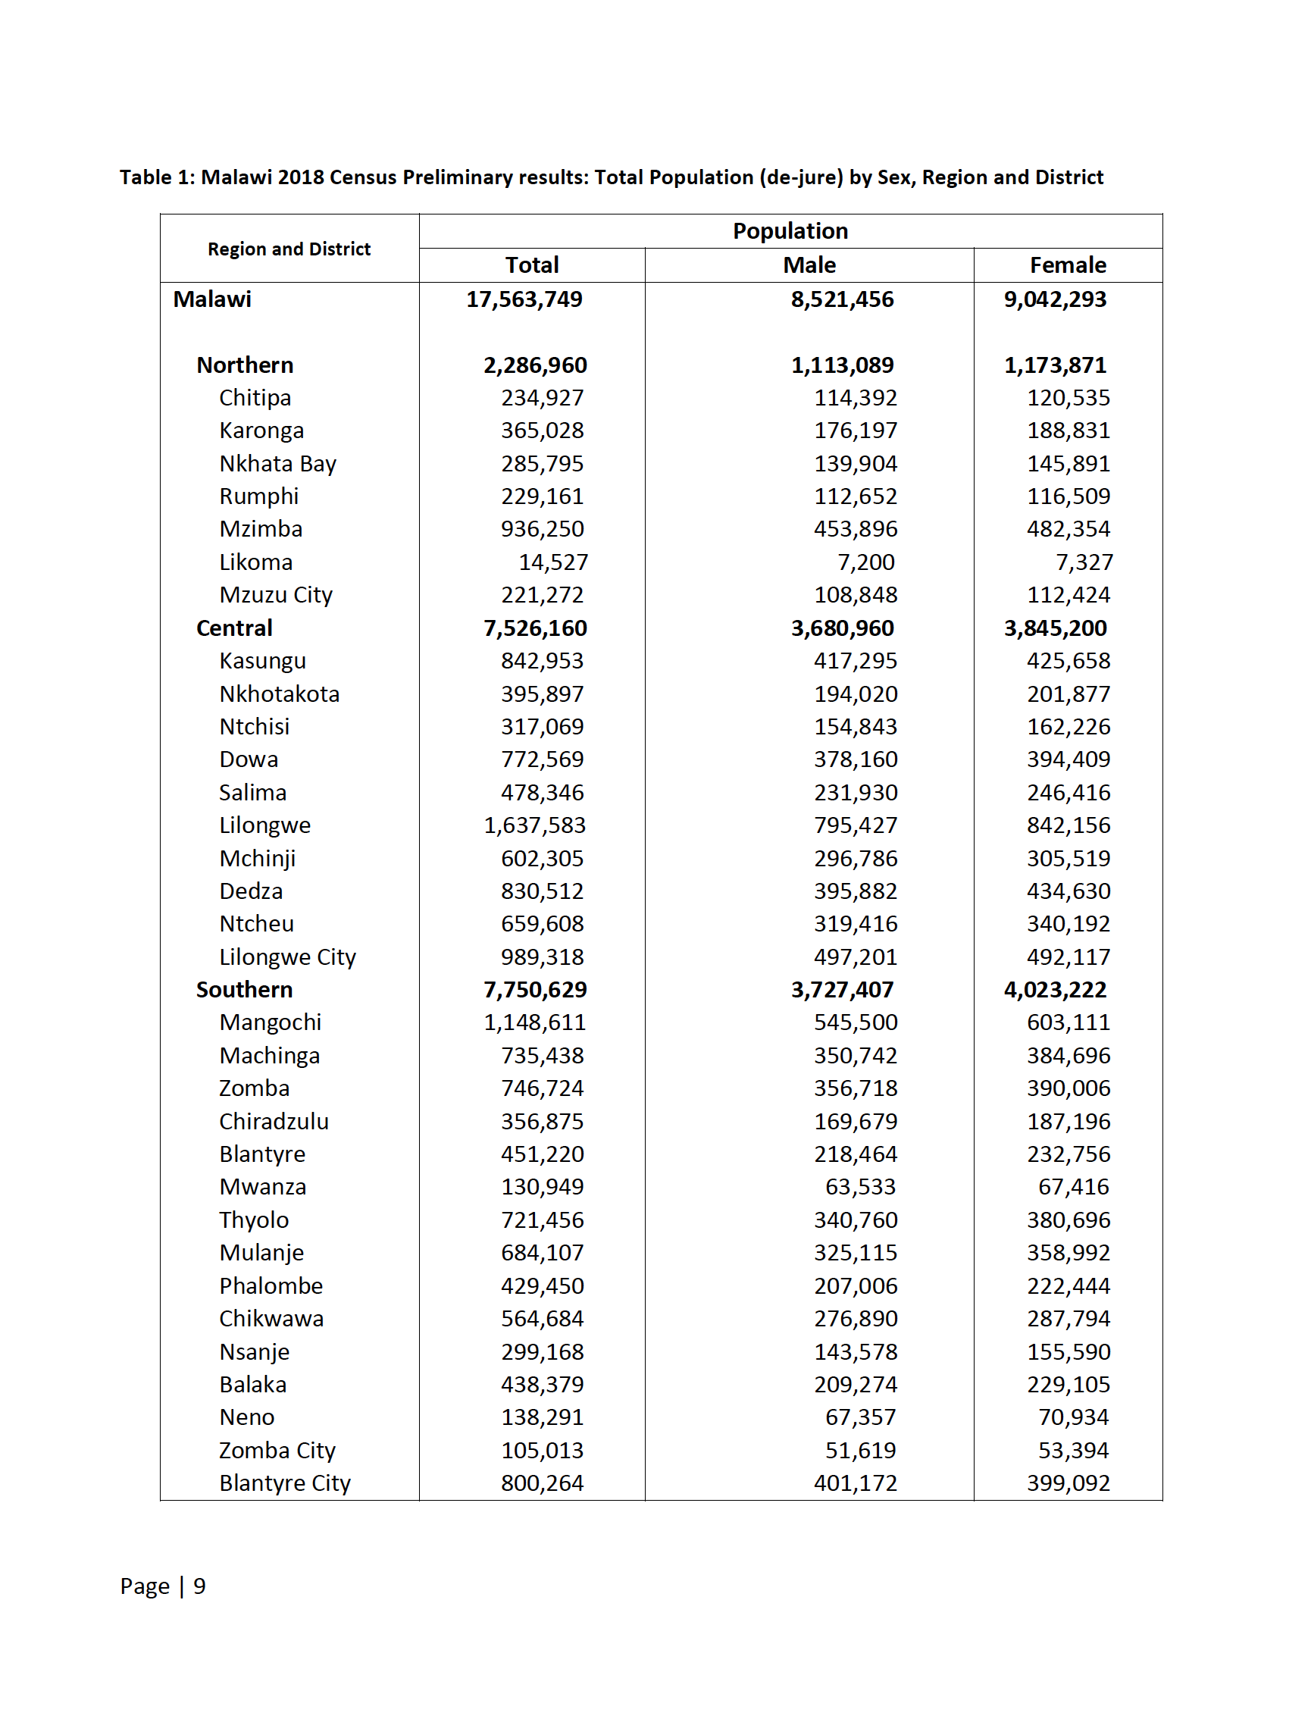


Tim Hallett (24-2-19)

