Structure
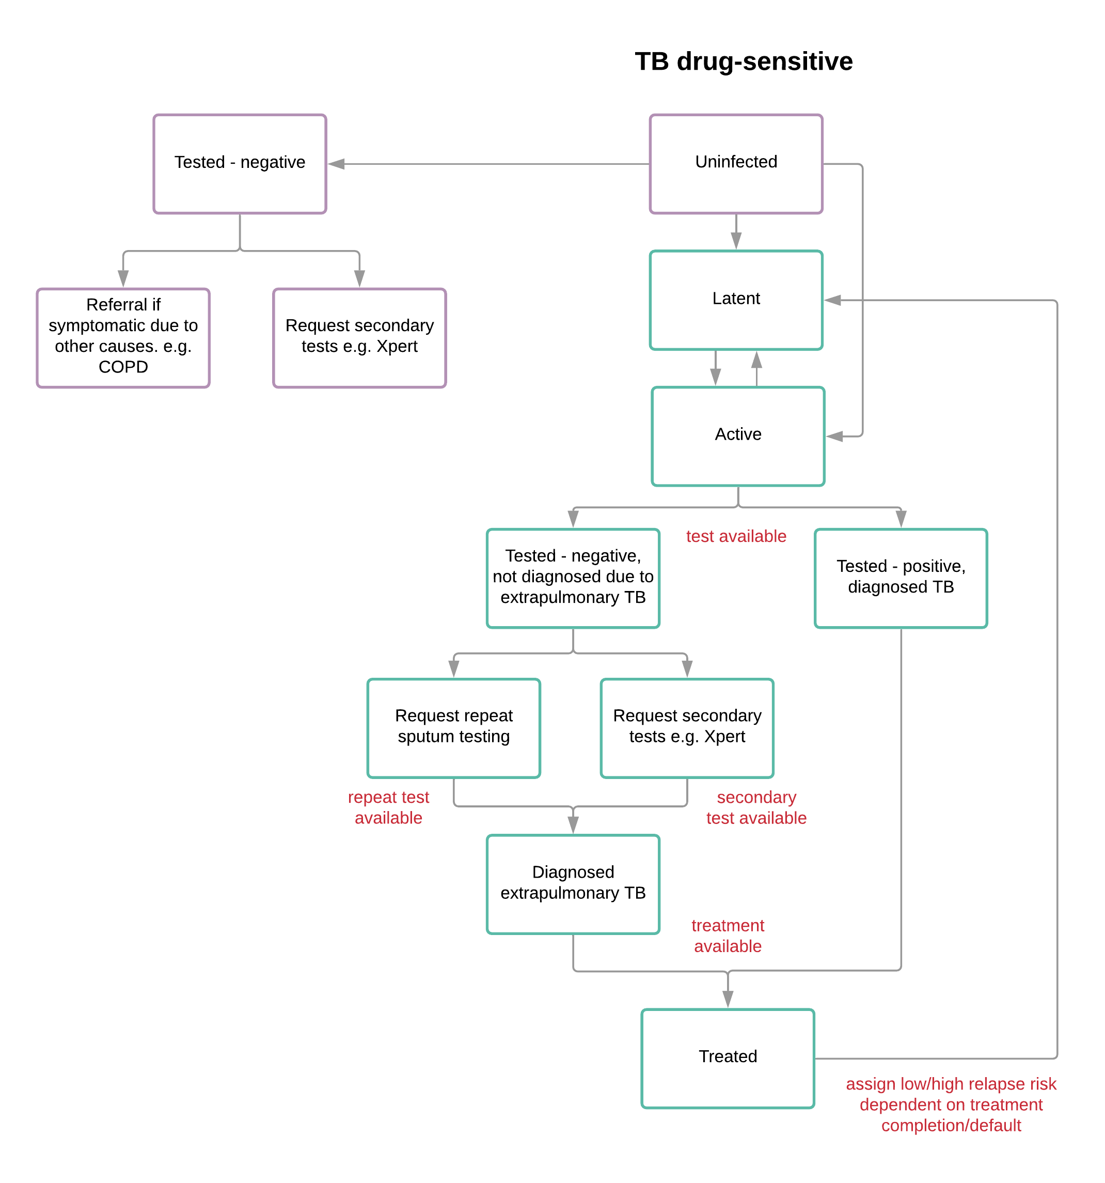
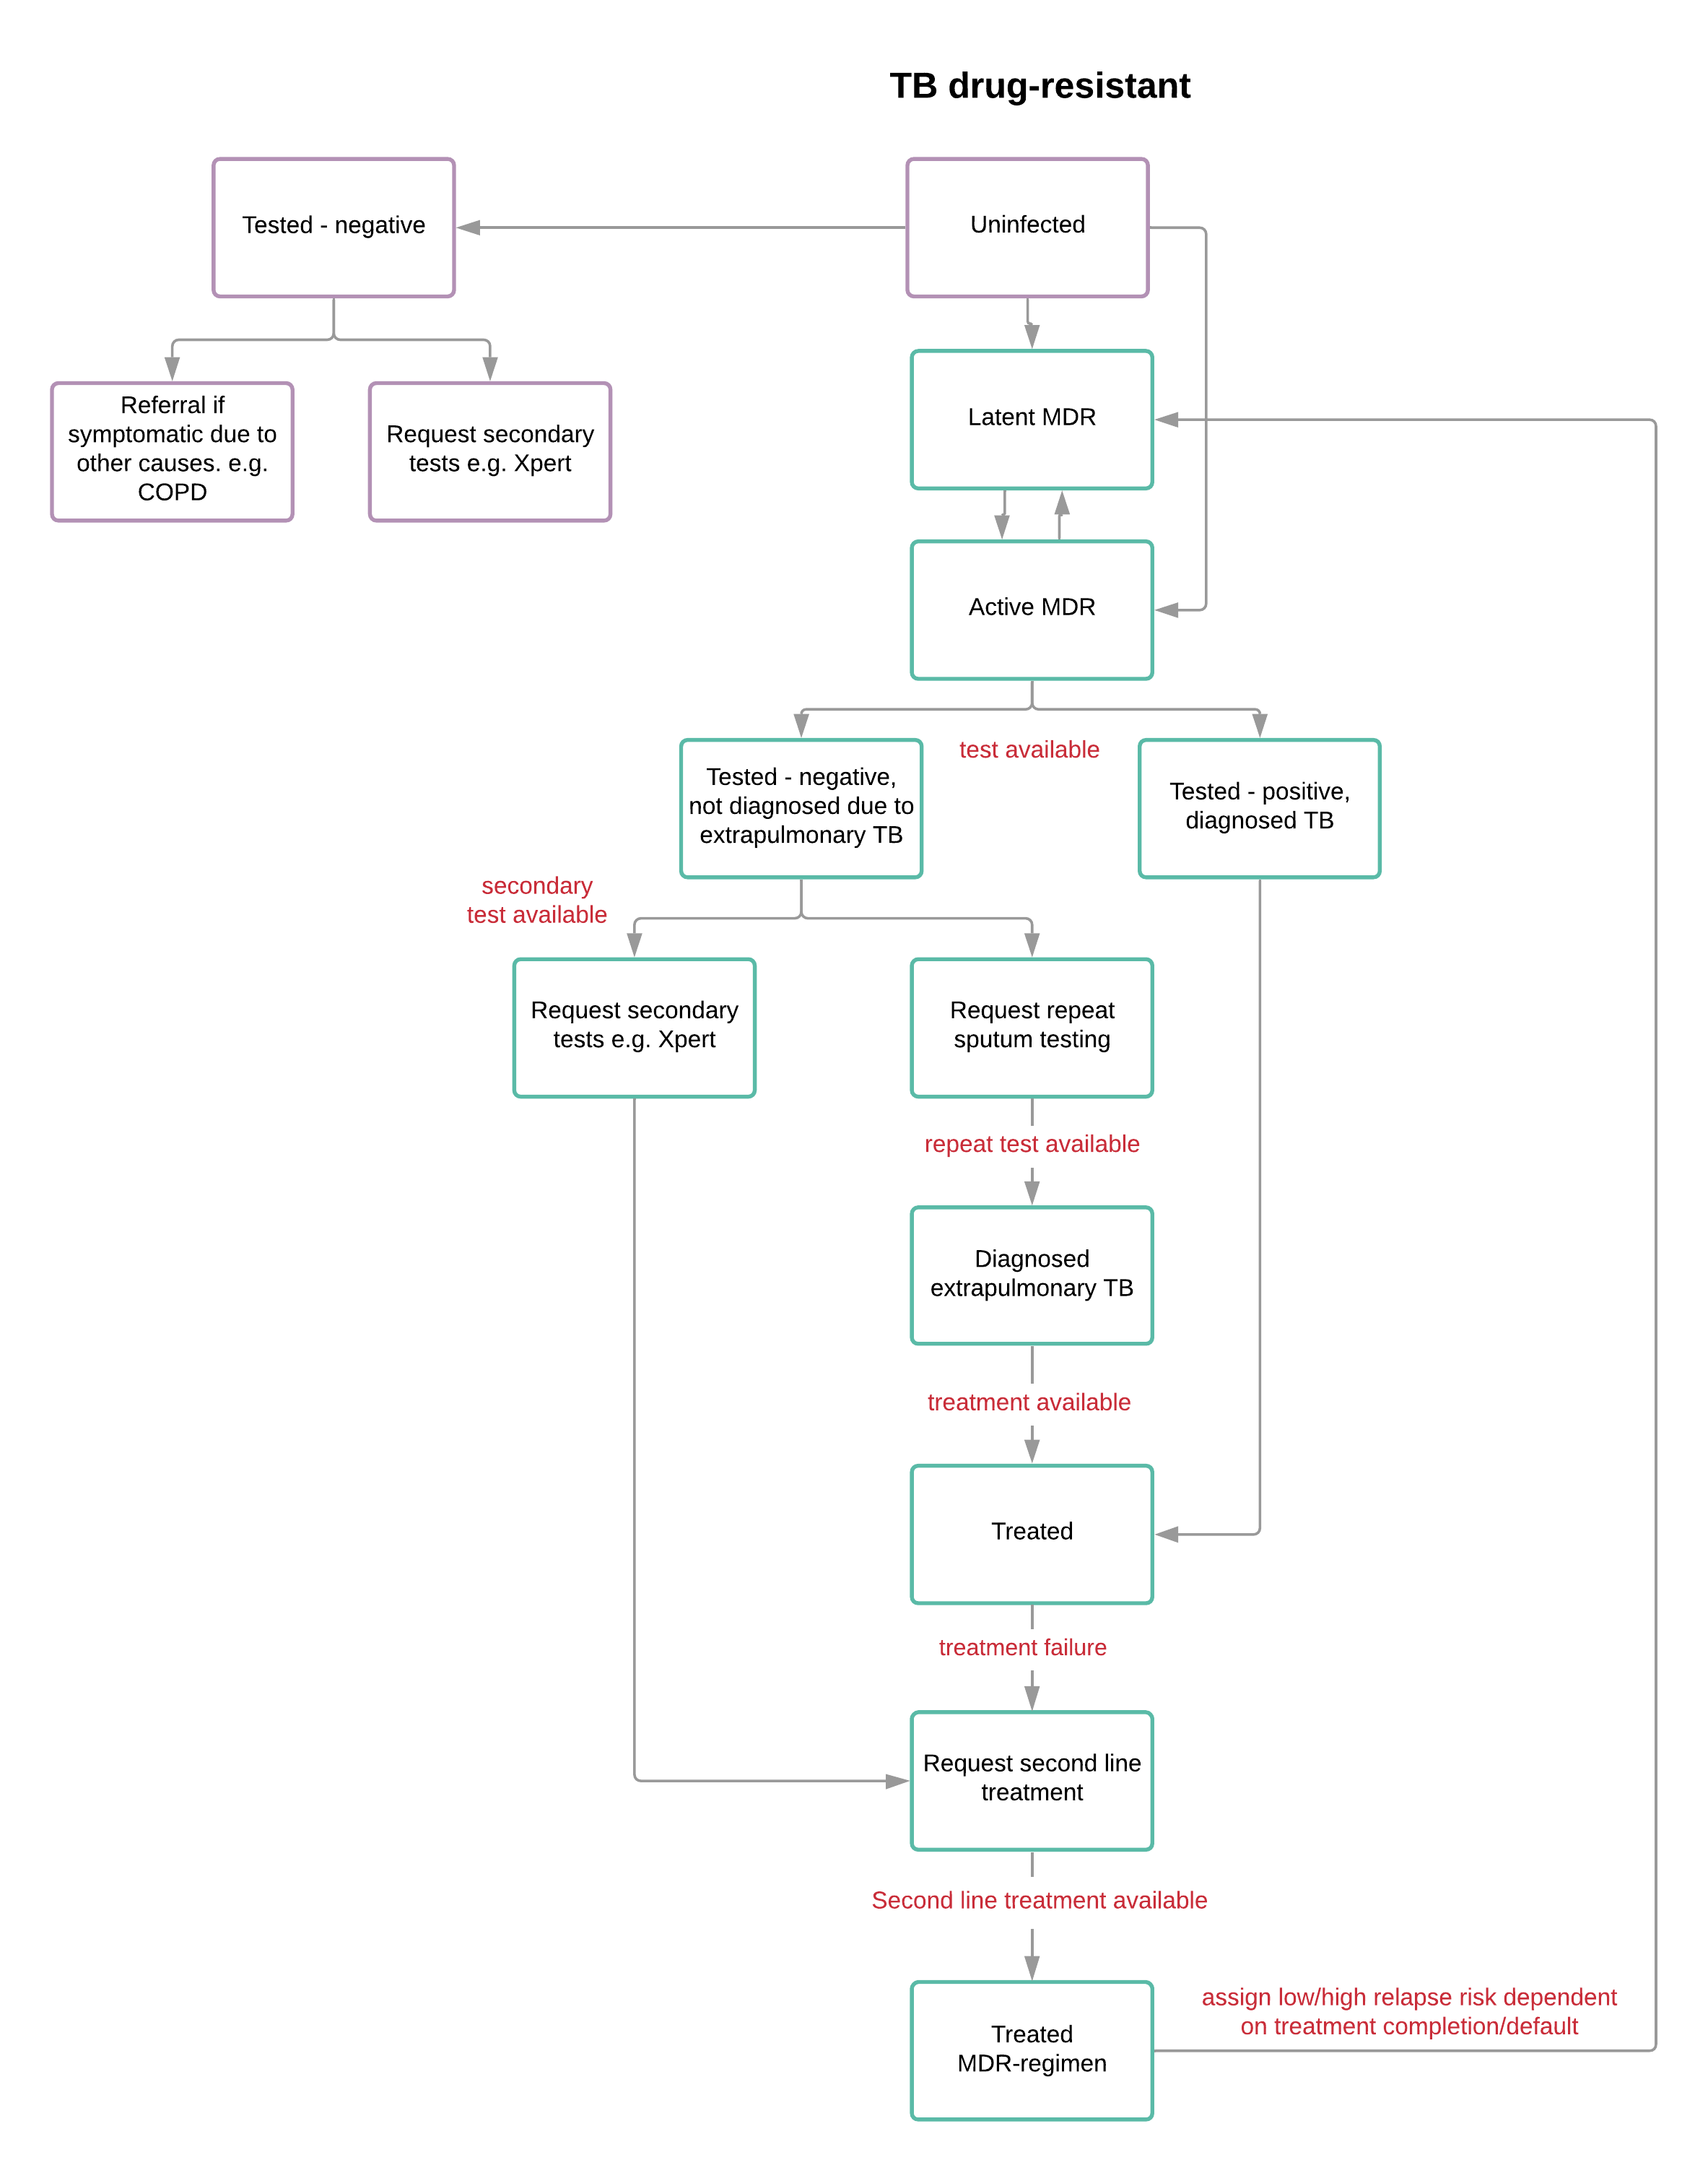

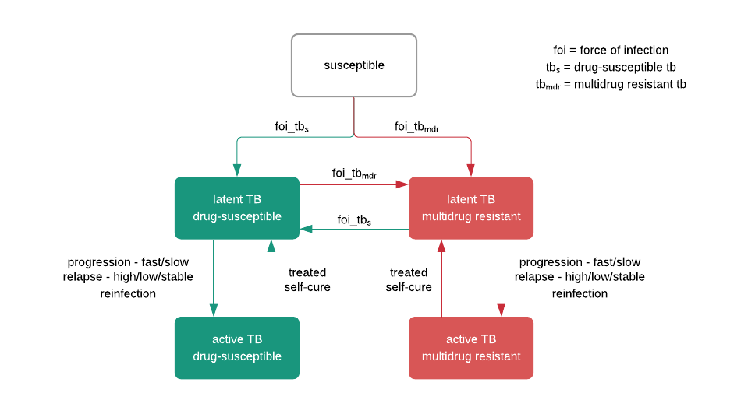

Description of Events and Parameters

Notes and Major Assumptions
HIV/TB deaths are counted as AIDS deaths
No self-cure for HIV+
No significant difference in TB incidence by CD4 at ART initiation
Only at <200 does the current CD4 affect TB incidence
Trend in TB incidence by years since seroconversion is significant
Lodi's RR for risk of TB with CD4 stage are much higher than Williams'
relative risk of TB likely affected by prevalence

Williams PNAS 2010 | ART for TB control in nine African countries
Fenner JIAS 2017 | HIV VL as risk factor for TB
Fenner JIAS 2017 | HIV VL as risk factor for TB
Lodi Thorax 2012 | Factors assoc with TB after cART
Lodi Thorax 2012 | Factors assoc with TB after cART

