Structure
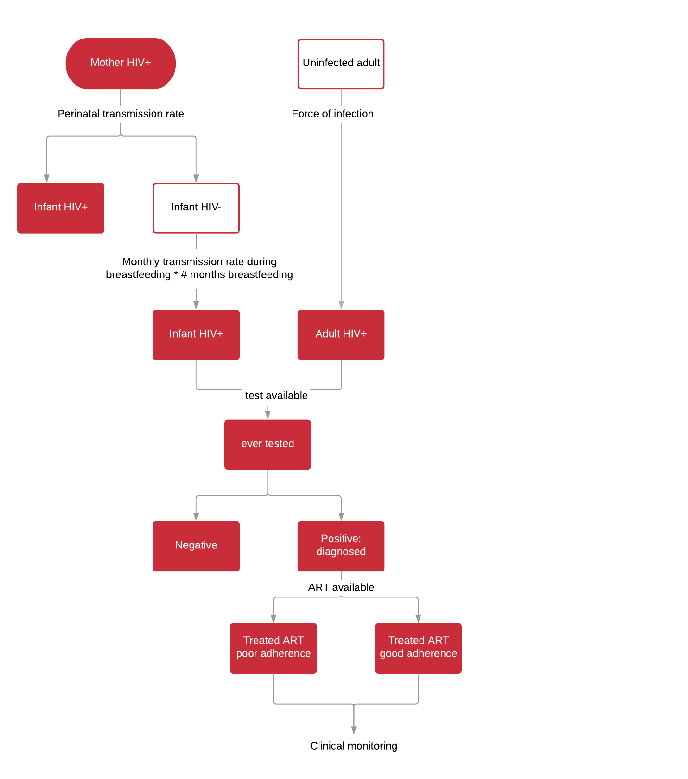

TO BE UPDATED
Description of Events and Parameters

Transmission route | Name | Description | Values | Reference | Notes

Vertical transmission | prob_HIV_MTCT | probability of perinatal / postnatal infection | see sheet 'MTCT' | Spectrum / Rollins STI 2012
 | weibull_shape_mort_infant_slow_progressor | weibull shape parameter for mortality in infants slow progressors | 2.7 | Ferrand 2009
 | weibull_scale_mort_infant_slow_progressor | Weibull scale parameter for mortality in infants slow progressors | 16 | Ferrand 2009
 | exp_rate_mort_infant_fast_progressor' | Exponential rate parameter for mortality in infants fast progressors | 1.08 | Ferrand 2009
 | prob_infant_fast_progressor | proportion of HIV+ infants who are fast progressors | 0.36 | Ferrand 2009

Sexual transmission | foi | force of infection acting on the susceptible population | determined using spectrum data
 | age_distribution | age and sex distribution of incident cases | see sheet 'age_distribution' | Spectrum
 | weibull_shape_mort_adult | Weibull shape parameter for mortality in adults | 2 | Todd 2007

 | proportion_high_sexual_risk_male | proportion of men who have high sexual risk behaviour | 0.0913 | DHS 2015
 | proportion_high_sexual_risk_female | proportion of women who have high sexual risk behaviour | 0.0095 | DHS 2015
 | proportion_female_sex_workers | proportion of women who have transactional sex | 0.0069 | UNAIDS (AIDSinfo) 2017 estimate
 | rr_HIV_high_sexual_risk | relative risk of acquiring HIV with high risk sexual behaviour | 2 | assumption
 | rr_HIV_high_sexual_risk_fsw | relative risk of acquiring HIV with female sex work | 5 | assumption
 | rr_STI | relative risk of acquiring HIV with concurrent STI infection | 8 | spectrum manual p392 | Galvin 2004 range 2.2-11.3; Powers 2008 range 5.1-8.2
 | rel_infectiousness_ART | relative infectiousness for those on ART | 0.04-0.08 | spectrum manual p392 | Cohen 2011; Attia 2009
 | proportion_on_ART_infectious | proportion of people on ART not virally suppressed and still infectious | 0.2
 | impact_condom_HIV_transmission | efficacy of condoms in reducing HIV transmission | 0.8 | spectrum manual p392 | Weller 2004
 | impact_VMMC_HIV_transmission | efficacy of male circumcision in reducing HIV transmission | 0.6 | spectrum manual p392 | Auvert 2005; Gray 2007; Bailey 2007
 | impact_PrEP_HIV_transmission | efficacy of PrEP in reducing HIV transmission | 0.55-0.73 | spectrum manual p392 | Grant 2010; Partners PrEP Study
 | impact_microbicide_HIV_transmission | efficacy of microbicide in reducing HIV transmission | 0.6 | spectrum manual p392 | Karim 2010
 | transmission_rate | transmission of HIV per act (female to male) | 0.0011 | Baggeley, Gray

Baseline population | HIV_prev | number of prevalent infections in baseline year | see sheet 'prevalence' | spectrum
 | CD4_base | distribution of CD4 counts for baseline population | see sheet 'CD4_distribution' | spectrum
 | CD4_times | estimated time spent in each state - used to derive time since infection | see sheet 'Time_spent_by_CD4' | spectrum manual p.393

Notes and Major Assumptions
This model structure is used to determine baseline characteristics of HIV+ population, such as time since infection and time since ART initiation
Population status at 2018 is derived from spectrum and used as the starting point for simulations

Force of infection dervived using FOI = (beta * I) / N
value for beta is estimated at 2018

References
Paste here any links, R - code, etc that was used to create this method

