Structure
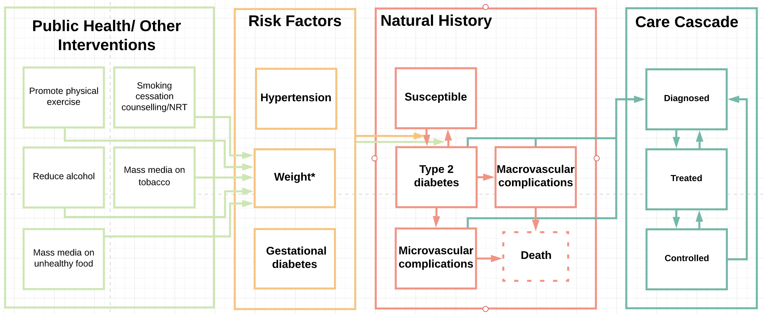

Description of Events and Parameters

Name | Description | Values | Reference | Notes

Susceptible | Where adults is defined as aged >=18 years | NA | NA | NA
Diabetes TypeII | Defined as fasting plasma glucose ≥7.0mmol/l (126mg/dl) or 2–h plasma glucose ≥11.1mmol/l (200mg/dl); | NA | TBC | Need to check same diagnostic for Type I and GD
Microvascular complications | Include retinopathy, nephropathy, neuropathuy
Macrovascular complications | include CVD, simulated using a CVD risk score
Death | due to diabetic complications
Diagnosed | Diagnosed with diabetes | NA | NA | NA
Treated | Individual is treated, may or may not achieve normal glucose levels | see 'parameters' | TBC | To be added, still just 'treated'

Notes and Major Assumptions
If treatment is stopped, person is assumed to have diabetes, unless sucessful lifestyle intervention

To be developed further
In code change overweight to bmi
In code add gestational diabetes as risk factor once method is developed
In code activate hypertension once circular definition has been addressed
Details of health service to be developed, including treatment (un)success; diagnosis and recovery)
In code add mortality due to complicaitons

