Structure
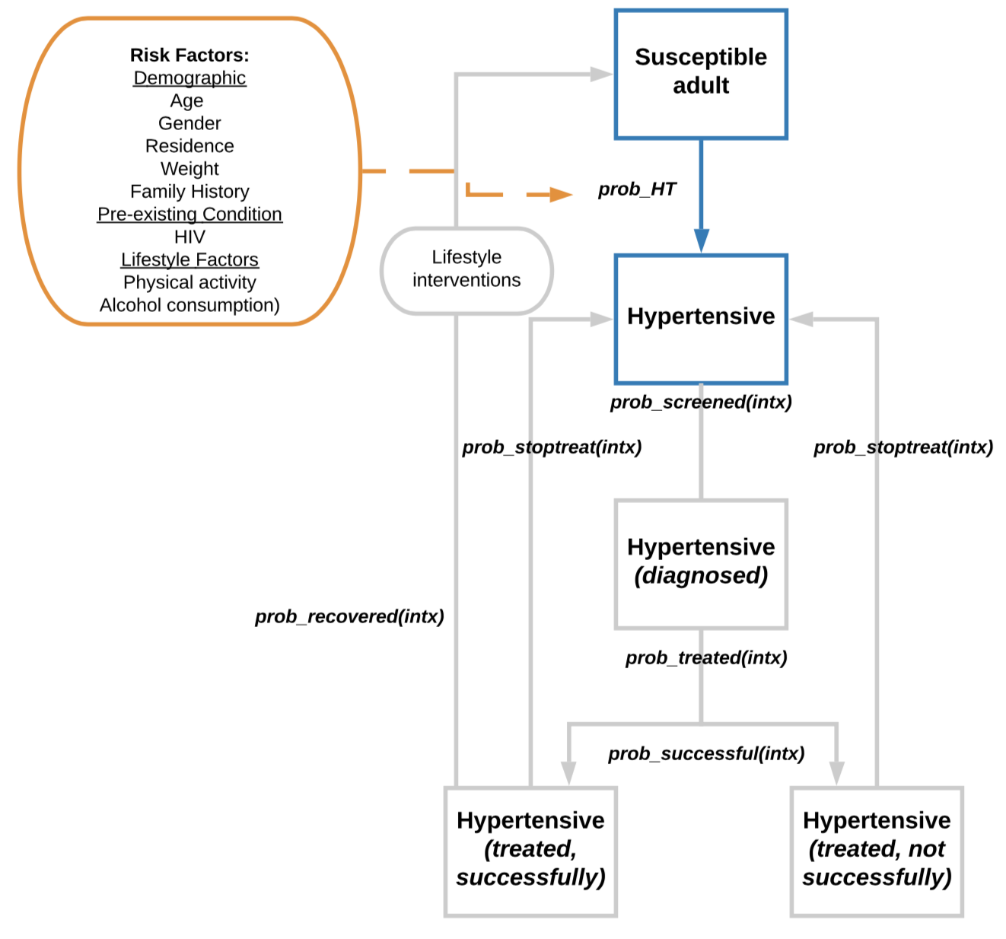

Description of Events and Parameters

Name | Description | Values | Reference | Notes
Susceptible adult | Includes all adults aged >=18 years | NA | NA | NA
Hypertensive | Defined as Systolic and dyastolic blood pressure ≥140/90; | NA | TBC | NA
Diagnosed | Diagnosed with hypertension | NA | NA | NA
Treated (successful) | Individual is treated and blood pressure does go back to normal levels | see 'parameters' | TBC | To be added, still just 'treated'
Treated (Not successful) | Individual is treated and blood pressure does not go back to normal levels | see 'parameters' | TBC | To be added, still just 'treated'
prob_HT | To seed model: Prevalence at the start of the model by age and sex Model run: Incidence by age and sex This will be dependant on a number of risk factors (orange box) | see 'prevalence2018' see 'incidence2018_plus' see 'parameters' | TBC | Not all dependencies are yet explictely coded
prob_screened(intx) | Probability of being screened, depending on intervention intx | - | TBC | To be added, not in model yet
prob_treated | Probability of treatment | see 'treatment_parameters' | TBC | Will depend on other diseases, such as hypercholesterolaemia, diabetes etc
prob_successful | Probability treatment successfully reduced blood pressure to normal levels | see 'parameters' | TBC | To be added, still just 'treated'
prob_stoptreat(intx) | Probability of stopping treatment, depdending on intervention intx | - | TBC | To be added
prob_recovered(intx) | Probability of getting to normal levels, given intx (only option for lifestyle intervention) | - | TBC | To be added

Notes and Major Assumptions
Only adults aged >=18 years can develop hypertension
Only primary risk factors (orange box) are simulated. Full explanation of how these were selected are outlined in associated Word document.
Assumed relative risks for risk factors (orange box) from other countries apply to Malawi, wehre no data for Malawi is available
It is assumed that no one dies of hypertension
If treatment is stopped, person is assumed to have hypertension, unless sucessful lifestyle intervention

To be developed further
Prevalence/incidence to also depend on lifestyle factors and HIV (where relevant)
Handle multiple risks
Details of health service to be developed, including treatment (un)success; diagnosis and recovery)

