Structure
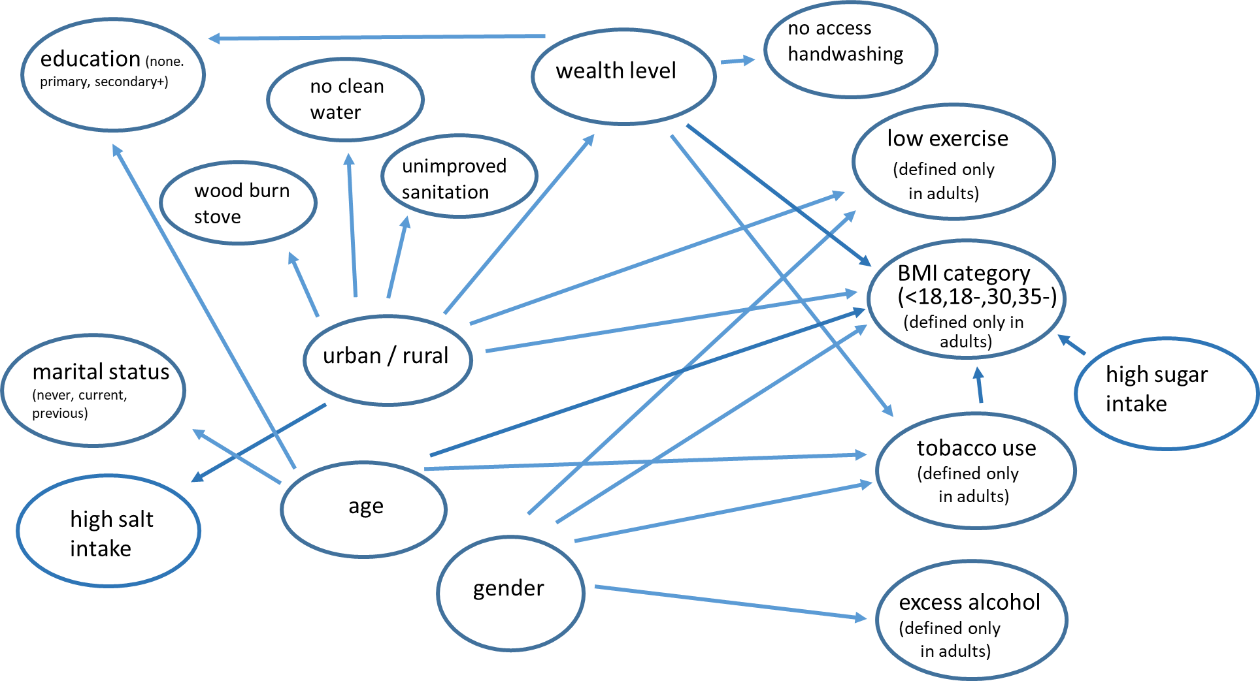

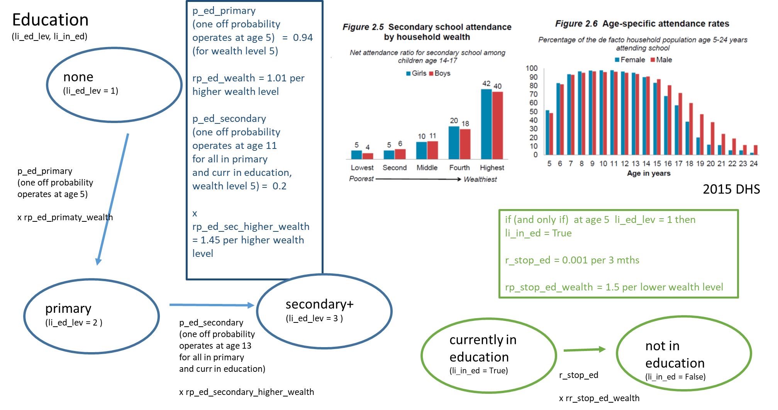
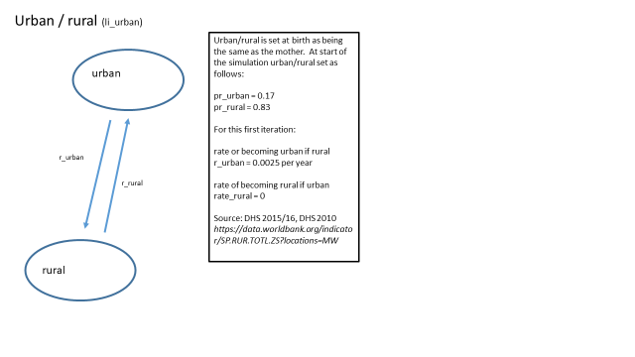
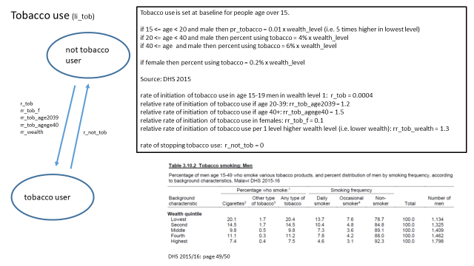

Description of Events and Parameters

Property/event |  | Description
li_urban |  | currently urban
li_wealth |  | wealth level (1-5, 1 is highest welath)
li_overwt |  | over-weight
li_tob |  | currently using tobacco
li_in_ed |  | currently in education
li_ed_lev |  | education level attained (so far)
li_low_ex |  | current low exercise
li_ex_alc |  | current excess alcohol
li_con_t |  | contraceptive type
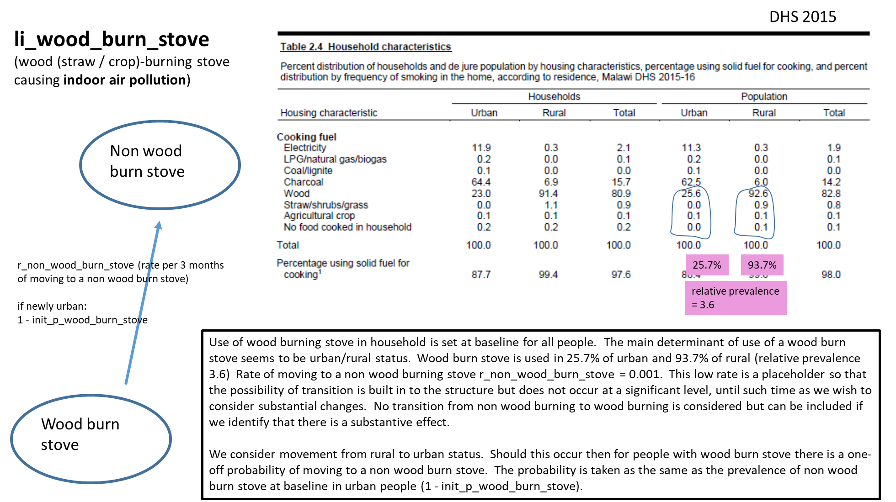
li_on_con |  | on contraceptive
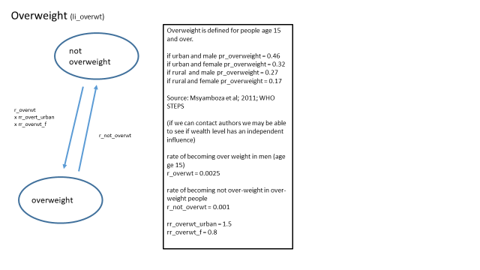
li_mar_stat |  | marital status
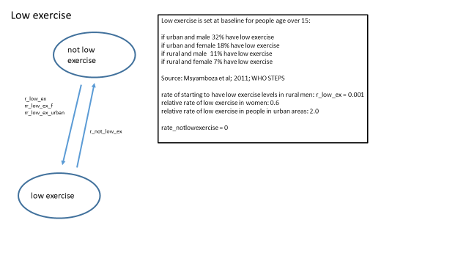
li_unimproved_saniitation |  | unimproved sanitation
li_no_clean_drinking_water |  | no clean drinking water
li_wood_burn_stove |  | wood (straw / crop-burning stove - indoor air pollution)
li_no_access_handwashing |  | no access to handwashing

Parameter | Proposed value | Description | Notes and Major Assumptions (see individual figures to right)
init_p_wood_burn_stove | 0.257 | initial probability of wood_burn_stove given urban | dhs 2015
init_rp_wood_burn_stove_rural | 3.6 | initial relative prevalence of wood_burn_stove if rural | dhs 2015
init_p_unimproved_sanitation | 0.04 | initial probability of unimproved_sanitation given urban | dhs 2015
init_rp_unimproved_sanitation_rural | 4.5 | initial relative prevalence of unimproved_sanitation if rural | dhs 2015
init_p_no_clean_drinking_water | 0.017 | initial probability of no_clean_drinking_water given urban | dhs 2015
init_rp_no_clean_drinking_water_rural | 8.6 | initial relative prevalence of no clean drinking_water if rural | dhs 2015
init_p_no_access_handwashing | 0.478 | initial probability of no_access_handwashing given wealth 1 | dhs 2015
init_rp_no_access_handwashing_per_lower_wealth | 1.06 | initial relative prevalence of no_access_handwashing per lower wealth level | dhs 2015
init_p_urban | 0.17 | proportion urban at baseline | dhs 2015
init_p_wealth_urban | 0.75, 0.16, 0.05, 0.02, 0.02 | List of probabilities of category given urban | dhs 2015
init_p_overwt_m_urban | 0.46 | initial prevalence of being overweight - male, urban | Msyamboza et al; 2011; WHO STEPS
init_p_overwt_m_rural | 0.27 | initial prevalence of being overweight - male, rural | Msyamboza et al; 2011; WHO STEPS
init_p_overwt_f_urban | 0.32 | initial prevalence of being overweight - female, urban | Msyamboza et al; 2011; WHO STEPS
init_p_overwt_f_rural | 0.17 | initial prevalence of being overweight - female, rural | Msyamboza et al; 2011; WHO STEPS
init_p_low_ex_m_urban | 0.32 | initial prevalence of low exercise - male, urban | Msyamboza et al; 2011; WHO STEPS
init_p_low_ex_m_rural | 0.11 | initial prevalence of low exercise - male, rural | Msyamboza et al; 2011; WHO STEPS
init_p_low_ex_f_urban | 0.18 | initial prevalence of low exercise - female, urban | Msyamboza et al; 2011; WHO STEPS
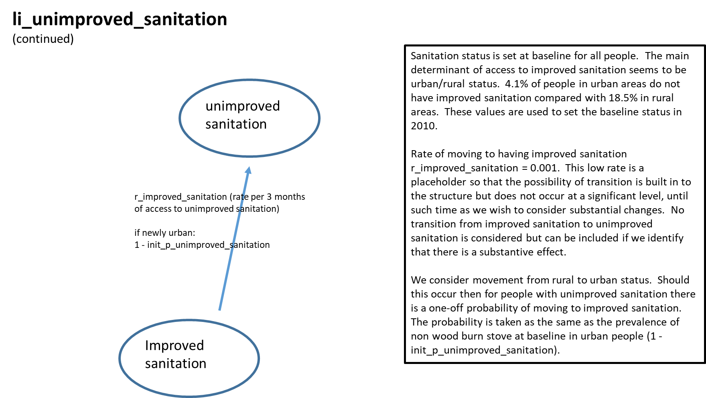
init_p_tob_m_age1519 | 0.01 | initial prevalence of tobacco use, male age1519 | dhs 2015
init_p_tob_m_age2039 | 0.04 | initial prevalence of tobacco use, male aged2039 | dhs 2015
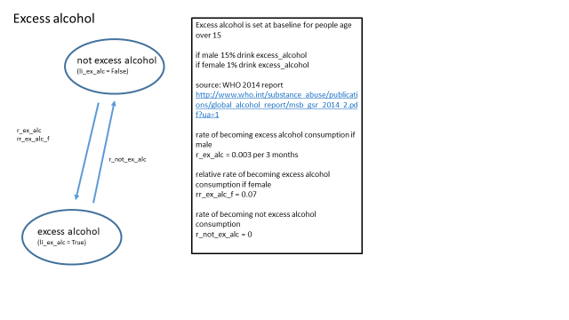
init_p_tob_m_age40+ | 0.06 | initial prevalence of tobacco use, male age 40+ | dhs 2015
init_p_tob_f_age1519 | 0.002 | initial prevalence of tobacco use, female age1519 | dhs 2015
init_p_tob_f_age2039 | 0.002 | initial prevalence of tobacco use, female aged2039 | dhs 2015
init_p_tob_f_age40+ | 0.002 | initial prevalence of tobacco use, female aged40+ | dhs 2015
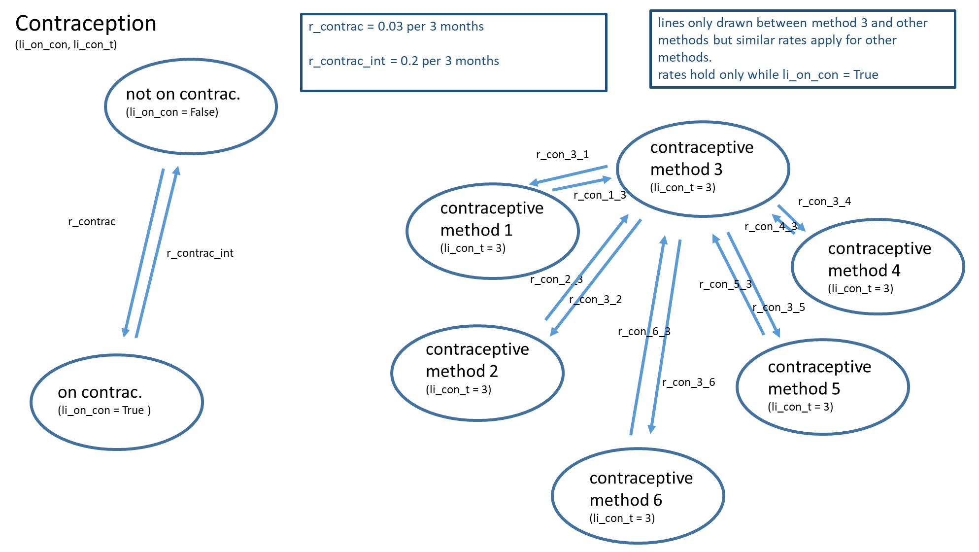
init_p_ex_alc_m | 0.15 | initial prevalence of excess alcohol in men | WHO 2014 report http://www.who.int/substance_abuse/publications/global_alcohol_report/msb_gsr_2014_2.pdf?ua=1
init_p_ex_alc_f | 0.01 | intial prevalence of excess alcohol in women | WHO 2014 report http://www.who.int/substance_abuse/publications/global_alcohol_report/msb_gsr_2014_2.pdf?ua=1
init_p_low_ex_f_rural | 0.07 | initial prevalence of low exercise - female, rural | Msyamboza et al; 2011; WHO STEPS
init_p_wealth_rural | 0.11, 0.21, 0.22, 0.23, 0.23 | List of probabilities of category given rural | dhs 2015
init_dist_mar_stat_age1520 | 0.70, 0.30, 0.00 | proportions never, current, div_wid age 15-20 baseline | dhs 2015
init_dist_mar_stat_age2030 | 0.15, 0.80, 0.05 | proportions never, current, div_wid age 20-30 baseline | dhs 2015
init_dist_mar_stat_age3040 | 0.05, 0.70, 0.25 | proportions never, current, div_wid age 30-40 baseline | dhs 2015
init_dist_mar_stat_age4050 | 0.03, 0.50, 0.47 | proportions never, current, div_wid age 40-50 baseline | dhs 2015
init_dist_mar_stat_age5060 | 0.03, 0.30, 0.67 | proportions never, current, div_wid age 50-60 baseline | dhs 2015
init_dist_mar_stat_agege60 | 0.03, 0.20, 0.77 | proportions never, current, div_wid age ge 60 baseline | dhs 2015
init_p_on_contrac | 0.30 | initial proportion of women age 15-49 on contraceptives | arbitrary values used to get code working - contraceptive use will be removed from this module
init_dist_con_t | 0.17, 0.17, 0.17, 0.17, 0.17, 0.15 | initial proportions on different contraceptive types | arbitrary values used to get code working - contraceptive use will be removed from this module
init_age2030_w5_some_ed | 0.97 | proportions of low wealth 20-30 year olds with some education at baseline | inferred from DHS 2015 data (see diagram to right)
init_rp_some_ed_age0513 | 1.01 | relative prevalence of some education at baseline age 5-13 | inferred from DHS 2015 data (see diagram to right)
init_rp_some_ed_age1320 | 1.00 | relative prevalence of some education at baseline age 13-20 | inferred from DHS 2015 data (see diagram to right)
init_rp_some_ed_age2030 | 1.00 | relative prevalence of some education at baseline age 20-30 | inferred from DHS 2015 data (see diagram to right)
init_rp_some_ed_age3040 | 0.99 | relative prevalence of some education at baseline age 30-40 | inferred from DHS 2015 data (see diagram to right)
init_rp_some_ed_age4050 | 0.99 | relative prevalence of some education at baseline age 40-50 | inferred from DHS 2015 data (see diagram to right)
init_rp_some_ed_age5060 | 0.98 | relative prevalence of some education at baseline age 50-60 | inferred from DHS 2015 data (see diagram to right)
init_rp_some_ed_per_higher_wealth | 1.005 | relative prevalence of some education at baseline per higher wealth level | inferred from DHS 2015 data (see diagram to right)
init_prop_age2030_w5_some_ed_sec | 0.20 | proportion of low wealth aged 20-30 with some education who have secondary education at baseline | inferred from DHS 2015 data (see diagram to right)
init_rp_some_ed_sec_age1320 | 1.00 | relative prevalence of secondary education age 15-20 | inferred from DHS 2015 data (see diagram to right)
init_rp_some_ed_sec_age3040 | 0.90 | relative prevalence of secondary education age 30-40 | inferred from DHS 2015 data (see diagram to right)
init_rp_some_ed_sec_age4050 | 0.85 | relative prevalence of secondary education age 40-50 | inferred from DHS 2015 data (see diagram to right)
init_rp_some_ed_sec_age5060 | 0.80 | relative prevalence of secondary education age 50-60 | inferred from DHS 2015 data (see diagram to right)
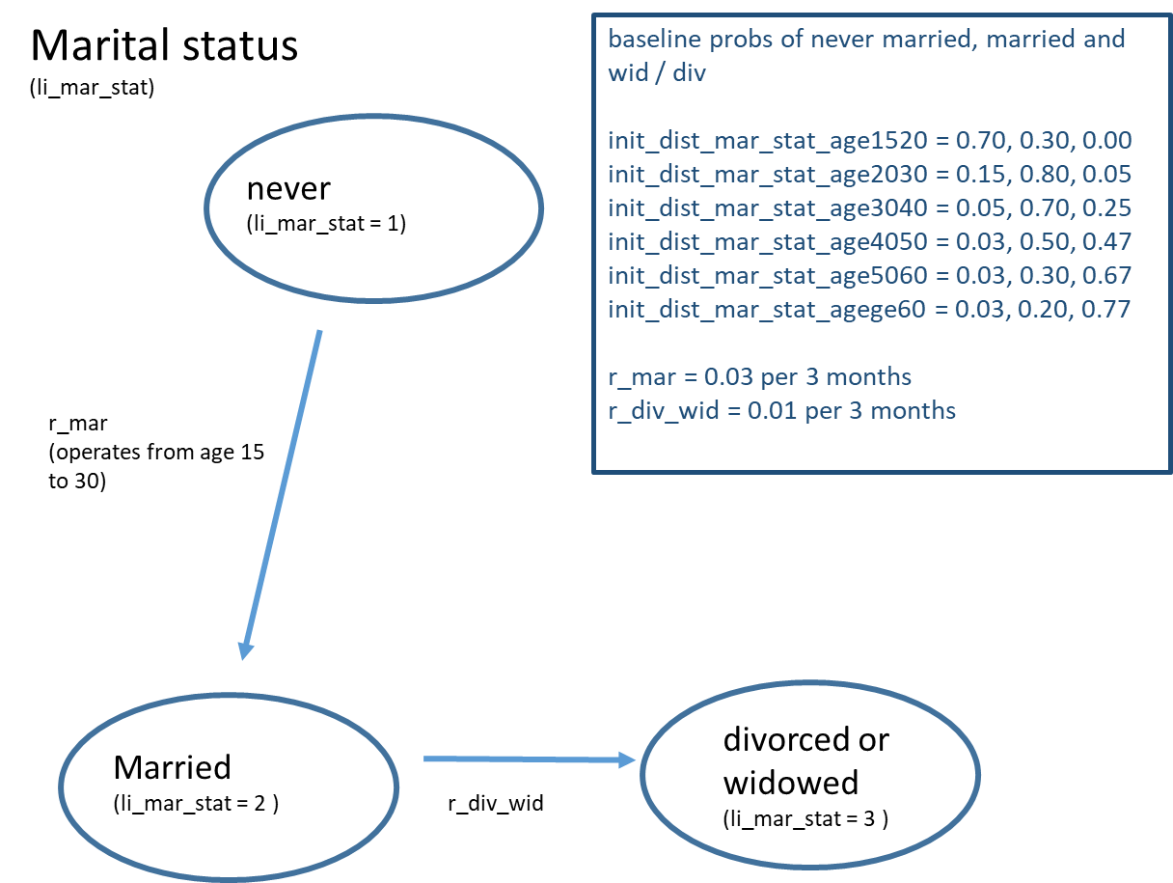
init_rp_some_ed_sec_agege60 | 0.75 | relative prevalence of secondary education age 60+ | inferred from DHS 2015 data (see diagram to right)
init_rp_some_ed_sec_per_higher_wealth | 1.48 | relative prevalence of secondary education per higher wealth level | inferred from DHS 2015 data (see diagram to right)
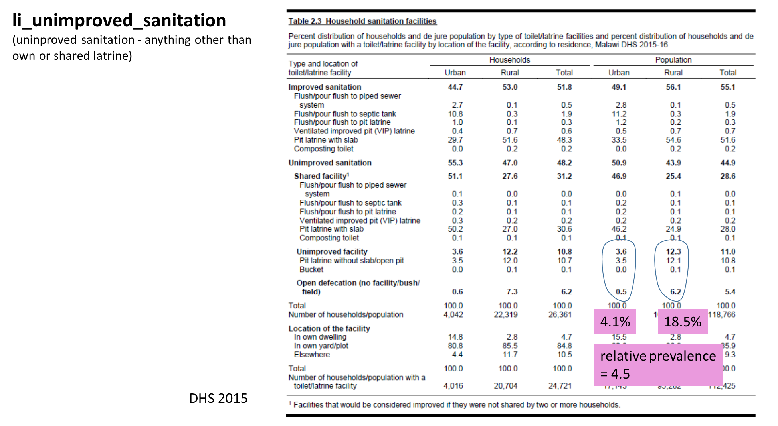
r_urban | 0.002 | probability per 3 months of change from rural to urban | rate low given small change between 2010 and 2015 DHS
r_rural | 0.0001 | probability per 3 months of change from urban to rural | assumed negligible, given trends in successive DHS
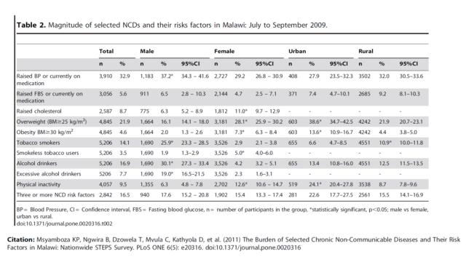
r_overwt | 0.0025 | probability per 3 months of change from not overweight to overweight if male | rate chosen in conjunction with r_not_overwt to lead to approximately constant prevalence of overwt by gender and urban/rural status
r_not_overwt | 0.001 | probability per 3 months of change from overweight to not overweight | currently rate assumed very low but interventions to reduce overweight will increase this rate
rr_overwt_f | 0.80 | risk ratio for becoming overweight if female rather than male | informed by STEPS survey Msyamboza et al; 2011
rr_overwt_urban | 1.5 | risk ratio for becoming overweight if urban rather than rural | informed by STEPS survey Msyamboza et al; 2011
r_low_ex | 0.001 | probability per 3 months of change from not low exercise to low exercise | rate combined with relative rates below leads to prevalence by gender and urban/rural consistent with prevalence at baseline
r_not_low_ex | 0.0001 | probability per 3 months of change from low exercise to not low exercise | currently assumed negligible - will be raised by interventions to increase exercise
rr_low_ex_f | 0.6 | risk ratio for becoming low exercise if female rather than male | relative rate combined with rates above leads to prevalence by gender and urban/rural consistent with prevalence at baseline
rr_low_ex_urban | 2 | risk ratio for becoming low exercise if urban rather than rural | relative rate combined with rates above leads to prevalence by gender and urban/rural consistent with prevalence at baseline
r_tob | 0.0004 | probability per 3 months of change from not using tobacco to using tobacco if male age 15-19 wealth level 1 | rates chosen to be consistent with baseline prevalence by age and gender, based on DHS
r_not_tob | 0 | probability per 3 months of change from tobacco using to not tobacco using | assumed no quiting but interventions against tobacco will alter this
rr_tob_age2039 | 1.2 | risk ratio for tobacco using if age 20-39 compared with 15-19 | effects inferred from DHS 2015
rr_tob_agege40 | 1.5 | risk ratio for tobacco using if age >= 40 compared with 15-19 | effects inferred from DHS 2015
rr_tob_f | 0.1 | risk ratio for tobacco using if female | effects inferred from DHS 2015
rr_tob_wealth | 1.3 | risk ratio for tobacco using per 1 higher wealth level (higher wealth level = lower wealth) | effects inferred from DHS 2015
r_ex_alc | 0.003 | probability per 3 months of change from not excess alcohol to excess alcohol | rate informed by that requried to lead to prevalemce in WHO 2014 report
r_not_ex_alc | 0 | probability per 3 months of change from excess alcohol to not excess alcohol | assume no transition to no excess alcohol - interventions might change this
rr_ex_alc_f | 0.07 | risk ratio for becoming excess alcohol if female rather than male | rate informed by that requried to lead to prevalemce in WHO 2014 report
r_mar | 0.03 | probability per 3 months of marriage when age 15-30 | rates consistent with prevalence of marriage, widowed/divorced
r_div_wid | 0.01 | probability per 3 months of becoming divorced or widowed amongst those married | rates consistent with prevalence of marriage, widowed/divorced
r_contrac | 0.05 | probability per 3 months of starting contraceptive if age 15-50 | place-holder values - contraception to be defined outside this module
r_contrac_int | 0.1 | probability per 3 months of interrupting or stopping contraception note current method of contraception is a different property | place-holder values - contraception to be defined outside this module
r_con_from_1 | 0.0, 0.0, 0.0, 0.0, 0.0, 1.0 | probabilities per 3 months of moving from contraception method 1 | place-holder values - contraception to be defined outside this module
r_con_from_2 | 0.0, 1.0, 0.0, 0.0, 0.0, 0.0 | probabilities per 3 months of moving from contraception method 2 | place-holder values - contraception to be defined outside this module
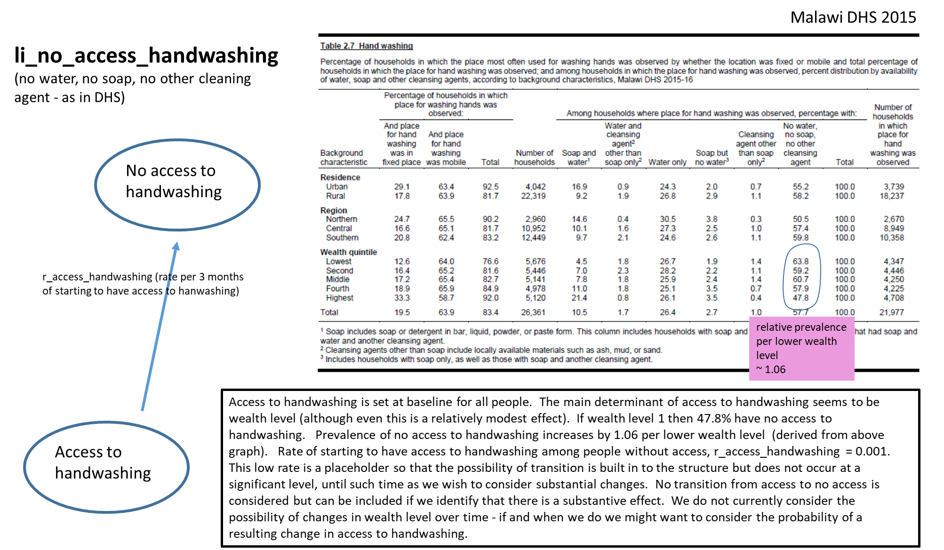
r_con_from_3 | 0.0, 0.0, 1.0, 0.0, 0.0, 0.0 | probabilities per 3 months of moving from contraception method 3 | place-holder values - contraception to be defined outside this module
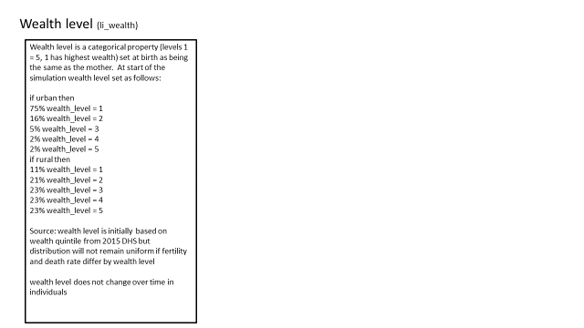
r_con_from_4 | 0.0, 0.0, 0.0, 1.0, 0.0, 0.0 | probabilities per 3 months of moving from contraception method 4 | place-holder values - contraception to be defined outside this module
r_con_from_5 | 0.0, 0.0, 0.0, 0.0, 1.0, 0.0 | probabilities per 3 months of moving from contraception method 5 | place-holder values - contraception to be defined outside this module
r_con_from_6 | 0.0, 0.0, 0.0, 0.0, 0.0, 1.0 | probabilities per 3 months of moving from contraception method 6 | place-holder values - contraception to be defined outside this module
r_stop_ed | 0.001 | probabilities per 3 months of stopping education if wealth level 5 | these rates chosen to calibrate approximately to patterns in DHS 2015 (see diagram)
rr_stop_ed_lower_wealth | 1.5 | relative rate of stopping education per 1 lower wealth quintile | these rates chosen to calibrate approximately to patterns in DHS 2015 (see diagram)
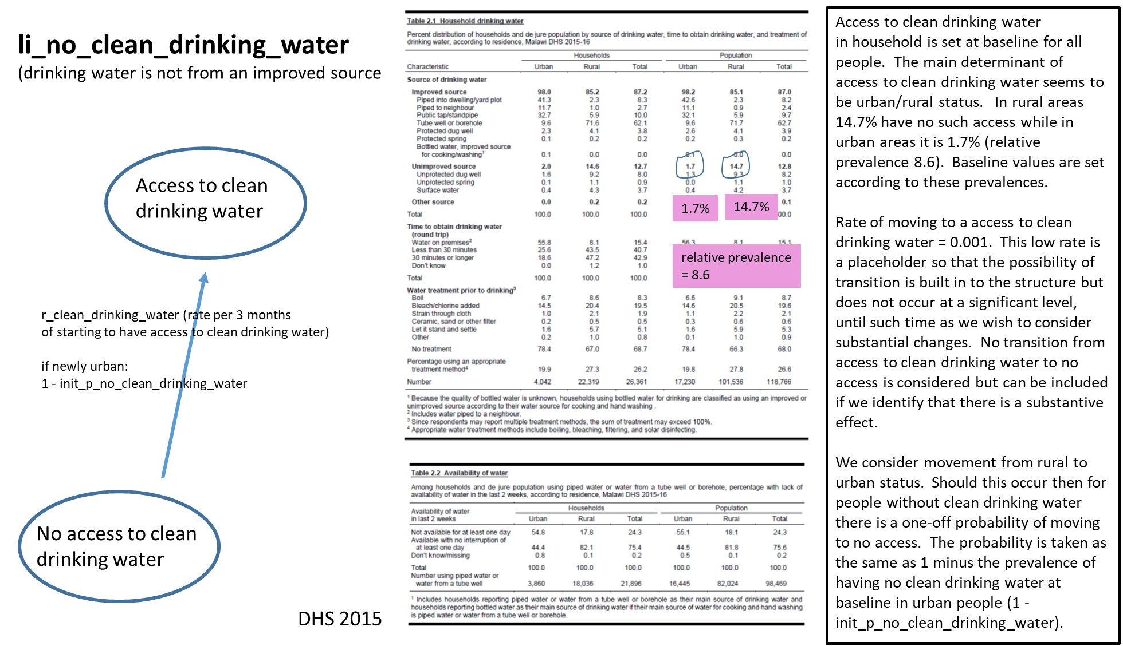
p_ed_primary | 0.94 | probability at age 5 that start primary education if wealth level 5 | these rates chosen to calibrate approximately to patterns in DHS 2015 (see diagram)
rp_ed_primary_higher_wealth | 1.01 | relative probability of starting school per 1 higher wealth level | these rates chosen to calibrate approximately to patterns in DHS 2015 (see diagram)
p_ed_secondary | 0.2 | probability at age 13 that start secondary education at 13 if in primary education and wealth level 5 | these rates chosen to calibrate approximately to patterns in DHS 2015 (see diagram)
rp_ed_secondary_higher_wealth | 1.45 | relative probability of starting secondary school per 1 higher wealth level | these rates chosen to calibrate approximately to patterns in DHS 2015 (see diagram)
r_improved_sanitation | 0.001 | probability per 3 months of change from unimproved_sanitation true to false | low rates plcae-holder until evidence of any substantive transition emerges
r_clean_drinking_water | 0.001 | probability per 3 months of change from drinking_water true to false | low rates plcae-holder until evidence of any substantive transition emerges
r_non_wood_burn_stove | 0.001 | probability per 3 months of change from wood_burn_stove true to false | low rates plcae-holder until evidence of any substantive transition emerges
r_access_handwashing | 0.001 | probability per 3 months of change from no_access_handwashing true to false | low rates plcae-holder until evidence of any substantive transition emerges

