Structure
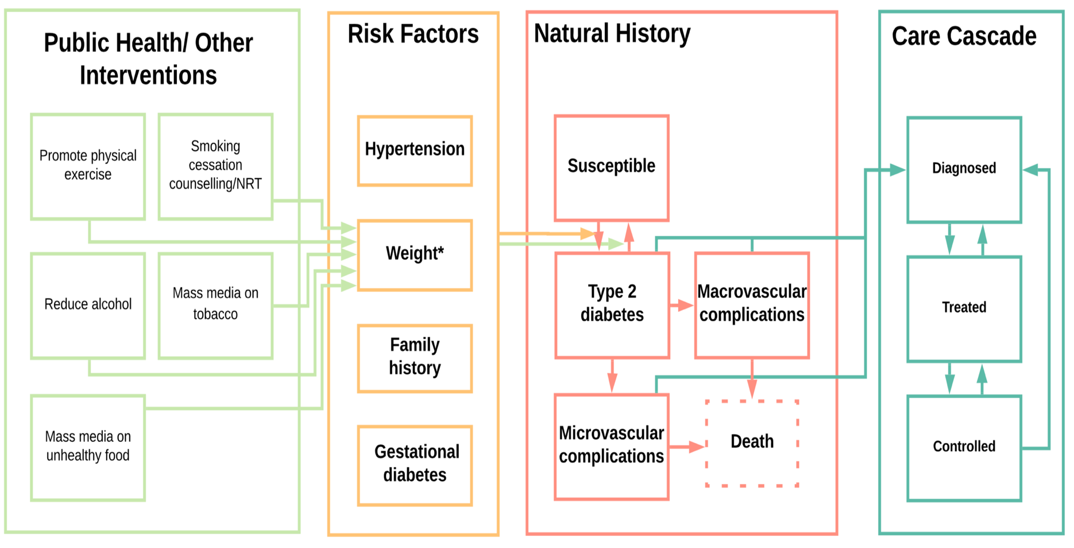

Description of Events and Parameters

Name | Description | Values | Reference | Notes

Susceptible | Where adults is defined as aged >=18 years | NA | NA | NA
Diabetes TypeII | Defined as fasting plasma glucose ≥7.0mmol/l (126mg/dl) or 2–h plasma glucose ≥11.1mmol/l (200mg/dl); | NA | TBC | Need to check same diagnostic for Type I and GD
Microvascular complications | Include retinopathy, nephropathy, neuropathuy
Macrovascular complications | include CVD, simulated using a CVD risk score
Death | due to diabetic complications
Diagnosed | Diagnosed with diabetes | NA | NA | NA
Treated | Individual is treated, may or may not achieve normal glucose levels | see 'parameters' | TBC | To be added, still just 'treated'

Notes and Major Assumptions
If treatment is stopped, person is assumed to have diabetes, unless sucessful lifestyle intervention

To be developed further
Prevalence/incidence to also depend on lifestyle factors and pre-existing conditions
Handle multiple risks
Details of health service to be developed, including treatment (un)success; diagnosis and recovery)
Incorpporate deaths

