Structure, parameters, refs
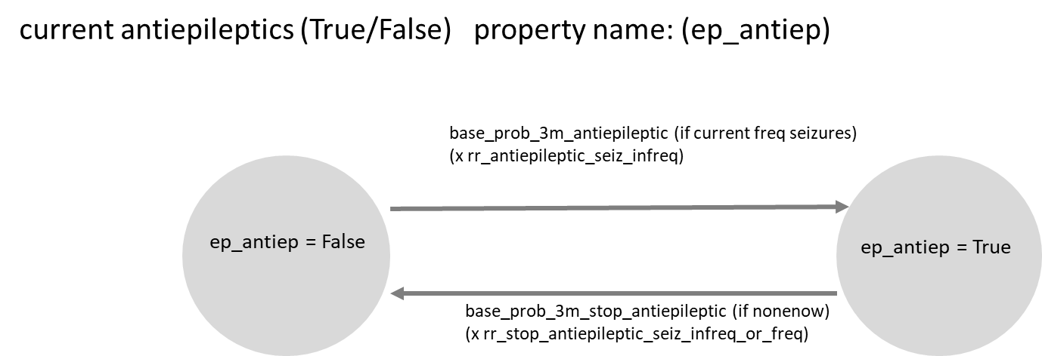
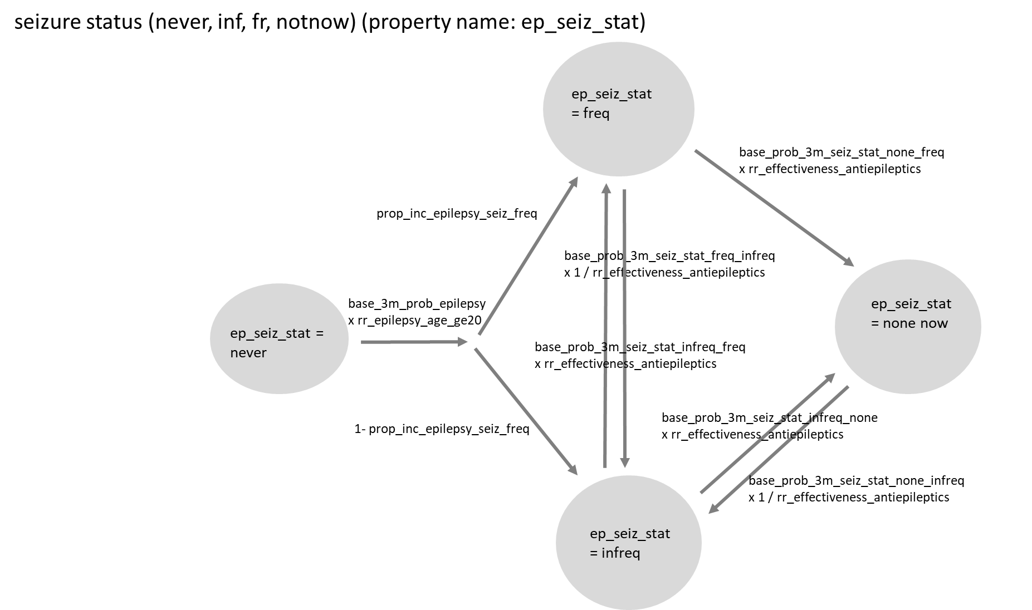

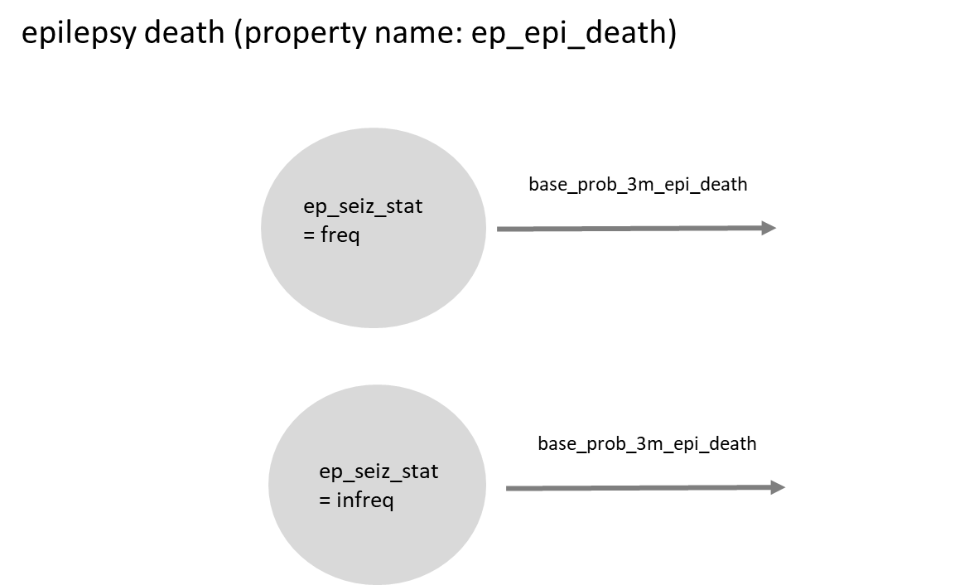

Description of Events and Parameters

Property/event |  | Description | Notes and Major Assumptions
ep_seiz_stat |  | epilepsy seizure status (0 = never epilepsy, 1 = previous seizures none now, 2 = infrequent seizures, 3 = frequent seizures)
ep_antiep |  | on anti-epileptic
ep_epi_death |  | death caused directly by epilepsy

Parameter | Proposed value | Description | Notes and Major Assumptions
init_epil_seiz_status | 0.9875, 0.004, 0.008, 0.0005 | proportions in each seizure status category at baseline | Estimates of prevalence of epilepsy vary by setting but are in this region for sub Saharan Africa (Ba-Diop et al 2014)
init_prop_antiepileptic | 0, 0.25, 0.3, 0.30 | initial proportions on antiepileptic by seizure status | Ba-Diop et al 2014 provide estimates of treatment gap in SSA - based on text description, treatment gap is likely to often be larger in practice
base_3m_prob_epilepsy | 0.0065 | base probability of epilepsy per 3 month period if age < 20 | informed by Ngugi 2012
rr_epilepsy_age_ge20 | 0.3 | rate ratio for incidence of epilepsy for age > 20 vs < 20 | age 20 is not a clearly established threshold, but rate declines with age (Ngugi 2012, Ba-Diop 2014)
prop_inc_epilepsy_seiz_freq | 0.1 | proportion of incident epilepsy cases with frequent (vs infrequent) seizures (frequent defined as >= 3 per month, Ngugi et al) | Ngugi et al 2012
base_prob_3m_seiz_stat_freq_infreq | 0.001 | base probability per 3 months of seizure status frequent if current infrequent | no direct estimate identified but rate assumed low*
rr_effectiveness_antiepileptics | 5 | relative rate of seizure status transitions if on antiepileptic (for negativetransitions, effect is 1/ rr_effectiveness_antiepileptics | effect of treatment - assumed to act with the same relative effect on all transitions between seizure status - difficult to ascertain effect of treatment per se rather than each specific drug (assume 0.2) - informed by Shorvon et al 2018*
base_prob_3m_seiz_stat_freq_infreq | 0.005 | base probability per 3 months of seizure status infrequent if current frequent | no direct estimate identified but rate assumed low*
base_prob_3m_seiz_stat_infreq_freq | 0.05 | base probability per 3 months of seizure status infrequent if current frequent | few data identified on natural transitions without treatment - informed partially by rate in placebo arms of trials (Shorvon et al)*
base_prob_3m_seiz_stat_none_freq | 0.05 | base probability per 3 months of seizure status nonenow if current frequent | few data identified on natural transitions without treatment - informed partially by rate in placebo arms of trials (Shorvon et al)*
base_prob_3m_seiz_stat_infreq_none | 0.005 | base probability per 3 months of seizure status infrequent if nonenow | no direct estimate identified but rate assumed low*
base_prob_3m_seiz_stat_none_infreq | 0.05 | base probability per 3 months of seizure status nonenow if current infrequent | few data identified on natural transitions without treatment =- assume 0.05 per 3 months but expect to modify in future once further data identifed*
base_prob_3m_antiepileptic | 0.02 | base probability per 3 months of starting antiepileptic, if frequent seizures | depends on access - will depend on health care system component - using place-holder value for now (relevant data in US Faught et al 2018, suggest ~ 0.1 / per 3 months)*
rr_antiepileptic_seiz_infreq_or_freq | 0.8 | relative rate of starting antiepileptic if infrequent seizures | depends on drug access and eligibility policy - assume initially that rate is 0.3 times*
base_prob_3m_stop_antiepileptic | 0.1 | base probability per 3 months of stopping antiepileptic, if nonenow seizures | will vary by setting and clinical guidance - use place holder of 0.05 for now*
rr_stop_antiepileptic_seiz_infreq_or_freq | 0.5 | relative rate of stopping antiepileptics if having infrequent or frequent seizures
base_prob_3m_epi_death | 0.001 | base probability per 3 months of epilepsy death | informed by Ngugi et al 2012 but data not directly comparable*

 |  |  | * all these parameter values are together consistent with the initial values for prevalence and treatment use described (init_epil_seiz_status and init_prop_antiepileptic

Additional relevant references |  | Cited papers are in Dropbox Resources
Berg and others 2009
Kwan and Brodie 2000
Schiller and Najjar 2008
Semah and others 1998
Jette, Reid, and Wiebe 2014
Chisholm, D., and WHO-CHOICE. 2005. “Cost-Effectiveness of First-Line Antiepileptic Drug Treatments in the Developing World: A Population-Level Analysis.” Epilepsia 46 (5): 751–59.

