Cantone et al. case study
 |  |  |  |  |  |  | Overall Attractor Distance
 |  |  |  |  |  | Our model | 0.82
 |  |  |  |  |  | Cantone et al. | 3.17

 |  |  |  |  |  | Our model over Cantone et al.
 |  |  |  |  |  | 25.79122%

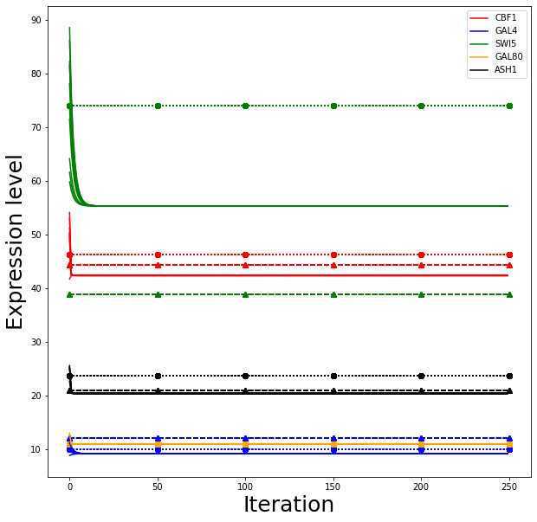
Attractor #1 | Cbf1 | Gal4 | Swi5 | Gal80 | Ash1 | AttractorDistanceToExperimental |  | Model: solid lines
Experimental | 46.39136158 | 10.06157523 | 73.98278054 | 11.04854346 | 23.73785413 |  |  | Cantone et al.: dashed lines with triangles
Model | 42.40083 | 9.25668 | 55.3426 | 11.07651 | 20.46355 | 0.03 |  | Experimental: dotted lines with circles
Cantone et al | 44.444444444 | 12.222222222 | 38.888888889 | 11.111111111 | 21.111111111 | 0.06
Galactose

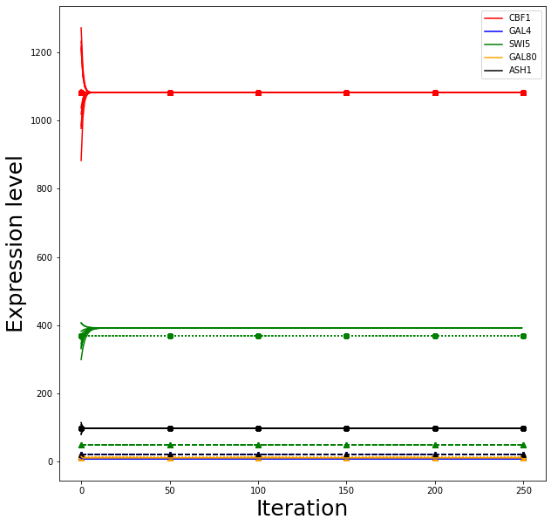
 | *Overexpressed
Attractor #2 | Cbf1 | Gal4 | Swi5 | Gal80 | Ash1 | AttractorDistanceToExperimental |  | Model: solid lines
Experimental | 1081.724666 | 9.934524737 | 368.993336 | 13.39959618 | 98.29987099 |  |  | Cantone et al.: dashed lines with triangles
Model | 1081.72467 | 9.259 | 391.83912 | 11.07898 | 98.14288 | 0.06 |  | Experimental: dotted lines with circles
Cantone et al | 1081.72467 | 22.222222222 | 50 | 11.111111111 | 22.222222222 | 0.56
Galactose

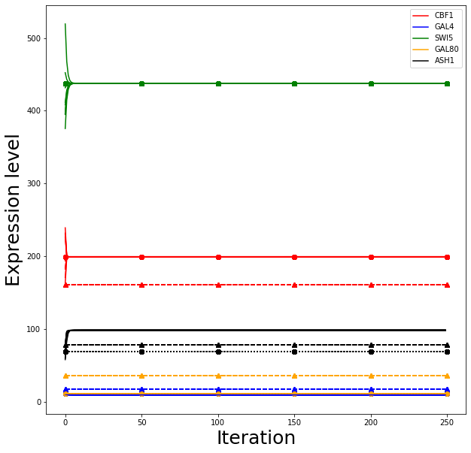
 |  |  | *Overexpressed
Attractor #3 | Cbf1 | Gal4 | Swi5 | Gal80 | Ash1 | AttractorDistanceToExperimental |  | Model: solid lines
Experimental | 199.3441721 | 10.50097187 | 437.7968057 | 11.06131461 | 68.39335633 |  |  | Cantone et al.: dashed lines with triangles
Model | 199.29322 | 9.25518 | 437.79681 | 11.07455 | 98.19587 | 0.08 |  | Experimental: dotted lines with circles
Cantone et al | 161.11111111 | 16.666666667 | 437.79681 | 36.111111111 | 77.777777778 | 0.54
Galactose

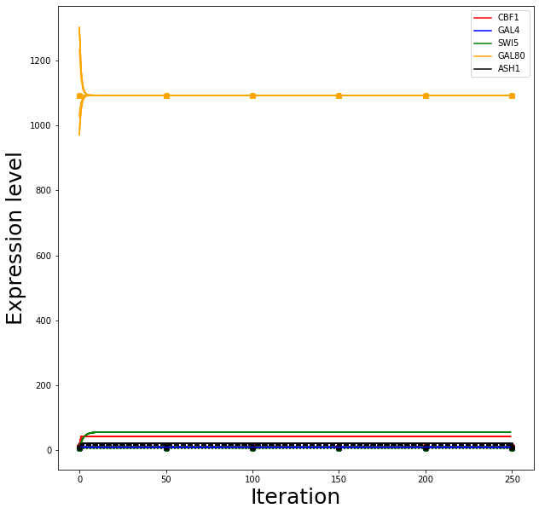
 |  |  |  | *Overexpressed |  |  |  | Model: solid lines
Attractor #4 | Cbf1 | Gal4 | Swi5 | Gal80 | Ash1 | AttractorDistanceToExperimental |  | Cantone et al.: dashed lines with triangles
Experimental | 9.662864636 | 8.668511501 | 6.236706143 | 1093.030254 | 8.708661223 |  |  | Experimental: dotted lines with circles
Model | 42.3922 | 9.25668 | 55.3426 | 1093.03025 | 20.46355 | 0.09
Cantone et al | 11.111111111 | 7.2222222222 | 10.555555556 | 1093.03025 | 15.555555556 | 0.04
Galactose

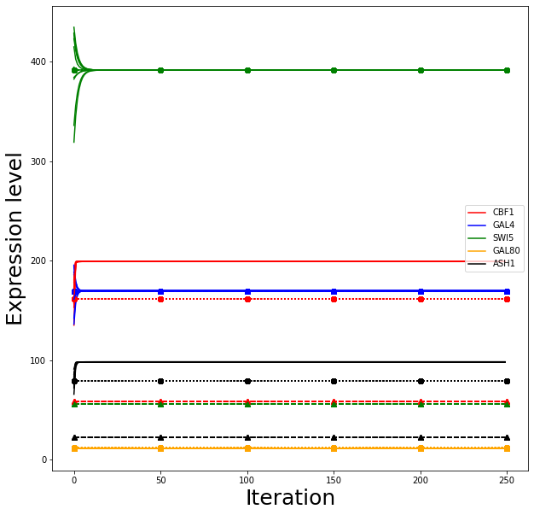
 |  | *Overexpressed |  |  |  |  |  | Model: solid lines
Attractor #5 | Cbf1 | Gal4 | Swi5 | Gal80 | Ash1 | AttractorDistanceToExperimental |  | Cantone et al.: dashed lines with triangles
Experimental | 161.3575885 | 169.5755409 | 391.8391171 | 12.24497241 | 78.65414828 |  |  | Experimental: dotted lines with circles
Model | 199.18584 | 169.57554 | 391.49981 | 11.07875 | 98.14218 | 0.10
Cantone et al | 58.333333333 | 169.57554 | 55.555555556 | 11.111111111 | 22.222222222 | 0.41
Galactose

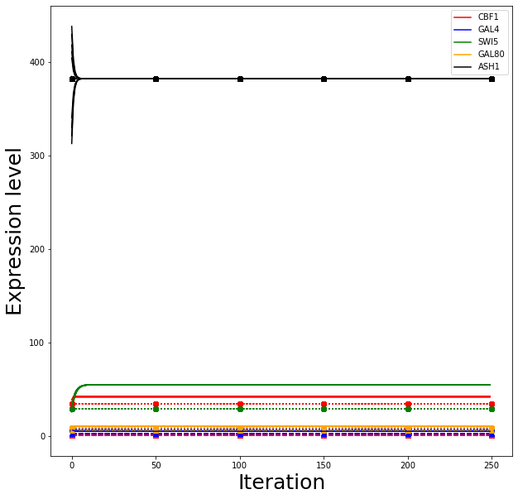
 |  |  |  |  | *Overexpressed |  |  | Model: solid lines
Attractor #6 | Cbf1 | Gal4 | Swi5 | Gal80 | Ash1 | AttractorDistanceToExperimental |  | Cantone et al.: dashed lines with triangles
Experimental | 34.43750924 | 7.529946807 | 29.28496878 | 9.240245621 | 382.2196517 |  |  | Experimental: dotted lines with circles
Model | 42.40083 | 5.45343 | 55.3426 | 11.07219 | 382.21965 | 0.08
Cantone et al | 1.1111111111 | 2.7777777778 | 6.6666666667 | 6.6666666667 | 382.21965 | 0.16
Galactose

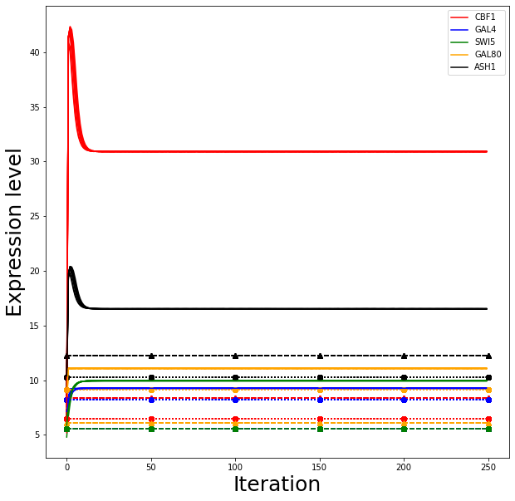
 |  |  |  |  |  |  |  | Model: solid lines
Attractor #7 | Cbf1 | Gal4 | Swi5 | Gal80 | Ash1 | AttractorDistanceToExperimental |  | Cantone et al.: dashed lines with triangles
Experimental | 6.434304822 | 8.191442997 | 5.588460674 | 9.162773041 | 10.26112934 |  |  | Experimental: dotted lines with circles
Model | 30.9011 | 9.2565 | 9.94154 | 11.07419 | 16.52379 | 0.09
Cantone et al | 8.3333333333 | 5.5555555556 | 5.5555555556 | 6.1111111111 | 12.222222222 | 0.10
Glucose

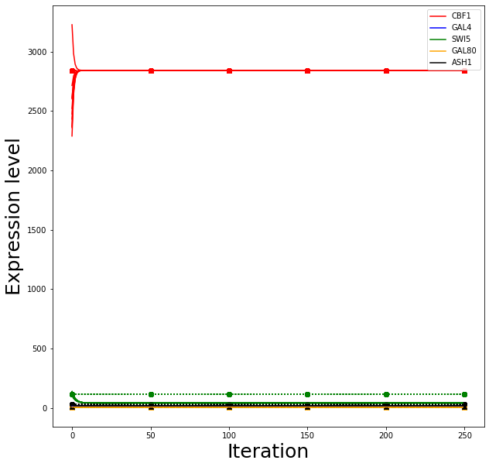
 | *Overexpressed |  |  |  |  |  |  | Model: solid lines
Attractor #8 | Cbf1 | Gal4 | Swi5 | Gal80 | Ash1 | AttractorDistanceToExperimental |  | Cantone et al.: dashed lines with triangles
Experimental | 2841.527478 | 11.7190546 | 117.4403437 | 9.453078822 | 32.95558217 |  |  | Experimental: dotted lines with circles
Model | 2841.52748 | 11.719 | 42.88786 | 9.16468 | 20.46057 | 0.07
Cantone et al | 2841.52748 | 22.222222222 | 5.5555555556 | 7.2222222222 | 11.111111111 | 0.31
Glucose

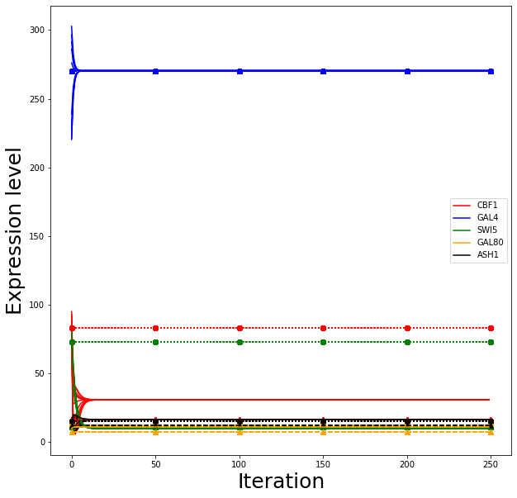
 |  | *Overexpressed |  |  |  |  |  | Model: solid lines
Attractor #9 | Cbf1 | Gal4 | Swi5 | Gal80 | Ash1 | AttractorDistanceToExperimental |  | Cantone et al.: dashed lines with triangles
Experimental | 82.9469839 | 270.4311665 | 72.87999481 | 12.37295008 | 15.00582727 |  |  | Experimental: dotted lines with circles
Model | 30.90092 | 270.43117 | 9.94154 | 11.07452 | 16.52375 | 0.11
Cantone et al | 16.666666667 | 270.43117 | 11.111111111 | 7.2222222222 | 12.222222222 | 0.18
Glucose

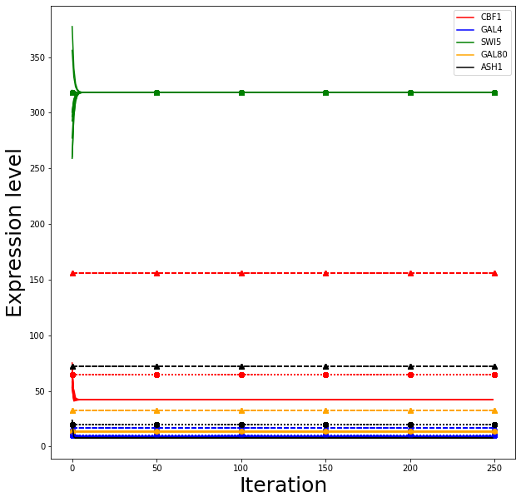
 |  |  | *Overexpressed |  |  |  |  | Model: solid lines
Attractor #10 | Cbf1 | Gal4 | Swi5 | Gal80 | Ash1 | AttractorDistanceToExperimental |  | Cantone et al.: dashed lines with triangles
Experimental | 64.33138979 | 10.15499496 | 318.2722618 | 13.44611621 | 19.98414971 |  |  | Experimental: dotted lines with circles
Model | 42.26013 | 9.25676 | 318.27226 | 13.42752 | 7.7007 | 0.06
Cantone et al | 155.55555556 | 16.666666667 | 318.27226 | 32.777777778 | 72.222222222 | 0.60
Glucose

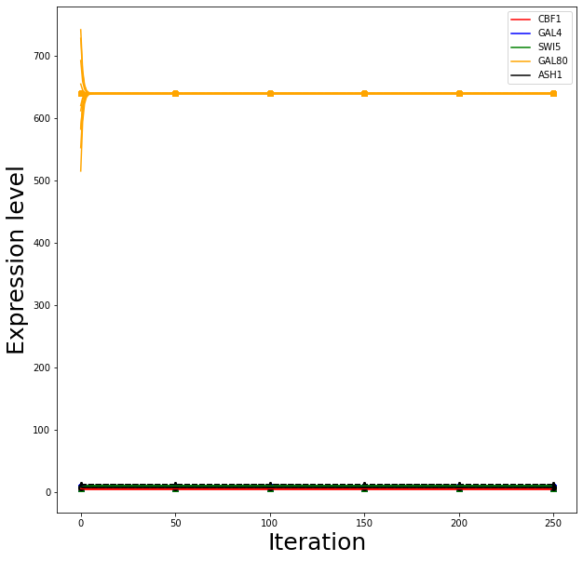
 |  |  |  | *Overexpressed |  |  |  | Model: solid lines
Attractor #11 | Cbf1 | Gal4 | Swi5 | Gal80 | Ash1 | AttractorDistanceToExperimental |  | Cantone et al.: dashed lines with triangles
Experimental | 5.106911122 | 8.402299925 | 7.678285926 | 639.4927906 | 7.687161356 |  |  | Experimental: dotted lines with circles
Model | 5.10613 | 9.2565 | 9.9414 | 639.49279 | 7.68716 | 0.02
Cantone et al | 8.3333333333 | 5.5555555556 | 5.5555555556 | 639.49279 | 11.666666667 | 0.06
Glucose

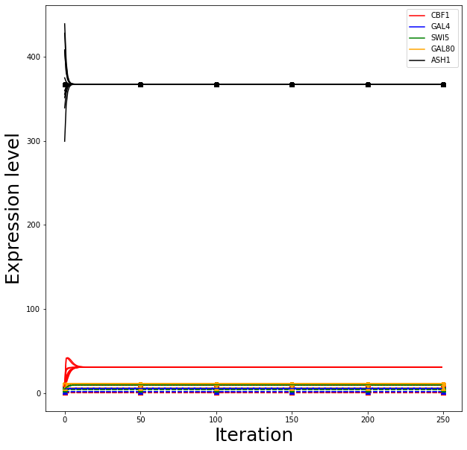
 |  |  |  |  | *Overexpressed |  |  | Model: solid lines
Attractor #12 | Cbf1 | Gal4 | Swi5 | Gal80 | Ash1 | AttractorDistanceToExperimental |  | Cantone et al.: dashed lines with triangles
Experimental | 9.275906901 | 5.453004268 | 5.018362066 | 10.50181543 | 367.5122397 |  |  | Experimental: dotted lines with circles
Model | 30.901 | 5.45302 | 9.94154 | 11.07437 | 367.51224 | 0.03
Cantone et al | 0.55555555556 | 1.1111111111 | 3.8888888889 | 6.1111111111 | 367.51224 | 0.15
Glucose

Candida consensus directed GRN
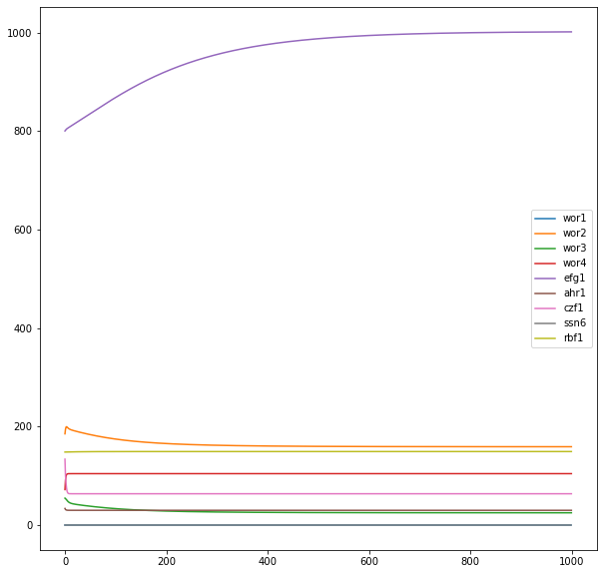
 | Adjacency Matrix
 |  |  | Target Genes
 |  |  | WOR1 | WOR2 | WOR3 | WOR4 | EFG1 | AHR1 | CZF1 | SSN6 | RBF1
 | TFs | Wor1 | 1 | 1 | 2 | 1 | 2 | 2 | 1 | 0 | 0
 |  | Wor2 | 1 | 2 | 1 | 2 | 2 | 1 | 2 | 0 | 0
 |  | Wor3 | 1 | 0 | 1 | 1 | 0 | 0 | 0 | 0 | 0
 |  | Wor4 | 2 | 2 | 2 | 2 | 2 | 2 | 2 | 0 | 0
 |  | Efg1 | 2 | 2 | 2 | 0 | 1 | 0 | 0 | 0 | 0
 |  | Ahr1 | 1 | 1 | 2 | 0 | 2 | 2 | 0 | 0 | 0
 |  | Czf1 | 0 | 1 | 1 | 1 | 0 | 0 | 1 | 0 | 0 | Activation: 1
 |  | Ssn6 | 2 | 2 | 1 | 1 | 1 | 0 | 2 | 0 | 0 | Repression: -1
 |  | Rbf1 | 0 | 0 | 0 | 0 | 0 | 0 | 0 | 0 | 0 | No connection: 0

 |  | Logic Gates Matrix
 |  |  | WOR1 | WOR2 | WOR3 | WOR4 | EFG1 | AHR1 | CZF1 | SSN6 | RBF1
 |  | Activator Syn/Idp | 1 | 1 | 1 | 1 | 0 | 1 | 1 | 0 | 0 | Synergistic: 1
 |  | Inhibitor Syn/Idp | 0 | 0 | 0 | 1 | 0 | 1 | 0 | 0 | 0 | Independent: 0

 |  | f0
 |  |  | WOR1 | WOR2 | WOR3 | WOR4 | EFG1 | AHR1 | CZF1 | SSN6 | RBF1
 |  | values | 18.30% | 23.40% | 12.40% | 46% | 38.80% | 40.70% | 16.60% | 28.60% | 52.30%

Attractor #1: EFG1(-/-) white | WOR1 | WOR2 | WOR3 | WOR4 | EFG1 | AHR1 | CZF1 | SSN6 | RBF1
Real transcription profile | 26 | 324 | 75 | 153 | 0 | 72 | 57 | 817 | 138
Attractor produced by the inferred GRN | 233 | 378 | 143 | 105 | 0 | 30 | 63 | 1195 | 150
Attractor Distance | 0.14322545735
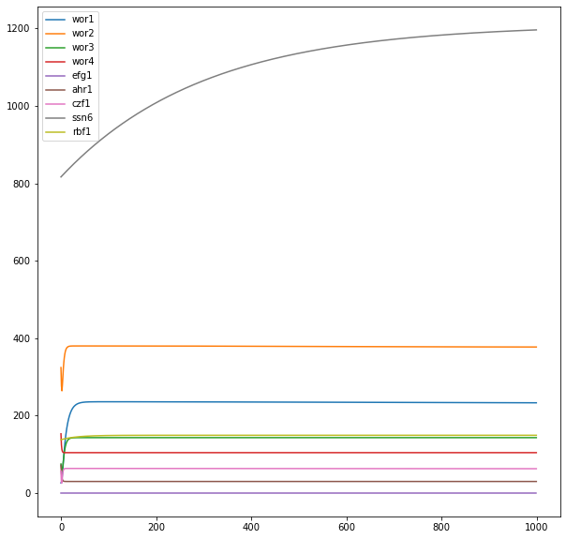

Attractor #2: EFG1(-/-) opaque | WOR1 | WOR2 | WOR3 | WOR4 | EFG1 | AHR1 | CZF1 | SSN6 | RBF1
Real transcription profile | 1277 | 429 | 44 | 100 | 0 | 1 | 10 | 863 | 121
Attractor produced by the inferred GRN | 233 | 377 | 143 | 105 | 0 | 30 | 63 | 1197 | 150
Attractor Distance | 0.16472329304
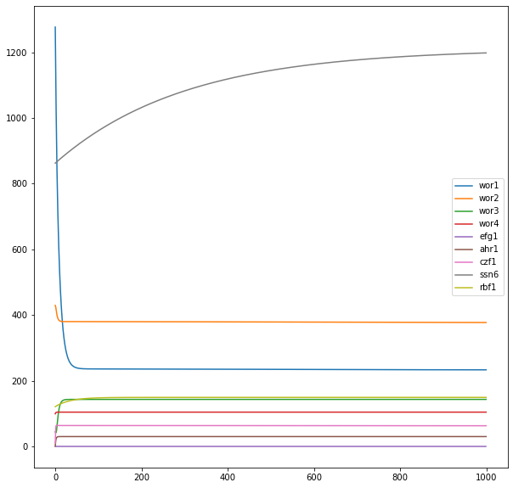

Attractor #3: WT white | WOR1 | WOR2 | WOR3 | WOR4 | EFG1 | AHR1 | CZF1 | SSN6 | RBF1
Real transcription profile | 23 | 410 | 47 | 95 | 871 | 26 | 61 | 993 | 176
Attractor produced by the inferred GRN | 16 | 159 | 25 | 105 | 1002 | 30 | 63 | 1202 | 150
Attractor Distance | 0.068253823012
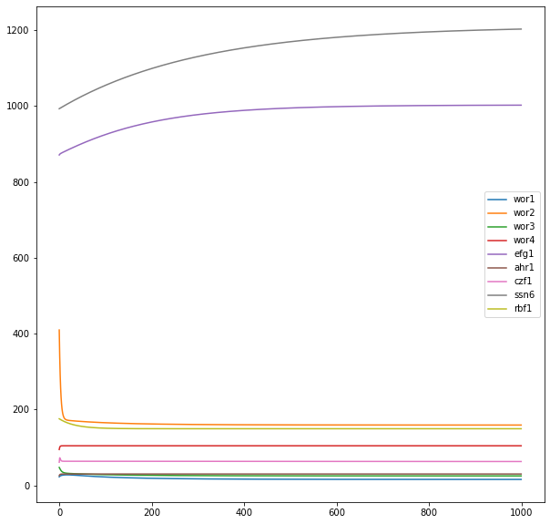

Attractor #4: WT opaque | WOR1 | WOR2 | WOR3 | WOR4 | EFG1 | AHR1 | CZF1 | SSN6 | RBF1
Real transcription profile | 726 | 1580 | 1652 | 60 | 76 | 35 | 335 | 1318 | 124
Attractor produced by the inferred GRN | 232 | 376 | 143 | 105 | 375 | 30 | 63 | 1215 | 150
Attractor Distance | 0.35994696697
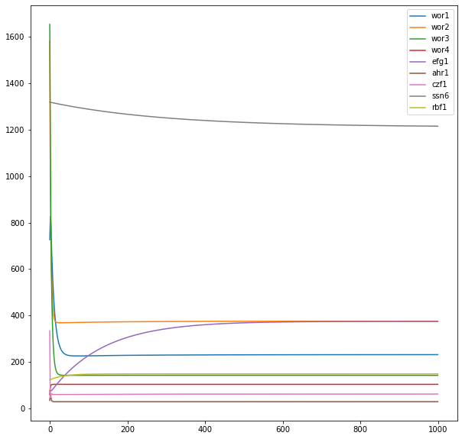

Attractor #5: WOR4(-/-) white | WOR1 | WOR2 | WOR3 | WOR4 | EFG1 | AHR1 | CZF1 | SSN6 | RBF1
Real transcription profile | 23 | 250 | 33 | 0 | 657 | 21 | 34 | 813 | 156
Attractor produced by the inferred GRN | 12 | 156 | 23 | 0 | 1231 | 30 | 89 | 1195 | 150
Attractor Distance | 0.10424994746
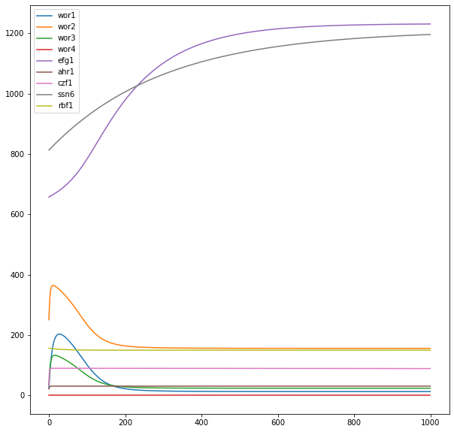

Attractor #6: WOR1(-/-) white | WOR1 | WOR2 | WOR3 | WOR4 | EFG1 | AHR1 | CZF1 | SSN6 | RBF1
Real transcription profile | 0 | 475 | 49 | 104 | 448 | 26 | 38 | 720 | 144
Attractor produced by the inferred GRN | 0 | 377 | 143 | 105 | 371 | 30 | 63 | 1192 | 150
Attractor Distance | 0.057619159317
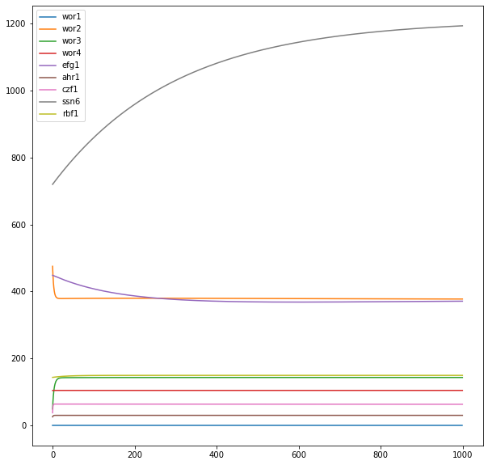

Attractor #7: WOR3(-/-) white | WOR1 | WOR2 | WOR3 | WOR4 | EFG1 | AHR1 | CZF1 | SSN6 | RBF1
Real transcription profile | 60 | 460 | 0 | 60 | 491 | 12 | 45 | 846 | 122
Attractor produced by the inferred GRN | 233 | 377 | 0 | 105 | 372 | 30 | 63 | 1196 | 150
Attractor Distance | 0.11944460465
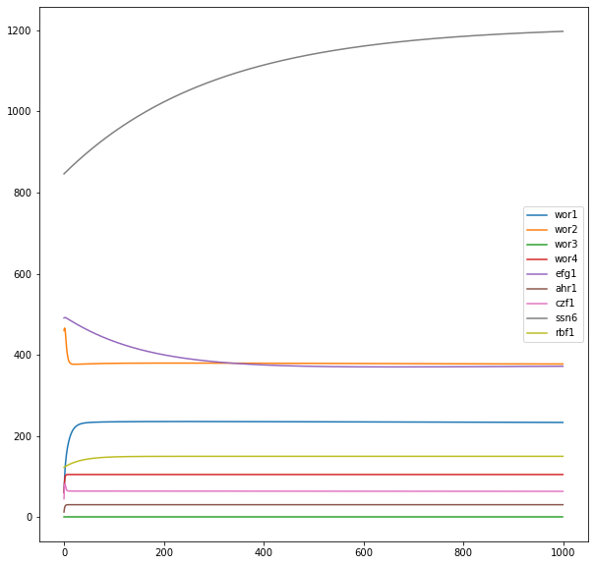

Attractor #8: WOR3(-/-) opaque | WOR1 | WOR2 | WOR3 | WOR4 | EFG1 | AHR1 | CZF1 | SSN6 | RBF1
Real transcription profile | 1827 | 537 | 0 | 166 | 127 | 21 | 488 | 2436 | 197
Attractor produced by the inferred GRN | 16 | 159 | 0 | 105 | 1001 | 30 | 62 | 1258 | 150
Attractor Distance | 0.44301395839
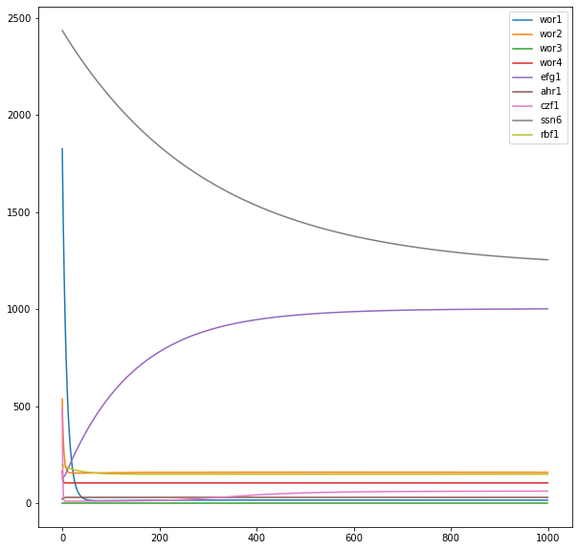

Attractor #9: AHR1(-/-) white | WOR1 | WOR2 | WOR3 | WOR4 | EFG1 | AHR1 | CZF1 | SSN6 | RBF1
Real transcription profile | 17 | 155 | 24 | 159 | 602 | 0 | 58 | 1399 | 198
Attractor produced by the inferred GRN | 232 | 376 | 159 | 105 | 417 | 0 | 63 | 1218 | 150
Attractor Distance | 0.12614167291
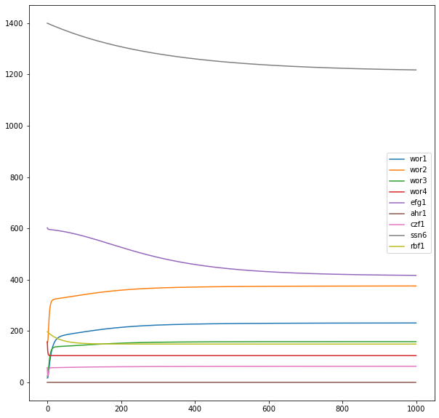

Attractor #10: AHR1(-/-) opaque | WOR1 | WOR2 | WOR3 | WOR4 | EFG1 | AHR1 | CZF1 | SSN6 | RBF1
Real transcription profile | 1239 | 815 | 1641 | 77 | 75 | 0 | 263 | 1184 | 126
Attractor produced by the inferred GRN | 232 | 376 | 159 | 105 | 413 | 0 | 63 | 1210 | 150
Attractor Distance | 0.2989655724
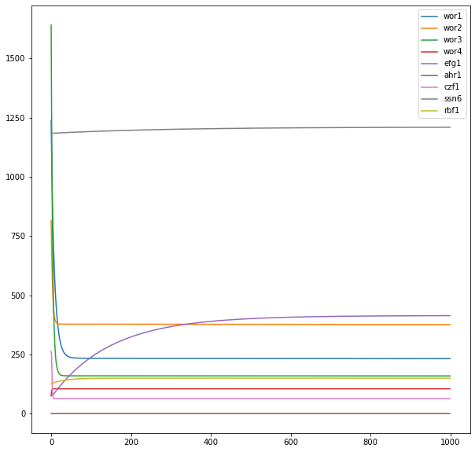

Attractor #11: CZF1(-/-) white | WOR1 | WOR2 | WOR3 | WOR4 | EFG1 | AHR1 | CZF1 | SSN6 | RBF1
Real transcription profile | 11 | 189 | 23 | 89 | 1323 | 61 | 0 | 1726 | 144
Attractor produced by the inferred GRN | 16 | 159 | 25 | 105 | 1004 | 30 | 0 | 1231 | 150
Attractor Distance | 0.11289125672
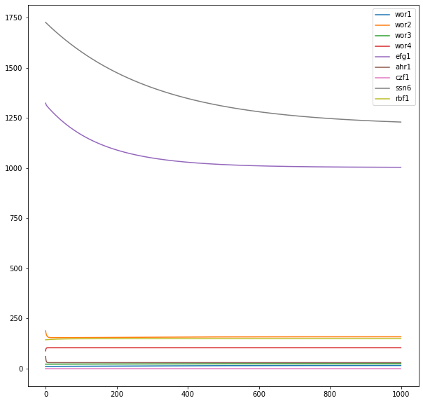

Attractor #12: CZF1(-/-) opaque | WOR1 | WOR2 | WOR3 | WOR4 | EFG1 | AHR1 | CZF1 | SSN6 | RBF1
Real transcription profile | 1061 | 1435 | 61 | 126 | 89 | 14 | 0 | 1259 | 150
Attractor produced by the inferred GRN | 233 | 377 | 143 | 105 | 374 | 30 | 0 | 1212 | 150
Attractor Distance | 0.19507072483
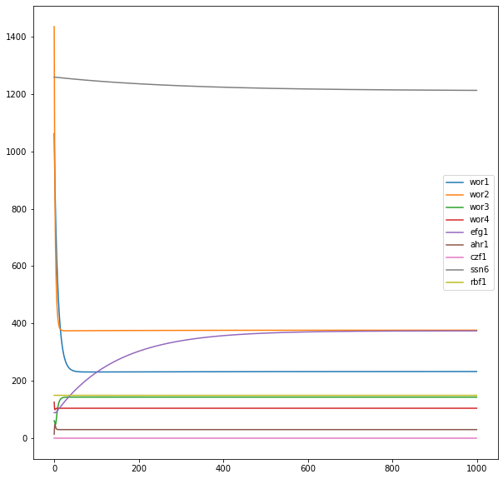

Attractor #13: WOR2(-/-) white | WOR1 | WOR2 | WOR3 | WOR4 | EFG1 | AHR1 | CZF1 | SSN6 | RBF1
Real transcription profile | 14 | 0 | 28 | 111 | 1055 | 34 | 109 | 1751 | 194
Attractor produced by the inferred GRN | 16 | 0 | 25 | 105 | 1003 | 30 | 63 | 1232 | 150
Attractor Distance | 0.074721315851
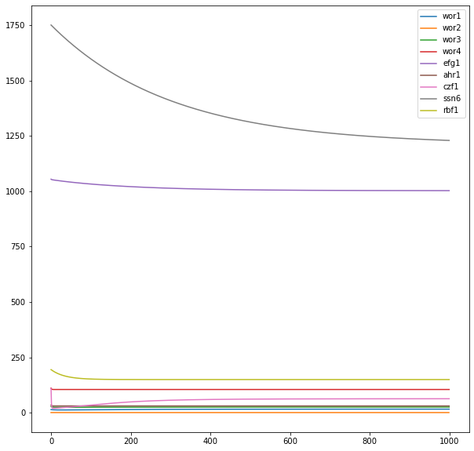

Attractor #14: ssn6(-/-) opaque | WOR1 | WOR2 | WOR3 | WOR4 | EFG1 | AHR1 | CZF1 | SSN6 | RBF1
Real transcription profile | 1395 | 421 | 584 | 110 | 86 | 11 | 426 | 0 | 97
Attractor produced by the inferred GRN | 236 | 380 | 143 | 105 | 364 | 30 | 64 | 0 | 150
Attractor Distance | 0.27238991831
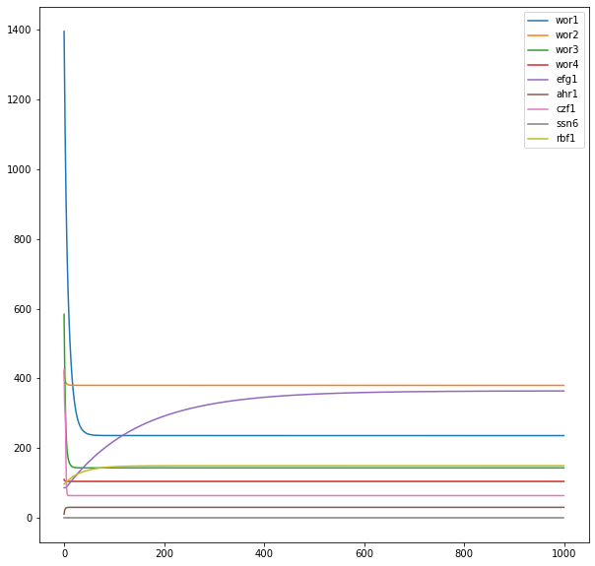

Attractor #15: rbf1(-/-) opaque | WOR1 | WOR2 | WOR3 | WOR4 | EFG1 | AHR1 | CZF1 | SSN6 | RBF1
Real transcription profile | 286 | 324 | 579 | 53 | 867 | 32 | 106 | 1425 | 0
Attractor produced by the inferred GRN | 16 | 159 | 25 | 105 | 1002 | 30 | 63 | 1219 | 0
Attractor Distance | 0.13314353964
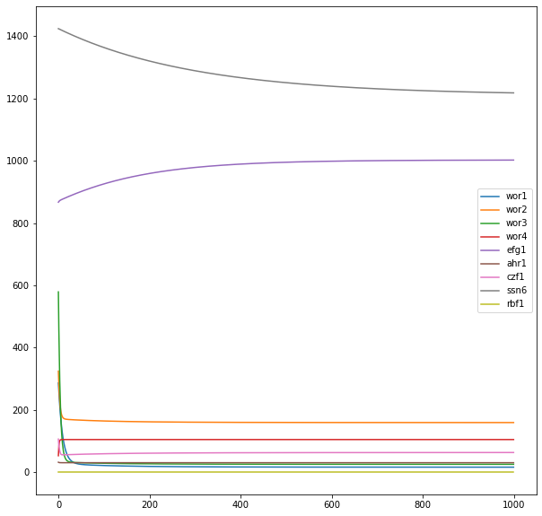

Attractor #16: wor1&rbf1(-/-) opaque | WOR1 | WOR2 | WOR3 | WOR4 | EFG1 | AHR1 | CZF1 | SSN6 | RBF1
Real transcription profile | 0 | 131 | 42 | 36 | 752 | 42 | 56 | 913 | 0
Attractor produced by the inferred GRN | 0 | 159 | 25 | 105 | 1001 | 30 | 63 | 1199 | 0
Attractor Distance | 0.103206464
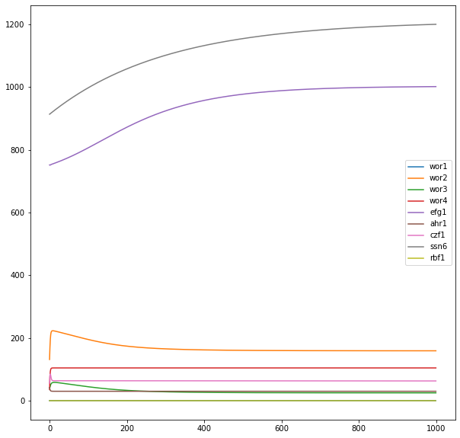

Attractor #17: wor1&rbf1(-/-) opaque | WOR1 | WOR2 | WOR3 | WOR4 | EFG1 | AHR1 | CZF1 | SSN6 | RBF1
Real transcription profile | 0 | 186 | 55 | 72 | 801 | 34 | 134 | 0 | 148
Attractor produced by the inferred GRN | 0 | 159 | 25 | 105 | 1002 | 30 | 64 | 0 | 150
Attractor Distance | 0.064756085157

