TuningDetails
 | Model | Variants Group | Observation Period
 |  |  | 14 days |  |  | 21 days |  |  | 28 days |  |  | 35 days
 |  |  | RMSE | MAE | Rsq | RMSE | MAE | Rsq | RMSE | MAE | Rsq | RMSE | MAE | Rsq
XGBoost | Maximum | Pre-Omicron | 0.13 | 0.08 | 0.65 | 0.12 | 0.08 | 0.69 | 0.11 | 0.08 | 0.71 | 0.11 | 0.07 | 0.70
 |  | Omicron & Later | 0.15 | 0.11 | 0.44 | 0.15 | 0.11 | 0.46 | 0.14 | 0.10 | 0.52 | 0.12 | 0.08 | 0.61

 | Duration | Pre-Omicron | 74.90 | 47.60 | 0.52 | 74.00 | 47.50 | 0.52 | 74.70 | 46.70 | 0.52 | 67.10 | 43.60 | 0.60
 |  | Omicron & Later | 67.10 | 46.60 | 0.39 | 66.30 | 42.80 | 0.41 | 67.60 | 44.60 | 0.39 | 65.40 | 42.90 | 0.45

 | Model | Variants Group | Observation Period
 |  |  | 14 days |  |  | 21 days |  |  | 28 days |  |  | 35 days
 |  |  | RMSE | MAE | Rsq | RMSE | MAE | Rsq | RMSE | MAE | Rsq | RMSE | MAE | Rsq
fRegression | Maximum | Pre-Omicron | 0.18 | 0.09 | 0.51 | 0.18 | 0.09 | 0.50 | 0.17 | 0.08 | 0.56 | 0.15 | 0.07 | 0.53
 |  | Omicron & Later | 0.19 | 0.12 | 0.30 | 0.19 | 0.11 | 0.30 | 0.17 | 0.10 | 0.43 | 0.16 | 0.09 | 0.53

 | Duration | Pre-Omicron | 112.00 | 54.90 | 0.26 | 109.00 | 53.20 | 0.30 | 109.00 | 53.50 | 0.30 | 104.00 | 49.70 | 0.36
 |  | Omicron & Later | 73.20 | 47.10 | 0.27 | 73.60 | 46.10 | 0.27 | 73.10 | 45.90 | 0.29 | 70.80 | 43.30 | 0.35

 | XGBoost 28 days (Maximum)
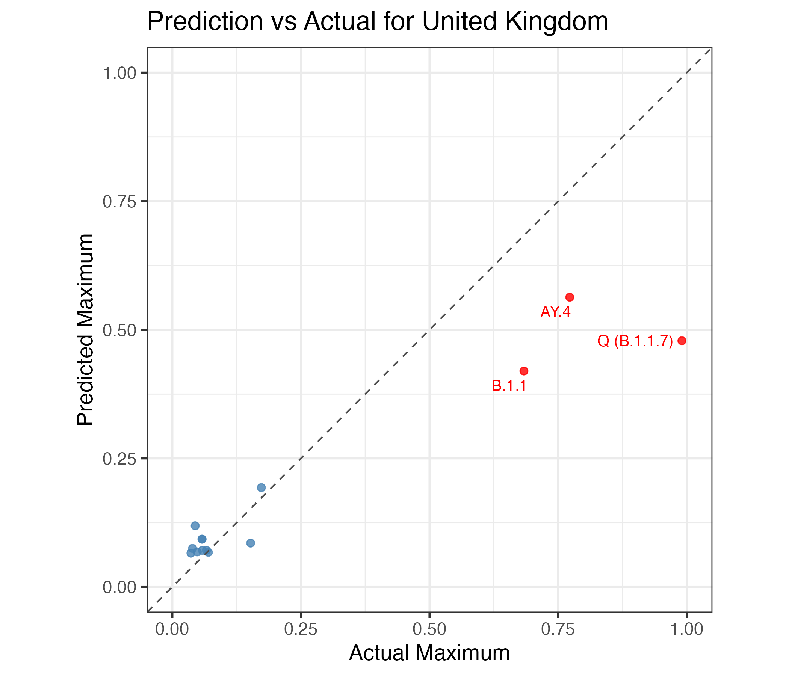
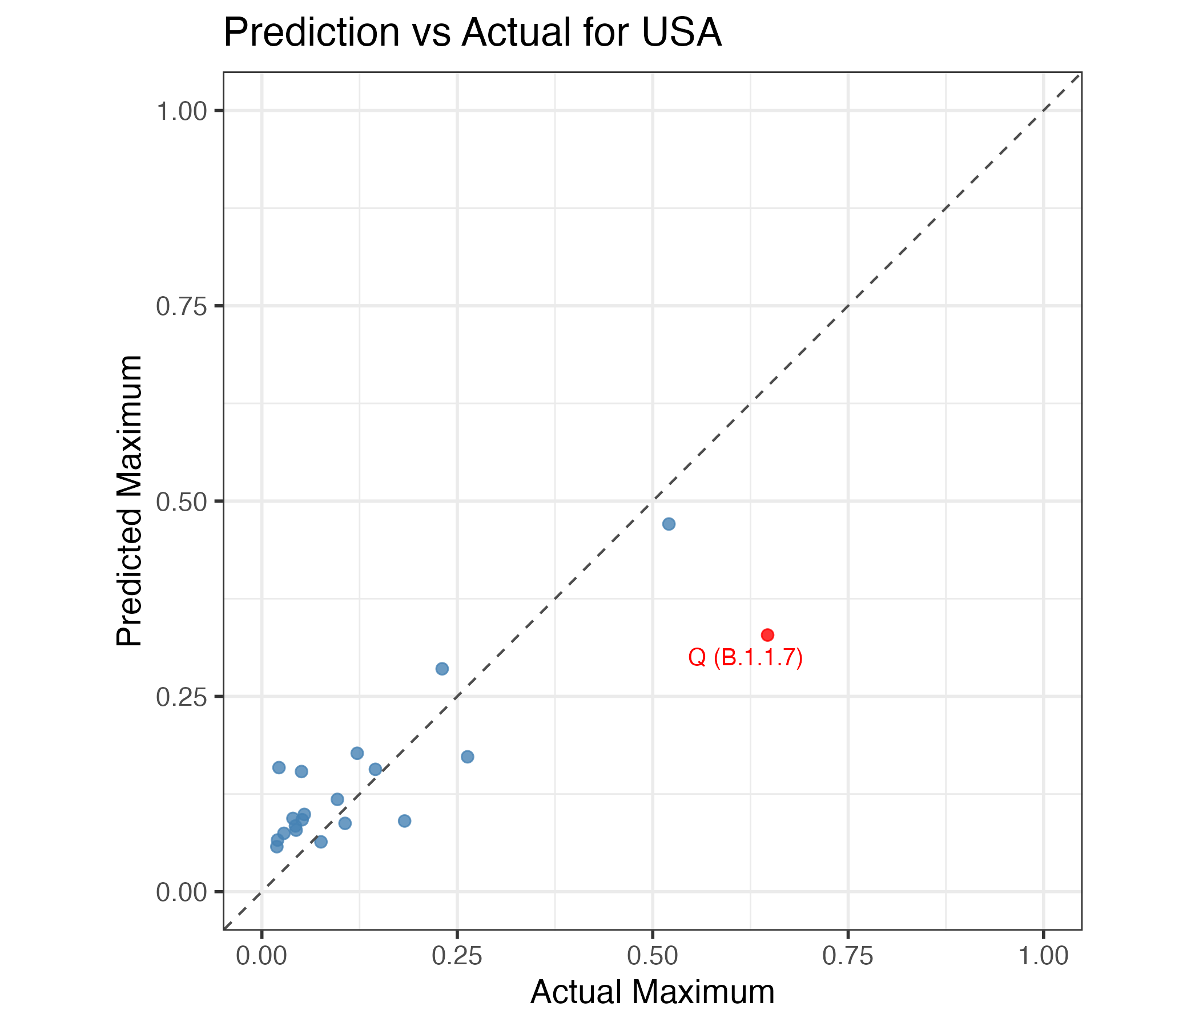
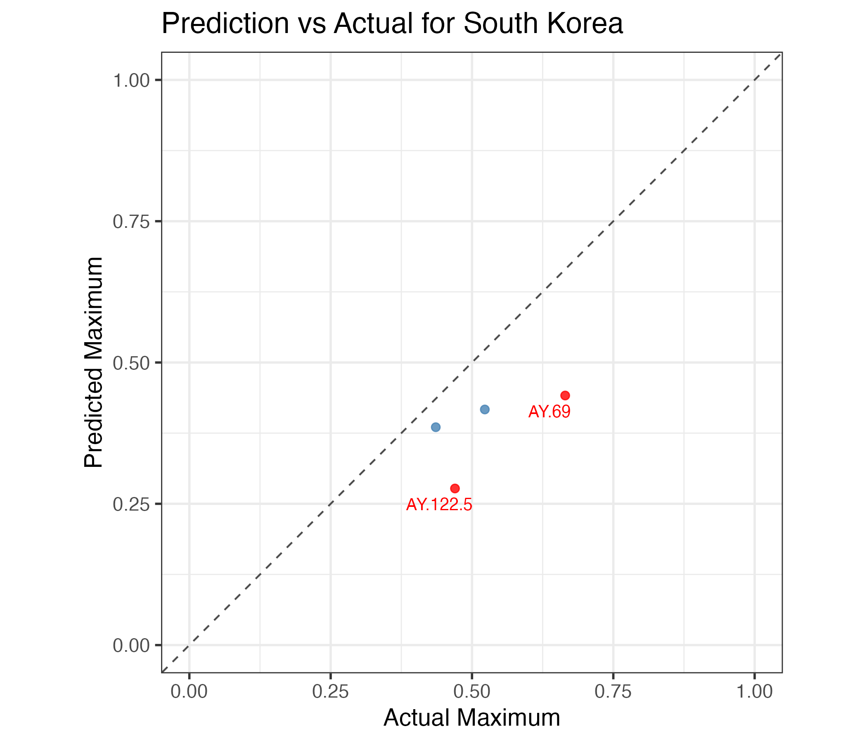

Pre Omicrom

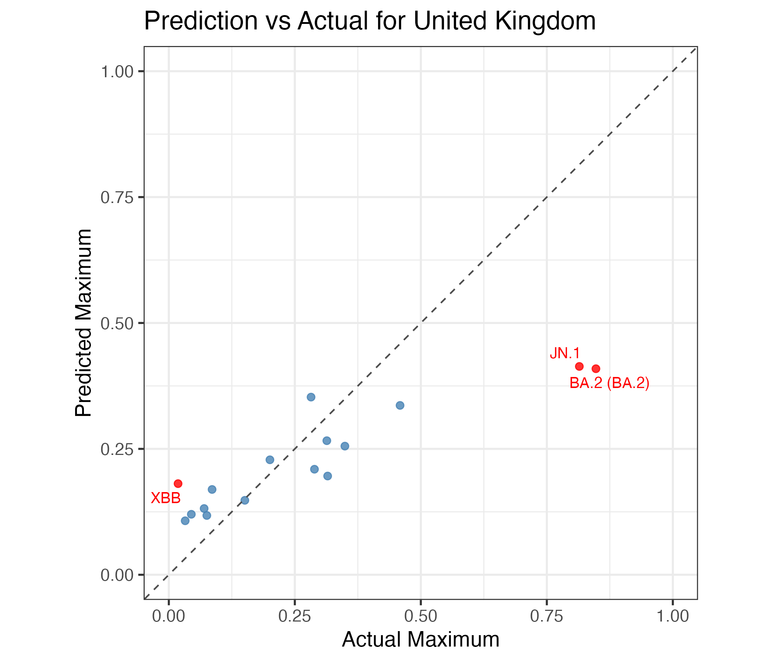
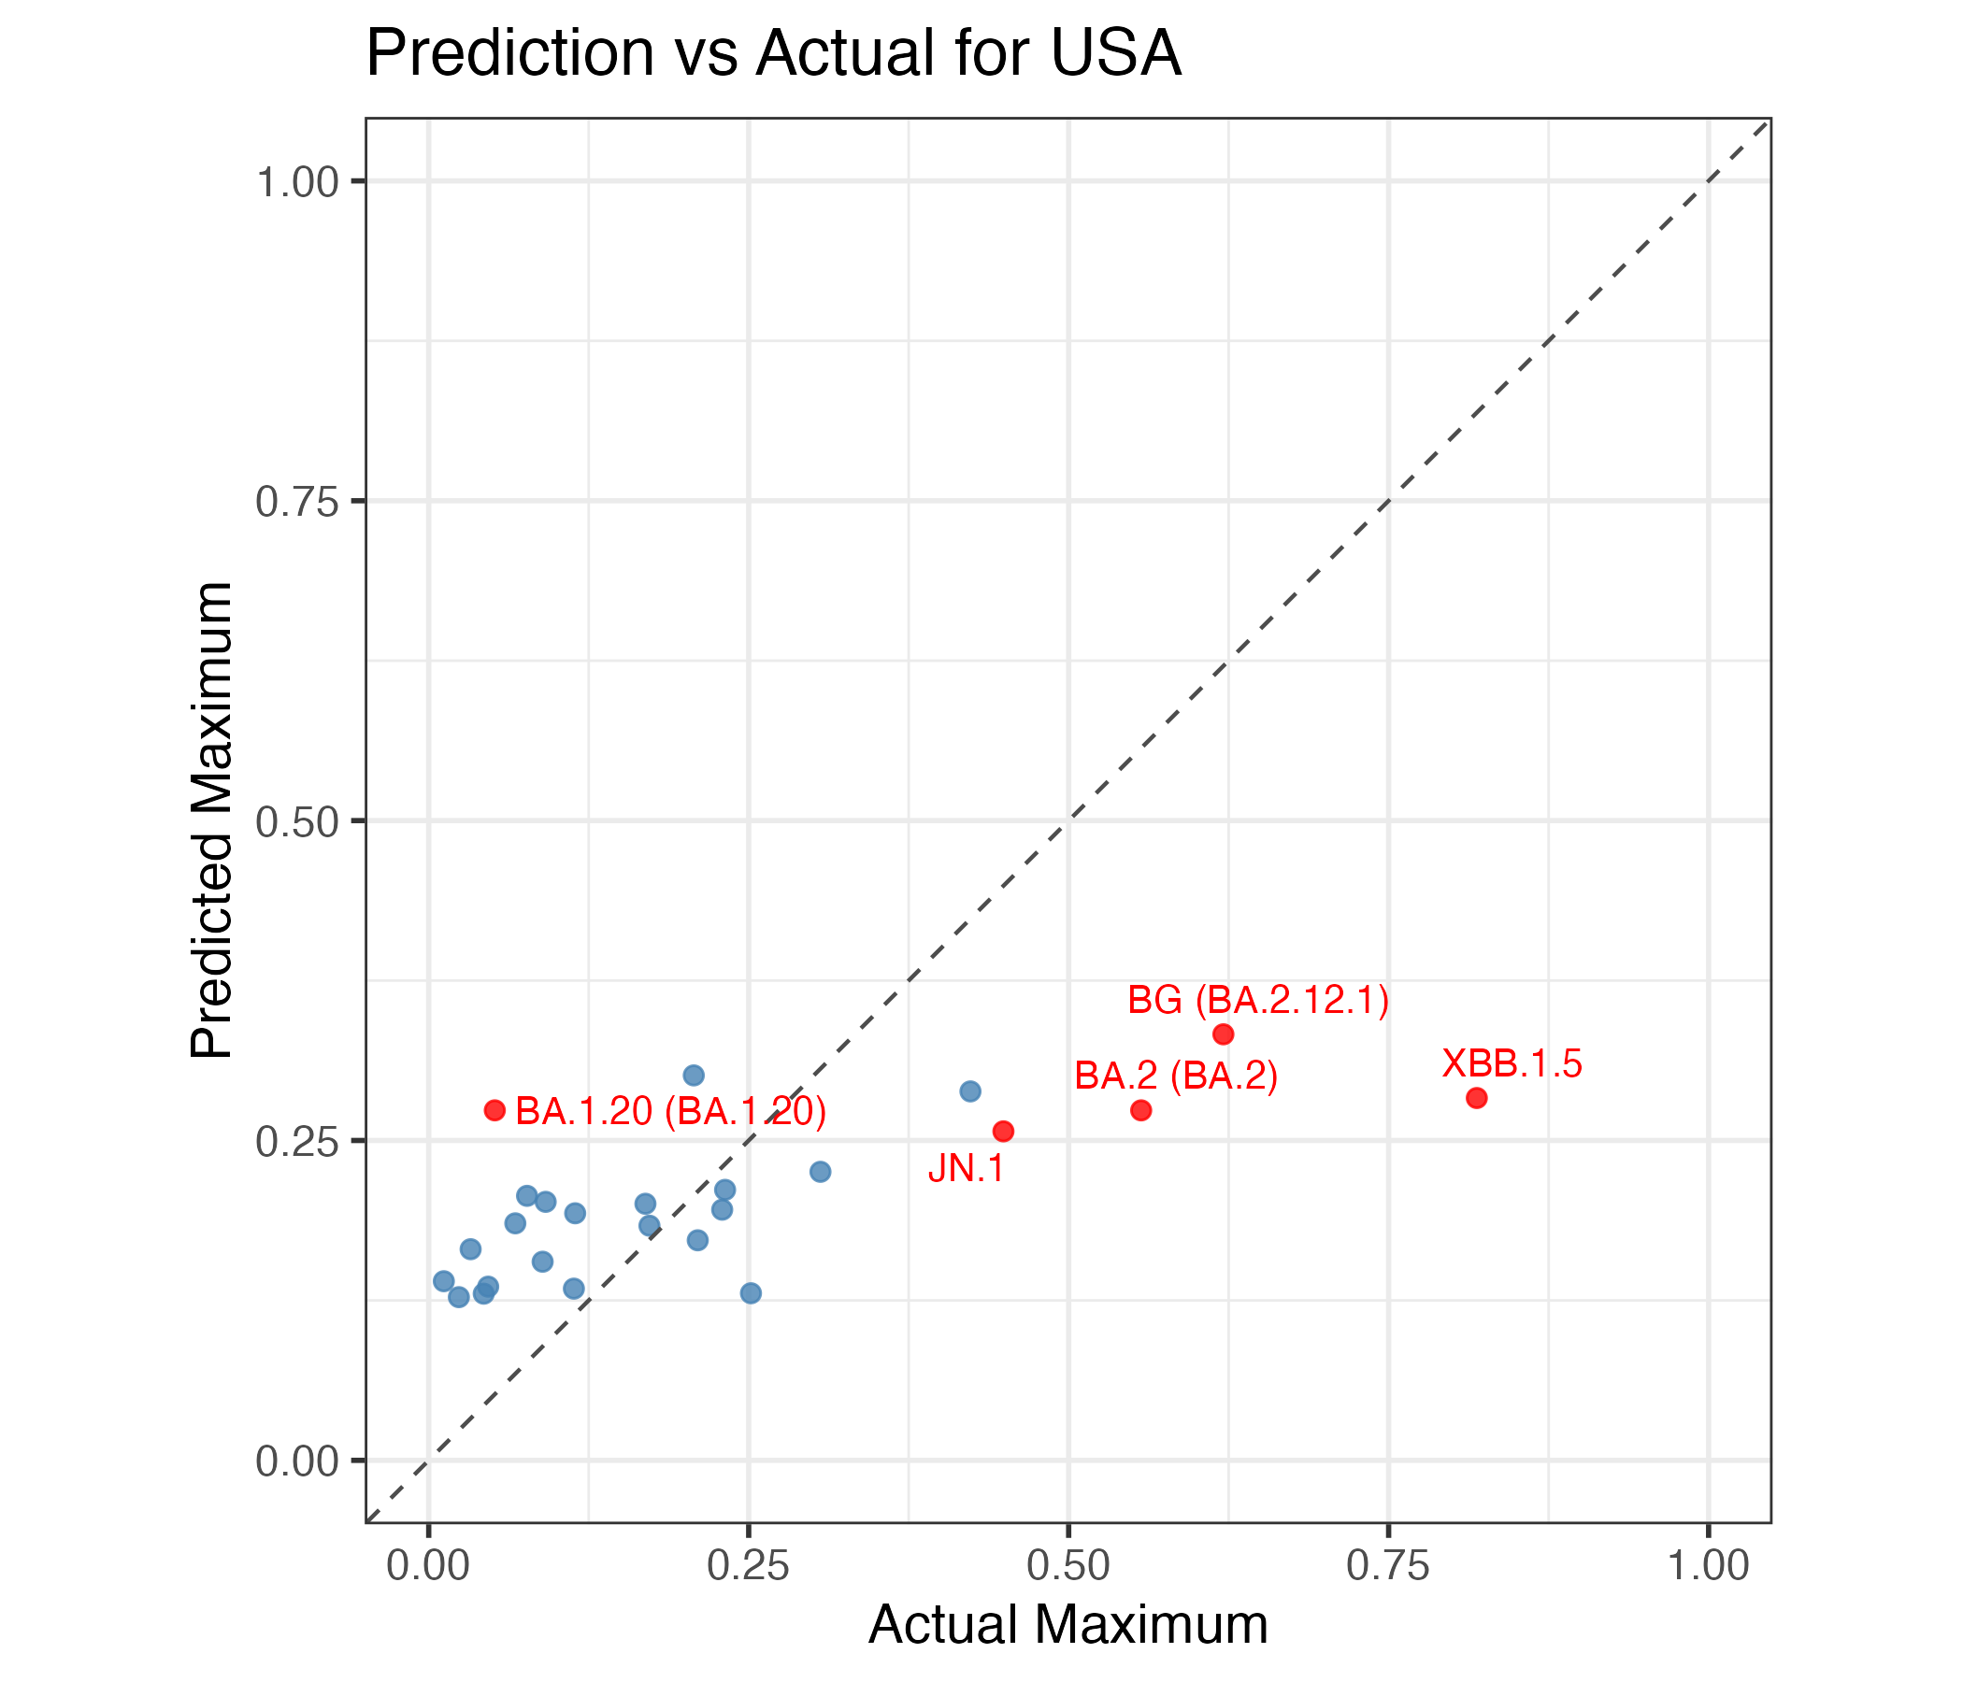
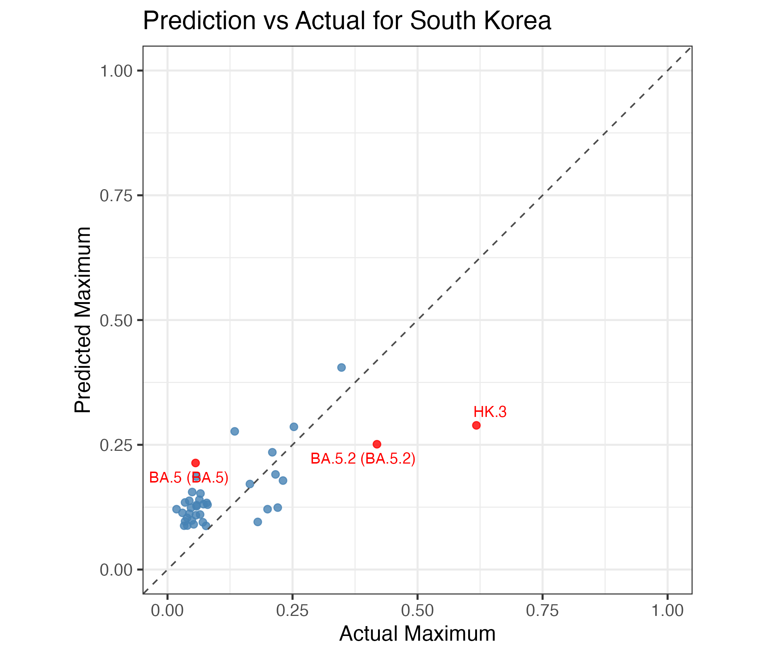

Omicrom & Later

 | XGBoost 28 days (duration)
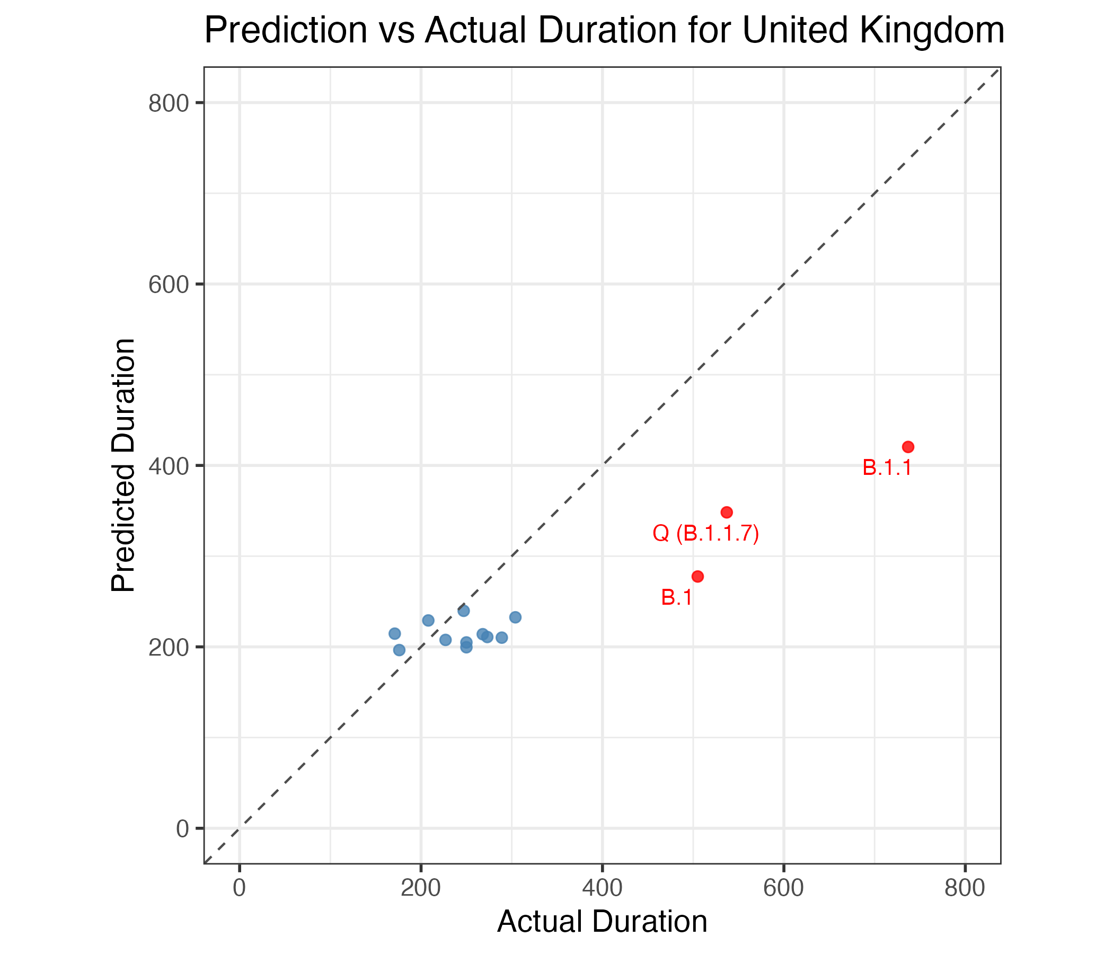
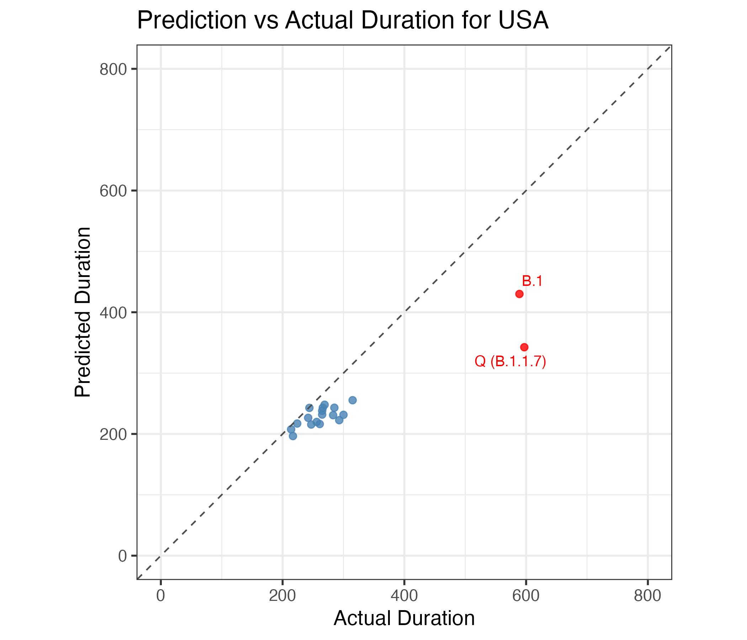
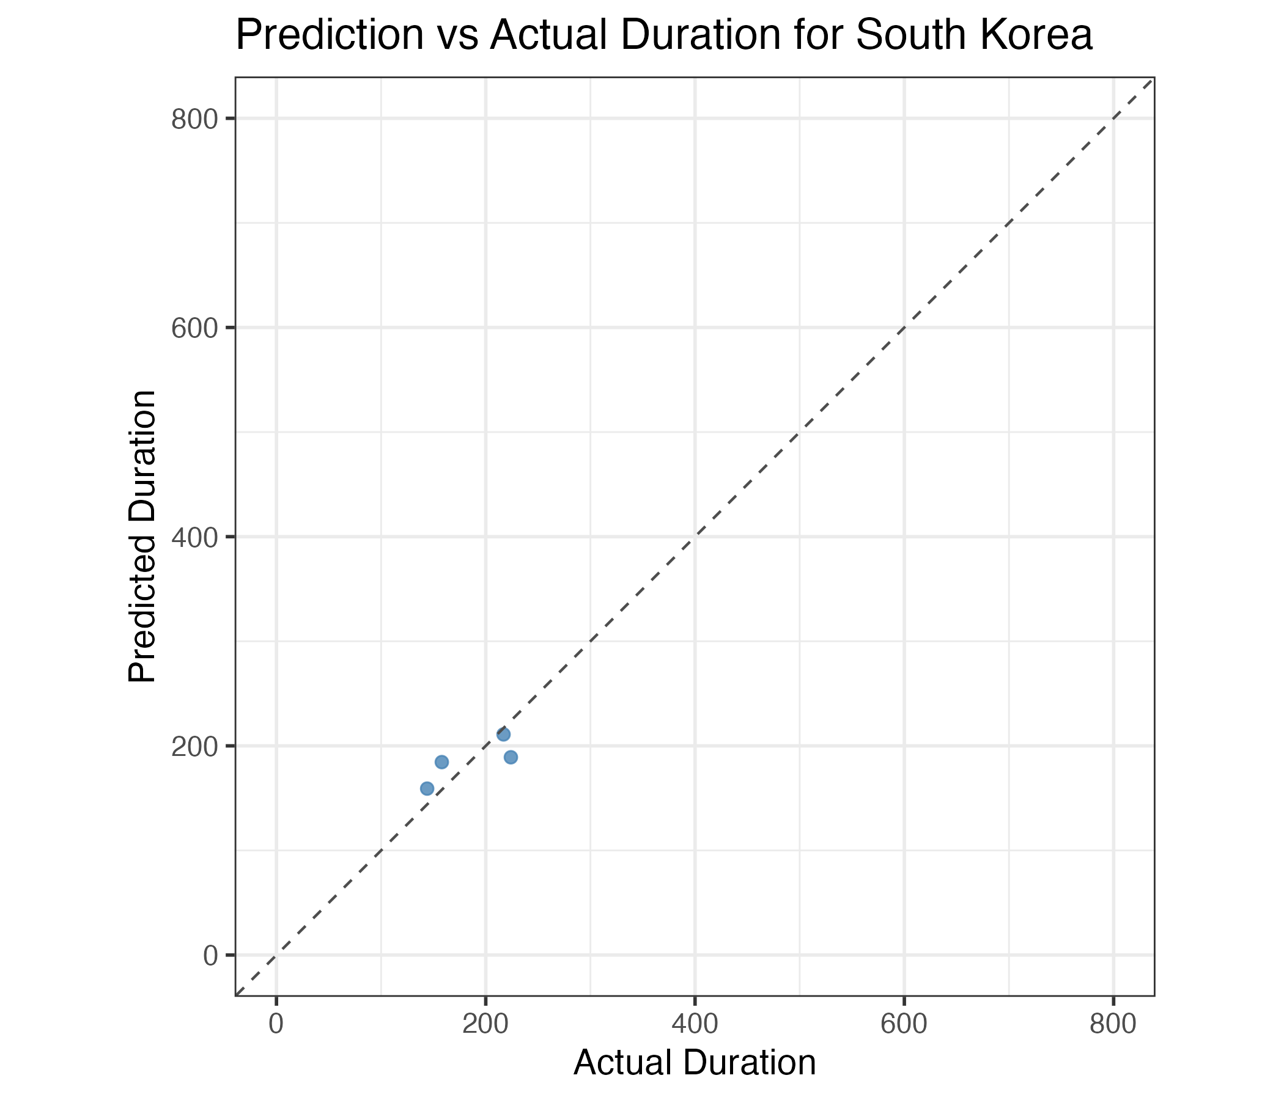

Pre Omicrom

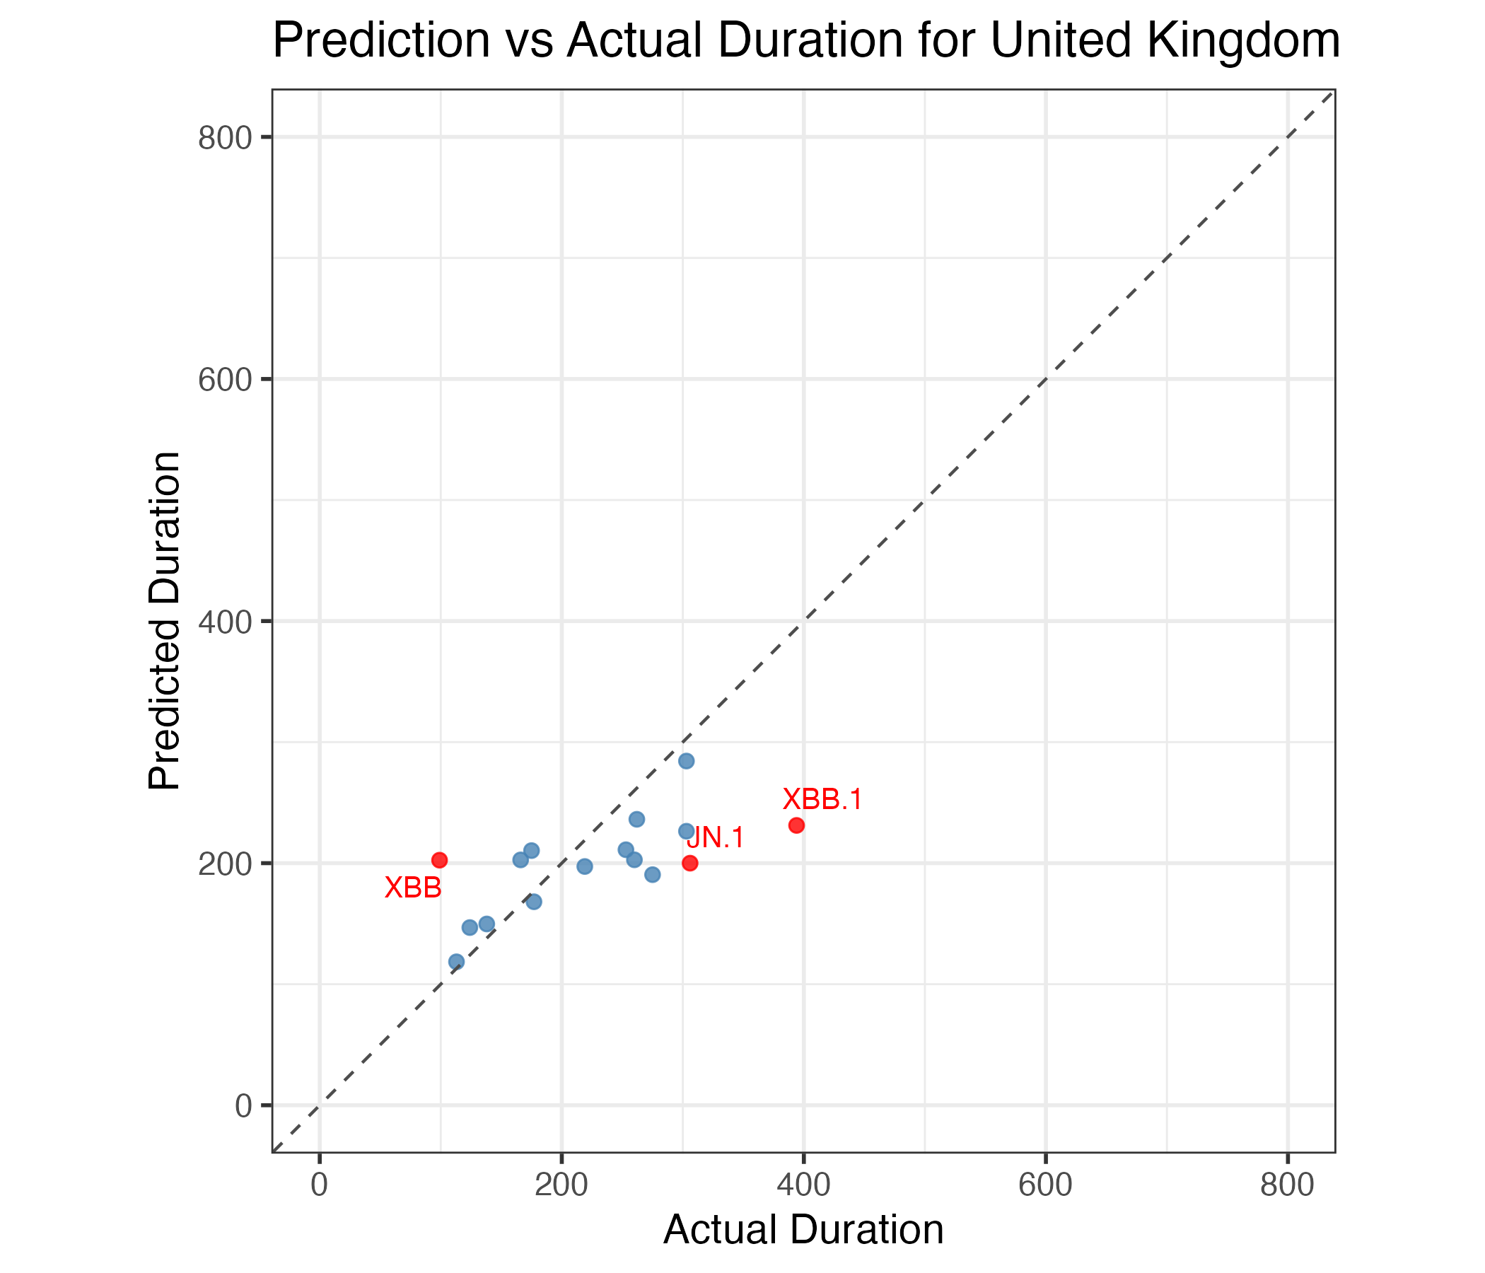
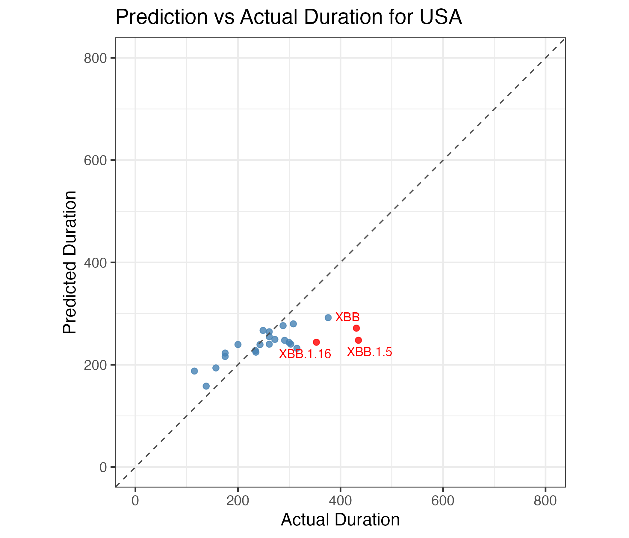
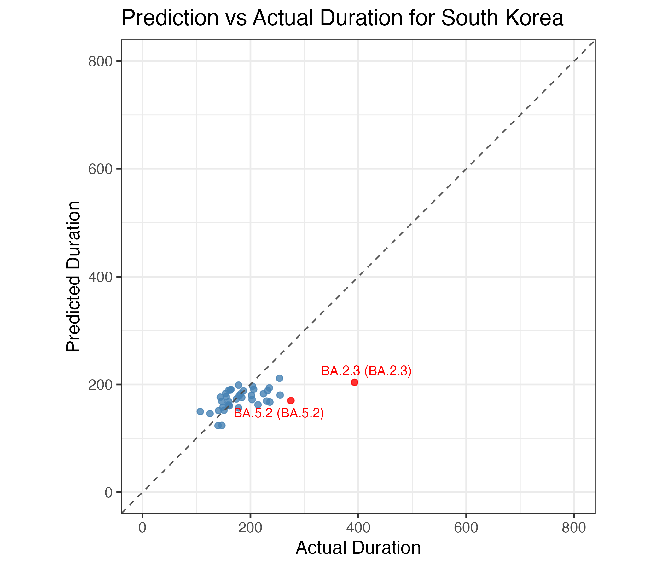

Omicrom & Later

