Exp1
Depth | Width | Learning rate | Time (seconds) | Test set MSE (10^-5)
17 | 5 | 0.1 | 22 | 1.3459

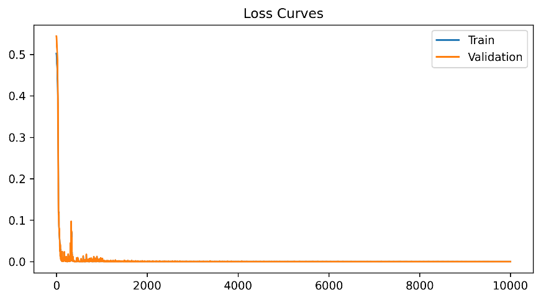
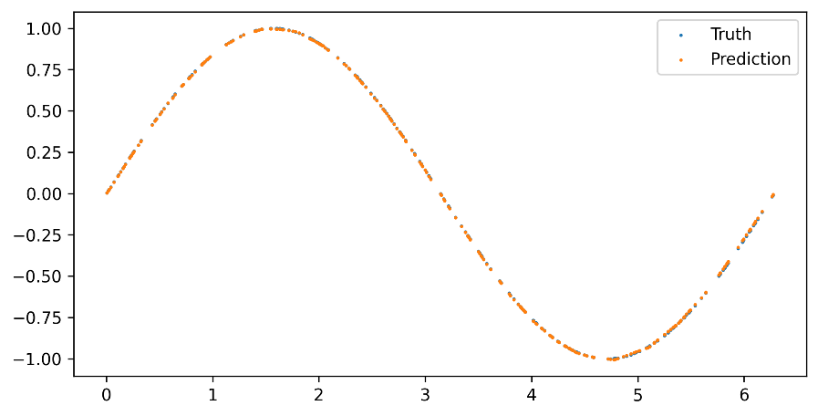
 |  | Validation set MSE
 |  | Epoch | Loss (10^-5)
 |  | 1000 | 48.3911
 |  | 2000 | 19.8367
 |  | 3000 | 3.7935
 |  | 4000 | 16.9946
 |  | 5000 | 1.8101
 |  | 6000 | 0.9590
 |  | 7000 | 13.0630
 |  | 8000 | 8.4202
 |  | 9000 | 0.6271
 |  | 10000 | 1.3286

Exp2
Depth | Width | Learning rate | Time (seconds) | Test set MSE (10^-5)
17 | 5 | 0.01 | 23 | 0.5869

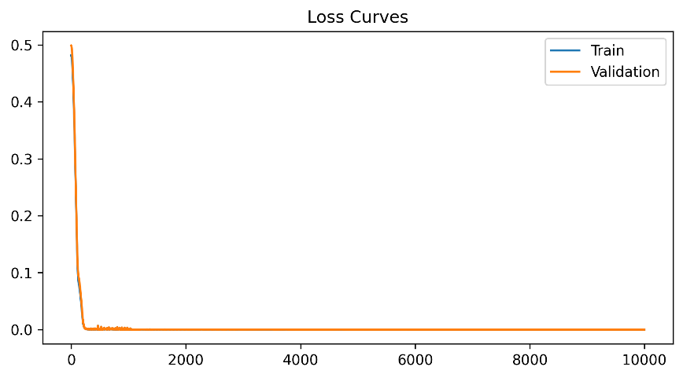
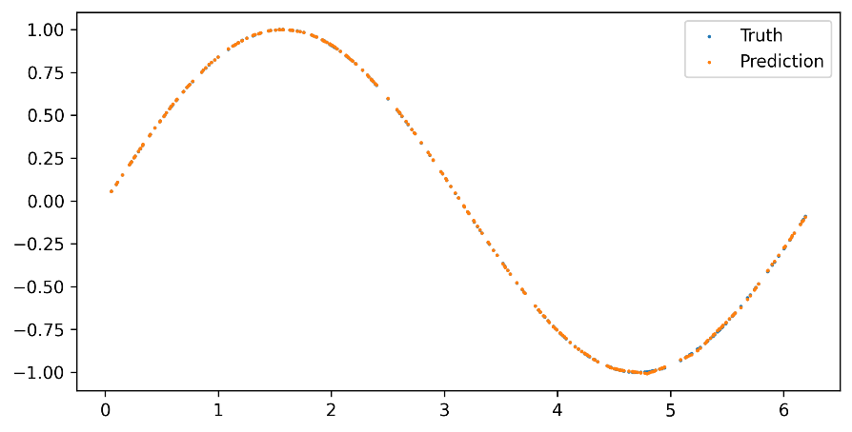
 |  | Validation set MSE
 |  | Epoch | Loss (10^-5)
 |  | 1000 | 40.3906
 |  | 2000 | 5.5589
 |  | 3000 | 4.3996
 |  | 4000 | 0.7089
 |  | 5000 | 1.2550
 |  | 6000 | 0.6384
 |  | 7000 | 0.7847
 |  | 8000 | 0.5858
 |  | 9000 | 0.5909
 |  | 10000 | 0.5972

Exp3
Depth | Width | Learning rate | Time (seconds) | Test set MSE (10^-5)
17 | 5 | 0.001 | 22 | 0.5275

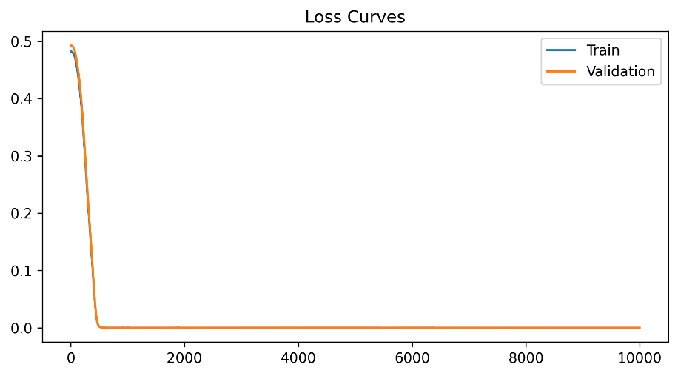
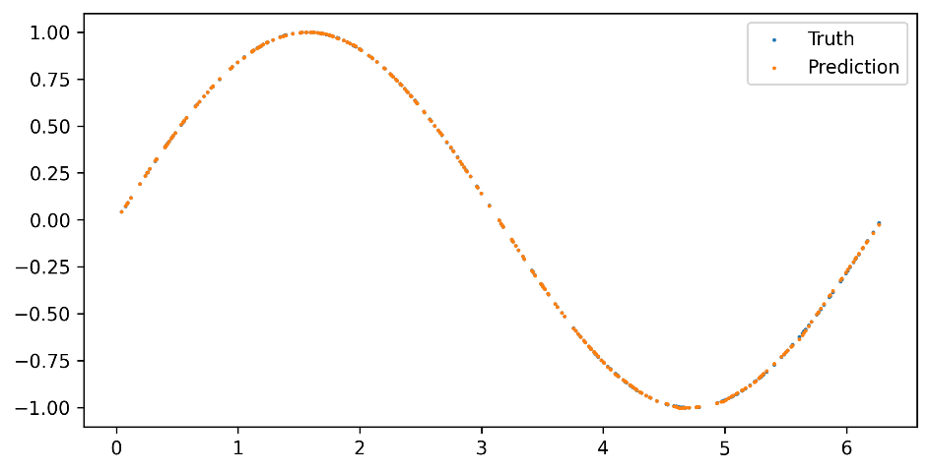
 |  | Validation set MSE
 |  | Loss (10^-5) | Loss (E-5)
 |  | 1000 | 44.3711
 |  | 2000 | 1.0523
 |  | 3000 | 0.9687
 |  | 4000 | 0.9288
 |  | 5000 | 0.8775
 |  | 6000 | 0.8420
 |  | 7000 | 1.1112
 |  | 8000 | 0.8040
 |  | 9000 | 0.9051
 |  | 10000 | 0.6689

Exp4
Depth | Width | Learning rate | Time (seconds) | Test set MSE (10^-5)
17 | 6 | 0.1 | 25 | 6.1837

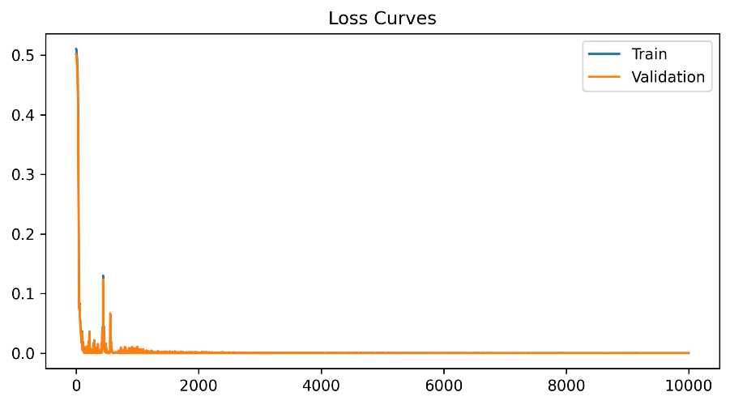
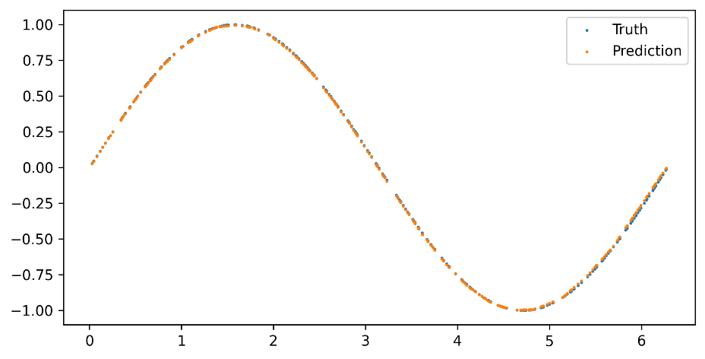
 |  | Validation set MSE
 |  | Epoch | Loss (10^-5)
 |  | 1000 | 1077.0254
 |  | 2000 | 11.3490
 |  | 3000 | 26.5806
 |  | 4000 | 1.3873
 |  | 5000 | 3.1688
 |  | 6000 | 2.9760
 |  | 7000 | 9.4259
 |  | 8000 | 3.4361
 |  | 9000 | 4.5573
 |  | 10000 | 5.9272

Exp5
Depth | Width | Learning rate | Time (seconds) | Test set MSE (10^-5)
17 | 6 | 0.01 | 26 | 0.2398

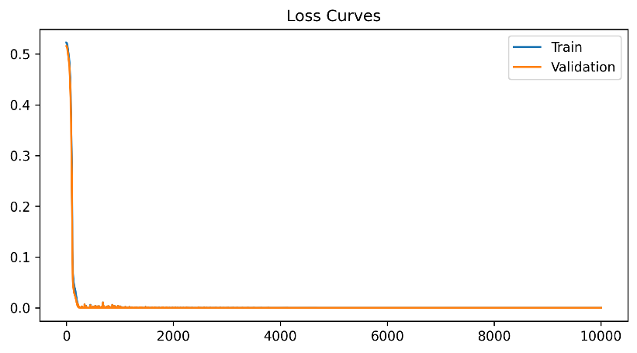
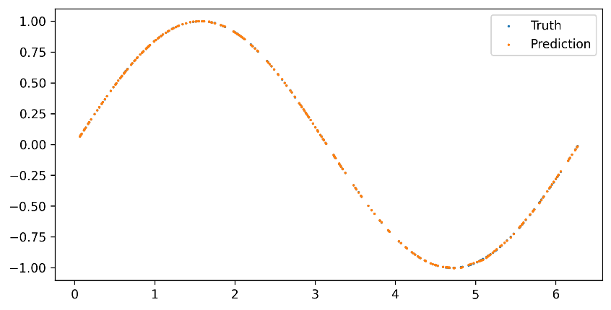
 |  | Validation set MSE
 |  | Epoch | Loss (10^-5)
 |  | 1000 | 180.2140
 |  | 2000 | 9.3488
 |  | 3000 | 0.6829
 |  | 4000 | 1.4454
 |  | 5000 | 2.3388
 |  | 6000 | 1.7343
 |  | 7000 | 1.6282
 |  | 8000 | 0.6058
 |  | 9000 | 0.5313
 |  | 10000 | 0.3302

Exp6
Depth | Width | Learning rate | Time (seconds) | Test set MSE (10^-5)
17 | 6 | 0.001 | 25 | 0.8253

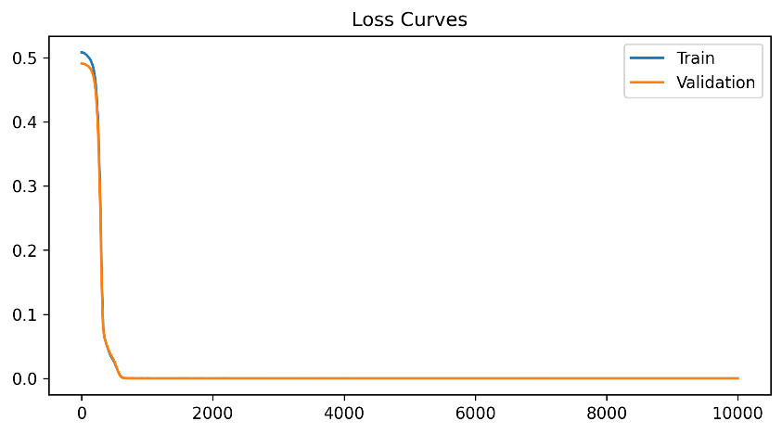

 |  | Validation set MSE
 |  | Epoch | Loss (10^-5)
 |  | 1000 | 4.6650
 |  | 2000 | 0.6624
 |  | 3000 | 1.4479
 |  | 4000 | 0.9892
 |  | 5000 | 1.2491
 |  | 6000 | 0.8372
 |  | 7000 | 0.6259
 |  | 8000 | 0.3998
 |  | 9000 | 0.4055
 |  | 10000 | 0.5726

Exp7
Depth | Width | Learning rate | Time (seconds) | Test set MSE (10^-5)
17 | 4 | 0.1 | 20 | 1.1477

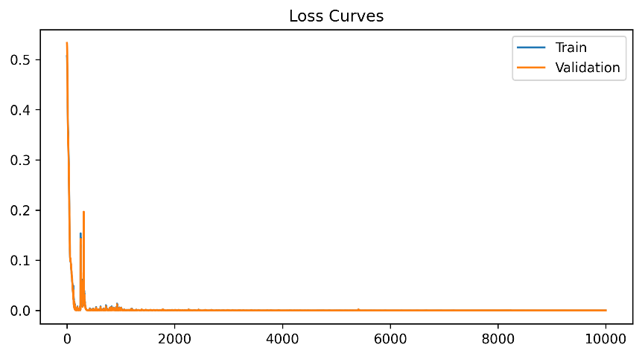
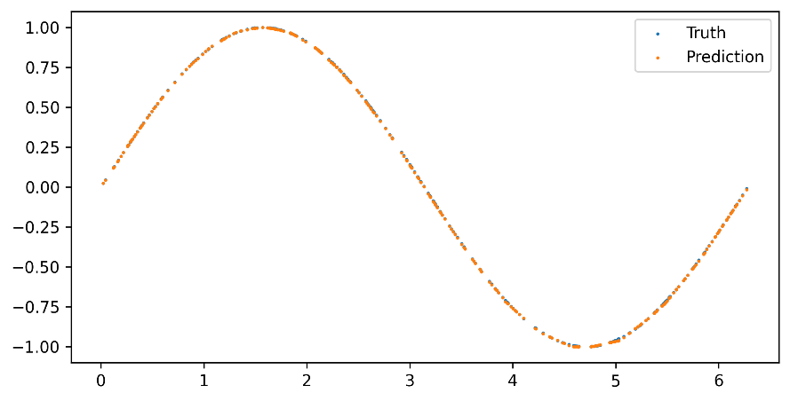
 |  | Validation set MSE
 |  | Epoch | Loss (10^-5)
 |  | 1000 | 54.5180
 |  | 2000 | 29.1963
 |  | 3000 | 39.1778
 |  | 4000 | 6.7363
 |  | 5000 | 10.6972
 |  | 6000 | 2.8872
 |  | 7000 | 0.8203
 |  | 8000 | 1.9209
 |  | 9000 | 4.8551
 |  | 10000 | 1.0999

Exp8
Depth | Width | Learning rate | Time (seconds) | Test set MSE (10^-5)
17 | 4 | 0.01 | 20 | 0.2671

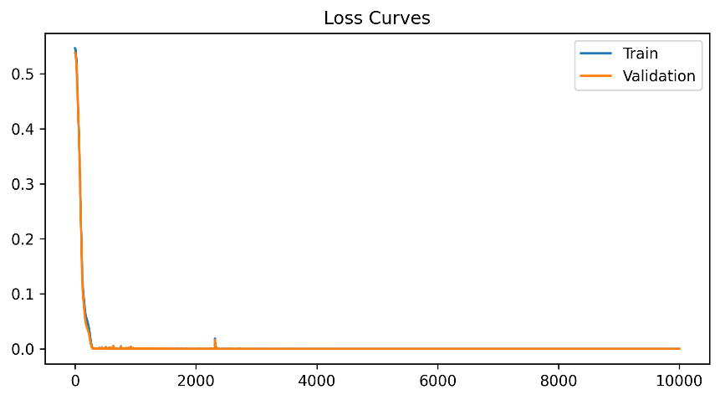
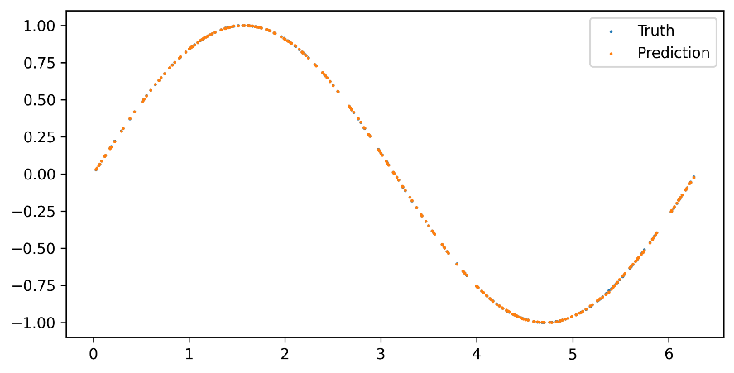
 |  | Validation set MSE
 |  | Epoch | Loss (10^-5)
 |  | 1000 | 21.1415
 |  | 2000 | 9.4747
 |  | 3000 | 6.2312
 |  | 4000 | 1.2211
 |  | 5000 | 1.8568
 |  | 6000 | 4.0115
 |  | 7000 | 3.7951
 |  | 8000 | 3.6363
 |  | 9000 | 3.5661
 |  | 10000 | 3.0834

Exp9
Depth | Width | Learning rate | Time (seconds) | Test set MSE (10^-5)
17 | 4 | 0.001 | 20 | 0.7358

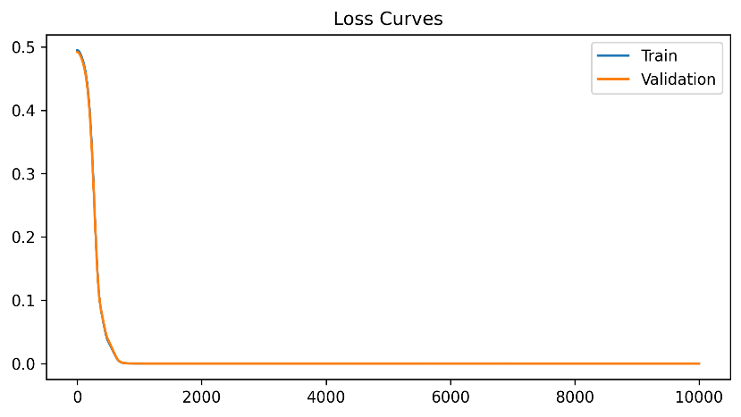
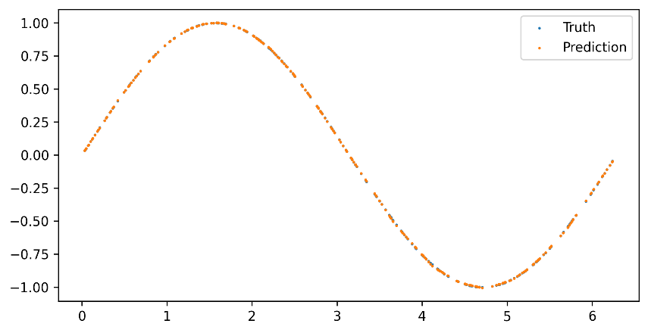
 |  | Validation set MSE
 |  | Epoch | Loss (10^-5)
 |  | 1000 | 9.7024
 |  | 2000 | 1.5262
 |  | 3000 | 1.3364
 |  | 4000 | 1.0224
 |  | 5000 | 1.0492
 |  | 6000 | 1.1718
 |  | 7000 | 1.0053
 |  | 8000 | 0.9321
 |  | 9000 | 0.9017
 |  | 10000 | 0.8994

Exp10
Depth | Width | Learning rate | Time (seconds) | Test set MSE (10^-5)
17 | 7 | 0.1 | 20 | 0.7227

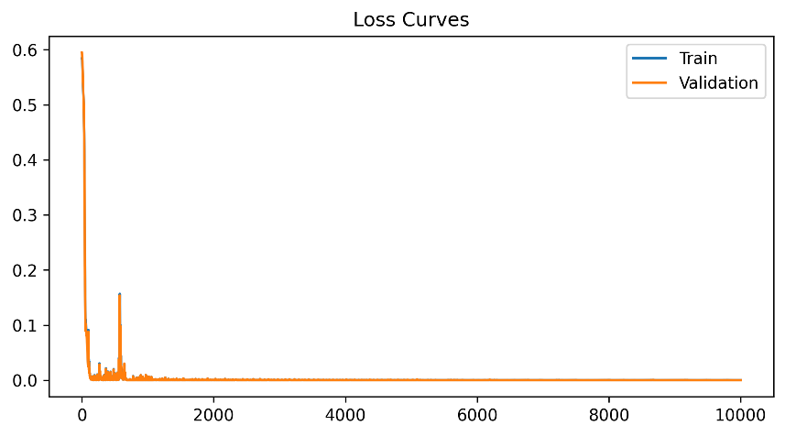
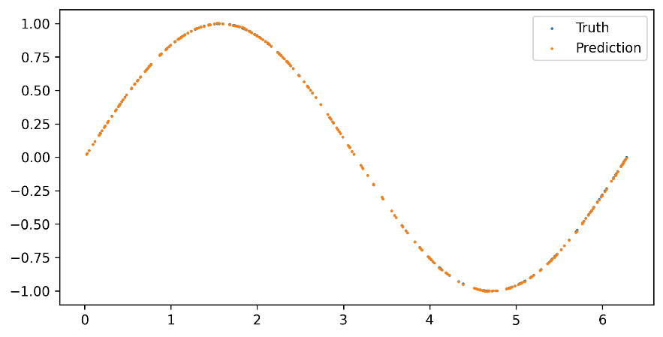
 |  | Validation set MSE
 |  | Epoch | Loss (10^-5)
 |  | 1000 | 87.5367
 |  | 2000 | 21.8955
 |  | 3000 | 9.0217
 |  | 4000 | 1.9725
 |  | 5000 | 4.1797
 |  | 6000 | 2.4603
 |  | 7000 | 4.0802
 |  | 8000 | 11.4776
 |  | 9000 | 0.3540
 |  | 10000 | 0.5968

Exp11
Depth | Width | Learning rate | Time (seconds) | Test set MSE (10^-5)
17 | 7 | 0.01 | 31 | 0.4861


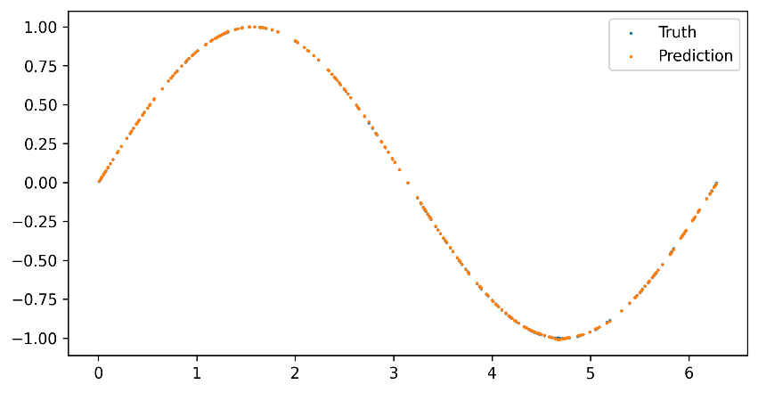
 |  | Validation set MSE
 |  | Epoch | Loss (10^-5)
 |  | 1000 | 122.1293
 |  | 2000 | 2.8093
 |  | 3000 | 4.9827
 |  | 4000 | 2.4100
 |  | 5000 | 1.1937
 |  | 6000 | 1.0335
 |  | 7000 | 0.7219
 |  | 8000 | 0.5003
 |  | 9000 | 0.5596
 |  | 10000 | 0.4601

Exp12
Depth | Width | Learning rate | Time (seconds) | Test set MSE (10^-5)
17 | 7 | 0.001 | 28 | 0.1548

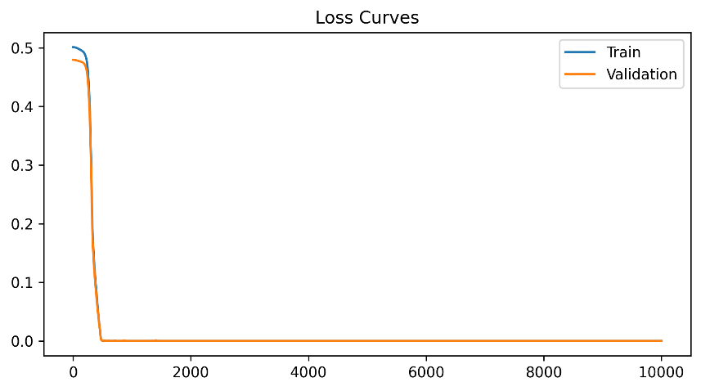
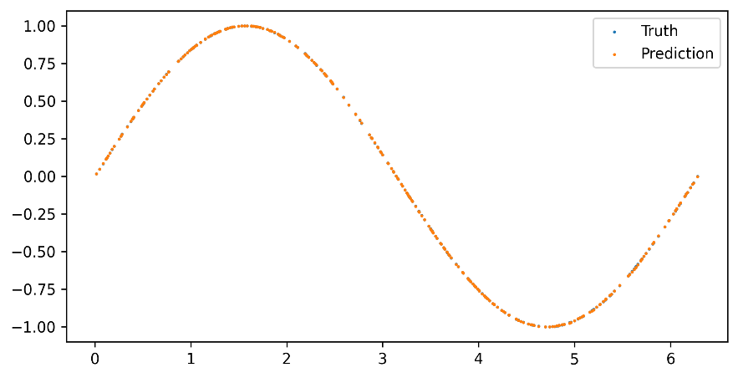
 |  | Validation set MSE
 |  | Epoch | Loss (10^-5)
 |  | 1000 | 0.9774
 |  | 2000 | 0.7030
 |  | 3000 | 0.5421
 |  | 4000 | 0.4380
 |  | 5000 | 0.3675
 |  | 6000 | 0.3075
 |  | 7000 | 0.2688
 |  | 8000 | 0.2318
 |  | 9000 | 0.1996
 |  | 10000 | 0.1768

Exp13
Depth | Width | Learning rate | Time (seconds) | Test set MSE (10^-5)
17 | 3 | 0.1 | 19 | 2.5201

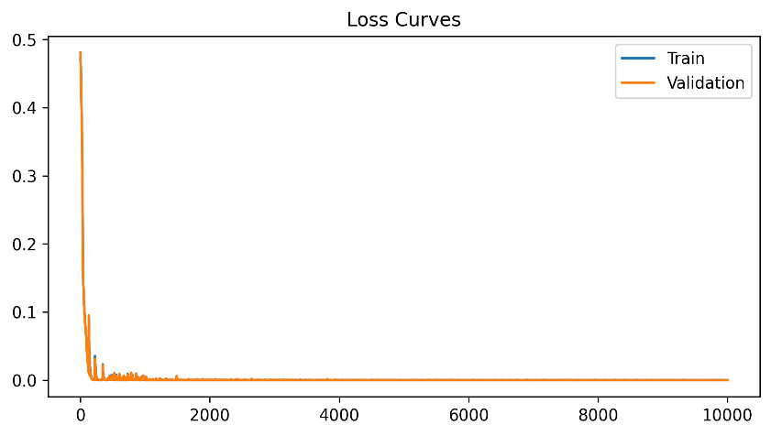
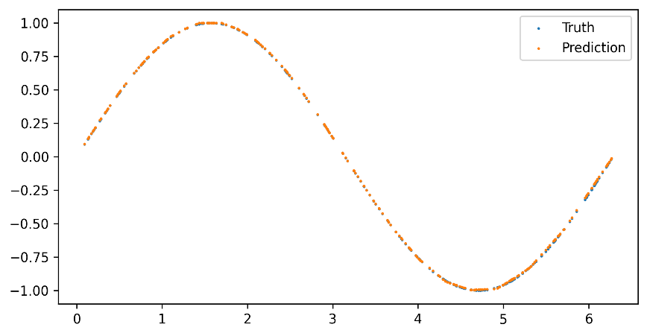
 |  | Validation set MSE
 |  | Epoch | Loss (10^-5)
 |  | 1000 | 76.8894
 |  | 2000 | 5.0167
 |  | 3000 | 10.4142
 |  | 4000 | 5.7542
 |  | 5000 | 10.3392
 |  | 6000 | 2.1655
 |  | 7000 | 1.2269
 |  | 8000 | 9.8720
 |  | 9000 | 9.7827
 |  | 10000 | 2.1896

Exp14
Depth | Width | Learning rate | Time (seconds) | Test set MSE (10^-5)
17 | 3 | 0.01 | 16 | 1.7475

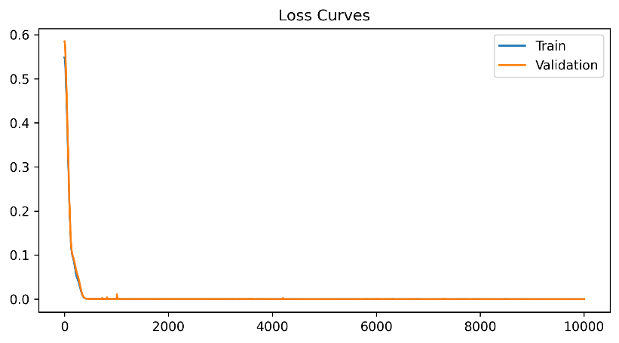
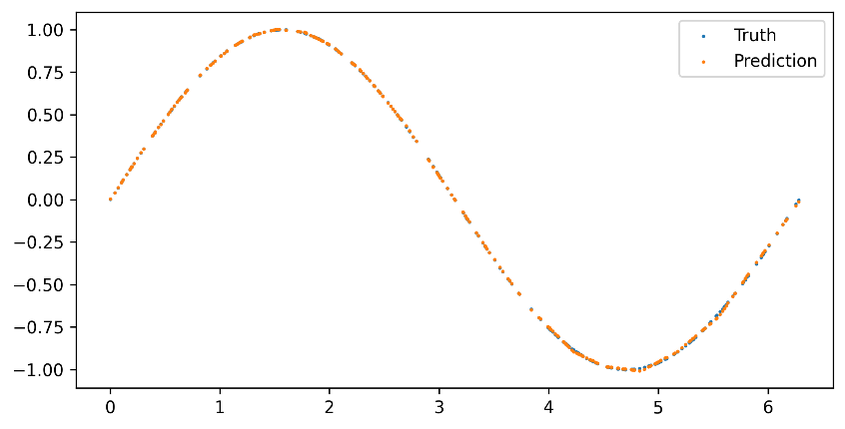
 |  | Validation set MSE
 |  | Epoch | Loss (10^-5)
 |  | 1000 | 18.3041
 |  | 2000 | 11.9323
 |  | 3000 | 8.9881
 |  | 4000 | 5.9809
 |  | 5000 | 3.7423
 |  | 6000 | 3.5668
 |  | 7000 | 2.6716
 |  | 8000 | 4.0336
 |  | 9000 | 2.2684
 |  | 10000 | 2.0716

Exp15
Depth | Width | Learning rate | Time (seconds) | Test set MSE (10^-5)
17 | 4 | 0.001 | 16 | 2.9305

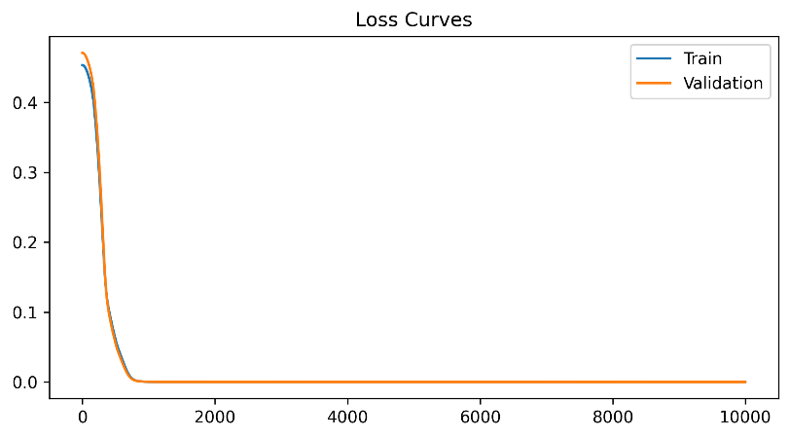
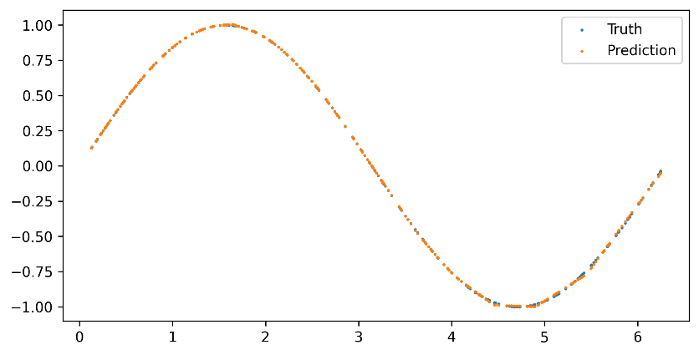
 |  | Validation set MSE
 |  | Epoch | Loss (10^-5)
 |  | 1000 | 22.7928
 |  | 2000 | 6.2931
 |  | 3000 | 5.4354
 |  | 4000 | 4.6524
 |  | 5000 | 3.8556
 |  | 6000 | 3.6353
 |  | 7000 | 3.3457
 |  | 8000 | 3.1420
 |  | 9000 | 2.9510
 |  | 10000 | 2.8266

