Sheet1
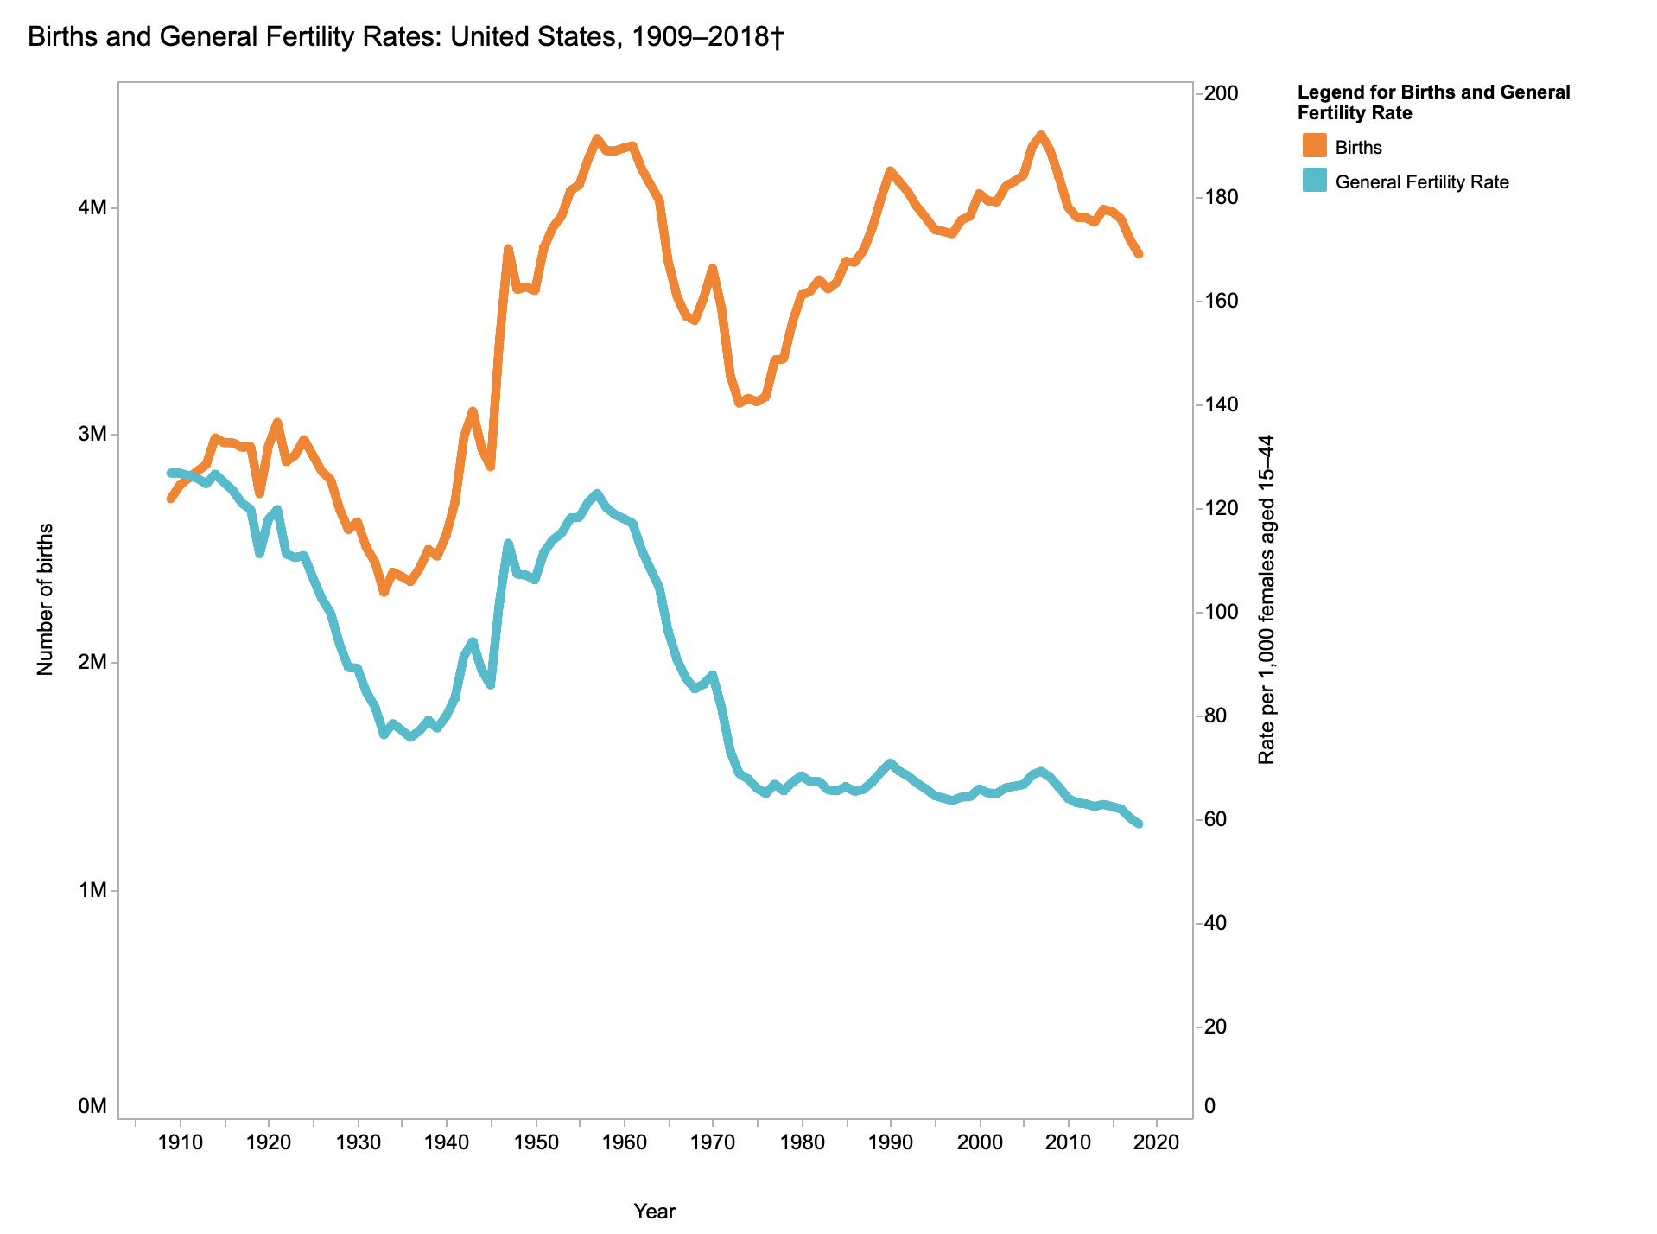
source: https://www.cdc.gov/nchs/data-visualization/natality-trends/

