General Oil_Gas_fields
 |  | Chichimene quema y usa el gas en campo | Cira solo envia un pequeño porcentaje a planta para el aprovechamiento del gas | Yarigui-Cantagallo sí envia un % del gas a oleducto

 |  |  |  |  | Oil production | Gas commercialized [Mscf/d] | Gas production | Oil production (> 1% modeled production) | Gas production (> 1% modeled production ) | Clasification by production | API Gravity | Type of Oil producing | Primary Recovery - SLA* | Secondary Recovery | Tertiary Recovery | Cummulative Production in R/P@Oil (MSTB) = | Cummulative Production en R/P GAS (Gscf - MMScf) =
Deparment | Company | City-town-location | Basin | Oilfield | STB/d | Mscf/d | Mscf/d | 4,000 | 19 |  |  |  |  |  |  | 6.2 | 9.8
 | ECP | Puerto Gaitan | Llanos Orientales | Rubiales | 119,468 | - | - | Sí | No | Oil | 12.85 | Heavy Oil | PCP, ESP | - | - | 270.4 | 0.0
 | ECP | Acacias/Castilla Nueva | Llanos Orientales | Castilla (c, e, n, n) | 113,812 | - | - | Sí | No | Oil | 13.7 | Heavy Oil | ESP | WI | nnI | 257.6 | 0.0
 | ECP | Acacias/Guamal | Llanos Orientales | Chichimene | 67,620 | - | 8 | Sí | No | Oil | 13.5 | Heavy Oil | ESP | WI | AI, nnl | 153.0 | 0.0
 | Frontera | Puerto Gaitan | Llanos Orientales | Quifa | 43,882 | - | - | Sí | No | Oil | 13.5 | Heavy Oil | ESP, PCP | - | AI | 99.3 | 0.0
 | ECP | Barrancabermeja | VMM | La Cira | 45,201 | 4 | 6 | Sí | No | Oil | 22.5 | Medium Oil | BP, PCP,. ESP | GI, WI | - | 102.3 | 13.1
 | OXY | Arauca | Llanos Orientales | Caño Limon | 21,135 | - | 1 | Sí | No | Oil | 29 | Medium Oil | ESP | WI | - | 47.8 | 0.0
 | ECP | Puerto Wilches | VMM | Yarigui-Cantagallo | 14,787 | 2 | 4 | Sí | No | Oil | 21 | Heavy Oil | ESP | WI | CHI | 33.5 | 6.0
 | ECP | Yondo | VMM | Casabe | 12,862 | - | 1 | Sí | No | Oil | 21 | Heavy Oil | PCP, BP | WI | CHI | 29.1 | 0.0
 | Mansarovar | Puerto Boyaca | VMM | Moriche | 11,114 | - | 1 | Sí | No | Oil | 13 | Heavy Oil | BP | - | SI | 25.2 | 0.0
 | ECP | Aguazul | Llanos Orientales | Cupiagua (Cupiagua + Liria + Sur) | 11,342 | 153 | 754 | Sí | Sí | Oil and Gas | 48 | Light Oil | - | GI | nnI, SAG | 25.7 | 546.5
 | ECP | Tauramena | Llanos Orientales | Cusiana (Cusiana + Norte) | 4,514 | 182 | 306 | Sí | Sí | Oil and Gas | 52 | Light Oil | - | WI, GI | SAG | 10.2 | 651.6
 | EQUION* | Yopal | Llanos Orientales | Pauto Sur (Sur + Recetor) | 31,197 | 218 | 460 | Sí | Sí | Oil and Gas | 46 | Light Oil | - | - | NI | 70.6 | 781.4
 | EQUION* | Yopal | Llanos Orientales | Floreña (Floreña + Mirador) | 8,374 | - | 153 | Sí | Sí | Oil and Gas | 45.5 | Light Oil | - | GI | - | 19.0 | 0.0
 | CHEVRON | Manaure | Guajira | Chuchupa | - | 208 | 215 | No | Sí | Gas | - | Doesn't Apply | - | - | - | 0.0 | 742.2
 | CHEVRON | Manaure | Guajira | Ballena | - | 31 | 31 | No | Sí | Gas | - | Doesn't Apply | - | - | - | 0.0 | 109.5

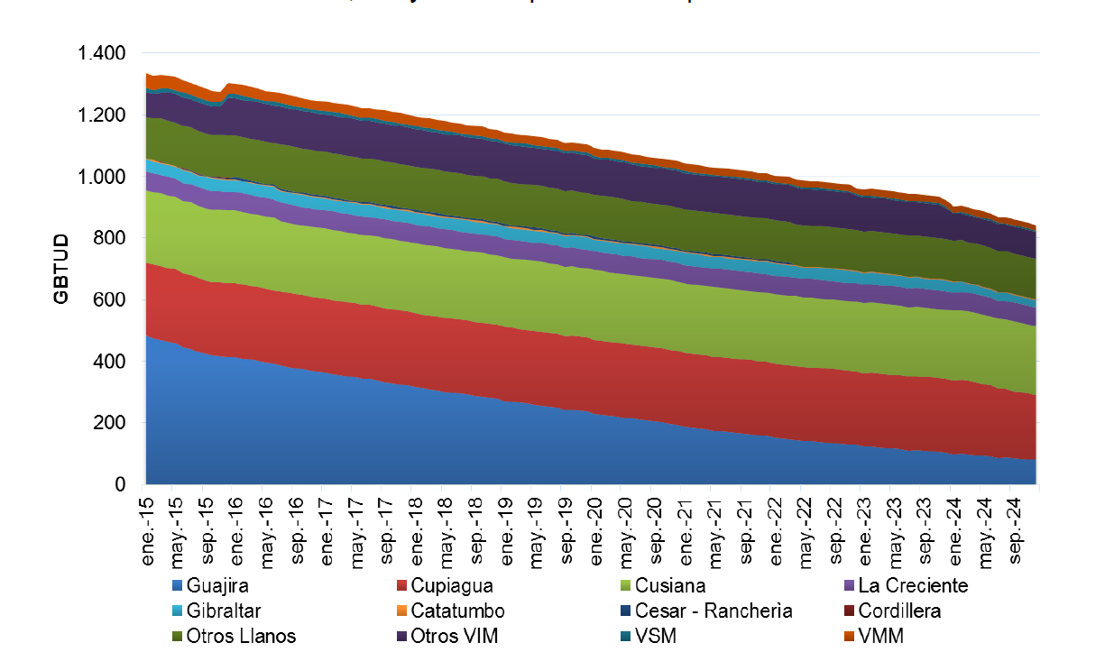
 |  |  |  |  |  |  |  | Oil producers | 9
 |  |  |  |  |  |  |  | Gas producers | 2
 |  |  |  |  |  |  |  | Oil and gas producers | 4
 |  |  |  |  |  |  |  | Total | 15

 |  |  |  |  |  |  |  | Oil classification by API gravity
 |  |  |  |  |  |  |  |  | Lower limit | Upper Limit
 |  |  |  |  |  |  |  | Extra Heavy Oil | 0 | 10
 |  |  |  |  |  |  |  | Heavy Oil | 10 | 22.3
 |  |  |  |  |  |  |  | Medium Oil | 22.3 | 31.1
 |  |  |  |  |  |  |  | Light Oil | 31.1 | 100

 |  |  |  |  |  |  |  | Oil and gas production in the model and Colombia in 2018
 |  |  |  |  |  |  |  |  | Colombia | Model | Model/Colombia |  |  | Oil and gas production in the model (oilfields operated by ECP) and ECP in 2018
 |  |  |  |  |  |  |  | Oil Production (STB/d) | 865,191 | 505,308 | 58.4% |  |  |  | ECP | Oilfield in the model by ECP | ECP/ Model ECP
 |  |  |  |  |  |  |  | Gas production (Mscf/d) | 2,343 | 1,942 | 82.9% |  |  | Oil Production (STB/d) | 469,419 | 389,606 | 83.0%
 |  |  |  |  |  |  |  | Gas commercialized [Mscf/d] | 1,060 | 797 | 75.2% |  |  | Gas production (Mscf/d) | 1,201 | 1,080.67 | 90.0%
 |  |  |  |  |  |  |  |  |  |  |  |  |  | Gas commercialized (Mscf/d) | 436 | 340.251 | 78.0%

 |  |  |  |  |  |  |  | Production of the model according API gravity |  |  |  |  |  | Production of the Colombia according API gravity in 2010
 |  |  |  |  |  |  |  |  | Oil production STB/d |  |  |  |  |  | Oil production STB/d
 |  |  |  |  |  |  |  | Extra Heavy Oil | - | - |  |  |  | Extra Heavy Oil | 988 | 0.12%
 |  |  |  |  |  |  |  | Heavy Oil | 383,545 | 76% |  |  |  | Heavy Oil | 421,452 | 53%
 |  |  |  |  |  |  |  | Medium Oil | 66,336 | 13% |  |  |  | Medium Oil | 213,836 | 27%
 |  |  |  |  |  |  |  | Light Oil | 55,427 | 11% |  |  |  | Light Oil | 157,890 | 20%
 |  |  |  |  |  |  |  |  | 505,308 | 100% |  |  |  |  | 794,166 | 100%

 |  |  |  |  |  |  |  | Production of the model according Deparment in 2018 |  |  |  |  |  | Production of Colombia 2018
 |  |  |  |  |  |  |  |  | Oil production STB/d | % | Gas production Mscf/d | % |  |  | Oil production STB/d | % | Gas production Mscf/d | %
 |  |  |  |  |  |  |  |  | 344,782 | 68.2% | 8 | 0.4% |  |  | 421,474 | 48.7% | 18 | 0.8%
 |  |  |  |  |  |  |  |  | 45,201 | 8.9% | 6 | 0.3% |  |  | 63,986 | 7.4% | 46 | 2.0%
 |  |  |  |  |  |  |  |  | 21,135 | 4.2% | 1 | 0.1% |  |  | 47,801 | 5.5% | 5 | 0.2%
 |  |  |  |  |  |  |  |  | 14,787 | 2.9% | 4 | 0.2% |  |  | 10,338 | 1.2% | 5 | 0.2%
 |  |  |  |  |  |  |  |  | 12,862 | 2.5% | 1 | 0.1% |  |  | 16,429 | 1.9% | 2 | 0.1%
 |  |  |  |  |  |  |  |  | 11,114 | 2.2% | 1 | 0.0% |  |  | 34,033 | 3.9% | 17 | 0.7%
 |  |  |  |  |  |  |  |  | 55,427 | 11.0% | 1,673 | 86.2% |  |  | 170,107 | 19.7% | 1,629 | 69.5%
 |  |  |  |  |  |  |  |  | - | 0.0% | 246 | 12.7% |  |  | - | 0.0% | 238 | 10.2%
 |  |  |  |  |  |  |  |  | 505,308 | 100.0% | 1,942 | 100.0% |  | Other Deparments | 101,022 | 11.7% | 383 | 16.3%
 |  |  |  |  |  |  |  |  |  |  |  |  |  |  | 865,191 | 100.0% | 2,343 | 100.0%

 |  |  |  |  |  |  |  | Production of the model according sedimentary basin in 2018 |  |  |  |  |  | Production of Colombia 2010 according sedimentary basins in 2018
 |  |  |  |  |  |  |  |  | Oil production STB/d | % | Gas production Mscf/d | % |  |  | Oil production STB/d | % | Gas production Mscf/d | %
 |  |  |  |  |  |  |  | VMM | 83,964 | 17% | 13 | 0.01 |  | VMM | 116,160 | 15% | 35 | 3.4%
 |  |  |  |  |  |  |  | Guajira | - | 0% | 246 | 0.13 |  | Guajira | - | 0% | 679 | 65.3%
 |  |  |  |  |  |  |  | Llanos Orientales | 421,344 | 83% | 1,683 | 0.87 |  | Llanos Orientales | 537311 | 68% | 208.2 | 20.0%
 |  |  |  |  |  |  |  |  | 505,308 | 100% | 1,942 | 1 |  | Other bains | 141,184 | 18% | 117 | 11.3%
 |  |  |  |  |  |  |  |  |  |  |  |  |  |  | 794,655 | 100% | 1040.28 | 100.0%

 |  |  |  |  |  |  |  | Reserves in model |  |  |  |  |  | Reserves in Colombia at the end of 2018
 |  |  |  |  |  |  |  |  | Oil Reserves (MSTB) | % | Gas Reserves ( Gscf - MMscf) | % |  |  | Oil Reserves (MSTB) | % | Gas Reserves ( Gscf - MMscf)
 |  |  |  |  |  |  |  |  | 780 | 68% | 0 | 0.0% |  |  | 888.42 | 45% | 17.0 | 0.5%
 |  |  |  |  |  |  |  |  | 102 | 9% | 13 | 0.3% |  |  | 254.68 | 13% | 200.6 | 5.3%
 |  |  |  |  |  |  |  |  | 48 | 4% | 0 | 0.0% |  |  | 67.85 | 3% | 5.0 | 0.1%
 |  |  |  |  |  |  |  |  | 33 | 3% | 6 | 0.2% |  |  | 8.03 | 0% | 0.0 | 0.0%
 |  |  |  |  |  |  |  |  | 29 | 3% | 0 | 0.0% |  |  | 59.61 | 3% | 1.7 | 0.0%
 |  |  |  |  |  |  |  |  | 25 | 2% | 0 | 0.0% |  |  | 61.42 | 3% | 176.4 | 4.7%
 |  |  |  |  |  |  |  |  | 125 | 11% | 1979 | 52.3% |  |  | 380.89 | 19% | 2216.1 | 58.6%
 |  |  |  |  |  |  |  |  | 0 | 0% | 852 | 22.5% |  |  | 0.00 | 0% | 583.8 | 15.4%
 |  |  |  |  |  |  |  |  |  | Model/Reality |  | Model/Reality |  | Other Deparments | 237.37 | 12% | 581.1 | 15.4%
 |  |  |  |  |  |  |  | Model | 1144 | 58% | 2850 | 75% |  | Colombia | 1958.27 | 100% | 3781.8 | 100%
 |  |  |  |  |  |  |  | Oifields by ECP in the model | 882 | 73% | 1217 | 41% |  | ECP | 1208.90 | 62% | 3005.0 | 79%
 |  |  |  |  |  |  |  | Oifields by ECP&EQUION in the model | 971 | 80% | 1999 | 67%

 |  |  |  |  |  |  |  |  |  |  |  |  |  | reserve-replacement ratio (RRR) in Colombia 2018
 |  |  |  |  |  |  |  |  |  |  |  |  |  |  | Oil Reserves added (MSTB) |  | Gas Reserves added (Gscf - MMscf)
 |  |  |  |  |  |  |  |  |  |  |  |  |  | Colombia | 492
 |  |  |  |  |  |  |  |  |  |  |  |  |  | New discoveries | 42
 |  |  |  |  |  |  |  |  |  |  |  |  |  | EOR and new projects | 450
 |  |  |  |  |  |  |  |  |  |  |  |  |  | Re-evaluations
 |  |  |  |  |  |  |  |  |  |  |  |  |  | ECP
 |  |  |  |  |  |  |  |  |  |  |  |  |  | New discoveries
 |  |  |  |  |  |  |  |  |  |  |  |  |  | EOR and new projects
 |  |  |  |  |  |  |  |  |  |  |  |  |  | Re-evaluations

 |  |  |  |  |  |  |  |  |  |  |  |  |  | General balance last years in Colombia
 |  |  |  |  |  |  |  |  |  |  |  |  |  | Oil
 |  |  |  |  |  |  |  |  |  |  |  |  |  |  | Reserves P1 (MSTB) | Annual Production (MSTB) | Reserves added (MSTB) | RRR | R/P
 |  |  |  |  |  |  |  |  |  |  |  |  |  |  | R | P | I | I/P | R/P
 |  |  |  |  |  |  |  |  |  |  |  |  |  | 2014 | 2308 | 361 | 206 | 57% | 6.39
 |  |  |  |  |  |  |  |  |  |  |  |  |  | 2015 | 2002 | 367 | 48 | 13% | 5.46
 |  |  |  |  |  |  |  |  |  |  |  |  |  | 2016 | 1665 | 324 | -20 | -6% | 5.14
 |  |  |  |  |  |  |  |  |  |  |  |  |  | 2017 | 1782 | 312 | 429 | 138% | 5.71
 |  |  |  |  |  |  |  |  |  |  |  |  |  | 2018 | 1958 | 316 | 492 | 156% | 6.20
 |  |  |  |  |  |  |  |  |  |  |  |  |  | 2019 | 2041 | 323 | 406 | 126% | 6.32
 |  |  |  |  |  |  |  |  |  |  |  |  |  | Gas
 |  |  |  |  |  |  |  |  |  |  |  |  |  |  | Reserves P1 (MSTB) | Annual Production (MSTB) | Reserves added (MSTB) | RRR | R/P
 |  |  |  |  |  |  |  |  |  |  |  |  |  |  | R | P | I | I/P | R/P
 |  |  |  |  |  |  |  |  |  |  |  |  |  | 2014 | 4758 | 421 | -296 | -70% | 11.30
 |  |  |  |  |  |  |  |  |  |  |  |  |  | 2015 | 4361 | 417 | 35 | 8% | 10.46
 |  |  |  |  |  |  |  |  |  |  |  |  |  | 2016 | 4024 | 389 | 22 | 6% | 10.34
 |  |  |  |  |  |  |  |  |  |  |  |  |  | 2017 | 3896 | 332 | 204 | 61% | 11.73
 |  |  |  |  |  |  |  |  |  |  |  |  |  | 2018 | 3782 | 386 | 272 | 70% | 9.80
 |  |  |  |  |  |  |  |  |  |  |  |  |  | 2019 | 3163 | 391 | -228 | -58% | 8.09

BD
 |  | Oil classification by API gravity
 |  |  | Lower limit | Upper Limit
 |  | Extra Heavy Oil | 0 | 10
 |  | Heavy Oil | 10 | 22.3
 |  | Medium Oil | 22.3 | 31.1
 |  | Light Oil | 31.1 | 100
 |  |  |  |  |  |  |  |  | 2019, MPC/D
offshore | Deparment | Company | City-town-location | Basin | Oilfield | GFISCA | GUSOS | GCOMM | GFISC | Gsla | GREI | GCONS | GFLA | GPLANT | GTRANS | GPIPE | OFISCA | GFISC - GREI | API Gravity |  | Type of Oil producing
 |  | ECP | Puerto Gaitan | Llanos Orientales | Rubiales |  |  |  | 0.0 | 0.0 | 0.0 | 0.0 | 0.0 | 0.0 | 0.0 | 0.0 | 119308.7 | 0 | 12.85 |  | Heavy Oil
 |  | ECP | Acacias/Castilla Nueva | Llanos Orientales | Castilla (c, e, n, n) |  |  |  | 0.0 | 0.0 | 0.0 | 0.0 | 0.0 | 0.0 | 0.0 | 0.0 | 114056.1 | 0 | 13.7 |  | Heavy Oil
 |  | ECP | Acacias/Guamal | Llanos Orientales | Chichimene |  |  |  | 3.8 | 0.0 | 0.0 | 2.9 | 0.9 | 0.0 | 0.0 | 0.0 | 69090.8 | 0 | 13.5 |  | Heavy Oil
 |  | ECP | Barrancabermeja | VMM | La Cira |  |  |  | 6.8 | 0.0 | 0.0 | 1.6 | 1.4 | 3.7 | 0.0 | 0.0 | 42334.4 | 0 | 22.5 |  | Medium Oil
 |  | ECP | Puerto Wilches | VMM | Yarigui-Cantagallo |  |  |  | 5.1 | 0.0 | 0.0 | 0.2 | 2.4 | 0.0 | 0.0 | 2.4 | 17850.0 | 0 | 21 |  | Heavy Oil
 |  | ECP | Yondo | VMM | Casabe |  |  |  | 1.2 | 0.0 | 0.0 | 0.2 | 1.0 | 0.0 | 0.0 | 0.0 | 12119.4 | 0 | 21 |  | Heavy Oil
 |  | ECP | Aguazul | Llanos Orientales | Cupiagua (Cupiagua + Liria + Sur) |  |  |  | 649.5 | 0.0 | 396.4 | 2.2 | 38.3 | 16.5 | 8.3 | 196.1 | 10231.9 | 396 | 48 |  | Light Oil
 |  | ECP | Tauramena | Llanos Orientales | Cusiana (Cusiana + Norte) |  |  |  | 277.4 | 0.0 | 50.5 | 1.1 | 30.4 | 30.4 | 30.4 | 165.0 | 3182.6 | 51 | 52 |  | Light Oil
 |  | ECP | Yopal | Llanos Orientales | Pauto Sur (Sur + Recetor) |  |  |  | 435.4 | 0.0 | 225.2 | 1.2 | 9.1 | 142.1 | 0.0 | 57.8 | 27008.4 | 225 | 46 |  | Light Oil
 |  | ECP | Yopal | Llanos Orientales | Floreña (Floreña + Mirador) |  |  |  | 114.5 | 0.0 | 111.2 | 0.4 | 2.9 | 0.0 | 0.0 | 0.0 | 4583.6 | 111 | 45.5 |  | Light Oil
 |  | ECP | Manaure | Guajira | Chuchupa |  |  |  | 163.0 | 0.0 | 0.0 | 0.2 | 6.5 | 13.3 | 0.0 | 142.9 | 0.0 | 0 | - | GAS | Doesn't Apply
 |  | ECP | Manaure | Guajira | Ballena |  |  |  | 23.2 | 0.0 | 0.0 | 0.0 | 0.1 | 2.0 | 0.0 | 21.1 | 0.0 | 0 | - | GAS | Doesn't Apply
 |  | ECP | Acacias/Guamal | LLO | Akacias |  |  |  | 0.6 | 0.0 | 0.0 | 0.6 | 0.0 | 0.0 | 0.0 | 0.0 | 19756.6 | 0 | 8 |  | Extra Heavy Oil
 |  | ECP | Aipe | VSM | Dina |  |  |  | 1.9 | 0.0 | 0.0 | 0.2 | 0.1 | 1.6 | 0.6 | 0.0 | 4684.7 | 0 | 23 |  | Medium Oil
 |  | ECP | Neiva/Palermo | VSM | San Francisco |  |  |  | 0.9 | 0.0 | 0.0 | 0.4 | 0.5 | 0.0 | 0.0 | 0.0 | 4154.1 | 0 | 25.5 |  | Medium Oil
 |  | ECP | Neiva | VSM | Tello |  |  |  | 1.2 | 0.0 | 0.0 | 0.0 | 0.0 | 1.2 | 0.5 | 0.0 | 3941.1 | 0 | 21 |  | Heavy Oil
 |  | ECP | Villavicencio | LLO | Apiay |  |  |  | 0.2 | 0.0 | 0.0 | 0.1 | 0.1 | 0.0 | 0.0 | 0.0 | 1476.5 | 0 | 13.5 |  | Heavy Oil
 |  | ECP | Puerto Nare | VMM | Area Teca-Corcona |  |  |  | 0.2 | 0.0 | 0.0 | 0.1 | 0.1 | 0.0 | 0.0 | 0.0 | 1476.5 | 0 | 12.5 |  | Heavy Oil
 |  | ECP | Toledo | Cordillera Oriental | Gibraltar |  |  |  | 35.6 | 0.0 | 0.0 | 0.0 | 0.0 | 35.6 | 3.6 | 0.0 | 0.0 | 0 | - | GAS | Doesn't Apply
 |  | ECP | Orito | Putumayo | Orito |  |  |  | 3.5 | 0.0 | 0.0 | 3.5 | 0.0 | 0.0 | 0.0 | 0.0 | 1962.1 | 0 | 35

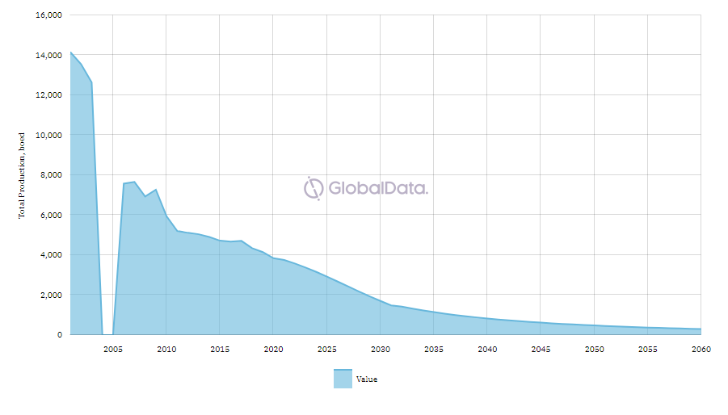
 |  |  |  |  | ECP |  | MI MODELO
 |  |  |  | ANTIOQUIA | 14,656 | 3% | 13595.920274 |  | 1,061 | 7%
 |  |  |  | CASANARE | 49,873 | 10% | 45006.501781 |  | 4,867 | 10%
 |  |  |  | CESAR | 2,877 | 1% | 0 |  | 2,877 | 100%
 |  |  |  | CUNDINAMARCA | 64 | 0% | 0 |  | 64 | 100%
 |  |  |  | HUILA | 23,393 | 5% | 12779.930329 |  | 10,613 | 45%
 |  |  |  | META | 351,063 | 68% | 323688.66058 |  | 27,375 | 8%
 |  |  |  | NORTE DE SANTANDER | 1,502 | 0% | 0 |  | 1,502 | 100%
 |  |  |  | PUTUMAYO | 5,908 | 1% | 1962.0646849 |  | 3,946 | 67%
 |  |  |  | CESAR | 2,877 | 1% | 0 |  | 2,877 | 100%
 |  |  |  | SANTANDER | 56,937 | 11% | 42334.396877 |  | 14,603 | 26%
 |  |  |  | SUCRE | 34 | 0% | 0 |  | 34 | 100%
 |  |  |  | TOLIMA | 3,911 | 1% | 0 |  | 3,911 | 100%
 |  |  |  | BOLIVAR | 14,710 | 3% | 17849.998795 |  | -3,140 | -21%
 |  |  |  |  | 513095.98389 |  | 457217.47332

Compracion (2)
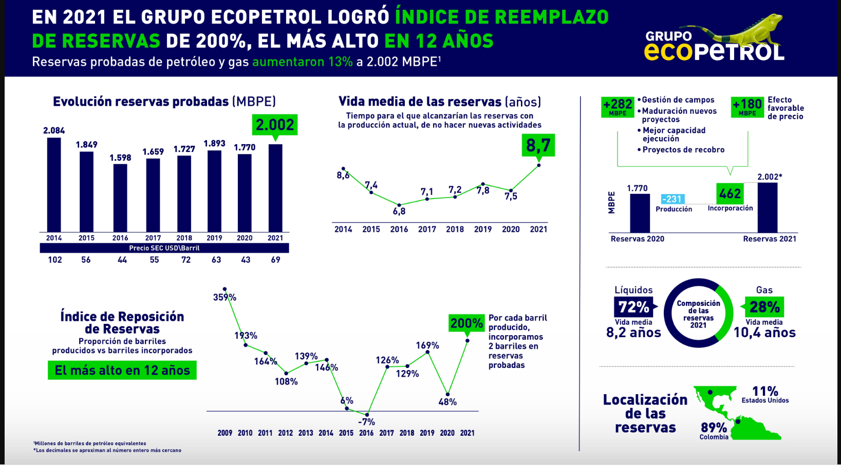
 |  | Según ellos | 5997.4 | scf/boe |  |  |  |  |  |  |  |  |  |  |  |  | 1 | boe = | 5800 | scf

 |  |  |  |  |  |  |  |  | ECP, 2019 |  |  |  |  |  |  | Total production, boed |  |  |  |  |  |  |  |  |  | Mmboe
 | RR (Mmboe) | G (bcf) | O | G |  |  | FR | EC year | Total | O, bl | G, Mpc | Barriles | %O | O | %O, global | 2020 | 2025 | 2030 | 2035 | 2040 | 2045 | 2050 | Pendiente | Intercepto | Produccion@LE (boed) | Potencial estimado | Integral | Error
Chuchupa | 28.7 | 172.1 | 0 | 28.68 | 0% | 100% | 96.08% | 2027 |  |  |  |  | 0% | - |  | 20,000 | 12,500 |  |  |  |  |  | -1500 | 3050000 | 9500 | 37.6863 | 37.6863 | 31%
Akacias | 89.87 | 0 | 89.87 | 0 | 100% | 0% | 24.63% | 2048 | 19757 | 19757 | 0 | 0 | 100% | 89.9 | 100% | 10000 | 16000 | 11000 | 7500 | 5500 | 4000 |  | -371.42857143 | 763928.57143 | 3243 | 67.6710 | 86.2860 | -4%
Apiay Este | 1.37 | 0.0 | 1.35 | 0.015344 | 99% | 1% | 62.78% | 2041 | 285 | 249 | 0 | 36 | 87% | 1.2 | 99% | 400 | 280 | 200 | 120 | 80 |  |  | -16 | 32696 | 40 | 1.6863 | 1.5943 | 16%
Apiay | 2.5 | 0.07 | 2.48825 | 0.01175 | 100% | 0% | 93.18% | 2029 | 3767 | 3692 | 0 | 75 | 98% | 2.5 | 100% | 2950 | 750 |  |  |  |  |  | -440 | 891750 | -1010 | 3.1865 | 3.1865 | 27%
Ballena | 14.92 | 89.54 | 0 | 14.92 | 0% | 100% | 69.06% | 2039 | 3971 | 0 | 23 | 3971 | 0% | - | 0% | 2500 | 3,000 | 2100 | 1800 |  |  |  | -60 | 124000 | 1660 | 14.4248 | 15.4651 | 4%
Castilla | 153.29 | 0 | 153.29 | 0 | 100% | 0% | 70.95% | 2036 | 70554 | 70554 | 0 | 0 | 100% | 153.3 | 100% | 65000 | 37,500 | 22500 | 12500 |  |  |  | -3450 | 7029250 | 5050 | 204.5460 | 190.6760 | 24%
Castilla Este | 0.88 | 0 | 0.88 | 0 | 100% | 0% | 69.83% | 2042 | 226 | 226 | 0 | 0 | 100% | 0.9 | 100% | 150 | 180 | 105 | 90 | 60 |  |  | -5.4 | 11079 | 52 | 0.8118 | 0.8961 | 2%
Castilla Norte | 543.79 | 0 | 543.79 | 0 | 100% | 0% | 31.71% | 2099 | 43276 | 43276 | 0 | 0 | 100% | 543.8 | 100% | 40000 |  | 32500 |  | 27500 |  | 22500 | -575 | 1200750 | -6175 | 487.6719 | 476.8588 | -12%
Rubiales | 272.9 | 0 | 272.29 | 0.61 | 100% | 0% | 71.53% | 2036 | 119309 | 119309 | 0 | 0 | 100% | 272.9 | 100% | 105000 | 75,000 | 40000 | 25000 |  |  |  | -5500 | 11212500 | 14500 | 348.9400 | 341.6400 | 25%
Tello | 16.52 | 1.61 | 16.201164 | 0.318836 | 98% | 2% | 73.63% | 2060 | 4154 | 4154 | 0 | 0 | 100% | 16.5 | 98% | 4000 | 3000 | 1800 | 1000 | 900 | 700 | 500 | -114.28571429 | 234271.42857 | -1157 | 20.7529 | 16.4771 | 0%
Casabe | 21.91 | 0 | 21.91 | 0 | 100% | 0% | 78.65% | 2035 | 10382 | 10382 | 0 | 0 | 100% | 21.9 | 100% | 10500 | 6,000 | 2300 | 1800 |  |  |  | -596 | 1213540 | 680 | 30.6053 | 28.1963 | 29%
Casabe Sur | 8.85 | 0 | 8.85 | 0 | 100% | 0% | 55.53% | 2052 | 1738 | 1738 | 0 | 0 | 100% | 8.9 | 100% | 1600 | 1500 | 1100 | 750 | 500 | 250 | 200 | -52.142857143 | 106953.57143 | -44 | 9.0895 | 9.2355 | 4%
Chichimene | 146.25 | 0 | 146.25 | 0 | 100% | 0% | 58.26% | 2039 | 48972 | 48972 | 0 | 0 | 100% | 146.3 | 100% | 50000 | 35000 | 20000 | 12500 |  |  |  | -2550 | 5199500 | 50 | 173.5484 | 168.3471 | 15%
Chichimene SW | 89.99 | 0 | 89.99 | 0 | 100% | 0% | 42.83% | 2044 | 20119 | 20119 | 0 | 0 | 100% | 90.0 | 100% | 20000 | 17500 | 12500 | 7600 | 6000 |  |  | -758 | 1551460 | 2108 | 96.8330 | 98.1470 | 9%
Cupiagua | 86.96 | 357.74 | 59.628472 | 27.331528 | 69% | 31% | 87.79% | 2035 | 36740 | 5802 | 179 | 30937 | 16% | 13.7 | 69% | 42000 | 22000 | 16000 | 8000 |  |  |  | -2160 | 4401400 | 5800 | 130.8525 | 120.4500 | 39%
Cupiagua Liria | 5.73 | 0 | 5.73 | 0 | 100% | 0% | 61.82% | 2050 | 3033 | 3033 | 0 | 0 | 100% | 5.7 | 100% | 2250 | 1250 | 600 | 400 | 200 | 150 | 100 | -64.642857143 | 132255.35714 | -262 | 10.8816 | 7.7432 | 35%
Cupiagua Sur | 89.27 | 504.38 | 5.213368 | 84.056632 | 6% | 94% | 24.51% | 2059 | 5688 | 1397 | 25 | 4291 | 25% | 21.9 | 6% | 10000 | 18500 | 10000 | 7000 | 5000 | 3500 | 2100 | -419.28571429 | 861260.71429 | -2049 | 56.5943 | 87.2250 | -2%
Cusiana Norte | 10.25 | 60.26 | 0.205 | 10.045 | 2% | 98% | 98.27% | 2025 | 13330 | 802 | 73 | 12528 | 6% | 0.6 | 2% | 8000 | 5000 |  |  |  |  |  | -600 | 1220000 | 5000 | 11.8625 | 11.8625 | 16%
Cusiana | 17.7 | 97.48 | 1.45671 | 16.24329 | 8% | 92% | 97.75% | 2025 | 18304 | 2380 | 92 | 15923 | 13% | 2.3 | 8% | 8000 | 5,000 |  |  |  |  |  | -600 | 1220000 | 5000 | 11.8625 | 11.8625 | -33%
Dina Terciarios | 8.8 | 2.82 | 8.33008 | 0.46992 | 95% | 5% | 77.12% | 2039 | 3090 | 2982 | 1 | 108 | 97% | 8.5 | 95% | 3000 | 2,000 | 1100 | 800 |  |  |  | -150 | 305850 | 0 | 10.4025 | 9.8824 | 12%
Dina Cretaceos | 1.14 | 0.47 | 1.061568 | 0.078432 | 93% | 7% | 73.51% | 2033 | 1290 | 1266 | 0 | 24 | 98% | 1.1 | 93% | 1000 | 300 | 100 |  |  |  |  | -90 | 182716.66667 | -253 | 1.7715 | 1.5738 | 38%
Dina Norte | 1.31 | 0.37 | 1.248954 | 0.061046 | 95% | 5% | 34.71% | 2053 | 483 | 436 | 0 | 47 | 90% | 1.2 | 95% | 480 | 280 | 125 | 90 | 50 | 30 | 25 | -13.857142857 | 28353.571429 | -95 | 2.3178 | 1.6080 | 23%
Florena | 4.72 | 7.45 | 3.47864 | 1.24136 | 74% | 26% | 91.45% | 2030 | 4584 | 4584 | 0 | 0 | 100% | 4.7 | 74% | 3750 | 1750 | 750 |  |  |  |  | -300 | 609583.33333 | 583 | 7.9083 | 7.6042 | 61%
Florena Mirador | 11.27 | 0 | 11.27 | 0 | 100% | 0% | 41.48% | 2067 | 0 |  |  | 0 | #DIV/0! |  | 100% | 2500 | 1,750 | 1250 | 800 | 600 | 400 | 300 | -71.071428571 | 145716.07143 | -1189 | 11.2488 | 8.2620 | -27%
Gibraltar | 3.84 | 23.03 |  | 3.84 | 0% | 100% | 84.08% | 2028 | 5517 | 0 | 32 | 5517 | 0% | - | 0% | 5300 | 1250 |  |  |  |  |  | -810 | 1641500 | -1180 | 6.0152 | 6.0152 | 57%
Infantas | 14.92 | 0.24 | 14.881208 | 0.038792 | 100% | 0% | 75.69% | 2043 | 12435 | 12275 | 1 | 160 | 99% | 14.7 | 100% | 10000 | 4000 | 1000 | 500 | 400 |  |  | -454 | 924800 | -2722 | 30.5494 | 20.9791 | 41%
La Cira | 43.42 | 16.96 | 40.593358 | 2.826642 | 93% | 7% | 76.19% | 2042 | 30544 | 30060 | 3 | 484 | 98% | 42.7 | 93% | 25000 | 12500 | 4500 | 2500 | 1000 |  |  | -1160 | 2363900 | -4820 | 81.0227 | 63.7582 | 47%
Orito | 7.3 | 4.54 | 6.54372 | 0.75628 | 90% | 10% | 77.58% | 2044 | 1962 | 1962 | 0 | 0 | 100% | 7.3 | 90% | 2000 | 1250 | 900 | 600 | 400 |  |  | -77 | 157340 | -48 | 8.5498 | 7.6738 | 5%
Pauto Sur Recetor | 0.58 | 0 | 0.58 | 0 | 100% | 0% | 91.83% | 2031 | 60862 | 26404 | 200 | 34459 | 43% | 0.3 | 100% | 500 | 200 | 80 |  |  |  |  | -42 | 85310 | 8 | 1.0198 | 0.9596 | 65%
Pauto Sur | 130.22 | 284 | 82.88503 | 47.33497 | 64% | 36% | 63.76% | 2018 | 605 | 605 | 0 | 0 | 100% | 130.2 | 64% | 55000 | 31000 | 15000 | 8000 |  |  |  | -3140 | 6393600 | 57080 | -40.9092 | -39.3762 | -130%
San Francisco | 24.09 | 0 | 24.09 | 0 | 100% | 0% | 73.74% | 2064 | 4233 | 4233 | 0 | 0 | 100% | 24.1 | 100% | 4000 | 3500 | 2500 | 2000 | 1500 | 1250 | 1000 | -103.57142857 | 213017.85714 | -754 | 26.0688 | 24.4915 | 2%
Teca | 5.59 | 0 | 5.59 | 0 | 100% | 0% | 69.21% | 2047 | 1477 | 1477 | 0 | 0 | 100% | 5.6 | 100% | 1400 | 1250 | 750 | 450 | 250 |  |  | -62 | 126680 | -234 | 5.7455 | 5.9426 | 6%
Tello | 16.52 | 1.91 | 16.201164 | 0.318836 | 98% | 2% | 73.63% | 2060 | 4154 | 4154 | 0 | 0 | 100% | 16.5 | 98% | 4000 | 3000 | 1800 | 1250 | 1000 | 750 |  | -130.28571429 | 266772.38095 | -1616 | 17.4018 | 14.4470 | -13%
Yarigui | 90.73 | 10.09 | 89.051495 | 1.678505 | 98% | 2% | 50.83% | 2061 | 18271 | 17850 | 2 | 421 | 98% | 88.6 | 98% | 19000 | 16000 | 10000 | 7000 | 4500 | 3000 | 2000
 |  |  |  | 0
Bonga | ca | 23.75 | #VALUE! | #VALUE! | #VALUE! | #VALUE! | 30.91% | 2049
Provincia | 6.24 | 11.14 | 4.384224 | 1.855776 | 70% | 30% | 77.26% | 2041 |  |  |  |  |  |  |  | 3700
Mamey | 18.81 | 112.29 | 0.092169 | 18.717831 | 0% | 100% | 29.60% | 2042 |  |  |  |  |  |  |  | 4500
Bonanza | 9.35 | 4.19 | 8.651555 | 0.698445 | 93% | 7% | 51.98% | 2068 |  |  |  |  |  |  |  | 1800

 |  |  |  |  |  |  |  |  |  |  |  |  |  |  |  | 529280 | be/d
 |  |  |  |  |  |  |  |  |  |  |  |  |  |  |  | 193187200 | be/d
RESERVAS TOTAL | 1,984.9 | Mmboe |  |  |  |  |  |  |  |  |  |  |  |  |  | 193.2 | Mbe/d
RESSERVAS CRUDO | 1725.295006 | Mmboe | 87% |  |  |  |  |  |  |  |  |  |  |  |  | g | o
RESERVAS DE GAS | 259.6 | Mmboe | 13% |  |  |  |  |  |  |  |  |  |  |  |  | 25.114 | 168
RESREVAS GAS | 1,635.0 | Bscf
 | 1,635,045,344,000.0 | Scf
 | 272.6 |  |  |  |  |  |  | según ecp |  |  |  |  |  |  |  | Según yo
 |  |  |  |  |  |  |  | 71 |  |  |  |  |  |  |  | 87%
 | 1635045.344 | Mscf |  |  |  |  |  | 29 |  |  |  |  |  |  |  | 13%
 | 148640.48582 | Mscf |  |  |  |  |  |  |  |  | Total Reservas | 1,984.9 | Mmboe
 | 407.23420772 | Mscf |  |  |  |  |  |  |  |  | Total O | 1,737.8

 | 1000 | Mscf
 | 365000
 | 4.5 | años

