Sheet1
Tên | Art | Animations (PNG sequences) |  |  |  |  |  |  |  |  | Note
 |  | Idle | Walk | Jump | ATK | Jump_atk | Throw | Blade | Hit | Defeat
Foxy v01 |  | fps: 200ms/frame fox_idle_1 - 2 | fps: 100ms/frame fox_walk_1-2-3-4 | fox_jump_1 (move up) fox_jump_2 (move down) | fps: 200ms/frame fox_atk_1 - 2 | fps: 200ms/frame fox_jump_atk_1 - 2 | fps: 200ms/frame [fox_blade] -> [fox] + blade_throw_1.png rotate 360 or rotate 90 -180 - 270 - 360/frame | hit_wall : blade_target_1 - 3 - 2 - 3 fox_landing : blade_target_4 - 3 - 2 fox_jump_out: blade_target_4 - 1 - 2 - 3 - 2 - 3 blade_item : blade_anim_1-2-3-4-5-4-3-2 (loops) | fps: 200ms/frame fox_hit_1 - 2 - 3 | fps: 100ms/frame fox_hit_1 - 2 - 3 - fox_defeat_1 - 2 | Chuyển đổi anim giữa 2 folder [fox_blade] + [fox]

Foxy v02 |  | fox_idle_1 - 2 | fox_walk_1-2-3-4 | fox_jump_1 (move up) fox_jump_2 (move down) | fox_atk_1 - 2 | fox_jump_atk_1 - 2 | [fox_hat_blade] -> [fox_hat] + blade_throw_1.png rotate 360 or rotate 90 -180 - 270 - 360/frame | hit_wall : blade_target_1 - 3 - 2 - 3 fox_landing : blade_target_4 - 3 - 2 fox_jump_out: blade_target_4 - 1 - 2 - 3 - 2 - 3 blade_item : blade_anim_1-2-3-4-5-4-3-2 (loops) | fox_hit_1 - 2 - 3 | fox_hit_1 - 2 - 3 - fox_defeat_1 - 2 | Chuyển đổi anim giữa 2 folder [fox_hat_blade] + [fox_hat]

Barrel |  | barrel_01(1sencond)-02 |  |  | fps: 100ms/frame barrel_atk_01-02-03-04-05-04-05-04-05-03-02 |  |  |  | fps: 200ms/frame barrel_hit_01-02

Minion 03

Terrain | 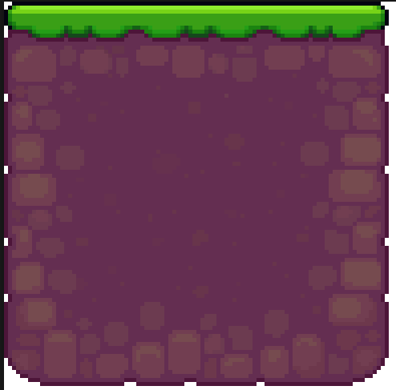

Palm Tree 01 |  | fps: 200ms/frame

Palm Tree 02 |  | back_palm_tree_left_01-02-03-04 back_palm_tree_right_01-02-03-04 back_palm_tree_regular_01-02-03-04

Chest |  | close_idle : chest_open_01-02 open : chest_open_01-02-03-04-05 open_idle : chest_open_05 close_no_key: chest_close_01-02-03

Chest_gold |  | close_idle : chest_close_04 open : chest_gold_open_01-02-03-04-05 open_idle : chest_gold_open_05 close : chest_gold_open_01-02-03-04

Mushroom |  |  | fps: 200ms/frame mushroom_01-02-03-02 |  |  |  |  |  | fps: 200ms/frame mushroom_hit_01-02-03

Mushroom |  |  | fps: 200ms/frame crab_01-02-01-03 |  |  |  |  |  | fps: 200ms/frame crab_hit_01-02-crab_03-02

Starfish |  |  | fps: 200ms/frame starfish_01-02-01-03 |  | fps: 100ms/frame starfish_atk_01 -[02-03-04-05] - 06 |  |  |  | fps: 200ms/frame starfish_hit_01-02

Turtle_Blue |  | idle: turtle_blue_01 out: turtle_blue_01-02-03-04-05 in: turtle_blue_05-04-02-01 | fps: 200ms/frame turtle_blue_walk_01-02 |  |  |  |  |  | fps: 200ms/frame starfish_hit_01-02

Turtle_green |  | idle: turtle_green_01 out: turtle_green_01-02-03-04-05 in: turtle_green_05-04-02-01 | fps: 200ms/frame turtle_green_walk_01-02

Pelican |  |  | fps: 100ms/frame pelican_01-02-03-04 |  | fps: 200ms/frame pelican_atk_01-02-03

Native |  |  | fps: 200ms/frame native_1-2-3-4-1-2-3-5 |  | fps: 200ms/frame native_8-9-10-11 |  |  |  | fps: 200ms/frame native_6-7-8

Pear |  | idle: spear_5-6-7-8 (fps: 300ms/frame) idle_atk: spear_13-14-15-16 (fps: 100ms/frame) detect: spear_9-10 (fps: 300ms/frame) | fps: 300ms/frame spear_1-2-3-4 |  | fps: 200ms/frame spear_11-12 |  |  |  | fps: 200ms/frame spear_17-18

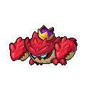

King_Crab |  | idle_atk: King_Crab_17-18 (fps: 400ms/frame) idle_stun: King_Crab_23-24-25-26 (fps: 50ms/frame) | fps: 200ms/frame King_Crab_1-2-3-4 |  | fps: 100ms/frame atk_1: King_Crab_14-15-[idle_atk] + [bullet] - 19 - 20-21-22 - [idle_stun] -27-28 atk_2: King_Crab_[5-6-7-8] -9-10-11-12-13 bullet: King_Crab_31-32 |  |  |  | fps: 200ms/frame King_Crab_29-30

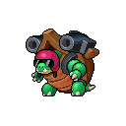
War_Lord_Turtle |  | idle: war_lord_turtle7 - 8 - 9 -10 (fps: 200ms/frame) | fps: 200ms/frame King_Crab_1-2-3-4 |  | fps: 100ms/frame atk_1: war_lord_turtle1-2-3-4-5-6 atk_2: war_lord_turtle11-12-13-14-15-16-14-15-16-17-18-12-11 |  |  |  | fps: 200ms/frame war_lord_turtle19-20

