mort_20common

The Twenty Most Common Causes of Cancer Deaths: 2017-2019

Annual Average Number of Deaths, UK

Cancer Site | Female | Male
Lung (C33-C34) | 16,140 | 18,631
Bowel (C18-C20) | 7,614 | 9,193
Prostate (C61) | - | 12,039
Breast (C50) | 11,415 | 85
Pancreas (C25) | 4,680 | 4,877
Cancer of Unknown Primary (C77-C80) | 5,035 | 4,460
Oesophagus (C15) | 2,503 | 5,539
Liver (C22) | 2,272 | 3,557
Bladder (C67) | 1,763 | 3,792
Brain, Other CNS & Intracranial Tumours (C70-C72, C75.1-C75.3, D32-D33, D35.2-D35.4, D42-D43, D44.3-D44.5) | 2,397 | 3,059
Non-Hodgkin Lymphoma (C82-C86) | 2,168 | 2,741
Leukaemia (C91-C95) | 1,970 | 2,860
Kidney (C64-C66,C68) | 1,772 | 2,937
Stomach (C16) | 1,541 | 2,676
Head and Neck (C00-C14, C30-C32) | 1,205 | 2,939
Ovary (C56-C57.4) | 4,142 | -
Myeloma (C90) | 1,361 | 1,736
Uterus (C54-C55) | 2,453 | -
Mesothelioma (C45) | 406 | 1,988
Melanoma Skin Cancer (C43) | 984 | 1,357
Other Sites | 6,688 | 5,105

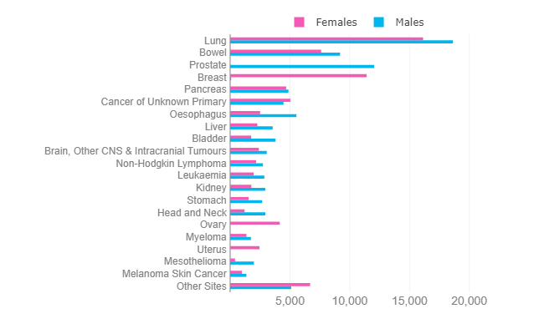

Data in this chart do not sum to the all cancers combined total provided elsewhere, because 'Brain, other CNS and intracranial tumours' includes tumours that are malignant and non-malignant but only the malignant tumours are included in 'all cancers combined' total.

Source: cruk.org/cancerstats

You are welcome to reuse this Cancer Research UK statistics content for your own work.
Credit us as authors by referencing Cancer Research UK as the primary source.
Suggested style: Cancer Research UK, full URL of the page, Accessed [month] [year].

