Sheet1
CASE 1 | RT:1 | RT:5 | RT10 | CASE 2 at 10 kn | RT:1 | RT:5 | RT:10 | CASE 3 at 10 kn (5m/s) | mixed | deep | shallow | CASE 5 | DR:500 | DR:1000 | DR:1500 | DR:2000 | DR:3000 | CASE 6 | IBI:30 | IBI:60 | IBI:120 | IBI:300 | average | Decrease 60/120 | Decrease 30/60 | Decrease 30/300
RDR | 1 | 0.99552302996 | 0.90498720519 | Reaction Time @ 5m/s | 1 | 0.99382895165 | 0.89837629936 | ITDP at 5m/s | 0.99382895165 | 0.98490230146 | 1 | RT:60 @5m/s | 1 | 1 | 1 | 1 | 1 | RT 60 | 0.99486456177 | 0.99127689943 | 0.99691876751 | 0.99353827751 | 99.41% | -0.34% | -0.36% | -0.13%
MDR | 0.99080952381 | 0 | 0 | decrease from RT1 |  | -0.62% | -10.16% | behavior diff wrt mixed |  | -0.89% | 0.62% | RT:60@10m/s | 0.9945778032 | 0.99127689943 | 0.99666666667 | 0.99391833373 | 0.99923076923 | RT 300 | 0.87477515319 | 0.80669810473 | 0.73837542788 | 0.71785687251 | 78.44% | -2.05% | -6.81% | -15.69%
mdr/rdr diff for same RT | -0.92% | -99.55% | -90.50% |  |  |  |  | behavior diff shallow/deep |  |  | 1.51% | RT:600@5m/s | 0.80057215836 | 0.89837629936 | 0.95527925014 | 0.97153970552 | 0.99477299797 | RT 600 | 0.11777509529 | 0.088285873746 | 0.070527073366 | 0.072156130624 | 8.72% | 0.16% | -2.95% | -4.56%
RDR diff vs. RT1 |  | -0.45% | -9.50% | Reaction Time @ 10m/s | 0.99127689943 | 0.80669810473 | 0.088285873746 |  |  |  |  | RT:600@10m/s | 0.056296232414 | 0.088285873746 | 0.14093983874 | 0.26986740422 | 0.52410786713 | diff RT60/300 | -12.01% | -18.46% | -25.85% | -27.57% | -20.97% | average= | average=
MDR diff vs RT1 |  | -99.08% | -99.08% | decrease from RT1 |  | -18.46% | -90.30% | ITDP at 10m/s | 0.80669810473 | 0.70056581809 | 0.95176646888 |  |  |  |  |  |  | diff RT60/600 | -87.71% | -90.30% | -92.64% | -92.14% | -90.70% | -0.74% | -3.37%
 |  |  |  |  |  |  |  | behavior diff wrt mixed |  | -10.61% | 14.51% |  |  |  |  |  |  | diff RT300/600 | -75.70% | -71.84% | -66.78% | -64.57% | -69.72%
 |  |  |  | Reaction Time @ 15m/s | 0.9847423913 | 0.25717120055 | 0.0014613911359 | behavior diff shallow/deep |  |  | 25.12% | diff rt600, 5vs10m/s | -74.43% | -81.01% | -81.43% | -70.17% | -47.07%
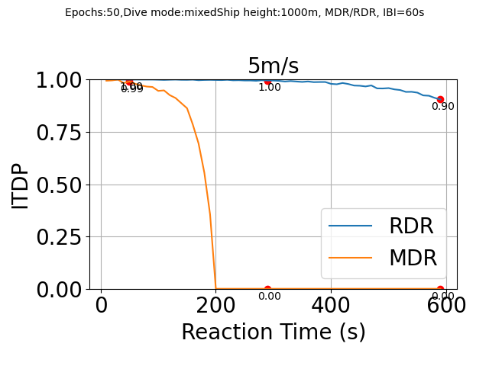
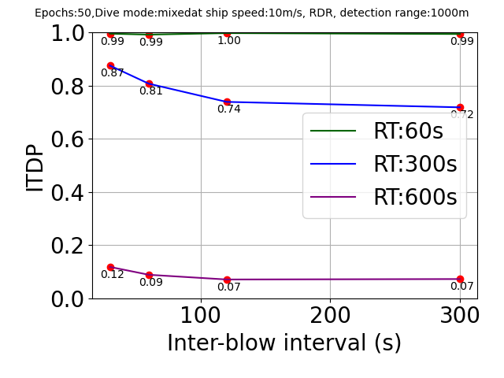
 |  |  |  |  |  | -72.76% | -98.33% |  |  |  |  | diff rt60/600
 |  |  |  |  |  |  |  | ITDP at 15m/s | 0.25717120055 | 0.20769540392 | 0.40537495192 | diff wrt DR500

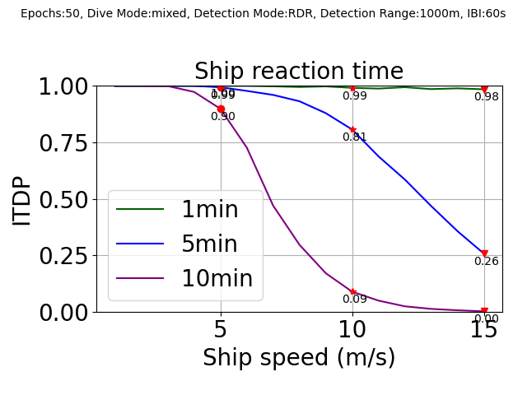

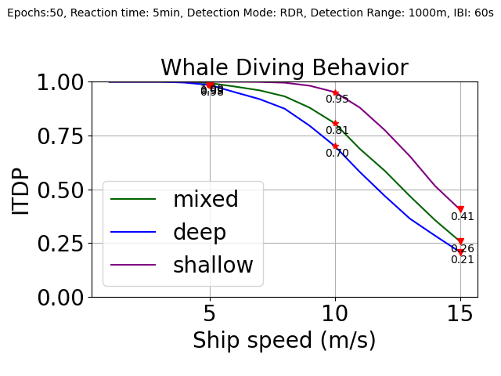

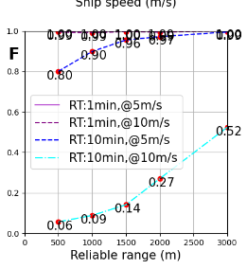

pycharm added
calculated in excel

