FE_vs_Pooled_FDP_table_2022-08-
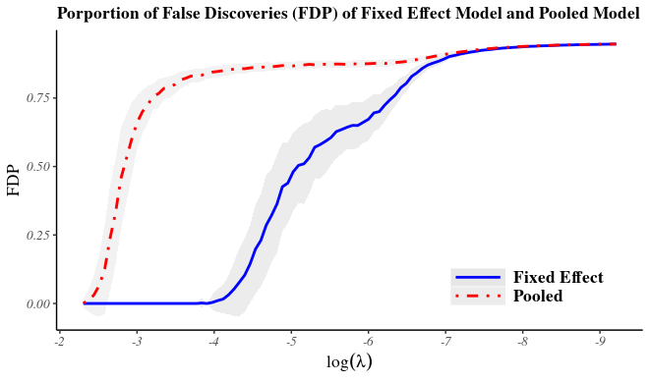
200 Units & poisson(100) & rho = 0.6

Beta | FE.FD.Mean | FE.FD.Sd | FE.FDP.Mean | FE.FDP.Sd | pooled.FD.Mean | pooled.FD.Sd | pooled.FDP.Mean | pooled.FDP.Sd
0.3 | 12.3 | 5.41 | 0.69 | 0.09 | 43.75 | 4.28 | 0.9 | 0.01
0.4 | 12.28 | 5.69 | 0.68 | 0.1 | 42.6 | 4.68 | 0.89 | 0.01
0.5 | 12.81 | 5.48 | 0.69 | 0.09 | 41.34 | 4.66 | 0.89 | 0.01
0.6 | 12.39 | 4.96 | 0.69 | 0.09 | 40.73 | 4.38 | 0.89 | 0.01
0.7 | 12.69 | 5.5 | 0.69 | 0.09 | 39.88 | 4.63 | 0.89 | 0.01
0.8 | 12.46 | 5.41 | 0.69 | 0.09 | 38.79 | 4.97 | 0.88 | 0.01
0.9 | 12.55 | 5.29 | 0.69 | 0.09 | 38.2 | 4.84 | 0.88 | 0.01
1 | 13.13 | 5.23 | 0.7 | 0.08 | 38.24 | 4.87 | 0.88 | 0.01

