Sheet1
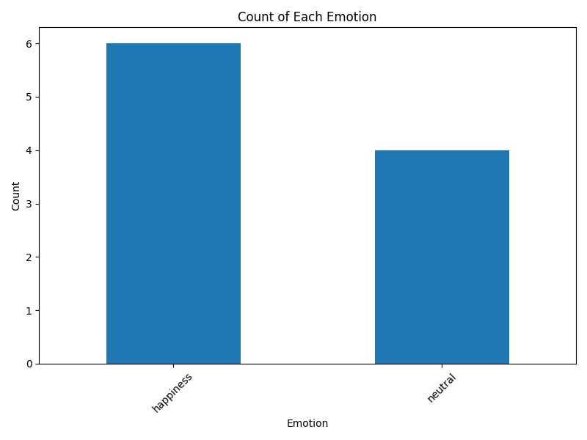
Name | Start Time | Stop Time | Start Emotion | Middle Emotion | Stop Emotion | Emotion
 | 2024-02-27 14:32:01
Umair Ahmed |  | 2024-02-27 14:32:10 |  |  |  | happiness
 | 2024-02-27 14:34:59
Umair Ahmed |  | 2024-02-27 14:35:06 |  |  |  | happiness
 | 2024-02-27 14:45:45
Umair Ahmed |  | 2024-02-27 14:45:52 |  |  |  | happiness
 | 2024-02-27 14:53:28
 |  | 2024-02-27 14:53:36 | 0 | 3 | 6
 | 2024-02-27 15:03:56
 | 2024-02-27 15:05:47
 | 2024-02-27 15:08:34
 | 2024-02-27 15:12:35
 | 2024-02-27 15:15:37
 | 2024-02-27 15:18:34
 | 2024-02-27 15:25:24
userName is Umair |  |  | happiness | happiness | happiness | happiness
 | 2024-02-27 15:29:35
 | 2024-02-27 15:31:41
Umair Ahmed |  |  | neutral | neutral | neutral | neutral
 |  | 2024-02-27 15:31:47
 | 2024-02-27 15:36:48
 | 2024-02-27 15:38:22
 |  |  | happiness | happiness | neutral | neutral
 |  | 2024-02-27 15:38:32
 |  | 2024-02-27 15:46:52 | neutral | neutral | happiness | neutral
Shaheer Ahmed |  | 2024-02-27 15:49:44 | neutral | neutral | neutral | neutral
Umair Ahmed | 2024-02-27 15:52:57 | 2024-02-27 15:53:07 | neutral | happiness | happiness | happiness
Sameen Zubair | 2024-02-27 15:58:21 | 2024-02-27 15:58:31 | happiness | happiness | anger | happiness

