explanations_lifestyle_factors
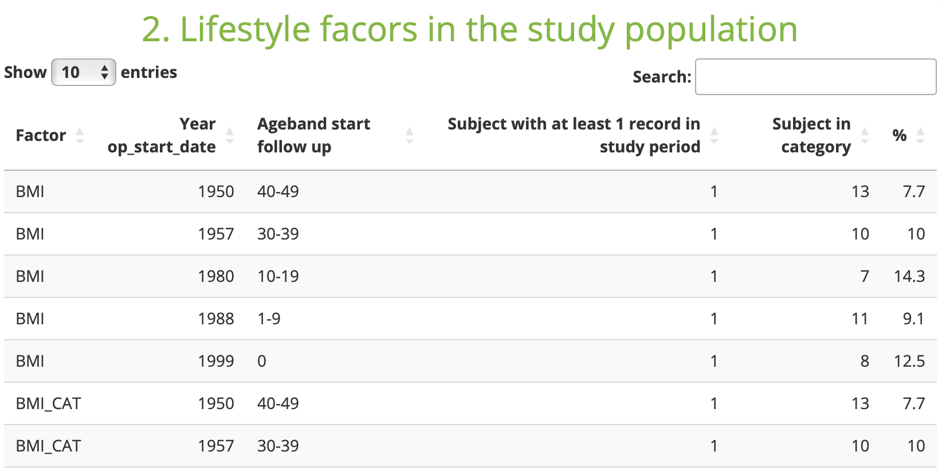
LIFESTYLE_FACTORS |  | Level
The lifestyle_factors script can be used to assess the availability of covariates needed for the study.
You can specify the table where it stored, variable and the value to look for. It can be specific or get an overall distribution of the variable.
Variable_name | The name of the variable of interest. | DAP_specific
Example: You are interested in looking at the availability of SMOKING in the datasource. | SMOKING
The name of this variable ca be created by the PI or the DAP.
CDM_table | The name of the ConcePTION CDM table where the variable is stored. | DAP_specific
Example: The smoking information is saved in the SURVEY_OBSERVATIONS table. | SURVEY_OBSERVATIONS
CDM_column | The name of the ConcePTION CDM column where the variable is stored. | DAP_specific
Example: The smoking information is saved in the so_source_column of the SURVEY_OBSERVATIONS table. | so_source_column
value | The name of the original variable. | DAP_specific
Example: The smoking information is saved with the value smoking_category(name of original variable as it appears in the datasource). | smoking_category
Example: The smoking information is saved with the value cigarettes_per_day(name of original variable as it appears in the datasource). | cigarettes_per_day
c.voc | The name of the CDM column where you saved the vocabulary representing the variable of interest | DAP_specific
Example: The information about the category or vocabulary is stored in the variable so_source_value. | so_source_value
Example: No vocabulary
If no vocabulary leave empty.
v.voc | The value of interest from the variable of interest. | DAP_specific
Example: You are interested only at the category 1 of the smoking_category variable. | 1
Example: The variable is a continous variable and you don't have a prespecified value in mind. Leave empty.
If no vocabulary leave empty.

SURVEY_OBSERVATIONS table
 | SMOKING in the datasource appears as a categorical and continous vaiable. We want to see the availability of smoking no matter how it is stored. In this case we need to create two Variable_name one for the categorical and one for the continous variable, respectively SMOKING_CAT and SMOKING.
 | Our CDM_table in both cases is SURVEY_OBSERVATIONS.
 | The CDM_column is so_source_column as both our varaible of interest are stored here.
 | The value will be smoking_category for the SMOKING_CAT and cigarettes_per_day for SMOKING.
 | For the continous variable we will not specify c.voc and v.voc. The script will count how many subjects have the column cigarettes_per_day.
 | For the categorical variable we will specify the categories we are interested in(if any). Lets say we want to look at the value 1. In this case c.voc will be set to so_source_value and the value 1 at v.voc.
 | If we don't want to look at the availability separately between the categorical or continous variable then we can add values to the value column by separating them by comma.
Example on how to fill out:

Example output:

Example: BMI
MEDICAL_OBSERVATIONS table
 | BMI in the datasource appears as a categorical variable with values high/medium/low. We want to see the availability of BMI for the category high and also the total availability. In the first case we need to specify the high category in v.voc variable and in the second both c.voc and v.voc will remain empty.
 | Our CDM_table in both cases is MEDICAL_OBSERVATIONS.
 | The CDM_column is mo_meaning as both our varaible of interest are stored here.
 | The value will be bmi for the both variables.
 | For the total availability we will not specify c.voc and v.voc. The script will count how many subjects have the column bmi.
 | For the categorical variable we will specify the categories we are interested in(if any). Lets say we want to look at the value high. In this case c.voc will be set to mo_source_value and the value high at v.voc.

Example how to fill out:

Example output:

