Sheet2
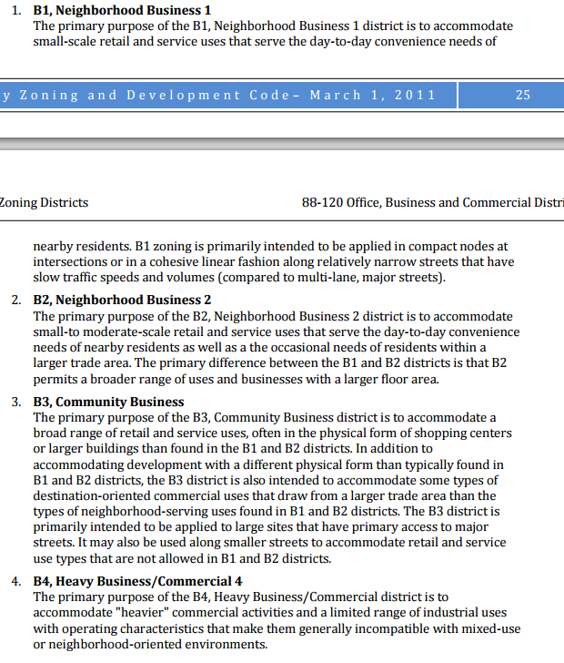
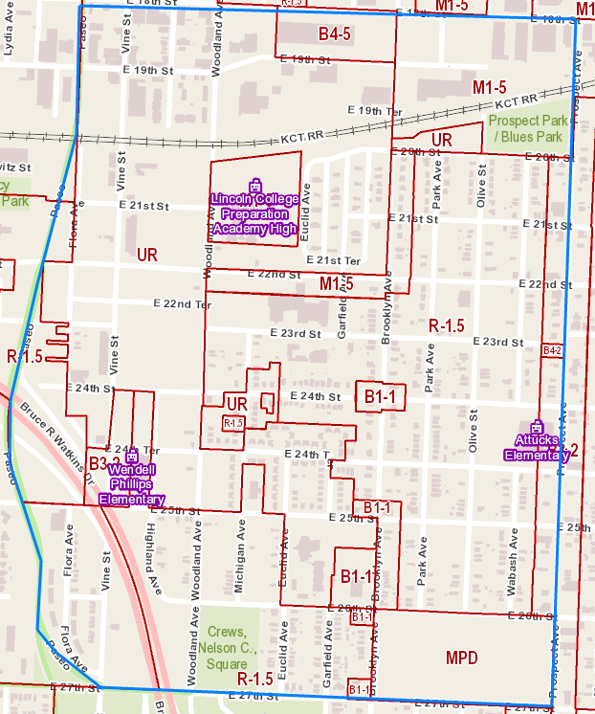
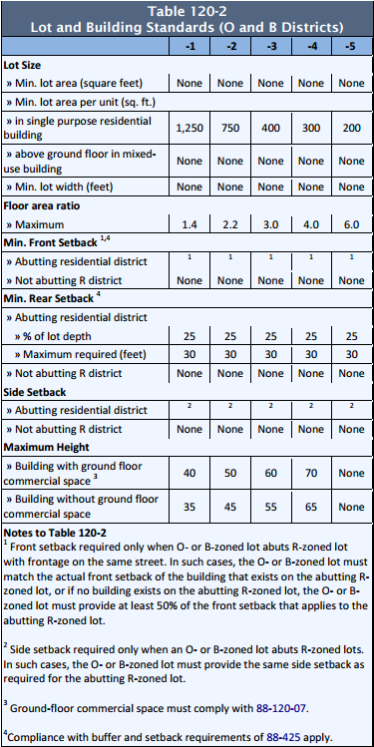
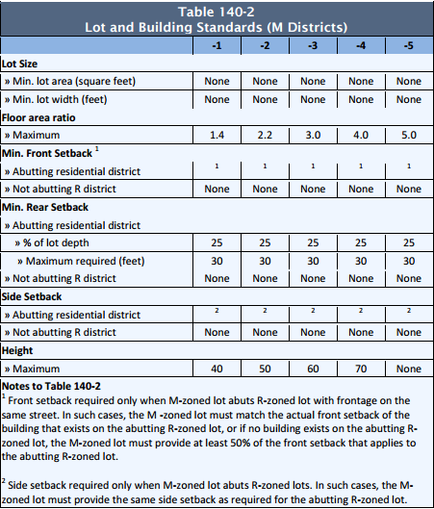
zoningType | lotCoverageRatio | farMaximum | parkingIndex | R-1.5 |  | B1-1 |  | b3-2
UR |  |  |  | depth | 125 | depth | 125 | depth | 125
R-1.5 | 48% | N/A | 2.5 | width | 25 | width | 25 | width | 25
MPD | N/A | N/A | N/A | sideSetback | 10% | sideSetback | 10% | sideSetback | 10%
B1-1 | 59% | 1.4 | 2.5 | frontSetback | 15% | frontSetback | 15% OR 7.5% | frontSetback | 15% OR %7.5
B3-2 |  | 3 | 3 | rearSetback | 25% | rearSetback | 25% | rearSetback | 25%
B4-2 |  | 4 | 3 | Height | 45 | Height | 40 | Height | 55
B4-5 |  | 4 | 3
M1-5 |  | 1.4 | 1 per 4 employee

