Template
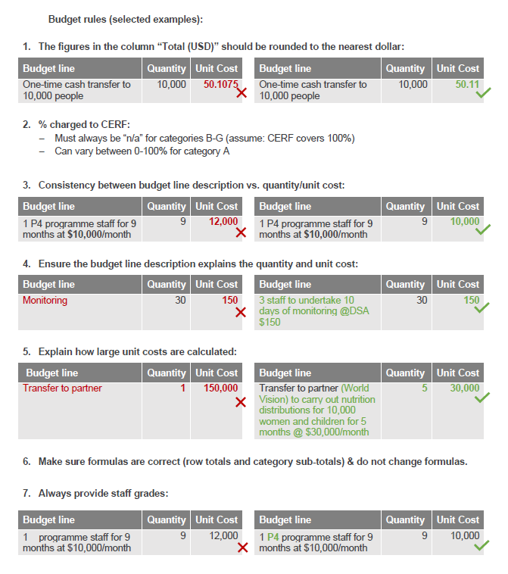
Budget Lines | Cost Breakdown
 | Description of Unit | Quantity | Unit Cost | % Charged to CERF | Total (USD) | INSTRUCTIONS
A. Staff and Other Personnel Costs Please itemize costs of staff, consultants and other personnel recruited directly by the agency for project implementation. Indicate international or national staff, level, title, number and unit cost of each type of personnel. Staff and other personnel costs should be kept to the essentials for emergency response. Please indicate the percentage of dedication to CERF project for each person to determine total cost correctly.
Costs between readiness trigger and action trigger |  |  |  |  | - | 1. In column A, add # staff and # months. 2. In quantity insert total (= #staff * #months). 3. In unit cost, insert cost per staff per month (max 2 decimal places). 4. In percent to be charged to CERF, insert a value between 1-100% 5. Delete any lines that are not-applicable
[As a general rule, agencies should not budget existing staffing costs (Category A) as a readiness activity given the short period between readiness trigger and potential activation trigger] |  |  |  |  | -
Costs if action trigger is reached |  |  |  |  | -
P5 staff [please state functional area (e.g. programme, logistics) # staff and # months] | person-months |  |  |  | -
P4 staff [please state functional area (e.g. programme, logistics) # staff and # months] | person-months |  |  |  | -
P3 staff [please state functional area (e.g. programme, logistics) # staff and # months] | person-months |  |  |  | -
P2 staff [please state functional area (e.g. programme, logistics) # staff and # months] | person-months |  |  |  | -
NOA staff [please state functional area (e.g. programme, logistics) # staff and # months] | person-months |  |  |  | -
NOB staff [please state functional area (e.g. programme, logistics) # staff and # months] | person-months |  |  |  | -
NOC staff [please state functional area (e.g. programme, logistics) # staff and # months] | person-months |  |  |  | -
G6 staff [please state functional area (e.g. programme, logistics) # staff and # months] | person-months |  |  |  | -
G5 staff [please state functional area (e.g. programme, logistics) # staff and # months] | person-months |  |  |  | -
G4 staff [please state functional area (e.g. programme, logistics) # staff and # months] | person-months |  |  |  | -
SSC staff [please state functional area (e.g. programme, logistics) # staff and # months] | person-months |  |  |  | -
Consultant [please state functional area (e.g. programme, logistics) # staff and # months] | person-months |  |  |  | -
 |  |  |  |  | -
Sub-Total A: |  |  |  |  | -
B. Supplies, Commodities, Materials Please itemize costs of consumables to be purchased under the project, including associated transportation, freight, storage and distribution costs.
Costs between readiness trigger and action trigger |  |  |  | n/a | - | For transportation/handling costs 1. In column A, state which supplies are concerned (e.g. Transportion of shelter kits budget line 18) 2. In Quantity put % 3. In Unit/cost, put the total cost of the actual items being procured
[fill in as needed, MAX 10 budget lines] |  |  |  | n/a | -
Costs if action trigger is reached |  |  |  | n/a | -
[fill in as needed, MAX 10 budget lines] |  |  |  | n/a | -
Sub-Total B: |  |  |  |  | -
C. Equipment Please itemize costs of non-consumables to be purchased under the project.
Costs between readiness trigger and action trigger | Units |  |  | n/a | -
IT equipment [specify if computer or tablet] |  |  |  | n/a | - | Fill in Quantity and Unit cost if applicable; else leave blank
[fill in as needed, MAX 10 more budget lines] |  |  |  | n/a | - | If you need more than 10 additional budget lines, create a new tab with the breakdown.
Costs if action trigger is reached |  |  |  | n/a | -
IT equipment [specify if computer or tablet] |  |  |  | n/a | -
[fill in as needed, MAX 10 more budget lines] |  |  |  | n/a | -
 |  |  |  | n/a | -
Sub-Total C: |  |  |  |  | -
D. Contractual Services Please itemize works and services of commercial nature to be contracted under the project. Please provide the names of contractors, if known.
Costs between readiness trigger and action trigger |  |  |  | n/a | -
[fill in as needed, MAX 5 budget lines] |  |  |  | n/a | -
 |  |  |  | n/a | -
 |  |  |  | n/a | -
 |  |  |  | n/a | -
Costs if action trigger is reached |  |  |  | n/a | -
[fill in as needed, MAX 5 budget lines] |  |  |  | n/a | -
 |  |  |  | n/a | -
 |  |  |  | n/a | -
 |  |  |  | n/a | -
Sub-Total D: |  |  |  |  | -
E. Travel Please itemize travel costs of staff, consultants and other personnel for project implementation. Please provide the purpose, destination, number of travellers, transportation costs, number of days and DSA rate for the trips. Generally, except for international travel of surge personnel to the emergency, other international travel is discouraged.
Costs between readiness trigger and action trigger |  |  |  | n/a | -
DSA for missions [please state # staff, # days and DSA rate] | staff days |  |  | n/a | - | 1. In column A insert # staff, # days and DSA rate. 2. In Quantity insert total (= # staff * # days). 3. In Unit cost insert DSA rate
International airfare | tickets |  |  | n/a | - | 1. In quantity insert # of tickets. 2. In Unit cost insert avg cost per ticket. Max 2 decimals
Domestic airfare (excl UNHAS) | tickets |  |  | n/a | - | 1. In quantity insert # of tickets. 2. In Unit cost insert avg cost per ticket. Max 2 decimals
UNHAS airfare | flights |  |  | n/a | - | 1. In quantity insert # of flights. 2. In Unit cost insert avg cost per ticket. Max 2 decimals
Terminal expenses [please state # staff, # flights and terminal rate] | terminal expenses |  |  | n/a | - | 1. In quantity insert # of staff* # of flights. 2. In Unit cost insert terminal rate
Vehicle hire [please state #days, # vehicles and amount per day] | days |  |  | n/a | - | 1. In column A insert # days, # vehicles and amount per day. 2. In Quantity insert # days * # vehicles 3. In Unit cost insert amount per day
Fuel for vehicles [please state # vehicles, # days and amount per day] | days |  |  | n/a | - | 1. In column A insert # days, # vehicles and amount per day. 2. In Quantity insert # days * # vehicles 3. In Unit cost insert amount per day
Costs if action trigger is reached |  |  |  | n/a | -
DSA for missions [please state # staff, # days and DSA rate] | staff days |  |  | n/a | -
International airfare | tickets |  |  | n/a | -
Domestic airfare (excl UNHAS) | tickets |  |  | n/a | -
UNHAS airfare | flights |  |  | n/a | -
Terminal expenses [please state # staff, # flights and terminal rate] | terminal expenses |  |  | n/a | -
Vehicle hire [please state #days, # vehicles and amount per day] | days |  |  | n/a | -
Fuel for vehicles [please state # vehicles, # days and amount per day] | days |  |  | n/a | -
Sub-Total E: |  |  |  | n/a | -
F. Transfers and Grants to Counterparts Please provide breakdown by implementing partners (typically Government partners and NGOs). Please provide the name of partners, if known. For each partner, please provide a brief description of its role and a general breakdown of budget.
Costs between readiness trigger and action trigger |  |  |  | n/a | -
[fill in as needed. MAX 10 budget lines. Please use 1 line per partner. For each partner please provide: - partner name (put TBC if not available) - partner type (govt, INGO, NNGO, Red Cross/Crescent, TBC) - very brief description of partner's role (e.g. distributing food) - approx number of beneficiaries For trainings, please state purpose of training, #participants, #days and amount per day.] |  |  |  | n/a | - | Implementing partners: For quantity and unit cost - Ideally put quantity = # beneficiaries and unit cost = $cost/beneficiary OR - put quantity = #months and unit cost = $cost/month For trainings: 1. In Quantity insert #participants * # days 2. In Unit cost, insert cost per person per day
 |  |  |  | n/a | -
 |  |  |  | n/a | -
Costs if action trigger is reached |  |  |  | n/a | -
[fill in as needed. MAX 10 budget lines. Please use 1 line per partner. For each partner please provide: - partner name (put TBC if not available) - partner type (govt, INGO, NNGO, Red Cross/Crescent, TBC) - very brief description of partner's role (e.g. distributing food) - approx number of beneficiaries For trainings, please state purpose of training, #participants, #days and amount per day.] |  |  |  | n/a | -
 |  |  |  | n/a | -
 |  |  |  | n/a | -
 |  |  |  | n/a | -
Sub-Total F: |  |  |  |  | -
G. General Operating and Other Direct Costs Please include general operating expenses and other costs directly required for project implementation. CERF does not fund recurrent costs of regular agency operations and programmes.
Costs between readiness trigger and action trigger |  |  |  | n/a | -
Office rent including utlities [please state office location(s)] | Months |  |  | n/a | - | 1. In quantity put # months. 2. In unit cost put amount per month
Office supplies | Months |  |  | n/a | - | 1. In quantity put # months. 2. In unit cost put amount per month
Communication costs | Months |  |  | n/a | - | 1. In quantity put # months. 2. In unit cost put amount per month
Fuel (Vehicles, generators etc) | Litres |  |  | n/a | - | 1. In quantity put # litres of fuel. 2. In unit cost put cost per litre
[fill in as needed, MAX 4 more budget lines] |  |  |  | n/a | -
Costs if action trigger is reached |  |  |  | n/a | -
Office rent including utlities [please state office location(s)] | Months |  |  | n/a | -
Office supplies | Months
Communication costs | Months
Fuel (Vehicles, generators etc) | Litres
[fill in as needed, MAX 4 more budget lines]
 |  |  |  | n/a | -
Sub-Total G: |  |  |  |  | -
Total Project Direct Costs
Total project direct costs |  |  |  |  | -
Indirect Project Support Costs (PSC) (must not exceed 7% of total project direct costs)
PSC rate |  |  |  |  |  | 7% for all agencies, except WFP/UNHCR = 6.5%
PSC amount |  |  |  |  | -
Total CERF Project Budget |  |  |  |  | -

Breakdown of budget by sector For multiple-sector projects, please estimate the percentage of the overall project budget associated with the individual sectors. Include the Humanitarian Response Plan or Flash Appeal Project Code, if applicable.
Sector | Share of total project budget (%) |  | HRP or Flash Appeal Project Code

