Index
thumbnail | id | lesson | type
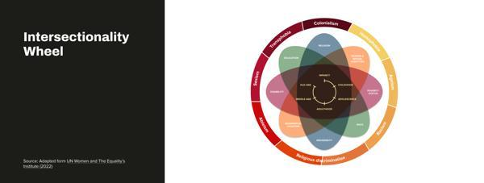 | infographic-design | 1.4.1 | infographic
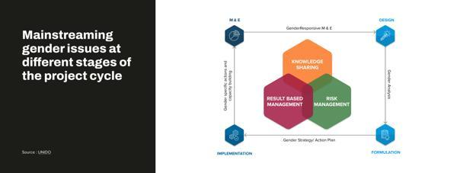 | infographic-design | 1.4.1 | infographic
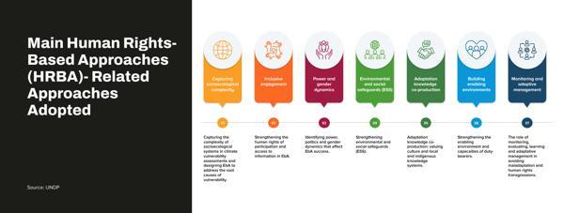 | infographic-design | 1.4.1 | infographic
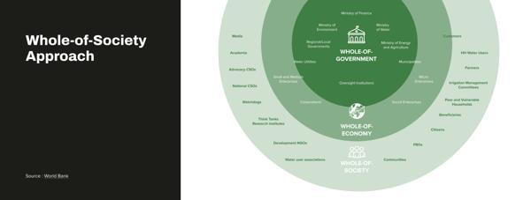 | infographic-design | 1.4.1 | infographic
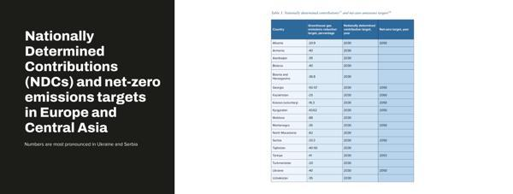 | M1_C3_36 | 1.3.5 | chart
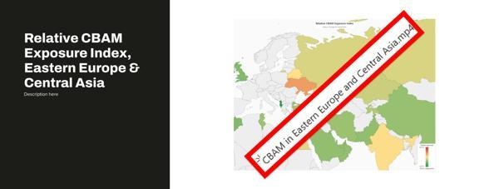 | M1_C3_35 | 1.3.5 | chart
 | image 4 | 1.3.5 | chart
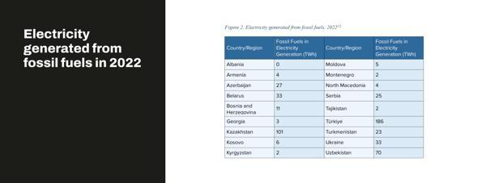 | M1_C1_34 | 1.3.5 | chart
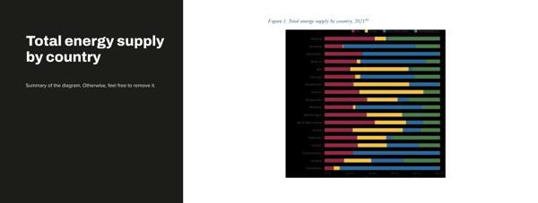 | M1_C1_33 | 1.3.5 | chart
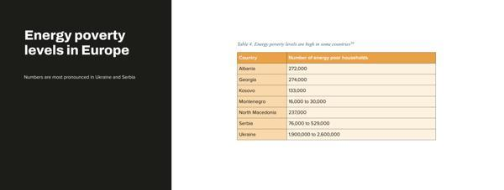 | M1_C3_32 | 1.3.5 | chart
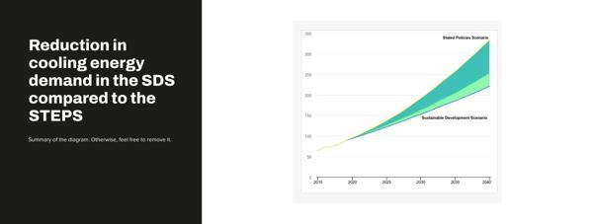 | M1_C3_31 | 1.3.4 | chart
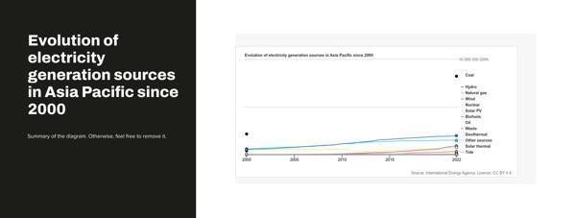 | M1_C3_30 | 1.3.4 | chart
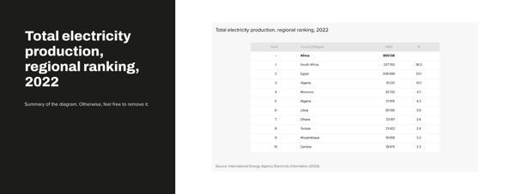 | M1_C3_28 | 1.3.3 | chart
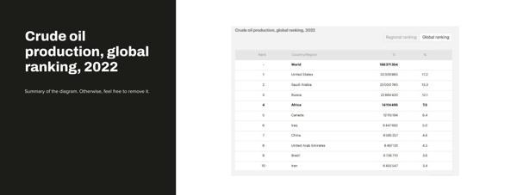 | M1_C3_27 | 1.3.3 | chart
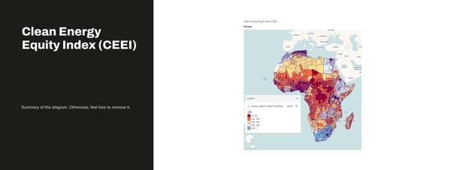 | M1_C3_26 | 1.3.3 | chart
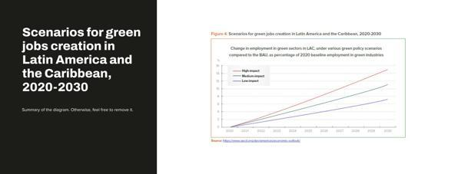 | M1_C3_25 | 1.3.2 | chart
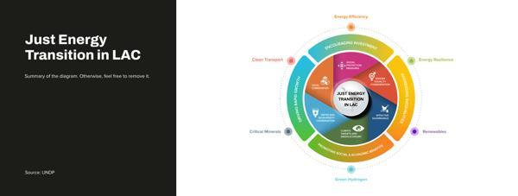 | infographic-design | 1.3.2 | infographic
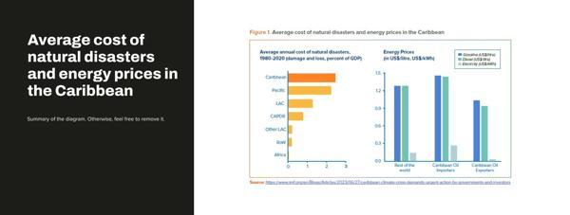 | M1_C3_25_1 | 1.3.2 | chart
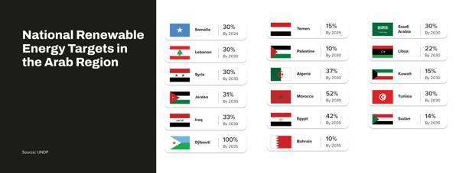 | infographic-design | 1.3.1 | infographic
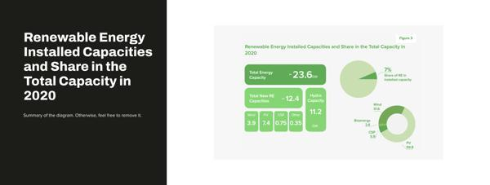 | M1_C3_22 | 1.3.1 | chart
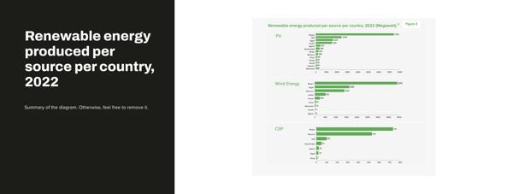 | M1_C3_21 | 1.3.1 | chart
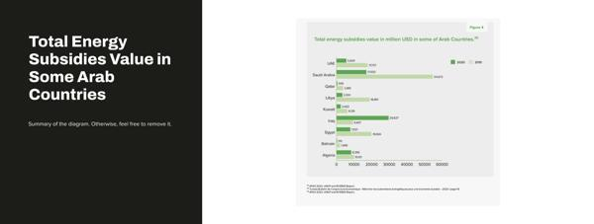 | M1_C3_20 | 1.3.1 | chart
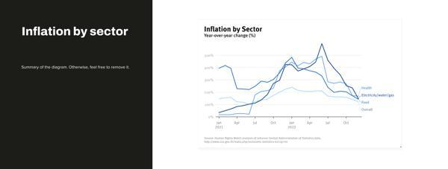 | M1_C3_19 | 1.3.1 | chart
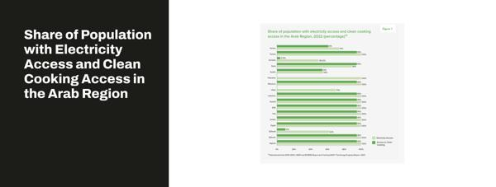 | M1_C3_18 | 1.3.1 | chart
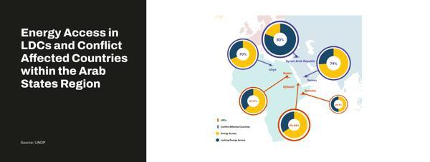 | infographic-design | 1.3.1 | infographic
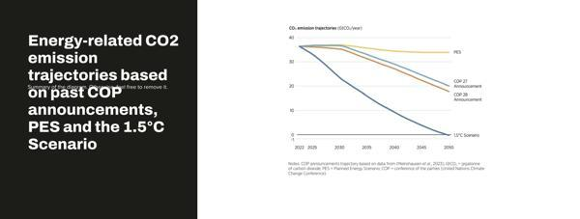 | M1_C1_14 | 1.1.3 | chart
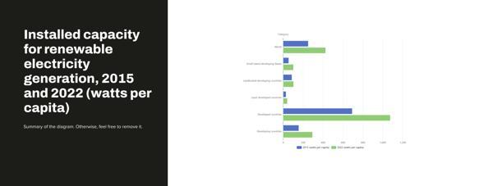 | M1_C1_13 | 1.1.3 | chart
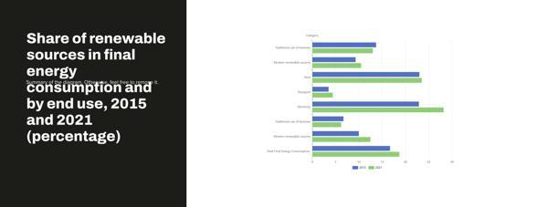 | M1_C1_12 | 1.1.3 | chart
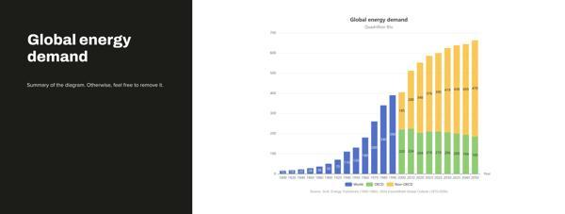 | M1_C1_10 | 1.1.2 | chart
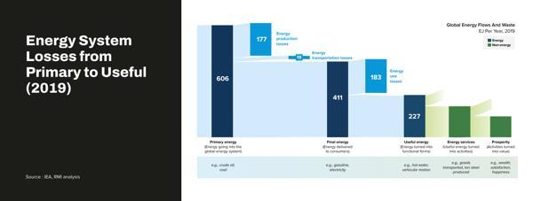 | infographic-design | 1.1.2 | infographic
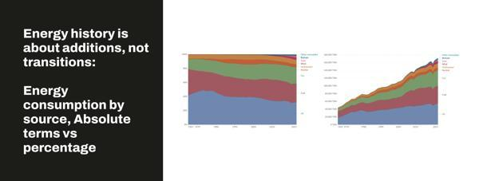 | energy-consumption-by-source-and-country cropped 1 | 1.1.2 | chart
 | energy-consumption-by-source-and-country absolute cropped 1 | 1.1.2 | chart
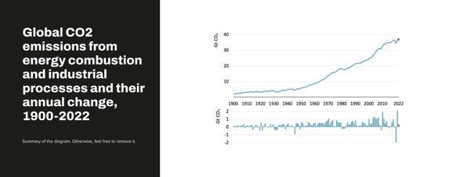 | M1_C1_7 | 1.1.2 | chart
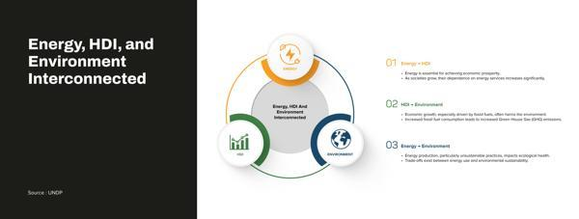 | infographic-design | 1.1.2 | infographic
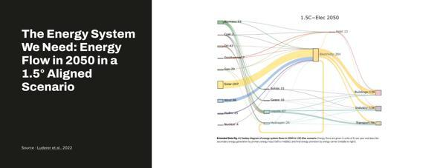 | infographic-design | 1.1.1 | infographic
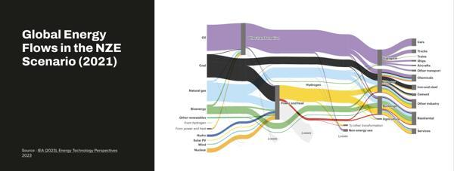 | infographic-design | 1.1.1 | infographic
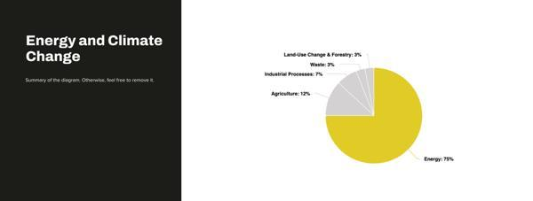 | M1_C1_8 | 1.1.1 | chart
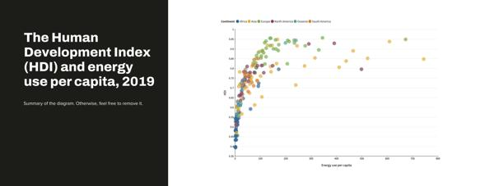 | M1_C1_2 | 1.1.1 | chart
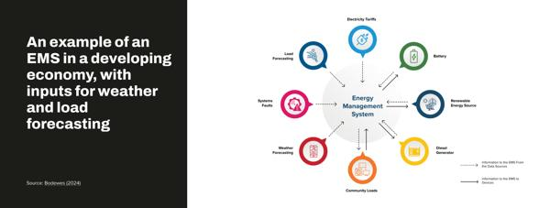 | infographic-design | 2.3.5 | infographic
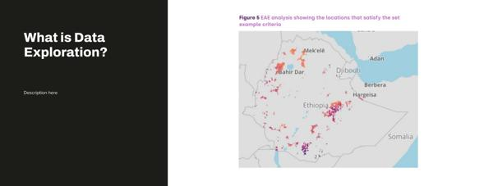 | M2_C3_12 | 2.3.5 | chart
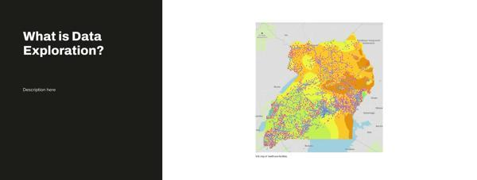 | M2_C3_11 | 2.3.5 | chart
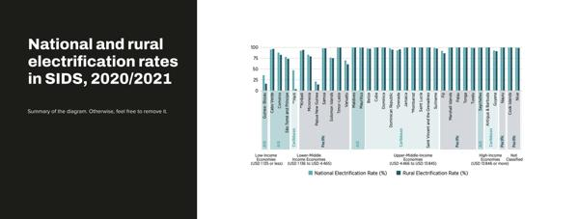 | M2_C3_46 | 2.3.3 | chart
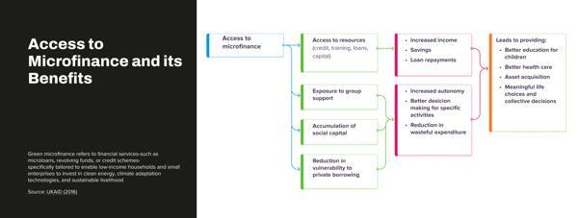 | infographic-design | 2.3.3 | infographic
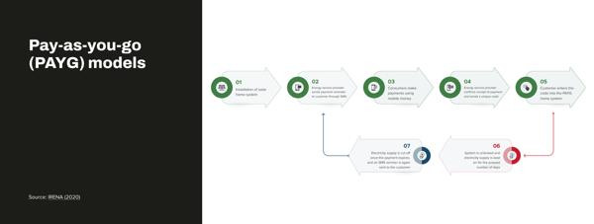 | infographic-design | 2.3.3 | infographic
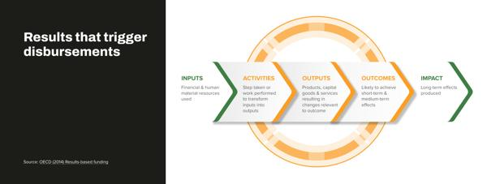 | infographic-design | 2.3.3 | infographic
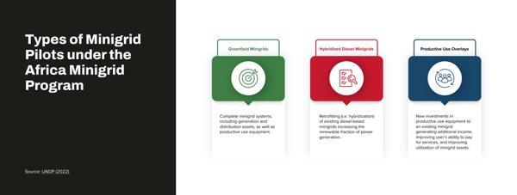 | infographic-design | 2.3.2 | infographic
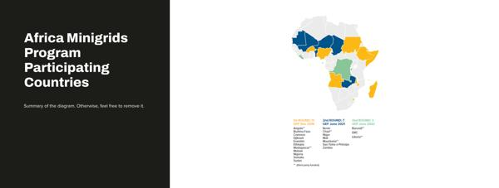 | M2_C3_40 | 2.3.2 | chart
 | infographic-design | 2.3.1 | infographic
 | infographic-design | 2.3.1 | infographic
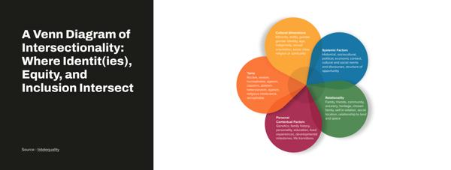 | infographic-design | 2.3.1 | infographic
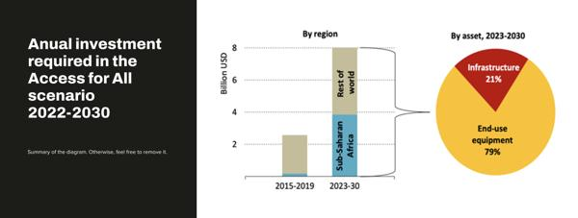 | M2_C2_63 | 2.2.4 | chart
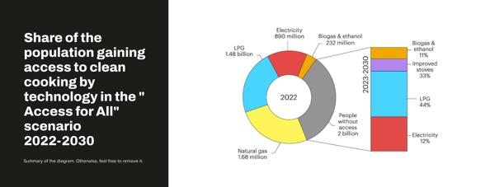 | M2_C2_62 | 2.2.4 | chart
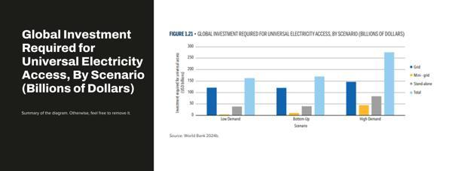 | M2_C2_61 | 2.2.4 | chart
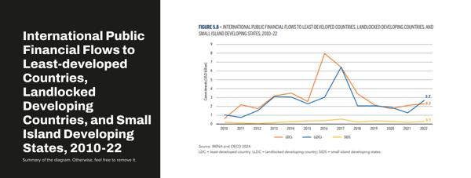 | M2_C2_60 | 2.2.4 | chart
 | M2_C2_59 | 2.2.4 | chart
 | M2_C2_58 | 2.2.3 | chart
 | infographic-design | 2.2.3 | infographic
 | M2_C2_56 | 2.2.3 | chart
 | M2_C2_55 | 2.2.3 | chart
 | image001 1 | 2.2.3 | chart
 | M2_C2_54 | 2.2.3 | chart
 | M2_C2_53 | 2.2.3 | chart
 | M2_C2_51 | 2.2.3 | chart
 | infographic-design | 2.2.3 | infographic
 | M2_C2_50_1 | 2.2.2 | chart
 | infographic-design | 2.2.2 | infographic
 | M2_C2_49 | 2.2.2 | chart
 | M2_C2_47_1 | 2.2.2 | chart
 | M2_C2_48 | 2.2.1 | chart
 | infographic-design | 2.1.3 | infographic
 | infographic-design | 2.1.3 | infographic
 | infographic-design | 2.1.3 | infographic
 | infographic-design | 2.1.3 | infographic
 | infographic-design | 2.1.2 | infographic
 | infographic-design | 2.1.2 | infographic
 | infographic-design | 2.1.2 | infographic
 | infographic-design | 2.1.2 | infographic
 | infographic-design | 2.1.1 | infographic
 | infographic-design | 2.1.1 | infographic
 | infographic-design | 2.1.1 | infographic
 | infographic-design | 2.1.1 | infographic
 | M3_C4_17 | 3.4.1 | chart
 | M3_C3_16 | 3.3.3 | chart
 | infographic-design | 3.3.3 | infographic
 | M3_C3_15 | 3.3.2 | chart
 | infographic-design | 3.3.1 | infographic
 | infographic-design | 3.3.1 | infographic
 | infographic-design | 3.3.1 | infographic
 | M3_C3_12_1 | 3.3.1 | chart
 | M3_C3_11_1 | 3.3.1 | chart
 | infographic-design | 3.3.1 | infographic
 | M3_C2_5 | 3.2.2 | chart
 | M3_C2_4 | 3.2.2 | chart
 | M3_C2_7 | 3.2.2 | chart
 | M3_C2_18 | 3.2.1 | chart
 | infographic-design | 3.2.1 | infographic
 | infographic-design | 3.1.3 | infographic
 | M3_C1_6 | 3.1.3 | chart
 | infographic-design | 3.1.2 | infographic
 | infographic-design | 3.1.2 | infographic
 | infographic-design | 3.1.2 | infographic
 | infographic-design | 3.1.1 | infographic
 | infographic-design | 4.5.1 | infographic
 | infographic-design | 4.4.3 | infographic
 | infographic-design | 4.4.3 | infographic
 | M4_C4_32 | 4.4.3 | chart
 | infographic-design | 4.4.3 | infographic
 | M4_C4_30 | 4.4.3 | chart
 | infographic-design | 4.4.2 | infographic
 | infographic-design | 4.4.2 | infographic
 | infographic-design | 4.4.2 | infographic
 | infographic-design | 4.4.2 | infographic
 | infographic-design | 4.4.1 | infographic
 | infographic-design | 4.4.1 | infographic
 | infographic-design | 4.4.1 | infographic
 | infographic-design | 4.3.3 | infographic
 | infographic-design | 4.3.3 | infographic
 | infographic-design | 4.3.3 | infographic
 | infographic-design | 4.3.2 | infographic
 | infographic-design | 4.3.2 | infographic
 | M4_C3_37 | 4.3.1 | chart
 | infographic-design | 4.2.3 | infographic
 | M4_C2_34 | 4.2.3 | chart
 | M4_C2_16 | 4.2.3 | chart
 | infographic-design | 4.2.2 | infographic
 | infographic-design | 4.2.2 | infographic
 | infographic-design | 4.2.1 | infographic
 | M4_C1_3 | 4.2.1 | chart
 | infographic-design | 4.2.1 | infographic
 | infographic-design | 4.1.3 | infographic
 | M4_C1_9 | 4.1.2 | chart
 | M4_C1_8 | 4.1.2 | chart
 | infographic-design | 4.1.2 | infographic
 | infographic-design | 4.1.1 | infographic
 | M4_C1_3 | 4.1.1 | chart
 | infographic-design | 4.1.1 | infographic
 | M4_C1_1 | 4.1.1 | chart
 | infographic-design | 5.3.1 | infographic
 | infographic-design | 5.3.1 | infographic
 | infographic-design | 5.3.1 | infographic
 | infographic-design | 5.2.3 | infographic
 | infographic-design | 5.2.3 | infographic
 | infographic-design | 5.2.3 | infographic
 | infographic-design | 5.2.2 | infographic
 | infographic-design | 5.2.2 | infographic
 | infographic-design | 5.2.2 | infographic
 | infographic-design | 5.2.2 | infographic
 | infographic-design | 5.2.1 | infographic
 | M5_C2_15 | 5.2.1 | chart
 | infographic-design | 5.2.1 | infographic
 | M5_C2_13 | 5.2.1 | chart
 | infographic-design | 5.1.2 | infographic
 | infographic-design | 5.1.2 | infographic
 | infographic-design | 5.1.2 | infographic
 | infographic-design | 5.1.1 | infographic
 | infographic-design | 5.1.1 | infographic
 | infographic-design | 5.1.1 | infographic
 | infographic-design | 5.1.1 | infographic
 | infographic-design | 6.4.2 | infographic
 | infographic-design | 6.4.2 | infographic
 | infographic-design | 6.4.2 | infographic
 | infographic-design | 6.4.2 | infographic
 | M6_C4_20 | 6.2.3 | chart
 | M6_C4_18 | 6.2.1 | chart
 | infographic-design | 6.2.1 | infographic
 | infographic-design | 6.1.4 | infographic
 | M6_C1_5 | 6.1.4 | chart
 | M6_C2_27 | 6.1.2 | chart
 | M6_C2_11 | 6.1.2 | chart
 | M6_C2_23 | 6.1.2 | chart
 | infographic-design | 6.1.2 | infographic
 | M6_C2_10 | 6.1.3 | chart
 | M6_C2_8 | 6.1.3 | chart
 | M6_C2_9 | 6.1.3 | chart
 | infographic-design | 6.1.3 | infographic
 | M6_C1_4 | 6.1.1 | chart
 | M6_C1_26 | 6.1.1 | chart
 | M6_C1_2 | 6.1.1 | chart
 | M6_C1_1 | 6.1.1 | chart
 | infographic-design | 7.4.3 | infographic
 | infographic-design | 7.4.2 | infographic
 | infographic-design | 7.4.2 | infographic
  | infographic-design | 7.3.3 | infographic
 | infographic-design | 7.3.3 | infographic
 | infographic-design | 7.3.3 | infographic
 | infographic-design | 7.3.2 | infographic
 | M7_C3_4 | 7.3.2 | chart
 | infographic-design | 7.3.2 | infographic
 | M7_C2_12 | 7.3.1 | chart
 | infographic-design | 7.3.1 | infographic
 | infographic-design | 7.3.1 | infographic
 | M7_C3_4 | 7.3.1 | chart
 | infographic-design | 7.2.3 | infographic
 | infographic-design | 7.2.3 | infographic
 | infographic-design | 7.2.3 | infographic
 | M7_C2_5 | 7.2.3 | chart
 | M7_C2_1 | 7.2.3 | chart
 | M7_C2_8 | 7.2.3 | chart
 | M7_C2_12 | 7.2.2 | chart
 | M7_C2_11 | 7.2.2 | chart
 | infographic-design | 7.2.2 | infographic
 | infographic-design | 7.2.1 | infographic
 | M7_C1_14 | 7.1.3 | infographic
 | image 354 | 7.1.3 | chart
 | image 352 | 7.1.3 | chart
 | M7_C1_11 | 7.1.3 | infographic
 | M7_C1_10 | 7.1.3 | infographic
 | M7_C1_9 | 7.1.3 | infographic
 | M7_C1_8 | 7.1.3 | infographic
 | M7_C1_7 | 7.1.3 | infographic
 | M7_C1_6 | 7.1.2 | infographic
 | M7_C1_5 | 7.1.2 | infographic
 | M7_C1_4 | 7.1.2 | infographic
 | M7_C1_3 | 7.1.2 | infographic
 | M7_C1_2 | 7.1.2 | infographic
 | M7_C1_1 | 7.1.1 | infographic
 | M8_C3_15 | 8.3.2 | chart
 | image 17 | 8.3.2 | chart
 | image 19 | 8.3.1 | chart
 | image 16 | 8.3.1 | chart
 | M8_C2_14 | 8.2.3 | chart
 | M8_C2_13 | 8.2.3 | chart
 | Chapter 2 lesson 2 solar-hybrid-power-systems-all 1 | 8.2.3 | chart
 | M8_C2_12 | 8.2.3 | chart
 | Chapter 2 Lesson 2 solar 1 | 8.2.3 | chart
 | infographic-design | 8.2.2 | infographic
 | infographic-design | 8.2.1 | infographic
 | infographic-design | 8.2.1 | infographic
 | M8_C1_11 | 8.1.3 | chart
 | M8_C1_10 | 8.1.3 | chart
 | Chapter 1 Lesson 2 Recycling critical minerals 1 | 8.1.2 | chart
 | Chapter 1 lesson 2 Critical minerals 1 | 8.1.2 | chart
 | Case Study Hydrogen 1 | 8.1.2 | chart
 | infographic-design | 8.1.2 | infographic
 | M8_C1_7 | 8.1.2 | chart
 | M8_C1_6 | 8.1.2 | chart
 | M8_C1_5 | 8.1.1 | chart
 | M8_C1_4 | 8.1.1 | chart
 | M8_C1_3 | 8.1.1 | chart
 | image004 1 | 8.1.1 | chart
 | image005 1 | 8.1.1 | chart
 | M8_C1_1 | 8.1.1 | chart
 | infographic-design | 9.3.4 | infographic
 | infographic-design | 9.3.4 | infographic
 | infographic-design | 9.3.4 | infographic
 | infographic-design | 9.3.3 | infographic
 | infographic-design | 9.3.3 | infographic
 | infographic-design | 9.3.3 | infographic
 | infographic-design | 9.3.3 | infographic
 | infographic-design | 9.3.3 | infographic
 | infographic-design | 9.3.2 | infographic
 | infographic-design | 9.3.2 | infographic
 | infographic-design | 9.3.2 | infographic
 | infographic-design | 9.3.2 | infographic
 | infographic-design | 9.3.1 | infographic
 | infographic-design | 9.3.1 | infographic
 | infographic-design | 9.2.3 | infographic
 | infographic-design | 9.2.3 | infographic
 | infographic-design | 9.2.3 | infographic
 | infographic-design | 9.2.2 | infographic
 | infographic-design | 9.2.2 | infographic
 | infographic-design | 9.2.2 | infographic
 | infographic-design | 9.2.2 | infographic
 | infographic-design | 9.2.2 | infographic
 | infographic-design | 9.2.2 | infographic
 | infographic-design | 9.2.2 | infographic
 | infographic-design | 9.2.2 | infographic
 | infographic-design | 9.2.1 | infographic
 | infographic-design | 9.1.3 | infographic
 | infographic-design | 9.1.3 | infographic
 | infographic-design | 9.1.3 | infographic
 | infographic-design | 9.1.3 | infographic
 | infographic-design | 9.1.2 | infographic
 | infographic-design | 9.1.2 | infographic
 | infographic-design | 9.1.1 | infographic
 | infographic-design | 9.1.1 | infographic
 | infographic-design | 9.1.1 | infographic
 | infographic-design | 9.1.1 | infographic
 | infographic-design | 9.1.1 | infographic
 | infographic-design | 9.1.1 | infographic
 | infographic-design | 9.1.1 | infographic
 | infographic-design | 9.1.1 | infographic

