Figure1_16.1.2
Figure 1: Number of documented cpnflict-related deaths and annual change in civilian deaths, 2015-2025

Status | SoC | 2015 | 2016 | 2017 | 2018 | 2019 | 2020 | 2021 | 2022 | 2023 | 2024 | 2025
CIVILIAN | World | 35671 | 33206 | 24615 | 20214 | 13544 | 13759 | 13812 | 19509 | 38115 | 48011 | 37163
NONCIVILIAN | World | 27212 | 25063 | 20752 | 10519 | 6211 | 4584 | 2342 | 1916 | 1490 | 1359 | 1574
_U | World | 5893 | 4199 | 2827 | 3939 | 1593 | 714 | 668 | 1103 | 16208 | 13819 | 13165

Civilian + unknown |  | 41,564 | 37,405 | 27,442 | 24,153 | 15,137 | 14,473 | 14,480 | 20,612 | 54,323 | 61,830 | 50,328
Trend civilian + unknown |  | 0 | -10% | -27% | -12% | -37% | -4% | 0% | 42% | 164% | 14% | -19%
Trend civilian |  | 0 | -7% | -26% | -18% | -33% | 2% | 0% | 41% | 95% | 26% | -23%
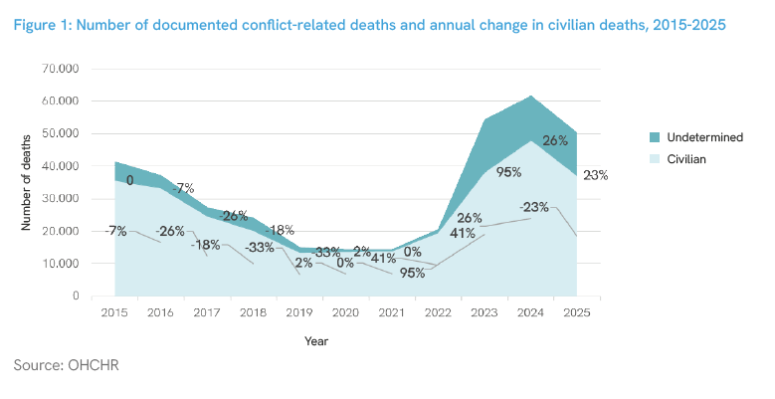

Note 1: Determining the victims’ status is not always possible, especially during intense hostilities. In 2025, it was not possible to determine the status of 13,165 victims. Thus, the number of documented civilians deaths could be much higher.
Note 2: The increase in 2024 is partly attributable to newly accessible records following the change in regime in the Syrian Arab Republic. Although further verification is pending, it is likely that a significant proportion of the deaths recorded in 2024 took place in preceding years.

Figure2_16.1.2
Figure 2: Documented civilian conflict-related deaths by age and sex, 2025
Civilians only | Number of deaths
Adult Male | 14612 | 39%
Adult Female | 6102 | 16%
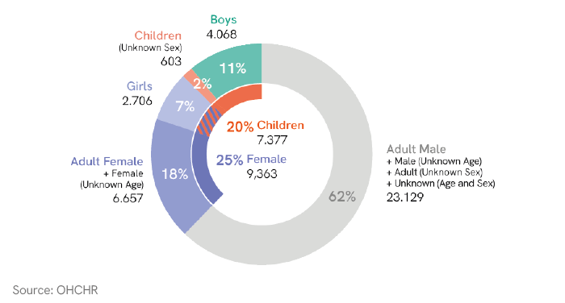
Adult (Unknown Sex) | 2572 | 7%
Boy | 4068 | 11%
Girl | 2706 | 7%
Child (Unknown Sex) | 603 | 2%
Male (Unknown Age) | 1094 | 3%
Female (Unknown Age) | 555 | 1%
Unknown (Age and Sex) | 4851 | 13%

Adult | 23286 | 63%
Child | 7377 | 20%
Unknown Age | 6500 | 17%

Male | 19774 | 53%
Female | 9363 | 25%
Unknown sex | 8026 | 22%

Figure3_16.1.1
Figure 3: Trends in and projections of the global homicide rate (per 100,000 population) by sex, 2000–2030

2015-2024 projections | Year | Total | Male | Female |  |  | Target both | Target male | Target female
World | 2000 | 6.8985297412 | 11.012736095 | 2.7399580646 | 0 | 2000
World | 2001 | 7.0131956983 | 11.196261684 | 2.7837139415 | 0 | 2001
World | 2002 | 6.9600594006 | 11.152153753 | 2.7206378758 | 0 | 2002
World | 2003 | 6.7835186351 | 10.878512509 | 2.6414182352 | 0 | 2003
World | 2004 | 6.5606016089 | 10.468126231 | 2.6070807192 | 0 | 2004
World | 2005 | 6.3597404195 | 10.180273864 | 2.4934010949 | 0 | 2005
World | 2006 | 6.2455680893 | 10.03564328 | 2.4091177201 | 0 | 2006
World | 2007 | 6.0783545351 | 9.755704153 | 2.3550252503 | 0 | 2007
World | 2008 | 6.077526354 | 9.8098134664 | 2.2979232045 | 0 | 2008
World | 2009 | 6.1258431813 | 9.8225811944 | 2.3820870464 | 0 | 2009
World | 2010 | 6.1079399226 | 9.8208497164 | 2.3475367934 | 0 | 2010
World | 2011 | 6.1724895088 | 9.9293911962 | 2.3665926588 | 0 | 2011
World | 2012 | 6.1977905913 | 9.9813373923 | 2.363670302 | 0 | 2012
World | 2013 | 6.0972690653 | 9.8211353685 | 2.3225424913 | 0 | 2013
World | 2014 | 6.0879437637 | 9.8087716568 | 2.3155446144 | 0 | 2014
World | 2015 | 5.9222511834 | 9.5726304565 | 2.2200637707 | 0 | 2015 | 5.9222511834 | 9.5726304565 | 2.2200637707
World | 2016 | 5.965690562 | 9.6385376555 | 2.2403859103 | 0 | 2016 | 5.7248428106 | 9.2535427746 | 2.146061645
World | 2017 | 5.8936540639 | 9.5301076644 | 2.2058325874 | 0 | 2017 | 5.5274344378 | 8.9344550927 | 2.0720595193
World | 2018 | 5.6522102725 | 9.1180256185 | 2.1382941129 | 0 | 2018 | 5.3300260651 | 8.6153674109 | 1.9980573936
World | 2019 | 5.3968509578 | 8.6743010621 | 2.0746698468 | 0 | 2019 | 5.1326176923 | 8.296279729 | 1.9240552679
World | 2020 | 5.3063316902 | 8.5079384743 | 2.062328365 | 0 | 2020 | 4.9352093195 | 7.9771920471 | 1.8500531423
World | 2021 | 5.5275019338 | 8.8689118333 | 2.1441496313 | 0 | 2021 | 4.7378009467 | 7.6581043652 | 1.7760510166
World | 2022 | 5.2963357039 | 8.4550954474 | 2.099563754 | 0 | 2022 | 4.5403925739 | 7.3390166833 | 1.7020488909
World | 2023 | 5.2288789106 | 8.3320366184 | 2.0902530804 | 0 | 2023 | 4.3429842012 | 7.0199290014 | 1.6280467652
World | 2024 | 5.1434619508 | 8.2067618313 | 2.0467531673 | 0 | 2024 | 4.1455758284 | 6.7008413196 | 1.5540446395
World | 2025 | 5.0127160317 | 7.9661983357 | 2.0276679448 | 1 | 2025 | 3.9481674556 | 6.3817536377 | 1.4800425138
World | 2026 | 4.9180613605 | 7.7981553665 | 2.008656767 | 1 | 2026 | 3.7507590828 | 6.0626659558 | 1.4060403881
World | 2027 | 4.8234066894 | 7.6301123973 | 1.9896455893 | 1 | 2027 | 3.55335071 | 5.7435782739 | 1.3320382624
World | 2028 | 4.7287520183 | 7.4620694281 | 1.9706344115 | 1 | 2028 | 3.3559423373 | 5.424490592 | 1.2580361367
World | 2029 | 4.6340973472 | 7.294026459 | 1.9516232337 | 1 | 2029 | 3.1585339645 | 5.1054029101 | 1.184034011
World | 2030 | 4.539442676 | 7.1259834898 | 1.9326120559 | 1 | 2030 | 2.9611255917 | 4.7863152283 | 1.1100318854

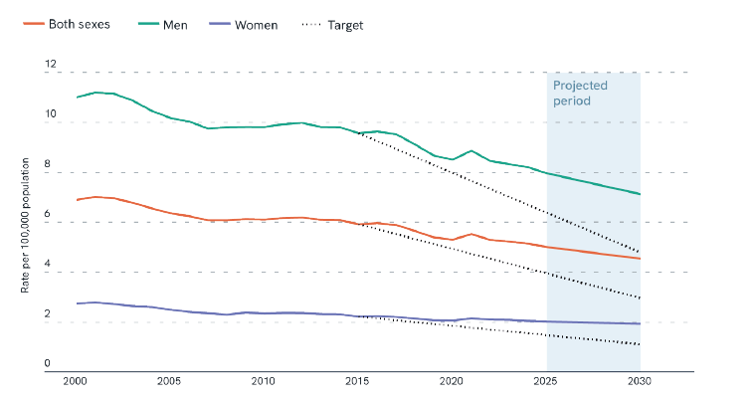

Source: UNODC estimates based on responses to the United Nations Survey of Crime Trends and Operations of Criminal Justice Systems and data from other sources, such as the WHO Mortality Database, reviewed by Member States.
Note: Projections for the years 2024 to 2030 represent linear extrapolations of trends observed for the years 2015-2023.

FIgure4_16.1.1
Figure 4: Rate of intentional homicide per 100,000 population by regions, 2024
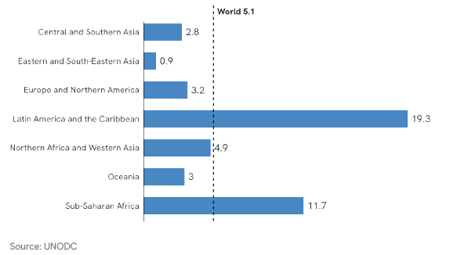

Source: UNODC estimates based on responses to the United Nations Survey of Crime Trends and Operations of Criminal Justice Systems and data from other sources, such as the WHO Mortality Database, reviewed by Member States.

Region | Rate
Central and Southern Asia | 2.8
Eastern and South-Eastern Asia | 0.9
Europe and Northern America | 3.2
Latin America and the Caribbean | 19.3
Northern Africa and Western Asia | 4.9
Oceania | 3.0
Sub-Saharan Africa | 11.7
Global estimate | 5.1

Figure5_16.1.1
Figure 5: Share of victims of intimate partner/family member homicide among all victims of homicide by region and sex, 2024

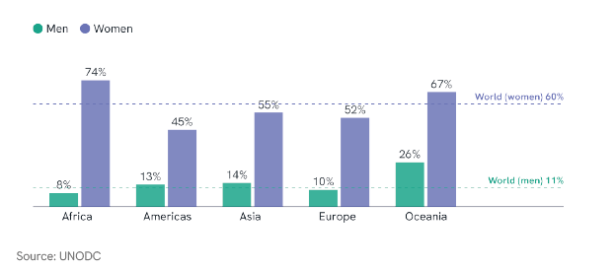

Regional label | Male_Hom | Male_IPFM | Female_Hom | Female_IPFM | Male | Female
Africa | 128795 | 10332 | 30338 | 22556 | 8.0 | 74.3
Americas | 129695 | 16686 | 17147 | 7687 | 12.9 | 44.8
Asia | 63870 | 9045 | 31424 | 17409 | 14.2 | 55.4
Europe | 14134 | 1450 | 3935 | 2060 | 10.3 | 52.4
Oceania | 907 | 234 | 481 | 322 | 25.8 | 67.0
World | 337401 | 37747 | 83324 | 50033 | 11.2 | 60.0

Figure6_16.10.1
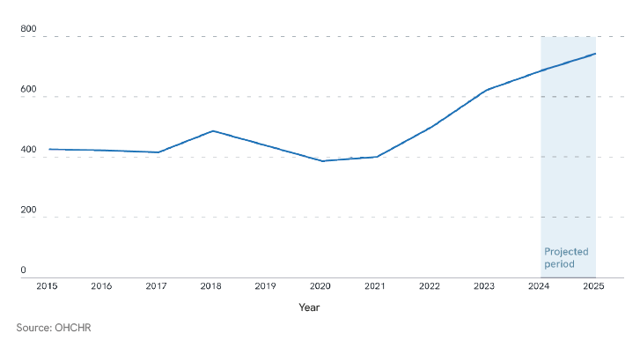
Figure 6: Number of verified killings of human rights defenders, journalists and trade unionists worldwide, 2015 – 2025 (2025 figures projected)

 | 2015 | 2016 | 2017 | 2018 | 2019 | 2020 | 2021 | 2022 | 2023 | 2024 | 2025
World | 426 | 423 | 416 | 487 | 437 | 387 | 401 | 500 | 622 | 686 | 743

Figure7_16.10.1
Figure 7: Share of Killed or Disappeared Human Rights Defenders Belonging to Seleccted Group, by region (2025)

 |  | Central Asia and Southern Asia | Eastern Asia and South-Eastern Asia | Latin America and the Caribbean | Sub-Saharan Africa | Northern Africa and Western Asia | World
Category | X position | Series 1 | Series 2 | Series 3 | Series 6 | Series 7 | Series 8 | Min | Max | start | end
Women HRDs | 100.0% | 10.6% | 18.4% | 15.8% | 8.3% | 10.9% | 13.6% | 8.0% | 18.4% | 8.3% | 10.0%
Youth HRDs | 200.0% | 14.4% | 13.5% | 9.2% | 6.6% | 16.2% | 11.7% | 7.0% | 16.2% | 6.6% | 9.0%
Indigenous & minority HRDs | 300.0% | 26.6% | 9.9% | 36.4% | 7.9% | 6.3% | 21.9% | 6.0% | 36.4% | 6.3% | 30.0%
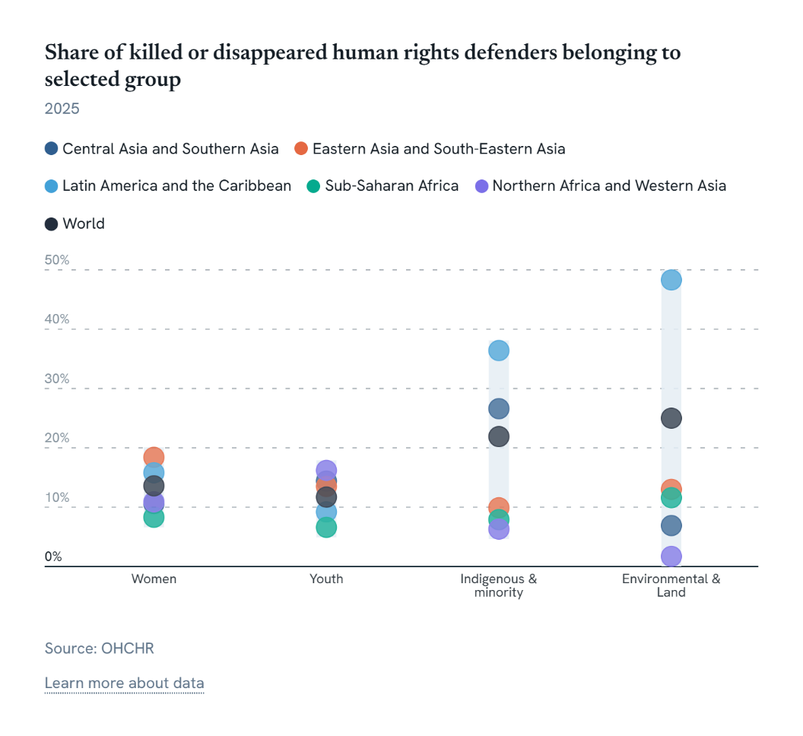
Environmental HRDs | 400.0% | 6.9% | 13.0% | 48.3% | 11.6% | 1.7% | 25.0% | 2.0% | 48.3% | 1.7% | 46.0%

Footnote: Each dot represents the share of defenders killed or disappeared in that region who belonged to the specified group. Categories are not mutually exclusive; an individual may be included in more than one group. Northern America and Europe are excluded due to small case numbers, and Oceania due to insufficient data availability.

Figure8_16.1.3
Figure 8: Proportion of the population subjected to robbery and physical assault in the previous twelve
months, by region (latest available year since 2015)

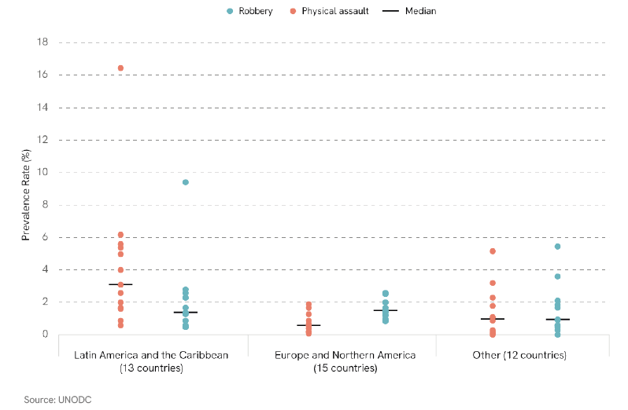

iso3 | country | year | sub_region_name | region_name | sdg_region | variable | question_number | source_name | population | count | comment_from_country | Region Label | Order | Order 2
ARG | Argentina | 2016 | South America | Americas | Latin America and the Caribbean (MDG=M49) | Prevalence Rate of Robbery, Males and Females | 7.1.7 | CTS | 43900313.5 | 6.2 |  | Latin America and the Caribbean | 1 | 9
BOL | Bolivia (Plurinational State of) | 2023 | South America | Americas | Latin America and the Caribbean (MDG=M49) | Prevalence Rate of Robbery, Males and Females | 7.1.7 | CTS | 12244159.5 | 2.6 |  | Latin America and the Caribbean | 1 | 9
CHL | Chile | 2023 | South America | Americas | Latin America and the Caribbean (MDG=M49) | Prevalence Rate of Robbery, Males and Females | 7.1.7 | CTS | 19658835 | 4 | Considera Robo con violencia e intimidación y robo por sorpresa a nivel de personas. | Latin America and the Caribbean | 1 | 9
COL | Colombia | 2023 | South America | Americas | Latin America and the Caribbean (MDG=M49) | Prevalence Rate of Robbery, Males and Females | 7.1.7 | CTS | 52321152.5 | 2 |  | Latin America and the Caribbean | 1 | 9
DOM | Dominican Republic | 2022 | Caribbean | Americas | Latin America and the Caribbean (MDG=M49) | Prevalence Rate of Robbery, Males and Females | 7.1.7 | CTS | 11230733.5 | 5.38 |  | Latin America and the Caribbean | 1 | 9
JAM | Jamaica | 2023 | Caribbean | Americas | Latin America and the Caribbean (MDG=M49) | Prevalence Rate of Robbery, Males and Females | 7.1.7 | CTS | 2839786 | 1.6 |  | Latin America and the Caribbean | 1 | 9
LCA | Saint Lucia | 2018 | Caribbean | Americas | Latin America and the Caribbean (MDG=M49) | Prevalence Rate of Robbery, Males and Females | 7.1.7 | CTS | 177017 | 0.6 |  | Latin America and the Caribbean | 1 | 9
MEX | Mexico | 2024 | Central America | Americas | Latin America and the Caribbean (MDG=M49) | Prevalence Rate of Robbery, Males and Females | 7.1.7 | CTS | 130861007 | 5 | Fuente: Encuesta Nacional de Victimización y Percepción de Seguridad Pública (ENVIPE), 2022, 2023, 2024 y 2025. | Latin America and the Caribbean | 1 | 9
PAN | Panama | 2016 | Central America | Americas | Latin America and the Caribbean (MDG=M49) | Prevalence Rate of Robbery, Males and Females | 7.1.7 | NSO | 4029086.5 | 1.7 | Source: National Integrated System of Criminal Statistics (SIEC), Panama's National Crime Victim Survey (ENVI) 2017. Does not include attempts | Latin America and the Caribbean | 1 | 9
PER | Peru | 2023 | South America | Americas | Latin America and the Caribbean (MDG=M49) | Prevalence Rate of Robbery, Males and Females | 7.1.7 | CTS | 33845617 | 16.469089228 | En la encuesta no se diferencian los robos de hurtos, el indicador incluye robos y hurtos. Fuente: Encuesta Nacional de Programas Presupuestales. | Latin America and the Caribbean | 1 | 9
PRY | Paraguay | 2019 | South America | Americas | Latin America and the Caribbean (MDG=M49) | Prevalence Rate of Robbery, Males and Females | 7.1.7 | CTS | 6515058 | 5.6 |  | Latin America and the Caribbean | 1 | 9
SLV | El Salvador | 2019 | Central America | Americas | Latin America and the Caribbean (MDG=M49) | Prevalence Rate of Robbery, Males and Females | 7.1.7 | CTS | 6222317.5 | 3.1 |  | Latin America and the Caribbean | 1 | 9
TTO | Trinidad and Tobago | 2015 | Caribbean | Americas | Latin America and the Caribbean (MDG=M49) | Prevalence Rate of Robbery, Males and Females | 7.1.7 | CTS | 1429188.5 | 0.9 |  | Latin America and the Caribbean | 1 | 9
ARG | Argentina | 2016 | South America | Americas | Latin America and the Caribbean (MDG=M49) | Prevalence Rate of Physical assault, Males and Females | 7.1.8 | CTS | 43900313.5 | 2.3 |  | Latin America and the Caribbean | 2 | 10
BOL | Bolivia (Plurinational State of) | 2023 | South America | Americas | Latin America and the Caribbean (MDG=M49) | Prevalence Rate of Physical assault, Males and Females | 7.1.8 | CTS | 12244159.5 | 0.5 |  | Latin America and the Caribbean | 2 | 10
CHL | Chile | 2023 | South America | Americas | Latin America and the Caribbean (MDG=M49) | Prevalence Rate of Physical assault, Males and Females | 7.1.8 | CTS | 19658835 | 0.9 | Personas que fueron victimas de lesiones fisicas. | Latin America and the Caribbean | 2 | 10
COL | Colombia | 2023 | South America | Americas | Latin America and the Caribbean (MDG=M49) | Prevalence Rate of Physical assault, Males and Females | 7.1.8 | CTS | 52321152.5 | 0.5 |  | Latin America and the Caribbean | 2 | 10
DOM | Dominican Republic | 2022 | Caribbean | Americas | Latin America and the Caribbean (MDG=M49) | Prevalence Rate of Physical assault, Males and Females | 7.1.8 | CTS | 11230733.5 | 2.81 |  | Latin America and the Caribbean | 2 | 10
JAM | Jamaica | 2023 | Caribbean | Americas | Latin America and the Caribbean (MDG=M49) | Prevalence Rate of Physical assault, Males and Females | 7.1.8 | CTS | 2839786 | 1.7 |  | Latin America and the Caribbean | 2 | 10
LCA | Saint Lucia | 2018 | Caribbean | Americas | Latin America and the Caribbean (MDG=M49) | Prevalence Rate of Physical assault, Males and Females | 7.1.8 | CTS | 177017 | 0.6 |  | Latin America and the Caribbean | 2 | 10
MEX | Mexico | 2024 | Central America | Americas | Latin America and the Caribbean (MDG=M49) | Prevalence Rate of Physical assault, Males and Females | 7.1.8 | CTS | 130861007 | 1.3 | Fuente: Encuesta Nacional de Victimización y Percepción de Seguridad Pública (ENVIPE), 2022, 2023, 2024 y 2025. | Latin America and the Caribbean | 2 | 10
PAN | Panama | 2016 | Central America | Americas | Latin America and the Caribbean (MDG=M49) | Prevalence Rate of Physical assault, Males and Females | 7.1.8 | CTS | 4029086.5 | 1.4 |  | Latin America and the Caribbean | 2 | 10
PER | Peru | 2023 | South America | Americas | Latin America and the Caribbean (MDG=M49) | Prevalence Rate of Physical assault, Males and Females | 7.1.8 | CTS | 33845617 | 2.2914515784 | En la encuesta no se diferencia entre Maltrato físico y/o psicológico de algún miembro del hogar. Asimismo, este indicador incluye también las ofensas sexuales (acoso, abuso, violación, entre otros). Fuente: Encuesta Nacional de Programas Presupuestales. | Latin America and the Caribbean | 2 | 10
PRY | Paraguay | 2019 | South America | Americas | Latin America and the Caribbean (MDG=M49) | Prevalence Rate of Physical assault, Males and Females | 7.1.8 | CTS | 6515058 | 2.6 |  | Latin America and the Caribbean | 2 | 10
SLV | El Salvador | 2019 | Central America | Americas | Latin America and the Caribbean (MDG=M49) | Prevalence Rate of Physical assault, Males and Females | 7.1.8 | CTS | 6222317.5 | 9.4 |  | Latin America and the Caribbean | 2 | 10
TTO | Trinidad and Tobago | 2015 | Caribbean | Americas | Latin America and the Caribbean (MDG=M49) | Prevalence Rate of Physical assault, Males and Females | 7.1.8 | CTS | 1429188.5 | 0.5 |  | Latin America and the Caribbean | 2 | 10
CAN | Canada | 2019 | Northern America | Americas | Northern America (M49) and Europe (M49) | Prevalence Rate of Robbery, Males and Females | 7.1.7 | SDG | 37782934.5 | 0.6 |  | Northern America and Europe | 3 | 9
CHE | Switzerland | 2021 | Western Europe | Europe | Northern America (M49) and Europe (M49) | Prevalence Rate of Robbery, Males and Females | 7.1.7 | CTS | 8707023.5 | 0.4 |  | Northern America and Europe | 3 | 9
DEU | Germany | 2020 | Western Europe | Europe | Northern America (M49) and Europe (M49) | Prevalence Rate of Robbery, Males and Females | 7.1.7 | CTS | 83628708.5 | 0.6 |  | Northern America and Europe | 3 | 9
EST | Estonia | 2018 | Northern Europe | Europe | Northern America (M49) and Europe (M49) | Prevalence Rate of Robbery, Males and Females | 7.1.7 | CTS | 1321964.5 | 0.7 |  | Northern America and Europe | 3 | 9
FRA | France | 2023 | Western Europe | Europe | Northern America (M49) and Europe (M49) | Prevalence Rate of Robbery, Males and Females | 7.1.7 | SDG | 66438822 | 0.6 |  | Northern America and Europe | 3 | 9
GBR_E_W | United Kingdom (England and Wales) | 2018 | Northern Europe | Europe | Northern America (M49) and Europe (M49) | Prevalence Rate of Robbery, Males and Females | 7.1.7 | SDG | 59115809 | 0.4 |  | Northern America and Europe | 3 | 9
GBR_NI | United Kingdom (Northern Ireland) | 2019 | Northern Europe | Europe | Northern America (M49) and Europe (M49) | Prevalence Rate of Robbery, Males and Females | 7.1.7 | CTS | 1893667 | 0.1 |  | Northern America and Europe | 3 | 9
GBR_S | United Kingdom (Scotland) | 2023 | Northern Europe | Europe | Northern America (M49) and Europe (M49) | Prevalence Rate of Robbery, Males and Females | 7.1.7 | CTS | 5490100 | 0.2 |  | Northern America and Europe | 3 | 9
IRL | Ireland | 2019 | Northern Europe | Europe | Northern America (M49) and Europe (M49) | Prevalence Rate of Robbery, Males and Females | 7.1.7 | CTS | 4933491 | 1.7 |  | Northern America and Europe | 3 | 9
ITA | Italy | 2023 | Southern Europe | Europe | Northern America (M49) and Europe (M49) | Prevalence Rate of Robbery, Males and Females | 7.1.7 | CTS | 59499453 | 0.2 |  | Northern America and Europe | 3 | 9
POL | Poland | 2024 | Eastern Europe | Europe | Northern America (M49) and Europe (M49) | Prevalence Rate of Robbery, Males and Females | 7.1.7 | CTS | 38539201 | 1.3 | Data from Polish Victimisation Survey 2024 - not comparable to data 2021-2023 | Northern America and Europe | 3 | 9
PRT | Portugal | 2022 | Southern Europe | Europe | Northern America (M49) and Europe (M49) | Prevalence Rate of Robbery, Males and Females | 7.1.7 | SDG | 10417072.5 | 1.9 |  | Northern America and Europe | 3 | 9
SVN | Slovenia | 2020 | Southern Europe | Europe | Northern America (M49) and Europe (M49) | Prevalence Rate of Robbery, Males and Females | 7.1.7 | CTS | 2102419.5 | 0.57 |  | Northern America and Europe | 3 | 9
SWE | Sweden | 2024 | Northern Europe | Europe | Northern America (M49) and Europe (M49) | Prevalence Rate of Robbery, Males and Females | 7.1.7 | SDG | 10606999 | 0.9 |  | Northern America and Europe | 3 | 9
USA | United States of America | 2023 | Northern America | Americas | Northern America (M49) and Europe (M49) | Prevalence Rate of Robbery, Males and Females | 7.1.7 | CTS | 343477335 | 0.2 | CV23 table 14 | Northern America and Europe | 3 | 9
CAN | Canada | 2019 | Northern America | Americas | Northern America (M49) and Europe (M49) | Prevalence Rate of Physical assault, Males and Females | 7.1.8 | SDG | 37782934.5 | 2.5 |  | Northern America and Europe | 4 | 10
CHE | Switzerland | 2021 | Western Europe | Europe | Northern America (M49) and Europe (M49) | Prevalence Rate of Physical assault, Males and Females | 7.1.8 | CTS | 8707023.5 | 1 |  | Northern America and Europe | 4 | 10
DEU | Germany | 2020 | Western Europe | Europe | Northern America (M49) and Europe (M49) | Prevalence Rate of Physical assault, Males and Females | 7.1.8 | CTS | 83628708.5 | 2 |  | Northern America and Europe | 4 | 10
EST | Estonia | 2018 | Northern Europe | Europe | Northern America (M49) and Europe (M49) | Prevalence Rate of Physical assault, Males and Females | 7.1.8 | CTS | 1321964.5 | 1.5 |  | Northern America and Europe | 4 | 10
FRA | France | 2023 | Western Europe | Europe | Northern America (M49) and Europe (M49) | Prevalence Rate of Physical assault, Males and Females | 7.1.8 | SDG | 66438822 | 1.2 |  | Northern America and Europe | 4 | 10
GBR_E_W | United Kingdom (England and Wales) | 2018 | Northern Europe | Europe | Northern America (M49) and Europe (M49) | Prevalence Rate of Physical assault, Males and Females | 7.1.8 | CTS | 59115809 | 1.7 |  | Northern America and Europe | 4 | 10
GBR_NI | United Kingdom (Northern Ireland) | 2019 | Northern Europe | Europe | Northern America (M49) and Europe (M49) | Prevalence Rate of Physical assault, Males and Females | 7.1.8 | CTS | 1893667 | 1.4 |  | Northern America and Europe | 4 | 10
GBR_S | United Kingdom (Scotland) | 2023 | Northern Europe | Europe | Northern America (M49) and Europe (M49) | Prevalence Rate of Physical assault, Males and Females | 7.1.8 | CTS | 5490100 | 2.6 |  | Northern America and Europe | 4 | 10
IRL | Ireland | 2019 | Northern Europe | Europe | Northern America (M49) and Europe (M49) | Prevalence Rate of Physical assault, Males and Females | 7.1.8 | SDG | 4933491 | 2 |  | Northern America and Europe | 4 | 10
ITA | Italy | 2023 | Southern Europe | Europe | Northern America (M49) and Europe (M49) | Prevalence Rate of Physical assault, Males and Females | 7.1.8 | CTS | 59499453 | 0.9 |  | Northern America and Europe | 4 | 10
POL | Poland | 2024 | Eastern Europe | Europe | Northern America (M49) and Europe (M49) | Prevalence Rate of Physical assault, Males and Females | 7.1.8 | CTS | 38539201 | 0.9 | Data from Polish Victimisation Survey 2024 - not comparable to data 2021-2023 | Northern America and Europe | 4 | 10
PRT | Portugal | 2022 | Southern Europe | Europe | Northern America (M49) and Europe (M49) | Prevalence Rate of Physical assault, Males and Females | 7.1.8 | SDG | 10417072.5 | 1.5 |  | Northern America and Europe | 4 | 10
SVN | Slovenia | 2020 | Southern Europe | Europe | Northern America (M49) and Europe (M49) | Prevalence Rate of Physical assault, Males and Females | 7.1.8 | CTS | 2102419.5 | 0.84 |  | Northern America and Europe | 4 | 10
SWE | Sweden | 2024 | Northern Europe | Europe | Northern America (M49) and Europe (M49) | Prevalence Rate of Physical assault, Males and Females | 7.1.8 | SDG | 10606999 | 2.6 |  | Northern America and Europe | 4 | 10
USA | United States of America | 2023 | Northern America | Americas | Northern America (M49) and Europe (M49) | Prevalence Rate of Physical assault, Males and Females | 7.1.8 | CTS | 343477335 | 1.2 | CV23 table 14 | Northern America and Europe | 4 | 10
AUS | Australia | 2024 | Australia and New Zealand | Oceania | Australia and New Zealand (M49) | Prevalence Rate of Robbery, Males and Females | 7.1.7 | CTS | 26713205 | 0.2 |  | Other | 5 | 9
IDN | Indonesia | 2024 | South-Eastern Asia | Asia | Eastern Asia (M49) and South-eastern Asia (MDG=M49) | Prevalence Rate of Robbery, Males and Females | 7.1.7 | CTS | 283487930.5 | 0.01253284603 |  | Other | 5 | 9
ISR | Israel | 2024 | Western Asia | Asia | Western Asia (M49) and Northern Africa (M49) | Prevalence Rate of Robbery, Males and Females | 7.1.7 | CTS | 9387021 | 0.3166 |  | Other | 5 | 9
KGZ | Kyrgyzstan | 2015 | Central Asia | Asia | Central Asia (M49) and Southern Asia (MDG=M49) | Prevalence Rate of Robbery, Males and Females | 7.1.7 | CTS | 6001882 | 1.08 |  | Other | 5 | 9
KOR | Republic of Korea | 2022 | Eastern Asia | Asia | Eastern Asia (M49) and South-eastern Asia (MDG=M49) | Prevalence Rate of Robbery, Males and Females | 7.1.7 | CTS | 51782511.5 | 0.1 |  | Other | 5 | 9
PSE | State of Palestine | 2020 | Western Asia | Asia | Western Asia (M49) and Northern Africa (M49) | Prevalence Rate of Robbery, Males and Females | 7.1.7 | SDG | 5069692 | 3.2 |  | Other | 5 | 9
SAU | Saudi Arabia | 2019 | Western Asia | Asia | Western Asia (M49) and Northern Africa (M49) | Prevalence Rate of Robbery, Males and Females | 7.1.7 | CTS | 30472811.5 | 0.9 |  | Other | 5 | 9
THA | Thailand | 2024 | South-Eastern Asia | Asia | Eastern Asia (M49) and South-eastern Asia (MDG=M49) | Prevalence Rate of Robbery, Males and Females | 7.1.7 | CTS | 71668011 | 0.07 |  | Other | 5 | 9
CPV | Cabo Verde | 2016 | Western Africa | Africa | Sub-Saharan Africa (M49) | Prevalence Rate of Robbery, Males and Females | 7.1.7 | CTS | 512554.5 | 2.3 |  | Other | 5 | 9
NGA | Nigeria | 2023 | Western Africa | Africa | Sub-Saharan Africa (M49) | Prevalence Rate of Robbery, Males and Females | 7.1.7 | UNODC Research | 227882945 | 5.16 | Source: UNODC Estimate based on National Surveys on Quality and Integrity of Public Services (2016, 2019, 2023) | Other | 5 | 9
UGA | Uganda | 2024 | Eastern Africa | Africa | Sub-Saharan Africa (M49) | Prevalence Rate of Robbery, Males and Females | 7.1.7 | MICS | 50015092.5 | 1.8 | Source: Justice Needs and Satisfaction in Uganda Survey 2024 | Other | 5 | 9
ZAF | South Africa | 2019 | Southern Africa | Africa | Sub-Saharan Africa (M49) | Prevalence Rate of Robbery, Males and Females | 7.1.7 | SDG | 59587885.5 | 1.1 |  | Other | 5 | 9
AUS | Australia | 2024 | Australia and New Zealand | Oceania | Australia and New Zealand (M49) | Prevalence Rate of Physical assault, Males and Females | 7.1.8 | CTS | 26713205 | 1.7 |  | Other | 6 | 10
IDN | Indonesia | 2024 | South-Eastern Asia | Asia | Eastern Asia (M49) and South-eastern Asia (MDG=M49) | Prevalence Rate of Physical assault, Males and Females | 7.1.8 | CTS | 283487930.5 | 0.025228972791 |  | Other | 6 | 10
ISR | Israel | 2024 | Western Asia | Asia | Western Asia (M49) and Northern Africa (M49) | Prevalence Rate of Physical assault, Males and Females | 7.1.8 | CTS | 9387021 | 0.9297 |  | Other | 6 | 10
KGZ | Kyrgyzstan | 2015 | Central Asia | Asia | Central Asia (M49) and Southern Asia (MDG=M49) | Prevalence Rate of Physical assault, Males and Females | 7.1.8 | CTS | 6001882 | 0.97 |  | Other | 6 | 10
KOR | Republic of Korea | 2022 | Eastern Asia | Asia | Eastern Asia (M49) and South-eastern Asia (MDG=M49) | Prevalence Rate of Physical assault, Males and Females | 7.1.8 | CTS | 51782511.5 | 0.3 |  | Other | 6 | 10
PSE | State of Palestine | 2020 | Western Asia | Asia | Western Asia (M49) and Northern Africa (M49) | Prevalence Rate of Physical assault, Males and Females | 7.1.8 | SDG | 5069692 | 0.6 |  | Other | 6 | 10
SAU | Saudi Arabia | 2019 | Western Asia | Asia | Western Asia (M49) and Northern Africa (M49) | Prevalence Rate of Physical assault, Males and Females | 7.1.8 | CTS | 30472811.5 | 0.5 |  | Other | 6 | 10
THA | Thailand | 2024 | South-Eastern Asia | Asia | Eastern Asia (M49) and South-eastern Asia (MDG=M49) | Prevalence Rate of Physical assault, Males and Females | 7.1.8 | CTS | 71668011 | 1.85 |  | Other | 6 | 10
CPV | Cabo Verde | 2016 | Western Africa | Africa | Sub-Saharan Africa (M49) | Prevalence Rate of Physical assault, Males and Females | 7.1.8 | CTS | 512554.5 | 3.6 |  | Other | 6 | 10
NGA | Nigeria | 2023 | Western Africa | Africa | Sub-Saharan Africa (M49) | Prevalence Rate of Physical assault, Males and Females | 7.1.8 | UNODC Research | 227882945 | 2.13 | Source: UNODC Estimate based on National Surveys on Quality and Integrity of Public Services (2016, 2019, 2023) | Other | 6 | 10
UGA | Uganda | 2024 | Eastern Africa | Africa | Sub-Saharan Africa (M49) | Prevalence Rate of Physical assault, Males and Females | 7.1.8 | MICS | 50015092.5 | 5.44 | Source: Justice Needs and Satisfaction in Uganda Survey 2024 | Other | 6 | 10
ZAF | South Africa | 2019 | Southern Africa | Africa | Sub-Saharan Africa (M49) | Prevalence Rate of Physical assault, Males and Females | 7.1.8 | SDG | 59587885.5 | 0.6 |  | Other | 6 | 10

Figure9_16.1.3
Figure 9: Proportion of the population subjected to violence in the previous twelve months, by sex (latest
available year between 2016 - 2024)
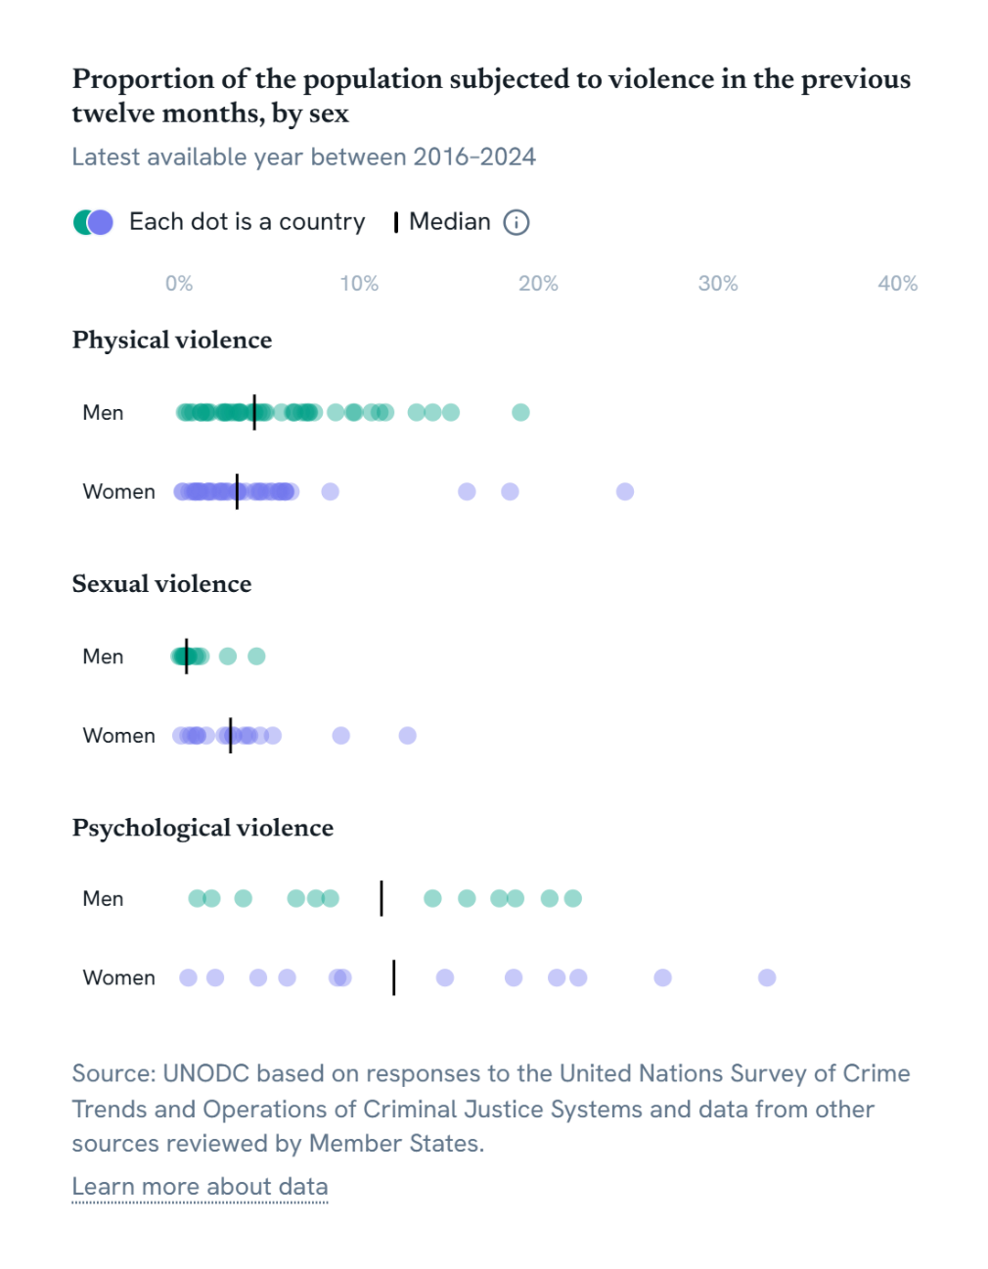

iso3 | country | year | sub_region_name | region_name | sdg_region | variable | question_number | source_name | population | count | comment_from_country | sex | Order
ARG | Argentina | 2016 | South America | Americas | Latin America and the Caribbean (MDG=M49) | Prevalence Rate of Physical violence Males | 7.1.6 | CTS | 43900313.5 | 7.1 |  | male | 1
BEL | Belgium | 2024 | Western Europe | Europe | Northern America (M49) and Europe (M49) | Prevalence Rate of Physical violence Males | 7.1.6 | CTS | 11738763.5 | 2.6 |  | male | 1
BEN | Benin | 2021 | Western Africa | Africa | Sub-Saharan Africa (M49) | Prevalence Rate of Physical violence Males | 7.1.6 | MICS | 13413417 | 3.3408625126 | Survey sample covers women and men aged 15-49 | male | 1
BLR | Belarus | 2019 | Eastern Europe | Europe | Northern America (M49) and Europe (M49) | Prevalence Rate of Physical violence Males | 7.1.6 | MICS | 9435419.5 | 1.4786748886 | Survey sample covers women aged 15-49 and men aged 15-59 | male | 1
BOL | Bolivia (Plurinational State of) | 2018 | South America | Americas | Latin America and the Caribbean (MDG=M49) | Prevalence Rate of Physical violence Males | 7.1.6 | CTS | 11508368 | 4.2 |  | male | 1
BRA | Brazil | 2019 | South America | Americas | Latin America and the Caribbean (MDG=M49) | Prevalence Rate of Physical violence Males | 7.1.6 | SDG | 207455459.5 | 4 |  | male | 1
CAF | Central African Republic | 2018 | Middle Africa | Africa | Sub-Saharan Africa (M49) | Prevalence Rate of Physical violence Males | 7.1.6 | MICS | 4878657 | 9.656460762 | Survey sample covers women and men aged 15-49 | male | 1
CAN | Canada | 2019 | Northern America | Americas | Northern America (M49) and Europe (M49) | Prevalence Rate of Physical violence Males | 7.1.6 | SDG | 37782934.5 | 2.5 |  | male | 1
CHE | Switzerland | 2021 | Western Europe | Europe | Northern America (M49) and Europe (M49) | Prevalence Rate of Physical violence Males | 7.1.6 | CTS | 8707023.5 | 1.5 |  | male | 1
CHL | Chile | 2023 | South America | Americas | Latin America and the Caribbean (MDG=M49) | Prevalence Rate of Physical violence Males | 7.1.6 | CTS | 19658835 | 3.4 |  | male | 1
CMR | Cameroon | 2018 | Middle Africa | Africa | Sub-Saharan Africa (M49) | Prevalence Rate of Physical violence Males | 7.1.6 | SDG | 24806383 | 14.1 |  | male | 1
COD | Democratic Republic of the Congo | 2017 | Middle Africa | Africa | Sub-Saharan Africa (M49) | Prevalence Rate of Physical violence Males | 7.1.6 | MICS | 87083398 | 13.196969032 | Survey sample covers women and men aged 15-49 | male | 1
COM | Comoros | 2022 | Eastern Africa | Africa | Sub-Saharan Africa (M49) | Prevalence Rate of Physical violence Males | 7.1.6 | MICS | 834188 | 6.4124860764 | Survey sample covers women and men aged 15-49 | male | 1
CPV | Cabo Verde | 2016 | Western Africa | Africa | Sub-Saharan Africa (M49) | Prevalence Rate of Physical violence Males | 7.1.6 | CTS | 512554.5 | 6.3 |  | male | 1
CUB | Cuba | 2019 | Caribbean | Americas | Latin America and the Caribbean (MDG=M49) | Prevalence Rate of Physical violence Males | 7.1.6 | MICS | 11202846.5 | 0.76280790567 | Survey sample covers women and men aged 15-49 | male | 1
DEU | Germany | 2020 | Western Europe | Europe | Northern America (M49) and Europe (M49) | Prevalence Rate of Physical violence Males | 7.1.6 | CTS | 83628708.5 | 3 |  | male | 1
FJI | Fiji | 2021 | Melanesia | Oceania | Oceania (M49) excluding Australia and New Zealand (M49) | Prevalence Rate of Physical violence Males | 7.1.6 | MICS | 916711 | 7.0004963875 | Survey sample covers women and men aged 15-49 | male | 1
FRA | France | 2019 | Western Europe | Europe | Northern America (M49) and Europe (M49) | Prevalence Rate of Physical violence Males | 7.1.6 | CTS | 65729459 | 2.6 |  | male | 1
GBR_E_W | United Kingdom (England and Wales) | 2024 | Northern Europe | Europe | Northern America (M49) and Europe (M49) | Prevalence Rate of Physical violence Males | 7.1.6 | SDG |  | 1.6 |  | male | 1
GBR_S | United Kingdom (Scotland) | 2023 | Northern Europe | Europe | Northern America (M49) and Europe (M49) | Prevalence Rate of Physical violence Males | 7.1.6 | CTS | 5490100 | 3.4 |  | male | 1
GEO | Georgia | 2018 | Western Asia | Asia | Western Asia (M49) and Northern Africa (M49) | Prevalence Rate of Physical violence Males | 7.1.6 | MICS | 3794877 | 0.59646868706 | Survey sample covers women and men aged 15-49 | male | 1
GUY | Guyana | 2019 | South America | Americas | Latin America and the Caribbean (MDG=M49) | Prevalence Rate of Physical violence Males | 7.1.6 | MICS | 807665 | 9.7617311478 | Survey sample covers women and men aged 15-49 | male | 1
HND | Honduras | 2019 | Central America | Americas | Latin America and the Caribbean (MDG=M49) | Prevalence Rate of Physical violence Males | 7.1.6 | MICS | 9943633.5 | 7.2060346603 | Survey sample covers women aged 15-49 and men aged 15-59 | male | 1
ISR | Israel | 2024 | Western Asia | Asia | Western Asia (M49) and Northern Africa (M49) | Prevalence Rate of Physical violence Males | 7.1.6 | CTS | 9387021 | 1.7183 |  | male | 1
ITA | Italy | 2023 | Southern Europe | Europe | Northern America (M49) and Europe (M49) | Prevalence Rate of Physical violence Males | 7.1.6 | CTS | 59499453 | 1.2 |  | male | 1
KIR | Kiribati | 2018 | Micronesia | Oceania | Oceania (M49) excluding Australia and New Zealand (M49) | Prevalence Rate of Physical violence Males | 7.1.6 | MICS | 122083.5 | 7.5021190643 | Survey sample covers women and men aged 15-49 | male | 1
KOR | Republic of Korea | 2016 | Eastern Asia | Asia | Eastern Asia (M49) and South-eastern Asia (MDG=M49) | Prevalence Rate of Physical violence Males | 7.1.6 | CTS | 51297839 | 0.3 |  | male | 1
LSO | Lesotho | 2018 | Southern Africa | Africa | Sub-Saharan Africa (M49) | Prevalence Rate of Physical violence Males | 7.1.6 | MICS | 2183603 | 11.470979691 | Survey sample covers women and men aged 15-49 | male | 1
LUX | Luxembourg | 2020 | Western Europe | Europe | Northern America (M49) and Europe (M49) | Prevalence Rate of Physical violence Males | 7.1.6 | CTS | 630597 | 4.8199148092 |  | male | 1
LVA | Latvia | 2021 | Northern Europe | Europe | Northern America (M49) and Europe (M49) | Prevalence Rate of Physical violence Males | 7.1.6 | SDG | 1885587 | 19 |  | male | 1
MDG | Madagascar | 2018 | Eastern Africa | Africa | Sub-Saharan Africa (M49) | Prevalence Rate of Physical violence Males | 7.1.6 | MICS | 27494926 | 10.692789078 | Survey sample covers women and men aged 15-49 | male | 1
MEX | Mexico | 2024 | Central America | Americas | Latin America and the Caribbean (MDG=M49) | Prevalence Rate of Physical violence Males | 7.1.6 | CTS | 130861007 | 6.8 | Fuente: Encuesta Nacional de Victimización y Percepción de Seguridad Pública (ENVIPE), 2022, 2023, 2024 y 2025. | male | 1
MNE | Montenegro | 2018 | Southern Europe | Europe | Northern America (M49) and Europe (M49) | Prevalence Rate of Physical violence Males | 7.1.6 | MICS | 615795 | 4.4225606918 | Survey sample covers women and men aged 15-49 | male | 1
MNG | Mongolia | 2018 | Eastern Asia | Asia | Eastern Asia (M49) and South-eastern Asia (MDG=M49) | Prevalence Rate of Physical violence Males | 7.1.6 | MICS | 3167706 | 7.2189216614 | Survey sample covers women and men aged 15-49 | male | 1
MWI | Malawi | 2019 | Eastern Africa | Africa | Sub-Saharan Africa (M49) | Prevalence Rate of Physical violence Males | 7.1.6 | MICS | 19025752 | 15.109400749 | Survey sample covers women and men aged 15-49 | male | 1
NZL | New Zealand | 2024 | Australia and New Zealand | Oceania | Australia and New Zealand (M49) | Prevalence Rate of Physical violence Males | 7.1.6 | CTS | 5213944 | 2.8 |  | male | 1
PAK | Pakistan | 2019 | Southern Asia | Asia | Central Asia (M49) and Southern Asia (MDG=M49) | Prevalence Rate of Physical violence Males | 7.1.6 | MICS | 230800898.5 | 4.1081709862 | Survey sample covers women and men aged 15-49 | male | 1
PRT | Portugal | 2022 | Southern Europe | Europe | Northern America (M49) and Europe (M49) | Prevalence Rate of Physical violence Males | 7.1.6 | SDG | 10417072.5 | 3.2 |  | male | 1
SUR | Suriname | 2018 | South America | Americas | Latin America and the Caribbean (MDG=M49) | Prevalence Rate of Physical violence Males | 7.1.6 | MICS | 599512.5 | 4.183549881 | Survey sample covers women and men aged 15-49 | male | 1
SVN | Slovenia | 2020 | Southern Europe | Europe | Northern America (M49) and Europe (M49) | Prevalence Rate of Physical violence Males | 7.1.6 | CTS | 2102419.5 | 1.22 |  | male | 1
SWZ | Eswatini | 2021 | Southern Africa | Africa | Sub-Saharan Africa (M49) | Prevalence Rate of Physical violence Males | 7.1.6 | MICS | 1206593.5 | 6.4037966728 | Survey sample covers women and men aged 15-49 | male | 1
TCA | Turks and Caicos Islands | 2019 | Caribbean | Americas | Latin America and the Caribbean (MDG=M49) | Prevalence Rate of Physical violence Males | 7.1.6 | MICS | 43165.5 | 2.3620688915 | Survey sample covers women and men aged 15-49 | male | 1
TCD | Chad | 2019 | Middle Africa | Africa | Sub-Saharan Africa (M49) | Prevalence Rate of Physical violence Males | 7.1.6 | MICS | 16685223 | 4.5870456696 | Survey sample covers women and men aged 15-49 | male | 1
THA | Thailand | 2022 | South-Eastern Asia | Asia | Eastern Asia (M49) and South-eastern Asia (MDG=M49) | Prevalence Rate of Physical violence Males | 7.1.6 | MICS | 71735329 | 0.4051464498 | Survey sample covers women and men aged 15-49 | male | 1
TON | Tonga | 2019 | Polynesia | Oceania | Oceania (M49) excluding Australia and New Zealand (M49) | Prevalence Rate of Physical violence Males | 7.1.6 | MICS | 105669.5 | 3.3108437061 | Survey sample covers women and men aged 15-49 | male | 1
TUN | Tunisia | 2023 | Northern Africa | Africa | Western Asia (M49) and Northern Africa (M49) | Prevalence Rate of Physical violence Males | 7.1.6 | MICS | 12200431 | 2.5047357082 | Survey sample covers women and men aged 15-49 | male | 1
TUV | Tuvalu | 2019 | Polynesia | Oceania | Oceania (M49) excluding Australia and New Zealand (M49) | Prevalence Rate of Physical violence Males | 7.1.6 | MICS | 10581 | 4.7243833542 | Survey sample covers women and men aged 15-49 | male | 1
UGA | Uganda | 2022 | Eastern Africa | Africa | Sub-Saharan Africa (M49) | Prevalence Rate of Physical violence Males | 7.1.6 | SDG | 47312719.5 | 8.7 |  | male | 1
VNM | Viet Nam | 2020 | South-Eastern Asia | Asia | Eastern Asia (M49) and South-eastern Asia (MDG=M49) | Prevalence Rate of Physical violence Males | 7.1.6 | MICS | 98079191 | 1.2032723427 | Survey sample covers women and men aged 15-49 | male | 1
WSM | Samoa | 2019 | Polynesia | Oceania | Oceania (M49) excluding Australia and New Zealand (M49) | Prevalence Rate of Physical violence Males | 7.1.6 | MICS | 209779.5 | 5.6916036606 | Survey sample covers women and men aged 15-49 | male | 1
ZWE | Zimbabwe | 2019 | Eastern Africa | Africa | Sub-Saharan Africa (M49) | Prevalence Rate of Physical violence Males | 7.1.6 | MICS | 15271367.5 | 11.140171051 | Survey sample covers women and men aged 15-49 | male | 1
ARG | Argentina | 2016 | South America | Americas | Latin America and the Caribbean (MDG=M49) | Prevalence Rate of Physical violence Females | 7.1.6 | CTS | 43900313.5 | 8.4 |  | female | 2
BEL | Belgium | 2024 | Western Europe | Europe | Northern America (M49) and Europe (M49) | Prevalence Rate of Physical violence Females | 7.1.6 | CTS | 11738763.5 | 2.3 |  | female | 2
BEN | Benin | 2021 | Western Africa | Africa | Sub-Saharan Africa (M49) | Prevalence Rate of Physical violence Females | 7.1.6 | MICS | 13413417 | 3.3990204334 | Survey sample covers women and men aged 15-49 | female | 2
BLR | Belarus | 2019 | Eastern Europe | Europe | Northern America (M49) and Europe (M49) | Prevalence Rate of Physical violence Females | 7.1.6 | MICS | 9435419.5 | 0.7445666194 | Survey sample covers women aged 15-49 and men aged 15-59 | female | 2
BOL | Bolivia (Plurinational State of) | 2018 | South America | Americas | Latin America and the Caribbean (MDG=M49) | Prevalence Rate of Physical violence Females | 7.1.6 | CTS | 11508368 | 3.7 |  | female | 2
BRA | Brazil | 2019 | South America | Americas | Latin America and the Caribbean (MDG=M49) | Prevalence Rate of Physical violence Females | 7.1.6 | SDG | 207455459.5 | 4.2 |  | female | 2
CAF | Central African Republic | 2018 | Middle Africa | Africa | Sub-Saharan Africa (M49) | Prevalence Rate of Physical violence Females | 7.1.6 | MICS | 4878657 | 4.8439369202 | Survey sample covers women and men aged 15-49 | female | 2
CAN | Canada | 2019 | Northern America | Americas | Northern America (M49) and Europe (M49) | Prevalence Rate of Physical violence Females | 7.1.6 | SDG | 37782934.5 | 2.5 |  | female | 2
CHE | Switzerland | 2021 | Western Europe | Europe | Northern America (M49) and Europe (M49) | Prevalence Rate of Physical violence Females | 7.1.6 | CTS | 8707023.5 | 1.1 |  | female | 2
CHL | Chile | 2023 | South America | Americas | Latin America and the Caribbean (MDG=M49) | Prevalence Rate of Physical violence Females | 7.1.6 | CTS | 19658835 | 2.7 |  | female | 2
CMR | Cameroon | 2018 | Middle Africa | Africa | Sub-Saharan Africa (M49) | Prevalence Rate of Physical violence Females | 7.1.6 | SDG | 24806383 | 18.4 |  | female | 2
COD | Democratic Republic of the Congo | 2017 | Middle Africa | Africa | Sub-Saharan Africa (M49) | Prevalence Rate of Physical violence Females | 7.1.6 | MICS | 87083398 | 5.547170639 | Survey sample covers women and men aged 15-49 | female | 2
COM | Comoros | 2022 | Eastern Africa | Africa | Sub-Saharan Africa (M49) | Prevalence Rate of Physical violence Females | 7.1.6 | MICS | 834188 | 3.2696061134 | Survey sample covers women and men aged 15-49 | female | 2
CPV | Cabo Verde | 2016 | Western Africa | Africa | Sub-Saharan Africa (M49) | Prevalence Rate of Physical violence Females | 7.1.6 | CTS | 512554.5 | 4.5 |  | female | 2
CUB | Cuba | 2019 | Caribbean | Americas | Latin America and the Caribbean (MDG=M49) | Prevalence Rate of Physical violence Females | 7.1.6 | MICS | 11202846.5 | 0.55611330271 | Survey sample covers women and men aged 15-49 | female | 2
DEU | Germany | 2020 | Western Europe | Europe | Northern America (M49) and Europe (M49) | Prevalence Rate of Physical violence Females | 7.1.6 | CTS | 83628708.5 | 1.6 |  | female | 2
FJI | Fiji | 2021 | Melanesia | Oceania | Oceania (M49) excluding Australia and New Zealand (M49) | Prevalence Rate of Physical violence Females | 7.1.6 | MICS | 916711 | 5.6577396393 | Survey sample covers women and men aged 15-49 | female | 2
FRA | France | 2019 | Western Europe | Europe | Northern America (M49) and Europe (M49) | Prevalence Rate of Physical violence Females | 7.1.6 | CTS | 65729459 | 2.3 |  | female | 2
GBR_E_W | United Kingdom (England and Wales) | 2024 | Northern Europe | Europe | Northern America (M49) and Europe (M49) | Prevalence Rate of Physical violence Females | 7.1.6 | SDG |  | 1.2 |  | female | 2
GBR_S | United Kingdom (Scotland) | 2023 | Northern Europe | Europe | Northern America (M49) and Europe (M49) | Prevalence Rate of Physical violence Females | 7.1.6 | CTS | 5490100 | 2.4 |  | female | 2
GEO | Georgia | 2018 | Western Asia | Asia | Western Asia (M49) and Northern Africa (M49) | Prevalence Rate of Physical violence Females | 7.1.6 | MICS | 3794877 | 0.94048035145 | Survey sample covers women and men aged 15-49 | female | 2
GUY | Guyana | 2019 | South America | Americas | Latin America and the Caribbean (MDG=M49) | Prevalence Rate of Physical violence Females | 7.1.6 | MICS | 807665 | 5.6120829582 | Survey sample covers women and men aged 15-49 | female | 2
HND | Honduras | 2019 | Central America | Americas | Latin America and the Caribbean (MDG=M49) | Prevalence Rate of Physical violence Females | 7.1.6 | MICS | 9943633.5 | 5.1609649658 | Survey sample covers women aged 15-49 and men aged 15-59 | female | 2
ISR | Israel | 2024 | Western Asia | Asia | Western Asia (M49) and Northern Africa (M49) | Prevalence Rate of Physical violence Females | 7.1.6 | CTS | 9387021 | 0.9115 |  | female | 2
ITA | Italy | 2023 | Southern Europe | Europe | Northern America (M49) and Europe (M49) | Prevalence Rate of Physical violence Females | 7.1.6 | CTS | 59499453 | 0.9 |  | female | 2
KIR | Kiribati | 2018 | Micronesia | Oceania | Oceania (M49) excluding Australia and New Zealand (M49) | Prevalence Rate of Physical violence Females | 7.1.6 | MICS | 122083.5 | 4.584125042 | Survey sample covers women and men aged 15-49 | female | 2
KOR | Republic of Korea | 2016 | Eastern Asia | Asia | Eastern Asia (M49) and South-eastern Asia (MDG=M49) | Prevalence Rate of Physical violence Females | 7.1.6 | CTS | 51297839 | 0.2 |  | female | 2
LSO | Lesotho | 2018 | Southern Africa | Africa | Sub-Saharan Africa (M49) | Prevalence Rate of Physical violence Females | 7.1.6 | MICS | 2183603 | 6.1994314194 | Survey sample covers women and men aged 15-49 | female | 2
LUX | Luxembourg | 2020 | Western Europe | Europe | Northern America (M49) and Europe (M49) | Prevalence Rate of Physical violence Females | 7.1.6 | CTS | 630597 | 4.44936522 |  | female | 2
LVA | Latvia | 2021 | Northern Europe | Europe | Northern America (M49) and Europe (M49) | Prevalence Rate of Physical violence Females | 7.1.6 | SDG | 1885587 | 16 |  | female | 2
MDG | Madagascar | 2018 | Eastern Africa | Africa | Sub-Saharan Africa (M49) | Prevalence Rate of Physical violence Females | 7.1.6 | MICS | 27494926 | 5.0909843445 | Survey sample covers women and men aged 15-49 | female | 2
MEX | Mexico | 2024 | Central America | Americas | Latin America and the Caribbean (MDG=M49) | Prevalence Rate of Physical violence Females | 7.1.6 | CTS | 130861007 | 5.5 | Fuente: Encuesta Nacional de Victimización y Percepción de Seguridad Pública (ENVIPE), 2022, 2023, 2024 y 2025. | female | 2
MNE | Montenegro | 2018 | Southern Europe | Europe | Northern America (M49) and Europe (M49) | Prevalence Rate of Physical violence Females | 7.1.6 | MICS | 615795 | 1.1806796789 | Survey sample covers women and men aged 15-49 | female | 2
MNG | Mongolia | 2018 | Eastern Asia | Asia | Eastern Asia (M49) and South-eastern Asia (MDG=M49) | Prevalence Rate of Physical violence Females | 7.1.6 | MICS | 3167706 | 5.8809556961 | Survey sample covers women and men aged 15-49 | female | 2
MWI | Malawi | 2019 | Eastern Africa | Africa | Sub-Saharan Africa (M49) | Prevalence Rate of Physical violence Females | 7.1.6 | MICS | 19025752 | 5.9217362404 | Survey sample covers women and men aged 15-49 | female | 2
NZL | New Zealand | 2024 | Australia and New Zealand | Oceania | Australia and New Zealand (M49) | Prevalence Rate of Physical violence Females | 7.1.6 | CTS | 5213944 | 2.2 |  | female | 2
PAK | Pakistan | 2019 | Southern Asia | Asia | Central Asia (M49) and Southern Asia (MDG=M49) | Prevalence Rate of Physical violence Females | 7.1.6 | MICS | 230800898.5 | 0.85117781162 | Survey sample covers women and men aged 15-49 | female | 2
PRT | Portugal | 2022 | Southern Europe | Europe | Northern America (M49) and Europe (M49) | Prevalence Rate of Physical violence Females | 7.1.6 | SDG | 10417072.5 | 3.2 |  | female | 2
SUR | Suriname | 2018 | South America | Americas | Latin America and the Caribbean (MDG=M49) | Prevalence Rate of Physical violence Females | 7.1.6 | MICS | 599512.5 | 3.2528188229 | Survey sample covers women and men aged 15-49 | female | 2
SVN | Slovenia | 2020 | Southern Europe | Europe | Northern America (M49) and Europe (M49) | Prevalence Rate of Physical violence Females | 7.1.6 | CTS | 2102419.5 | 1.6 |  | female | 2
SWZ | Eswatini | 2021 | Southern Africa | Africa | Sub-Saharan Africa (M49) | Prevalence Rate of Physical violence Females | 7.1.6 | MICS | 1206593.5 | 2.6737117767 | Survey sample covers women and men aged 15-49 | female | 2
TCA | Turks and Caicos Islands | 2019 | Caribbean | Americas | Latin America and the Caribbean (MDG=M49) | Prevalence Rate of Physical violence Females | 7.1.6 | MICS | 43165.5 | 3.2122442722 | Survey sample covers women and men aged 15-49 | female | 2
TCD | Chad | 2019 | Middle Africa | Africa | Sub-Saharan Africa (M49) | Prevalence Rate of Physical violence Females | 7.1.6 | MICS | 16685223 | 4.2985053062 | Survey sample covers women and men aged 15-49 | female | 2
THA | Thailand | 2022 | South-Eastern Asia | Asia | Eastern Asia (M49) and South-eastern Asia (MDG=M49) | Prevalence Rate of Physical violence Females | 7.1.6 | MICS | 71735329 | 0.161828354 | Survey sample covers women and men aged 15-49 | female | 2
TON | Tonga | 2019 | Polynesia | Oceania | Oceania (M49) excluding Australia and New Zealand (M49) | Prevalence Rate of Physical violence Females | 7.1.6 | MICS | 105669.5 | 1.7313854694 | Survey sample covers women and men aged 15-49 | female | 2
TUN | Tunisia | 2023 | Northern Africa | Africa | Western Asia (M49) and Northern Africa (M49) | Prevalence Rate of Physical violence Females | 7.1.6 | MICS | 12200431 | 1.850251317 | Survey sample covers women and men aged 15-49 | female | 2
TUV | Tuvalu | 2019 | Polynesia | Oceania | Oceania (M49) excluding Australia and New Zealand (M49) | Prevalence Rate of Physical violence Females | 7.1.6 | MICS | 10581 | 5.8674535751 | Survey sample covers women and men aged 15-49 | female | 2
UGA | Uganda | 2022 | Eastern Africa | Africa | Sub-Saharan Africa (M49) | Prevalence Rate of Physical violence Females | 7.1.6 | SDG | 47312719.5 | 24.8 |  | female | 2
VNM | Viet Nam | 2020 | South-Eastern Asia | Asia | Eastern Asia (M49) and South-eastern Asia (MDG=M49) | Prevalence Rate of Physical violence Females | 7.1.6 | MICS | 98079191 | 1.6327289343 | Survey sample covers women and men aged 15-49 | female | 2
WSM | Samoa | 2019 | Polynesia | Oceania | Oceania (M49) excluding Australia and New Zealand (M49) | Prevalence Rate of Physical violence Females | 7.1.6 | MICS | 209779.5 | 1.0643943548 | Survey sample covers women and men aged 15-49 | female | 2
ZWE | Zimbabwe | 2019 | Eastern Africa | Africa | Sub-Saharan Africa (M49) | Prevalence Rate of Physical violence Females | 7.1.6 | MICS | 15271367.5 | 5.892824173 | Survey sample covers women and men aged 15-49 | female | 2
ARG | Argentina | 2016 | South America | Americas | Latin America and the Caribbean (MDG=M49) | Prevalence Rate of Sexual violence Males | 7.1.9 | CTS | 43900313.5 | 0.4 |  | male | 3
AUS | Australia | 2024 | Australia and New Zealand | Oceania | Australia and New Zealand (M49) | Prevalence Rate of Sexual violence Males | 7.1.9 | CTS | 26713205 | 0.3 |  | male | 3
BEL | Belgium | 2024 | Western Europe | Europe | Northern America (M49) and Europe (M49) | Prevalence Rate of Sexual violence Males | 7.1.9 | CTS | 11738763.5 | 0.5 |  | male | 3
BRA | Brazil | 2019 | South America | Americas | Latin America and the Caribbean (MDG=M49) | Prevalence Rate of Sexual violence Males | 7.1.9 | SDG | 207455459.5 | 0.4 |  | male | 3
CHE | Switzerland | 2021 | Western Europe | Europe | Northern America (M49) and Europe (M49) | Prevalence Rate of Sexual violence Males | 7.1.9 | CTS | 8707023.5 | 0.1 |  | male | 3
CMR | Cameroon | 2018 | Middle Africa | Africa | Sub-Saharan Africa (M49) | Prevalence Rate of Sexual violence Males | 7.1.9 | SDG | 24806383 | 2.7 |  | male | 3
DEU | Germany | 2020 | Western Europe | Europe | Northern America (M49) and Europe (M49) | Prevalence Rate of Sexual violence Males | 7.1.9 | CTS | 83628708.5 | 0.3 |  | male | 3
FIN | Finland | 2023 | Northern Europe | Europe | Northern America (M49) and Europe (M49) | Prevalence Rate of Sexual violence Males | 7.1.9 | CTS | 5601185.5 | 0.5 |  | male | 3
FRA | France | 2023 | Western Europe | Europe | Northern America (M49) and Europe (M49) | Prevalence Rate of Sexual violence Males | 7.1.9 | SDG | 66438822 | 0.2 |  | male | 3
GBR_E_W | United Kingdom (England and Wales) | 2018 | Northern Europe | Europe | Northern America (M49) and Europe (M49) | Prevalence Rate of Sexual violence Males | 7.1.9 | CTS | 59115809 | 1.2 |  | male | 3
GTM | Guatemala | 2019 | Central America | Americas | Latin America and the Caribbean (MDG=M49) | Prevalence Rate of Sexual violence Males | 7.1.9 | CTS | 17103802.5 | 0.3 |  | male | 3
KOR | Republic of Korea | 2016 | Eastern Asia | Asia | Eastern Asia (M49) and South-eastern Asia (MDG=M49) | Prevalence Rate of Sexual violence Males | 7.1.9 | CTS | 51297839 | 0 |  | male | 3
LUX | Luxembourg | 2020 | Western Europe | Europe | Northern America (M49) and Europe (M49) | Prevalence Rate of Sexual violence Males | 7.1.9 | SDG | 630597 | 0.87110385191 |  | male | 3
LVA | Latvia | 2021 | Northern Europe | Europe | Northern America (M49) and Europe (M49) | Prevalence Rate of Sexual violence Males | 7.1.9 | SDG | 1885587 | 0.5 |  | male | 3
MEX | Mexico | 2024 | Central America | Americas | Latin America and the Caribbean (MDG=M49) | Prevalence Rate of Sexual violence Males | 7.1.9 | CTS | 130861007 | 0.4 | Fuente: Encuesta Nacional de Victimización y Percepción de Seguridad Pública (ENVIPE), 2022, 2023, 2024 y 2025. | male | 3
NZL | New Zealand | 2024 | Australia and New Zealand | Oceania | Australia and New Zealand (M49) | Prevalence Rate of Sexual violence Males | 7.1.9 | CTS | 5213944 | 1 |  | male | 3
SVN | Slovenia | 2020 | Southern Europe | Europe | Northern America (M49) and Europe (M49) | Prevalence Rate of Sexual violence Males | 7.1.9 | CTS | 2102419.5 | 0.21 |  | male | 3
UGA | Uganda | 2022 | Eastern Africa | Africa | Sub-Saharan Africa (M49) | Prevalence Rate of Sexual violence Males | 7.1.9 | SDG | 47312719.5 | 4.3 |  | male | 3
ARG | Argentina | 2016 | South America | Americas | Latin America and the Caribbean (MDG=M49) | Prevalence Rate of Sexual violence Females | 7.1.9 | CTS | 43900313.5 | 2.7 |  | female | 4
AUS | Australia | 2024 | Australia and New Zealand | Oceania | Australia and New Zealand (M49) | Prevalence Rate of Sexual violence Females | 7.1.9 | CTS | 26713205 | 0.9 |  | female | 4
BEL | Belgium | 2024 | Western Europe | Europe | Northern America (M49) and Europe (M49) | Prevalence Rate of Sexual violence Females | 7.1.9 | CTS | 11738763.5 | 1.5 |  | female | 4
BRA | Brazil | 2019 | South America | Americas | Latin America and the Caribbean (MDG=M49) | Prevalence Rate of Sexual violence Females | 7.1.9 | SDG | 207455459.5 | 1 |  | female | 4
CHE | Switzerland | 2021 | Western Europe | Europe | Northern America (M49) and Europe (M49) | Prevalence Rate of Sexual violence Females | 7.1.9 | CTS | 8707023.5 | 0.5 |  | female | 4
CMR | Cameroon | 2018 | Middle Africa | Africa | Sub-Saharan Africa (M49) | Prevalence Rate of Sexual violence Females | 7.1.9 | SDG | 24806383 | 5.2 |  | female | 4
DEU | Germany | 2020 | Western Europe | Europe | Northern America (M49) and Europe (M49) | Prevalence Rate of Sexual violence Females | 7.1.9 | CTS | 83628708.5 | 3.6 |  | female | 4
FIN | Finland | 2023 | Northern Europe | Europe | Northern America (M49) and Europe (M49) | Prevalence Rate of Sexual violence Females | 7.1.9 | CTS | 5601185.5 | 3 |  | female | 4
FRA | France | 2023 | Western Europe | Europe | Northern America (M49) and Europe (M49) | Prevalence Rate of Sexual violence Females | 7.1.9 | SDG | 66438822 | 1 |  | female | 4
GBR_E_W | United Kingdom (England and Wales) | 2018 | Northern Europe | Europe | Northern America (M49) and Europe (M49) | Prevalence Rate of Sexual violence Females | 7.1.9 | CTS | 59115809 | 4.5 |  | female | 4
GTM | Guatemala | 2019 | Central America | Americas | Latin America and the Caribbean (MDG=M49) | Prevalence Rate of Sexual violence Females | 7.1.9 | CTS | 17103802.5 | 3.9 |  | female | 4
KOR | Republic of Korea | 2016 | Eastern Asia | Asia | Eastern Asia (M49) and South-eastern Asia (MDG=M49) | Prevalence Rate of Sexual violence Females | 7.1.9 | CTS | 51297839 | 0.1 |  | female | 4
LUX | Luxembourg | 2020 | Western Europe | Europe | Northern America (M49) and Europe (M49) | Prevalence Rate of Sexual violence Females | 7.1.9 | SDG | 630597 | 3.8008282026 |  | female | 4
LVA | Latvia | 2021 | Northern Europe | Europe | Northern America (M49) and Europe (M49) | Prevalence Rate of Sexual violence Females | 7.1.9 | SDG | 1885587 | 9 |  | female | 4
MEX | Mexico | 2024 | Central America | Americas | Latin America and the Caribbean (MDG=M49) | Prevalence Rate of Sexual violence Females | 7.1.9 | CTS | 130861007 | 2.5 | Fuente: Encuesta Nacional de Victimización y Percepción de Seguridad Pública (ENVIPE), 2022, 2023, 2024 y 2025. | female | 4
NZL | New Zealand | 2024 | Australia and New Zealand | Oceania | Australia and New Zealand (M49) | Prevalence Rate of Sexual violence Females | 7.1.9 | CTS | 5213944 | 3 |  | female | 4
SVN | Slovenia | 2020 | Southern Europe | Europe | Northern America (M49) and Europe (M49) | Prevalence Rate of Sexual violence Females | 7.1.9 | CTS | 2102419.5 | 0.66 |  | female | 4
UGA | Uganda | 2022 | Eastern Africa | Africa | Sub-Saharan Africa (M49) | Prevalence Rate of Sexual violence Females | 7.1.9 | SDG | 47312719.5 | 12.7 |  | female | 4
BRA | Brazil | 2019 | South America | Americas | Latin America and the Caribbean (MDG=M49) | Prevalence Rate of Psychological violence Males | 7.1.12 | SDG | 207455459.5 | 16 |  | male | 5
DEU | Germany | 2020 | Western Europe | Europe | Northern America (M49) and Europe (M49) | Prevalence Rate of Psychological violence Males | 7.1.12 | SDG | 83628708.5 | 7.6 |  | male | 5
EST | Estonia | 2024 | Northern Europe | Europe | Northern America (M49) and Europe (M49) | Prevalence Rate of Psychological violence Males | 7.1.12 | CTS | 1360546 | 17.8 |  | male | 5
FIN | Finland | 2023 | Northern Europe | Europe | Northern America (M49) and Europe (M49) | Prevalence Rate of Psychological violence Males | 7.1.12 | CTS | 5601185.5 | 8.4 |  | male | 5
HRV | Croatia | 2022 | Southern Europe | Europe | Northern America (M49) and Europe (M49) | Prevalence Rate of Psychological violence Males | 7.1.12 | CTS | 3907027 | 21.9 |  | male | 5
ITA | Italy | 2023 | Southern Europe | Europe | Northern America (M49) and Europe (M49) | Prevalence Rate of Psychological violence Males | 7.1.12 | CTS | 59499453 | 1 |  | male | 5
LUX | Luxembourg | 2020 | Western Europe | Europe | Northern America (M49) and Europe (M49) | Prevalence Rate of Psychological violence Males | 7.1.12 | CTS | 630597 | 14.097456866 |  | male | 5
MEX | Mexico | 2024 | Central America | Americas | Latin America and the Caribbean (MDG=M49) | Prevalence Rate of Psychological violence Males | 7.1.12 | CTS | 130861007 | 6.5 | Fuente: Encuesta Nacional de Victimización y Percepción de Seguridad Pública (ENVIPE), 2022, 2023, 2024 y 2025. | male | 5
NZL | New Zealand | 2024 | Australia and New Zealand | Oceania | Australia and New Zealand (M49) | Prevalence Rate of Psychological violence Males | 7.1.12 | CTS | 5213944 | 20.6 |  | male | 5
PRT | Portugal | 2022 | Southern Europe | Europe | Northern America (M49) and Europe (M49) | Prevalence Rate of Psychological violence Males | 7.1.12 | SDG | 10417072.5 | 1.8 |  | male | 5
SVN | Slovenia | 2020 | Southern Europe | Europe | Northern America (M49) and Europe (M49) | Prevalence Rate of Psychological violence Males | 7.1.12 | CTS | 2102419.5 | 3.56 |  | male | 5
UGA | Uganda | 2022 | Eastern Africa | Africa | Sub-Saharan Africa (M49) | Prevalence Rate of Psychological violence Males | 7.1.12 | SDG | 47312719.5 | 18.7 |  | male | 5
BRA | Brazil | 2019 | South America | Americas | Latin America and the Caribbean (MDG=M49) | Prevalence Rate of Psychological violence Females | 7.1.12 | SDG | 207455459.5 | 18.6 |  | female | 6
DEU | Germany | 2020 | Western Europe | Europe | Northern America (M49) and Europe (M49) | Prevalence Rate of Psychological violence Females | 7.1.12 | SDG | 83628708.5 | 6 |  | female | 6
EST | Estonia | 2024 | Northern Europe | Europe | Northern America (M49) and Europe (M49) | Prevalence Rate of Psychological violence Females | 7.1.12 | CTS | 1360546 | 21 |  | female | 6
FIN | Finland | 2023 | Northern Europe | Europe | Northern America (M49) and Europe (M49) | Prevalence Rate of Psychological violence Females | 7.1.12 | CTS | 5601185.5 | 9.1 |  | female | 6
HRV | Croatia | 2022 | Southern Europe | Europe | Northern America (M49) and Europe (M49) | Prevalence Rate of Psychological violence Females | 7.1.12 | CTS | 3907027 | 26.9 |  | female | 6
ITA | Italy | 2023 | Southern Europe | Europe | Northern America (M49) and Europe (M49) | Prevalence Rate of Psychological violence Females | 7.1.12 | CTS | 59499453 | 0.5 |  | female | 6
LUX | Luxembourg | 2020 | Western Europe | Europe | Northern America (M49) and Europe (M49) | Prevalence Rate of Psychological violence Females | 7.1.12 | CTS | 630597 | 14.783466008 |  | female | 6
MEX | Mexico | 2024 | Central America | Americas | Latin America and the Caribbean (MDG=M49) | Prevalence Rate of Psychological violence Females | 7.1.12 | CTS | 130861007 | 8.8 | Fuente: Encuesta Nacional de Victimización y Percepción de Seguridad Pública (ENVIPE), 2022, 2023, 2024 y 2025. | female | 6
NZL | New Zealand | 2024 | Australia and New Zealand | Oceania | Australia and New Zealand (M49) | Prevalence Rate of Psychological violence Females | 7.1.12 | SDG | 5213944 | 22.2 |  | female | 6
PRT | Portugal | 2022 | Southern Europe | Europe | Northern America (M49) and Europe (M49) | Prevalence Rate of Psychological violence Females | 7.1.12 | SDG | 10417072.5 | 2 |  | female | 6
SVN | Slovenia | 2020 | Southern Europe | Europe | Northern America (M49) and Europe (M49) | Prevalence Rate of Psychological violence Females | 7.1.12 | CTS | 2102419.5 | 4.39 |  | female | 6
UGA | Uganda | 2022 | Eastern Africa | Africa | Sub-Saharan Africa (M49) | Prevalence Rate of Psychological violence Females | 7.1.12 | SDG | 47312719.5 | 32.7 |  | female | 6

Figure10_16.2.1_16.2.3
Figure 10: Percentage (bar) and global share (pie) of children experiencing violent discipline in the past
month, by region (2010-2024)

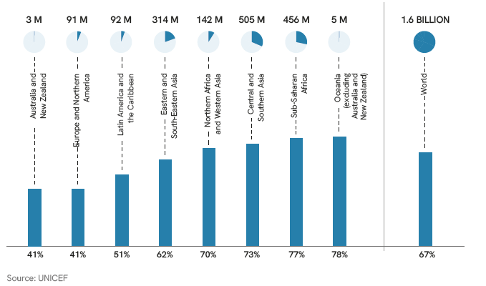

Prevalence of violence within each region
Region | Percentage
Australia and New Zealand | 41
Europe and Northern America | 41
Latin America and the Caribbean | 51
Eastern and South-Eastern Asia | 62
Northern Africa and Western Asia | 70
Central and Southern Asia | 73
Sub-Saharan Africa | 77
Oceania, excluding Australia and New Zealand | 78

World | 67

Regional share of the global prevelance of violence
Region | Number | Percentage | ≈Nearest million
Central and Southern Asia | 504877 | 31 | 505
Sub-Saharan Africa | 455960 | 28 | 456
Eastern and South-Eastern Asia | 313766 | 20 | 314
Northern Africa and Western Asia | 142178 | 9 | 142
Latin America and the Caribbean | 92317 | 6 | 92
Europe and Northern America | 90515 | 6 | 91
Oceania, excluding Australia and New Zealand | 4090 | 0.3 | 5
Australia and New Zealand | 2836 | 0.2 | 3

World | 1606539 |  | 1.6

Figure11+12_16.2.2
Figure 11: Share of detected victims of trafficking, by victim sex and age (2024 or most recent year available)

Girls | 20%
Women | 36%
Boys | 17%
Men | 27%
 | 100%

Figure 12: Share of detected victims of trafficking, by form of exploitation (2024 or most recent year
available)
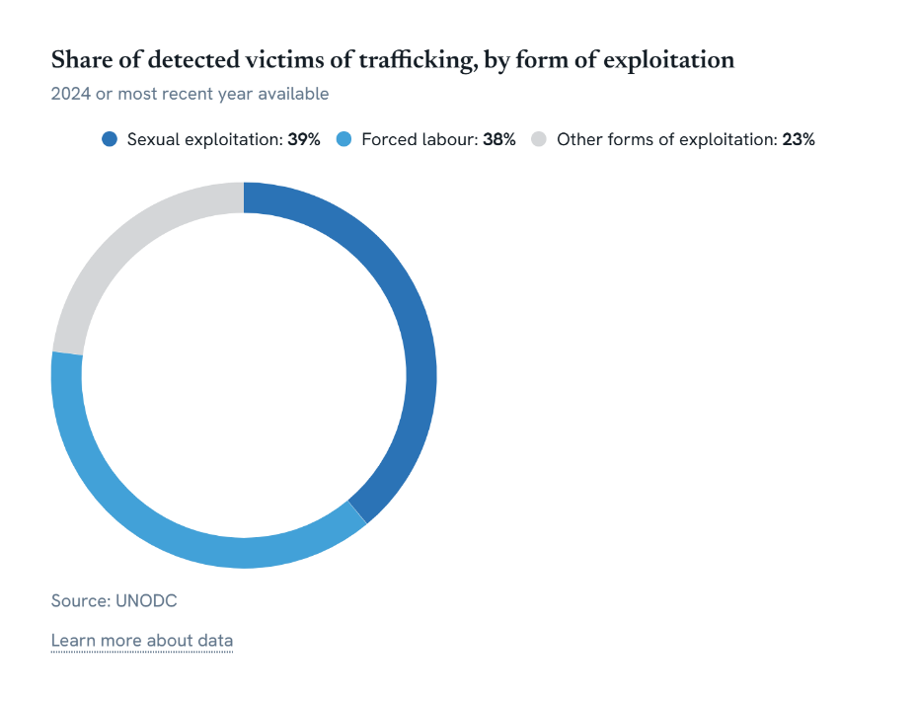

Forced Labour | 38% | 25,134
Sexual Exploitation | 39% | 25,737
Other Forms of Exploitation | 23% | 15,230
 | 100% | 66,101

Figure13_16.1.4
Figure 13: Proportion of the population that feel safe walking alone at night around the area they live in, by
region and period (2016–2020 and 2021-2025)

 | 2016-2020 | 2021-2025
Central Asia and Southern Asia (7 countries) | 68.223735386 | 67.157128807
Eastern Asia and South-eastern Asia (10 countries) | 70.276108968 | 72.195958813
Europe and Northern America (25 countries) | 73.699805495 | 73.347001954
Latin America and the Caribbean (12 countries) | 40.449245671 | 44.338964952
Sub-Saharan Africa (20 countries) | 62.52345964 | 62.895652237
Western Asia and Northern Africa (9 countries) | 76.049362697 | 80.405647357
World (84 countries) | 66.130710819 | 66.507846033

sdg_reporting | period | w_average_period | average_period | nr_countries | nr_countries_sdg | average_world
Central and Southern Asia | 2016-2020 | 68.2 | 68 | 7 | 14 | 66
Eastern and South-Eastern Asia | 2016-2020 | 70.3 | 72 | 10 | 19 | 66
Europe and Northern America | 2016-2020 | 73.7 | 76 | 25 | 58 | 66
Latin America and the Caribbean | 2016-2020 | 40.4 | 45 | 12 | 50 | 66
Oceania | 2016-2020 | 67.2 | 67 | 1 | 23 | 66
Sub-Saharan Africa | 2016-2020 | 62.5 | 53 | 20 | 51 | 66
Northern Africa and Western Asia | 2016-2020 | 76.0 | 77 | 9 | 26 | 66
World | 2016-2020 | 66.1 |  | 84
Central and Southern Asia (7 countries) | 2021-2025 | 67.2 | 73 | 7 | 14 | 67
Eastern and South-Eastern Asia (10 countries) | 2021-2025 | 72.2 | 77 | 10 | 19 | 67
Europe and Northern America (25 countries) | 2021-2025 | 73.3 | 77 | 25 | 58 | 67
Latin America and the Caribbean (12 countries) | 2021-2025 | 44.3 | 45 | 12 | 50 | 67
Oceania (1 countries) | 2021-2025 | 64.6 | 65 | 1 | 23 | 67
Sub-Saharan Africa (20 countries) | 2021-2025 | 62.9 | 52 | 20 | 51 | 67
Northern Africa and Western Asia (9 countries) | 2021-2025 | 80.4 | 78 | 9 | 26 | 67
World (84 countries) | 2021-2025 | 66.5 |  | 84 |  | ≈

Figure14_16.1.4
Figure 14: Proportion of the population that feel safe walking alone at night around the area they live in, by
region and sex (2021-2025)

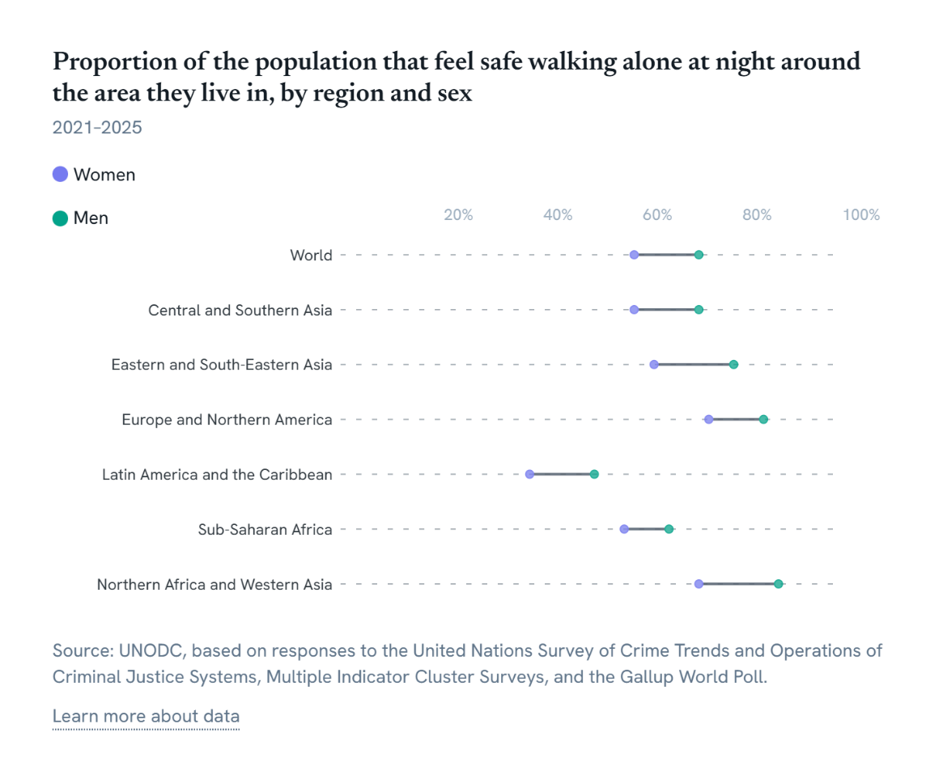

sdg_reporting | period | w_average_period | average_period | nr_countries | nr_countries_sdg | average_world | sex
Central and Southern Asia | 2021-2025 | 59 | 67 | 5 | 14 | 59 | Female
Eastern Asia and South-eastern Asia | 2021-2025 | 63 | 69 | 8 | 19 | 59 | Female
Europe and Northern America | 2021-2025 | 74 | 70 | 22 | 58 | 59 | Female
Latin America and the Caribbean | 2021-2025 | 38 | 38 | 11 | 50 | 59 | Female
Oceania | 2021-2025 | 50 | 50 | 1 | 23 | 59 | Female
Sub-Saharan Africa | 2021-2025 | 57 | 48 | 18 | 51 | 59 | Female
Northern Africa and Western Asia | 2021-2025 | 72 | 72 | 9 | 26 | 59 | Female
World | 2021-2025 | 59 |  | 74
Central and Southern Asia (5 countries) | 2021-2025 | 72 | 78 | 5 | 14 | 72 | Male
Eastern Asia and South-eastern Asia (8 countries) | 2021-2025 | 79 | 82 | 8 | 19 | 72 | Male
Europe and Northern America (22 countries) | 2021-2025 | 85 | 84 | 22 | 58 | 72 | Male
Latin America and the Caribbean (11 countries) | 2021-2025 | 51 | 50 | 11 | 50 | 72 | Male
Oceania (1 countries) | 2021-2025 | 80 | 80 | 1 | 23 | 72 | Male
Sub-Saharan Africa (18 countries) | 2021-2025 | 66 | 56 | 18 | 51 | 72 | Male
Northern Africa and Western Asia (9 countries) | 2021-2025 | 88 | 84 | 9 | 26 | 72 | Male
World (74 countries) | 2021-2025 | 72 |  | 74

Figure15_16.3.1
Figure 15: Proportion of victims of violence in the previous 12 months who reported their victimization, by
type of crime (2025 or latest available year since 2015)

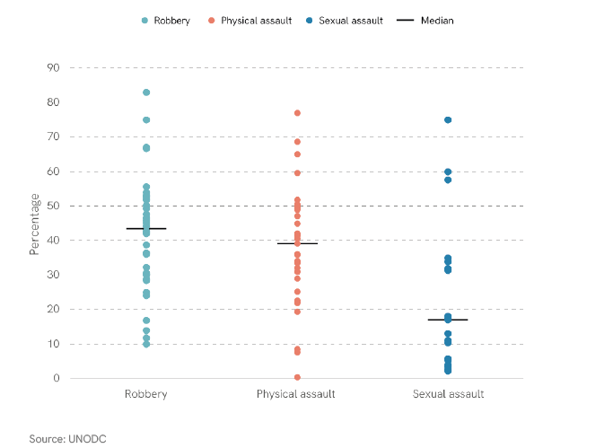

iso3 | country | year | sub_region_name | region_name | sdg_region | variable | question_number | source_name | population | count | comment_from_country | analytical_region | order
ARG | Argentina | 2016 | South America | Americas | Latin America and the Caribbean (MDG=M49) | Reporting Rate of Robbery, Males and Females | 7.2.3 | CTS | 43900313.5 | 42.7 |  | Latin America and the Caribbean (MDG=M49) | 1
AUS | Australia | 2024 | Australia and New Zealand | Oceania | Australia and New Zealand (M49) | Reporting Rate of Robbery, Males and Females | 7.2.3 | CTS | 26713205 | 45 |  | other | 1
BEL | Belgium | 2021 | Western Europe | Europe | Europe and Northern America (M49)(M49) and Europe (M49) | Reporting Rate of Robbery, Males and Females | 7.2.3 | CTS | 11570843.5 | 47.56 |  | Europe and Northern America (M49)(M49) and Europe (M49) | 1
BOL | Bolivia (Plurinational State of) | 2023 | South America | Americas | Latin America and the Caribbean (MDG=M49) | Reporting Rate of Robbery, Males and Females | 7.2.3 | CTS | 12244159.5 | 14 |  | Latin America and the Caribbean (MDG=M49) | 1
CAN | Canada | 2019 | Northern America | Americas | Europe and Northern America (M49)(M49) and Europe (M49) | Reporting Rate of Robbery, Males and Females | 7.2.3 | CTS | 37782934.5 | 46.53688 |  | Europe and Northern America (M49)(M49) and Europe (M49) | 1
CHE | Switzerland | 2022 | Western Europe | Europe | Europe and Northern America (M49)(M49) and Europe (M49) | Reporting Rate of Robbery, Males and Females | 7.2.3 | CTS | 8792182 | 49.2 | Source: Crime Survey 2022 Reporting rates refer to the last incident in the last five years, yearly calculation is not possible. | Europe and Northern America (M49)(M49) and Europe (M49) | 1
CHL | Chile | 2023 | South America | Americas | Latin America and the Caribbean (MDG=M49) | Reporting Rate of Robbery, Males and Females | 7.2.3 | CTS | 19658835 | 38.8 | Denuncia de robo violencia+ robo por sorpresa con respecto al total de personas víctimas | Latin America and the Caribbean (MDG=M49) | 1
COL | Colombia | 2023 | South America | Americas | Latin America and the Caribbean (MDG=M49) | Reporting Rate of Robbery, Males and Females | 7.2.3 | CTS | 52321152.5 | 32.3 |  | Latin America and the Caribbean (MDG=M49) | 1
CPV | Cabo Verde | 2016 | Western Africa | Africa | Sub-Saharan Africa (M49) | Reporting Rate of Robbery, Males and Females | 7.2.3 | CTS | 512554.5 | 51.7 |  | Sub-Saharan Africa (M49) | 1
CRI | Costa Rica | 2023 | Central America | Americas | Latin America and the Caribbean (MDG=M49) | Reporting Rate of Robbery, Males and Females | 7.2.3 | CTS | 5105525.5 | 36.3 | Porcentaje de denuncias ante el OIJ, Ministerio Público o Policía registradas por el hogar, sin contemplar la cantidad de eventos que indicó el informante sobre el delito. El dato esta por hogar. | Latin America and the Caribbean (MDG=M49) | 1
DEU | Germany | 2020 | Western Europe | Europe | Europe and Northern America (M49)(M49) and Europe (M49) | Reporting Rate of Robbery, Males and Females | 7.2.3 | CTS | 83628708.5 | 24 |  | Europe and Northern America (M49)(M49) and Europe (M49) | 1
DOM | Dominican Republic | 2022 | Caribbean | Americas | Latin America and the Caribbean (MDG=M49) | Reporting Rate of Robbery, Males and Females | 7.2.3 | CTS | 11230733.5 | 44.15 |  | Latin America and the Caribbean (MDG=M49) | 1
FRA | France | 2022 | Western Europe | Europe | Europe and Northern America (M49)(M49) and Europe (M49) | Reporting Rate of Robbery, Males and Females | 7.2.3 | CTS | 66277408.5 | 30 |  | Europe and Northern America (M49)(M49) and Europe (M49) | 1
GBR_E_W | United Kingdom (England and Wales) | 2018 | Northern Europe | Europe | Europe and Northern America (M49)(M49) and Europe (M49) | Reporting Rate of Robbery, Males and Females | 7.2.3 | CTS | 59115809 | 51.9 |  | Europe and Northern America (M49)(M49) and Europe (M49) | 1
GUY | Guyana | 2017 | South America | Americas | Latin America and the Caribbean (MDG=M49) | Reporting Rate of Robbery, Males and Females | 7.2.3 | CTS | 768478.5 | 25 |  | Latin America and the Caribbean (MDG=M49) | 1
IDN | Indonesia | 2024 | South-Eastern Asia | Asia | Eastern and South-Eastern Asia | Reporting Rate of Robbery, Males and Females | 7.2.3 | CTS | 283487930.5 | 55.533723311 |  | other | 1
IRL | Ireland | 2019 | Northern Europe | Europe | Europe and Northern America (M49)(M49) and Europe (M49) | Reporting Rate of Robbery, Males and Females | 7.2.3 | CTS | 4933491 | 67 |  | Europe and Northern America (M49)(M49) and Europe (M49) | 1
ISR | Israel | 2022 | Western Asia | Asia | Northern Africa and Western Asia | Reporting Rate of Robbery, Males and Females | 7.2.3 | CTS | 9103151 | 52.9363 |  | other | 1
ITA | Italy | 2023 | Southern Europe | Europe | Europe and Northern America (M49)(M49) and Europe (M49) | Reporting Rate of Robbery, Males and Females | 7.2.3 | SDG | 59499453 | 45.8 |  | Europe and Northern America (M49)(M49) and Europe (M49) | 1
JAM | Jamaica | 2019 | Caribbean | Americas | Latin America and the Caribbean (MDG=M49) | Reporting Rate of Robbery, Males and Females | 7.2.3 | CTS | 2823271 | 50.1 |  | Latin America and the Caribbean (MDG=M49) | 1
KGZ | Kyrgyzstan | 2015 | Central Asia | Asia | Central and Southern Asia | Reporting Rate of Robbery, Males and Females | 7.2.3 | CTS | 6001882 | 36.1 |  | other | 1
KOR | Republic of Korea | 2022 | Eastern Asia | Asia | Eastern and South-Eastern Asia | Reporting Rate of Robbery, Males and Females | 7.2.3 | CTS | 51782511.5 | 9.9 |  | other | 1
LCA | Saint Lucia | 2018 | Caribbean | Americas | Latin America and the Caribbean (MDG=M49) | Reporting Rate of Robbery, Males and Females | 7.2.3 | CTS | 177017 | 75 |  | Latin America and the Caribbean (MDG=M49) | 1
MEX | Mexico | 2024 | Central America | Americas | Latin America and the Caribbean (MDG=M49) | Reporting Rate of Robbery, Males and Females | 7.2.3 | CTS | 130861007 | 11.8 | Fuente: Encuesta Nacional de Victimización y Percepción de Seguridad Pública (ENVIPE), 2022, 2023, 2024 y 2025. | Latin America and the Caribbean (MDG=M49) | 1
NGA | Nigeria | 2023 | Western Africa | Africa | Sub-Saharan Africa (M49) | Reporting Rate of Robbery, Males and Females | 7.2.3 | UNODC Research | 227882945 | 28.46 | Source: UNODC Estimate based on National Surveys on Quality and Integrity of Public Services (2016, 2019, 2023) | Sub-Saharan Africa (M49) | 1
NZL | New Zealand | 2024 | Australia and New Zealand | Oceania | Australia and New Zealand (M49) | Reporting Rate of Robbery, Males and Females | 7.2.3 | CTS | 5213944 | 28.7 | proportions of incidents reported to Police (cells not filled indicate the figures are suppressed) | other | 1
PAN | Panama | 2016 | Central America | Americas | Latin America and the Caribbean (MDG=M49) | Reporting Rate of Robbery, Males and Females | 7.2.3 | NSO | 4029086.5 | 30.6 | Source: National Integrated System of Criminal Statistics (SIEC), Panama's National Crime Victim Survey (ENVI) 2017. Does not include attempts | Latin America and the Caribbean (MDG=M49) | 1
PER | Peru | 2023 | South America | Americas | Latin America and the Caribbean (MDG=M49) | Reporting Rate of Robbery, Males and Females | 7.2.3 | CTS | 33845617 | 16.783037294 | A partir del año 2017, se adicionó una pregunta que actualmente forma parte del indicador denuncia, por lo cual se actualizaron los resultados para los años 2017-2022. Se considera la denuncia del hecho delictivo robo e intento de robo de dinero, cartera, celular, etc. manifestada a la Policía Nacional del Perú (Comisaría) Fuente: Encuesta Nacional de Programas Presupuestales. | Latin America and the Caribbean (MDG=M49) | 1
POL | Poland | 2024 | Eastern Europe | Europe | Europe and Northern America (M49)(M49) and Europe (M49) | Reporting Rate of Robbery, Males and Females | 7.2.3 | CTS | 38539201 | 53.1 |  | Europe and Northern America (M49)(M49) and Europe (M49) | 1
PRY | Paraguay | 2019 | South America | Americas | Latin America and the Caribbean (MDG=M49) | Reporting Rate of Robbery, Males and Females | 7.2.3 | CTS | 6515058 | 52.7 |  | Latin America and the Caribbean (MDG=M49) | 1
PSE | State of Palestine | 2020 | Western Asia | Asia | Northern Africa and Western Asia | Reporting Rate of Robbery, Males and Females | 7.2.3 | CTS | 5069692 | 36.3 |  | other | 1
SWE | Sweden | 2017 | Northern Europe | Europe | Europe and Northern America (M49)(M49) and Europe (M49) | Reporting Rate of Robbery, Males and Females | 7.2.3 | CTS | 10057861.5 | 42 |  | Europe and Northern America (M49)(M49) and Europe (M49) | 1
THA | Thailand | 2024 | South-Eastern Asia | Asia | Eastern and South-Eastern Asia | Reporting Rate of Robbery, Males and Females | 7.2.3 | CTS | 71668011 | 66.7 |  | other | 1
TTO | Trinidad and Tobago | 2015 | Caribbean | Americas | Latin America and the Caribbean (MDG=M49) | Reporting Rate of Robbery, Males and Females | 7.2.3 | CTS | 1429188.5 | 83 |  | Latin America and the Caribbean (MDG=M49) | 1
UGA | Uganda | 2025 | Eastern Africa | Africa | Sub-Saharan Africa (M49) | Reporting Rate of Robbery, Males and Females | 7.2.3 | SDG | 51384894 | 54 |  | Sub-Saharan Africa (M49) | 1
USA | United States of America | 2023 | Northern America | Americas | Europe and Northern America (M49)(M49) and Europe (M49) | Reporting Rate of Robbery, Males and Females | 7.2.3 | CTS | 343477335 | 42.4 | CV23 table 4 | Europe and Northern America (M49)(M49) and Europe (M49) | 1
...

Figure16_16.3.1
Figure 16: Proportion of victims of physical assault in the previous 12 months who reported their
victimization, by sex and region (2024 or latest available year since 2016)
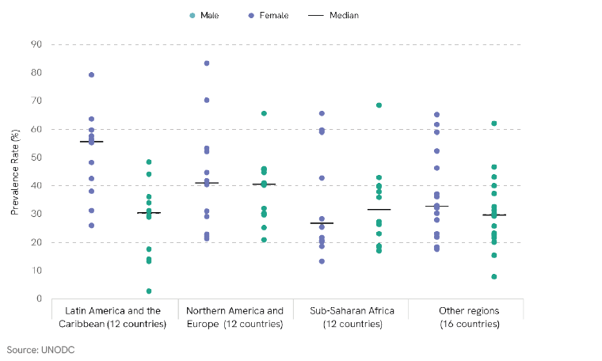

iso3 | country | year | sub_region_name | region_name | sdg_region | variable | question_number | source_name | population | count | comment_from_country | sex | analytical_region | Order | Order -- Global
ARG | Argentina | 2016 | South America | Americas | Latin America and the Caribbean (MDG=M49) | Reporting Rate of Physical assault, Females | 7.2.4 | CTS | 43900313.5 | 55.3 |  | female | Latin America and the Caribbean (MDG=M49) | 1 | 9
CHL | Chile | 2023 | South America | Americas | Latin America and the Caribbean (MDG=M49) | Reporting Rate of Physical assault, Females | 7.2.4 | CTS | 19658835 | 56.4 |  | female | Latin America and the Caribbean (MDG=M49) | 1 | 9
COL | Colombia | 2023 | South America | Americas | Latin America and the Caribbean (MDG=M49) | Reporting Rate of Physical assault, Females | 7.2.4 | CTS | 52321152.5 | 38.1 |  | female | Latin America and the Caribbean (MDG=M49) | 1 | 9
CUB | Cuba | 2019 | Caribbean | Americas | Latin America and the Caribbean (MDG=M49) | Reporting Rate of Physical assault, Females | 7.2.4 | MICS | 11202846.5 | 57.629962921 | Survey sample covers women and men aged 15-49 | female | Latin America and the Caribbean (MDG=M49) | 1 | 9
DOM | Dominican Republic | 2022 | Caribbean | Americas | Latin America and the Caribbean (MDG=M49) | Reporting Rate of Physical assault, Females | 7.2.4 | CTS | 11230733.5 | 42.64 |  | female | Latin America and the Caribbean (MDG=M49) | 1 | 9
GUY | Guyana | 2019 | South America | Americas | Latin America and the Caribbean (MDG=M49) | Reporting Rate of Physical assault, Females | 7.2.4 | MICS | 807665 | 59.715797424 | Survey sample covers women and men aged 15-49 | female | Latin America and the Caribbean (MDG=M49) | 1 | 9
HND | Honduras | 2019 | Central America | Americas | Latin America and the Caribbean (MDG=M49) | Reporting Rate of Physical assault, Females | 7.2.4 | MICS | 9943633.5 | 26.09695816 | Survey sample covers women aged 15-49 and men aged 15-59 | female | Latin America and the Caribbean (MDG=M49) | 1 | 9
JAM | Jamaica | 2019 | Caribbean | Americas | Latin America and the Caribbean (MDG=M49) | Reporting Rate of Physical assault, Females | 7.2.4 | SDG | 2823271 | 55.9 |  | female | Latin America and the Caribbean (MDG=M49) | 1 | 9
...

Figure17_16.3.3
Figure 17: Proportion of the population who have experienced a dispute in the past two years who accessed
a formal or informal dispute resolution mechanism, across different countries (2025 or latest available year).

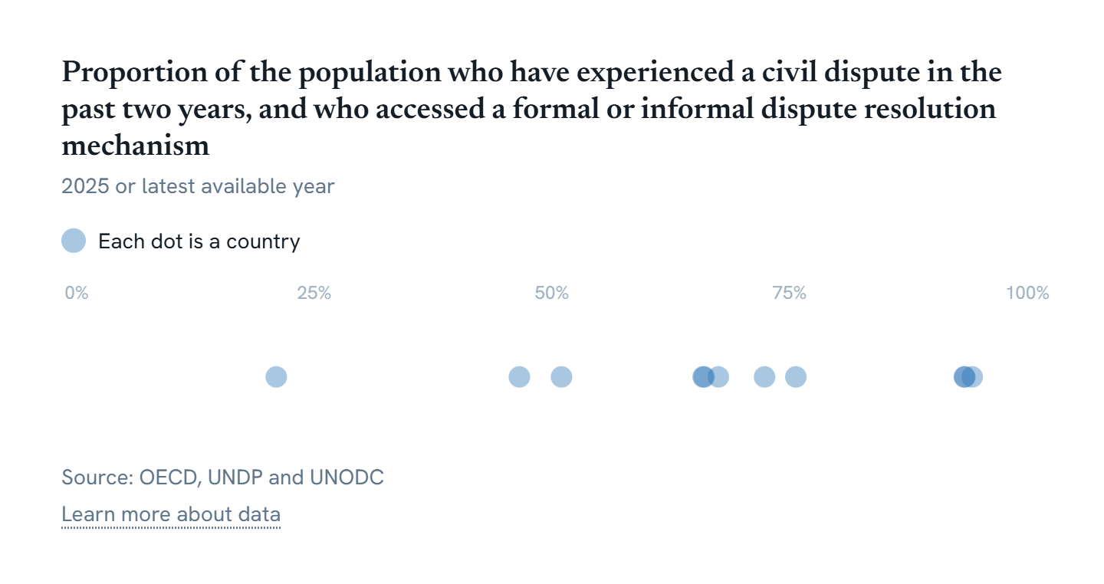

GeoAreaCode | GeoAreaName | TimePeriod | Value | Time_Detail | Source
710 | South Africa* | 2021 | 21 | 2021 | Governance, Public Safety and Justice Survey (GPSJS) 2021/22
170 | Colombia | 2020 | 46.57 | 2020 | Encuesta de convivencia y seguridad ciudadana - ECSC- Capítulo de problemas, desacuerdos, conflictos o disputas
222 | El Salvador | 2022 | 51 | 2022 | Acceso a justicia y resolución no violenta de conflictos en el Salvador (2023)
124 | Canada | 2021 | 65.89 | 2021 | Canadian Legal Problems Survey, 2021
270 | Gambia | 2025 | 66 | 2025 | The Gambia - 2025 SDGs Monitoring Survey
604 | Peru | 2023 | 67.5 | 2023 | Instituto Nacional de Estadística e Informática (INEI) - Encuesta Nacional de Hogares (ENAHO). Módulo de opinión sobre "Gobernabilidad, Democracia y Transparencia".
288 | Ghana | 2021 | 72.36 | 2021 | Source: UNODC Estimate based on Ghana Integrity of Public Service Survey (GIPSS)
...

Figure18_16.3.2
Figure 18: Number of persons held in detention per 100.000 population (2015 and 2024)

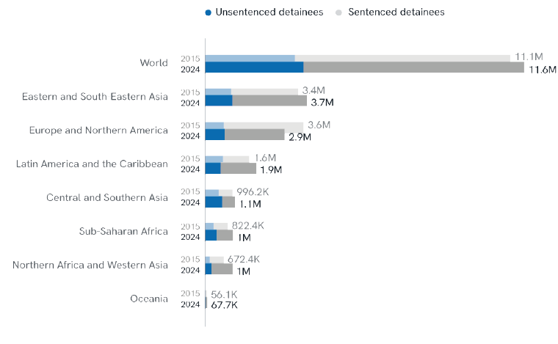

Note: Regions are ranked in ascending order of the rate of detainees per 100,000 population in 2024.
Source: UNODC estimates, based on responses to the United Nations Survey of Crime Trends and Operations of Criminal Justice Systems, data from the World Prison Brief (Institute for Crime & Justice Policy Research) and national sources reviewed by Member States

Regions | Counts (2024) |  |  | Counts (2015) |  |  | Rate of detainees per 100,000 population |  |  | Population
 | Total persons held in detention | Unsentenced detainees | Sentenced detainees | Total persons held in detention | Unsentenced detainees | Sentenced detainees | 2024 | 2015 | e | 2015 | 2024
Latin America and the Caribbean | 1,864,527 | 572,668 | 1,291,859 | 1,607,580 | 658,625 | 948,955 | 281 | 259 |  | 620,042,609 | 663,466,072
Europe and Northern America | 2,896,125 | 712,171 | 2,183,954 | 3,595,355 | 675,425 | 2,919,930 | 256 | 325 |  | 1,106,179,121 | 1,130,522,174
...

Figure19_16.3.2
Figure 19: Unsentenced detainees as a proportion of overall prison population (2015 and 2024)

 | ≈2015 | 2024
Northern Africa and Western Asia | 25 | 24
Europe and Northern America | 19 | 25
Eastern and South-Eastern Asia | 28 | 27
Latin America and the Caribbean | 41 | 31
Oceania | 27 | 39
Sub-Saharan Africa | 38 | 41
Central and Southern Asia | 50 | 58
World | 29 | 31

Regions | Counts (2024) |  |  | Share of unsentenced detainees
 | Total persons held in detention | Unsentenced detainees | Sentenced detainees | 2024 | ≈2015 | 2015
Northern Africa and Western Asia | 1,006,132 | 239,009 | 767,123 | 24 | 25 | 0.25221137261
Europe and Northern America | 2,896,125 | 712,204 | 2,183,921 | 25 | 19 | 0.18786044228
Eastern and South-Eastern Asia | 3,708,760 | 1,002,295 | 2,706,465 | 27 | 28 | 0.2782053342
Latin America and the Caribbean | 1,875,782 | 575,395 | 1,300,387 | 31 | 41 | 0.40969977878
...

Figure20_16.3.2
Figur 20: Unsentenced prisoners as a proportion of the overall prison population, by sex and region (2024)

Unsentenced prisoners as a proportion of the overall prison population, by sex and region, 2024
 | Male | Female
Central and Southern Asia | 57.9 | 54.1
Latin America and the Caribbean | 30.4 | 37.5
Sub-Saharan Africa | 40.7 | 48.6
Europe and Northern America | 24.2 | 28.5
Eastern and South-Eastern Asia | 27.3 | 24.3
Northern Africa and Western Asia | 23.3 | 35.2
Oceania | 38.4 | 48.9
World | 30.9 | 30.7

region_name | Unsentenced male | Total male | Share unsentenced males | Unsentenced Female | Total Female | Share unsentenced female | Percentage point diff
Central and Southern Asia | 604,661 | 1,044,194 | 57.9 | 22,755 | 42,046 | 54.1 | -4
Latin America and the Caribbean | 538,173 | 1,772,506 | 30.4 | 34,495 | 92,021 | 37.5 | 7
...

Figure21_16.3.2
Figure21: Percentage of countries where prisoners outnumber the prison capacity (2024 or latest year |  |  |  |  |  |  |  |  | Regional and global calculations of overcrowding
available) |  |  |  |  |  |  |  |  |  | World (183 countries) | Central and Southern Asia (7 countries) | Eastern and South-Eastern Asia (15 countries) | Europe and Northern America (54 countries)
 |  |  |  |  |  |  |  |  | >150% | 27 | 43 | 27 | 0
 |  |  |  |  |  |  |  |  | >100-150% | 37 | 29 | 40 | 30
 | Lower than capacity or 100% | >100-150% | >150%
World (183 countries) | 36.06557377 | 36.612021858 | 27.322404372
Central and Southern Asia (7 countries) | 28.571428571 | 28.571428571 | 42.857142857
Eastern and South-Eastern Asia (15 countries) | 33.333333333 | 40 | 26.666666667
Europe and Northern America (54 countries) | 70.37037037 | 29.62962963 | 0
Latin America and the Caribbean (42 countries) | 26.19047619 | 35.714285714 | 38.095238095
Northern Africa and Western Asia (14 countries) | 35.714285714 | 42.857142857 | 21.428571429
Sub-Saharan Africa (39 countries) | 5.1282051282 | 38.461538462 | 56.41025641
Oceania (12 countries) | 25 | 58.333333333 | 16.666666667
 |  |  |  |  |  |  |  |  | Lower than capacity or 100% | 36 | 29 | 33 | 70
 |  |  |  |  |  |  |  |  | Total # of cuntries | 183 | 7 | 15 | 54

 |  |  |  |  |  |  |  |  |  | World | Central and Southern Asia | Eastern and South-Eastern Asia | Europe and Northern America
 |  |  |  |  |  |  |  |  |  | 50 | 3 | 4 | 0
 |  |  |  |  |  |  |  |  |  | 67 | 2 | 6 | 16
 |  |  |  |  |  |  |  |  |  | 66 | 2 | 5 | 38

 |  |  |  |  | x |  |  |  | Region | No_overcrowding | Medium | High | Total
 |  |  |  |  |  |  |  |  | Central and Southern Asia | 2 | 2 | 3 | 7
 |  |  |  |  |  |  |  |  | Eastern and South-Eastern Asia | 5 | 6 | 4 | 15
 |  |  |  |  |  |  |  |  | Europe and Northern America | 38 | 16 | 0 | 54
 |  |  |  |  |  |  |  |  | Latin America and the Caribbean | 11 | 15 | 16 | 42
 |  |  |  |  |  |  |  |  | Northern Africa and Western Asia | 5 | 6 | 3 | 14
 |  |  |  |  |  |  |  |  | Sub-Saharan Africa | 2 | 15 | 22 | 39
 |  |  |  |  |  |  |  |  | Oceania | 3 | 7 | 2 | 12
 |  |  |  |  |  |  |  |  | Total | 66 | 67 | 50 | 183
 |  |  |  |  |  |  |  |  | % of countries | 36% | 37% | 27%

iso3 | country | year | sub_region_name | SDG_region_name | population | prisoners_all | capacity_all | overcrowing_rate | overcrowding_category | capacity_adults | prisoners_adults
AFG | Afghanistan | 2018 | Southern Asia | Central and Southern Asia | 36743039 | 30748 | 16711 | 1.839985638 | High
ALB | Albania | 2024 | Southern Europe | Europe and Northern America | 2791764.5 | 4741 | 5747 | 0.824952149 | No_overcrowding
BDI | Burundi | 2024 | Eastern Africa | Sub-Saharan Africa | 14047786 | 13824 | 4294 | 3.219375873 | High
AND | Andorra | 2024 | Southern Europe | Europe and Northern America | 81937.5 | 51 | 148 | 0.344594595 | No_overcrowding
...

Figure22_16.4.2
Figure 22: Firearm tracing success relative to average seizure volumes, by country (2016–2024)
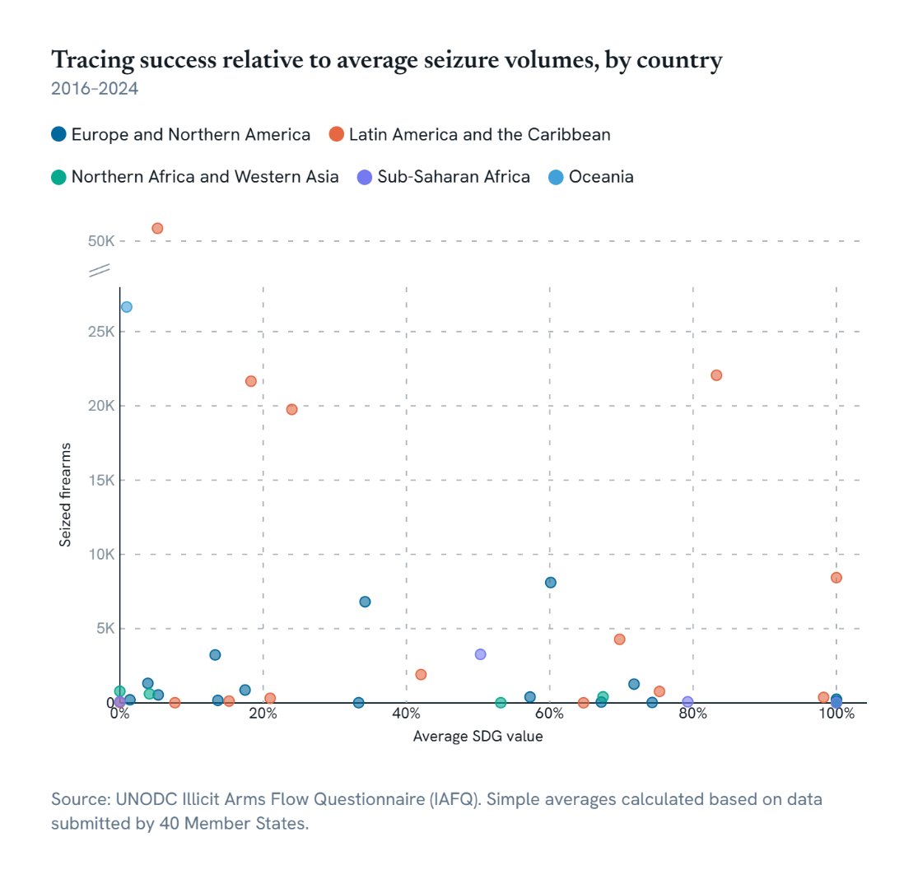

iso3 | region_sdg | average_seizures_yearly | average_SDG | Average_SDG | Average_seizures | country_count | below average | region_sdg | reg_average _2026 | Average_seizures_2026
ALB | Europe and Northern America (M49) | 540 | 5.36% | 43.6% | 1,559 | 15 | 1 | Europe and Northern America (M49) | 43.6% | 1,559
AND | Europe and Northern America (M49) | 14 | 33.33% | 43.6% | 1,559 | 15 | 1 | Latin America and the Caribbean (M49) | 44.6% | 9,539
BEL | Europe and Northern America (M49) | 6,811 | 34.22% | 43.6% | 1,559 | 15 | 1 | Northern Africa and Western Asia (M49) | 54.1% | 309
BGR | Europe and Northern America (M49) | 56 | 67.19% | 43.6% | 1,559 | 15 | 0 | Oceania (M49) | 1.0% | 309
ESP | Europe and Northern America (M49) | 8,107 | 60.13% | 43.6% | 1,559 | 15 | 0 | Sub-Saharan Africa (M49) | 57.4% | 860
EST | Europe and Northern America (M49) | 28 | 74.29% | 43.6% | 1,559 | 15 | 0
GBR | Europe and Northern America (M49) | 870 | 17.48% | 43.6% | 1,559 | 15 | 1
GRC | Europe and Northern America (M49) | 3,234 | 13.30% | 43.6% | 1,559 | 15 | 1
HUN | Europe and Northern America (M49) | 109 | 100.00% | 43.6% | 1,559 | 15 | 0 | region_sdg | Country_count | Below average
...

Figure23_15.5.1
Figure 23: Proportion of population that experienced bribery when in contact with public officials in the previous 12 months, by region, 2024 or latest year available since 2015

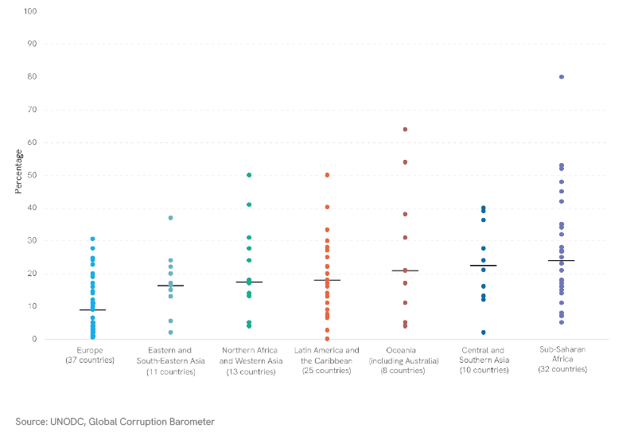

 |  |  |  |  |  |  |  | Summary Table
 |  |  |  |  |  |  |  | Metric | Europe | Eastern and South-Eastern Asia | Northern Africa and Western Asia | Latin America and the Caribbean | Oceania (including Australia)
 |  |  |  |  |  |  |  | max | 30.5 | 37 | 50 | 50 | 64
 |  |  |  |  |  |  |  | median | 9.0 | 15.7 | 17.4 | 18.0 | 21
 |  |  |  |  |  |  |  | mean | 10 | 16 | 20 | 20 | 30
 |  |  |  |  |  |  |  | min | 0.5 | 2 | 4 | 0 | 4
 |  |  |  |  |  |  |  | order | 1 | 2 | 3 | 4 | 5
 |  |  |  |  |  |  |  | count | 37 | 10 | 13 | 25 | 11
 |  |  |  |  |  |  |  |  | Europe (37 countries) | Eastern and South-Eastern Asia (10 countries) | Northern Africa and Western Asia(13 countries) | Latin America and the Caribbean (25 countries) | Oceania (including Australia)(11 countries)

year | year_value | bar_order | question_number | question_text | iso3 | country | m49_region | m49_subregion | m49_intermediate_region | sdg_region | sub_region_name | region_name | source_name
2016 | 21.1 | 6 | 7.1.4 | Prevalence Rate of Bribery Males and Females | KAZ | Kazakhstan | ASI | CAS |  | ACS | Central Asia | Asia | GCB UNODC Adjusted
2016 | 27.6 | 6 | 7.1.4 | Prevalence Rate of Bribery Males and Females | KGZ | Kyrgyzstan | ASI | CAS |  | ACS | Central Asia | Asia | GCB UNODC Adjusted
2016 | 36.3 | 6 | 7.1.4 | Prevalence Rate of Bribery Males and Females | TJK | Tajikistan | ASI | CAS |  | ACS | Central Asia | Asia | GCB UNODC Adjusted
2016 | 13.1 | 6 | 7.1.4 | Prevalence Rate of Bribery Males and Females | UZB | Uzbekistan | ASI | CAS |  | ACS | Central Asia | Asia | GCB UNODC Adjusted
2020 | 24.0 | 6 | 7.1.4 | Prevalence Rate of Bribery Males and Females | BGD | Bangladesh | ASI | SAS |  | ACS | Southern Asia | Asia | GCB
2020 | 39.0 | 6 | 7.1.4 | Prevalence Rate of Bribery Males and Females | IND | India | ASI | SAS |  | ACS | Southern Asia | Asia | GCB
2019 | 16.0 | 6 | 7.1.4 | Prevalence Rate of Bribery Males and Females | LKA | Sri Lanka | ASI | SAS |  | ACS | Southern Asia | Asia | GCB
...

Figure24_16.5.1
Figure 24: Proportion of population that experienced bribery when in contact with public officials in the previous 12 months, by country income level, 2024 or latest year available since 2015

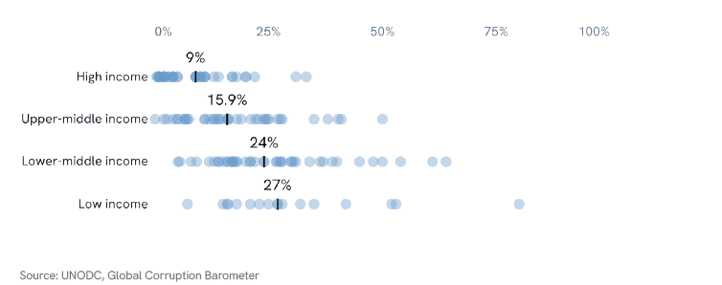

 | Summary Table | Low income | Lower middle income | Upper middle income | High income (39 countries)
 | Max | 80 | 64 | 50 | 33.3
 | Median | 27 | 24 | 15.906 | 9.0
...

Figure25_16.5.2
Source | GeoInfoUrl | FootNote | Nature | Reporting Type | Units
WDI |  |  | E | G | PERCENT | Figure 25: Proportion of businesses that experienced bribery by region (2024 or latest available year
WDI |  |  | E | G | PERCENT | since-2015)
WDI |  |  | E | G | PERCENT
WDI |  |  | E | G | PERCENT
 | Max |  | Mean |  | Sub-Saharan Africa Points |  | Eastern Asia and South-Eastern Asia |  | Central and Southern Asia (9 Countries) |  | Northern Africa and Western Asia (13 Countries) |  | Latin America & the Caribbean (16 Countries) |  | Europe and Northern America (36 Countries)
 | 56.11 |  | 15.755 | 1 | 14.55 | 2 | 2.56 | 3 | 11.59 | 4 | 4.93 | 5 | 9.27 | 6 | 4.91
 | 40.29 |  | 15.095 | 1 | 6.14 | 2 | 24.69 | 3 | 31.41 | 4 | 29.62 | 5 | 0.00 | 6 | 0.92
 | 31.41 |  | 11.59 | 1 | 1.39 | 2 | 27.09 | 3 | 11.07 | 4 | 11.91 | 5 | 9.10 | 6 | 3.46
 | 50.47 |  | 11.479230769 | 1 | 26.69 | 2 | 20.34 | 3 | 5.94 | 4 | 1.45 | 5 | 2.75 | 6 | 1.20
 | 16.08 |  | 7.04 | 1 | 22.64 | 2 | 40.29 | 3 | 22.99 | 4 | 12.06 | 5 | 5.60 | 6 | 7.11
 | 37.37 |  | 2.815 | 1 | 34.27 | 2 | 0.43 | 3 | 0.30 | 4 | 6.53 | 5 | 12.34 | 6 | 2.78
 |  |  |  | 1 | 27.33 | 2 | 29.33 | 3 | 27.23 | 4 | 1.00 | 5 | 5.94 | 6 | 2.66
 |  |  |  | 1 | 19.85 | 2 | 8.33 | 3 | 6.17 | 4 | 50.47 | 5 | 3.12 | 6 | 26.80
 |  |  |  | 1 | 7.59 | 2 | 0.58 | 3 | 15.90 | 4 | 2.50 | 5 | 2.84 | 6 | 2.04
 |  |  |  | 1 | 20.10 | 2 | 9.85 |  |  | 4 | 21.79 | 5 | 8.75 | 6 | 37.37
 |  |  |  | 1 | 16.96 |  | 9.85 |  |  | 4 | 4.54 | 5 | 15.82 | 6 | 3.37
 |  |  |  | 1 | 7.93 |  | 31.07 |  |  | 4 | 1.36 | 5 | 6.48 | 6 | 0.00
 |  |  |  | 1 | 23.86 |  |  |  |  | 4 | 1.07 | 5 | 16.08 | 6 | 2.85
 |  |  |  | 1 | 7.27 |  |  |  |  |  |  | 5 | 7.60 | 6 | 0.43
 |  |  |  | 1 | 56.11 |  |  |  |  |  |  | 5 | 12.65 | 6 | 1.96
 |  |  |  | 1 | 19.19 |  |  |  |  |  |  | 5 | 2.35 | 6 | 0.21
 |  |  |  | 1 | 33.69 |  |  |  |  |  |  |  |  | 6 | 0.00
 |  |  |  | 1 | 5.73 |  |  |  |  |  |  |  |  | 6 | 36.10
 |  |  |  | 1 | 21.06 |  |  |  |  |  |  |  |  | 6 | 3.51
 |  |  |  | 1 | 7.80 |  |  |  |  |  |  |  |  | 6 | 6.84
 |  |  |  | 1 | 12.32 |  |  |  |  |  |  |  |  | 6 | 5.46
 |  |  |  | 1 | 6.88 |  |  |  |  |  |  |  |  | 6 | 11.81
 |  |  |  | 1 | 17.96 |  |  |  |  |  |  |  |  | 6 | 2.38
 |  |  |  | 1 | 1.54 |  |  |  |  |  |  |  |  | 6 | 8.00
 |  |  |  | 1 | 6.89 |  |  |  |  |  |  |  |  | 6 | 9.56
 |  |  |  | 1 | 1.98 |  |  |  |  |  |  |  |  | 6 | 7.67
 |  |  |  | 1 | 9.59 |  |  |  |  |  |  |  |  | 6 | 2.04
 |  |  |  | 1 | 17.48 |  |  |  |  |  |  |  |  | 6 | 1.77
 |  |  |  |  |  |  |  |  |  |  |  |  |  | 6 | 3.50
 |  |  |  |  |  |  |  |  |  |  |  |  |  | 6 | 3.16
 |  |  |  |  |  |  |  |  |  |  |  |  |  | 6 | 1.29
 |  |  |  |  |  |  |  |  |  |  |  |  |  | 6 | 4.34
 |  |  |  |  |  |  |  |  |  |  |  |  |  | 6 | 1.59
 |  |  |  |  |  |  |  |  |  |  |  |  |  | 6 | 2.25
 |  |  |  |  |  |  |  |  |  |  |  |  |  | 6 | 0.00
 |  |  |  |  |  |  |  |  |  |  |  |  |  | 6 | 0.28
WDI |  |  | E | G | PERCENT
WDI |  |  | E | G | PERCENT
WDI |  |  | E | G | PERCENT
WDI |  |  | E | G | PERCENT
WDI |  |  | E | G | PERCENT
WDI |  |  | E | G | PERCENT
WDI |  |  | E | G | PERCENT
WDI |  |  | E | G | PERCENT
WDI |  |  | E | G | PERCENT
WDI |  |  | E | G | PERCENT
WDI |  |  | E | G | PERCENT
WDI |  |  | E | G | PERCENT
WDI |  |  | E | G | PERCENT
WDI |  |  | E | G | PERCENT
WDI |  |  | E | G | PERCENT
WDI |  |  | E | G | PERCENT
WDI |  |  | E | G | PERCENT
WDI |  |  | E | G | PERCENT
WDI |  |  | E | G | PERCENT
WDI |  |  | E | G | PERCENT
WDI |  |  | E | G | PERCENT
WDI |  |  | E | G | PERCENT | Period | iso3 | m49_region | m49_subregion | m49_intermediate_region | country | income_level | Region | Subregion | Intermediate Region | Column Order
WDI |  |  | E | G | PERCENT | 2016-2020 | BEN | AFR | ASS | ASS_W | Benin | L | Africa | Subsaharan Africa | Western Africa | 1
WDI |  |  | E | G | PERCENT | 2021-2026 | BWA | AFR | ASS | ASS_S | Botswana | UM | Africa | Subsaharan Africa | Southern Africa | 1
WDI |  |  | E | G | PERCENT | 2021-2026 | CPV | AFR | ASS | ASS_W | Cabo Verde | UM | Africa | Subsaharan Africa | Western Africa | 1
WDI |  |  | E | G | PERCENT | 2016-2020 | CMR | AFR | ASS | ASS_M | Cameroon | LM | Africa | Subsaharan Africa | Middle Africa | 1
WDI |  |  | E | G | PERCENT | 2021-2026 | CAF | AFR | ASS | ASS_M | Central African Republic | L | Africa | Subsaharan Africa | Middle Africa | 1
WDI |  |  | E | G | PERCENT | 2021-2026 | TCD | AFR | ASS | ASS_M | Chad | L | Africa | Subsaharan Africa | Middle Africa | 1
...

Figure26_16.5.2
 | Medium |  | Median |  | H1 |  | H2 |  | L1 |  | L2 |  | LM1 |  | LM2 |  | UM1 |  | UM2
2010-2016 | 2.38 | 2010-2016 | 2.38 | 1 | 10.27 | 2 | 9.27 | 7 | 21.03 | 8 | 22.64 | 5 | 47.7 | 6 | 22.99 | 3 | 20.4 | 4 | 36.1
2017-2024 | 1.96 | 2017-2024 | 1.96 | 1 | 1.2 | 2 | 0 | 7 | 32.88 | 8 | 19.19 | 5 | 0.88 | 6 | 0.3 | 3 | 8.7 | 4 | 1.45
2010-2016 | 12.68 | 2010-2016 | 12.68 | 1 | 7.32 | 2 | 0.92 | 7 | 6.9 | 8 | 12.32 | 5 | 10.65 | 6 | 9.1 | 3 | 16.04 | 4 | 12.06
2017-2024 | 6.14 | 2017-2024 | 6.14 | 1 | 5.96 | 2 | 6.84 | 7 | 35.5 | 8 | 11.07 | 5 | 69.36 | 6 | 27.09 | 3 | 7.86 | 4 | 4.91
2010-2016 | 21.75 | 2010-2016 | 21.75 | 1 | 3.69 | 2 | 3.46 | 7 | 6.97 | 8 | 1.98 | 5 | 25.29 | 6 | 19.85 | 3 | 13 | 4 | 3.51
2017-2024 | 13.905 | 2017-2024 | 13.905 | 1 | 0 | 2 | 0 |  |  |  |  | 5 | 17.38 | 6 | 4.93 | 3 | 8.37 | 4 | 6.14
2010-2016 | 21.03 | 2010-2016 | 21.03 | 1 | 2.24 | 2 | 1.2 |  |  |  |  | 5 | 6.72 | 6 | 7.59 | 3 | 2.22 | 4 | 2.75
2017-2024 | 12.32 | 2017-2024 | 12.32 | 1 | 2.38 | 2 | 1.96 |  |  |  |  | 5 | 18.74 | 6 | 16.96 | 3 | 8.7 | 4 | 5.6
 |  |  |  | 1 | 8.37 | 2 | 0.21 |  |  |  |  | 5 | 22.66 | 6 | 27.23 | 3 | 1.72 | 4 | 5.94
 |  |  |  | 1 | 1.86 | 2 | 2.78 |  |  |  |  | 5 | 26.36 | 6 | 23.86 | 3 | 4.34 | 4 | 3.12
 |  |  |  | 1 | 9.59 | 2 | 2.66 |  |  |  |  | 5 | 56.58 | 6 | 31.41 | 3 | 1.43 | 4 | 1
 |  |  |  | 1 | 4.38 | 2 | 2.04 |  |  |  |  | 5 | 37.3 | 6 | 40.29 | 3 | 11.29 | 4 | 2.84
 |  |  |  | 1 | 0.16 | 2 | 1.77 |  |  |  |  | 5 | 14.63 | 6 | 7.27 | 3 | 30.62 | 4 | 20.34
 |  |  |  | 1 | 1.87 | 2 | 0 |  |  |  |  | 5 | 33.73 | 6 | 24.69 | 3 | 37.27 | 4 | 50.47
 |  |  |  | 1 | 2.2 | 2 | 2.35 |  |  |  |  | 5 | 37.25 | 6 | 29.62 | 3 | 12.68 | 4 | 2.5
 |  |  |  |  |  |  |  |  |  |  |  | 5 | 14.45 | 6 | 6.17 | 3 | 25.61 | 4 | 11.59
 |  |  |  |  |  |  |  |  |  |  |  | 5 | 30.84 | 6 | 15.9 | 3 | 8.18 | 4 | 3.16
 |  |  |  |  |  |  |  |  |  |  |  | 5 | 17.22 | 6 | 8.33 | 3 | 19.17 | 4 | 21.79
 |  |  |  |  |  |  |  |  |  |  |  | 5 | 20.84 | 6 | 6.89 | 3 | 28.21 | 4 | 0.43
 |  |  |  |  |  |  |  |  |  |  |  | 5 | 44.2 | 6 | 9.85 | 3 | 17.6 | 4 | 15.82
 |  |  |  |  |  |  |  |  |  |  |  | 5 | 10.33 | 6 | 11.91 | 3 | 30.3 | 4 | 7.11
 |  |  |  |  |  |  |  |  |  |  |  | 5 | 49.34 | 6 | 37.37 | 3 | 17.02 | 4 | 8
 |  |  |  |  |  |  |  |  |  |  |  | 5 | 6.01 | 6 | 5.94 | 3 | 9.34 | 4 | 9.56
 |  |  |  |  |  |  |  |  |  |  |  | 5 | 26.13 | 6 | 31.07 | 3 | 31.52 | 4 | 16.08
 |  |  |  |  |  |  |  |  |  |  |  | 5 | 6.57 | 6 | 1.07 | 3 | 15.88 | 4 | 7.6
 |  |  |  |  |  |  |  |  |  |  |  | 5 | 14.69 | 6 | 9.59 | 3 | 14.22 | 4 | 26.8
 |  |  |  |  |  |  |  |  |  |  |  |  |  |  |  | 3 | 8.95 | 4 | 2.04
 |  |  |  |  |  |  |  |  |  |  |  |  |  |  |  | 3 | 4.86 | 4 | 12.65
 |  |  |  |  |  |  |  |  |  |  |  |  |  |  |  | 3 | 4.67 | 4 | 1.36
Figure 26: Proportion of businesses that experienced bribery by income level (2010-2016 and 2017-2024)
 |  |  |  |  |  |  |  |  |  | Summary table | H | H | UM | UM
 |  |  |  |  |  |  |  |  |  |  | 2010-2016 | 2017-2024 | 2010-2016 | 2017-2024
 |  |  |  |  |  |  |  |  |  | Count | 15 | 15 | 29 | 29
 |  |  |  |  |  |  |  |  |  | Median | 2.38 | 1.96 | 12.68 | 6.14
 |  |  |  |  |  |  |  |  |  | Average | 4.0993333333 | 2.364 | 14.48862069 | 10.43862069

iso3 | country | m49_region | m49_subregion | year | Period | income_level | Value | SeriesDescription | Order
ARG | Argentina | AMS | ALC | 2010 | 2010-2016 | H | 10.27 | Bribery incidence (% of firms experiencing at least one bribe payment request) | 1
BRB | Barbados | AMS | ALC | 2010 | 2010-2016 | H | 1.2 | Bribery incidence (% of firms experiencing at least one bribe payment request) | 1
BGR | Bulgaria | EUR | EEU | 2013 | 2010-2016 | H | 7.32 | Bribery incidence (% of firms experiencing at least one bribe payment request) | 1
HRV | Croatia | EUR | SEU | 2013 | 2010-2016 | H | 5.96 | Bribery incidence (% of firms experiencing at least one bribe payment request) | 1
CZE | Czechia | EUR | EEU | 2013 | 2010-2016 | H | 3.69 | Bribery incidence (% of firms experiencing at least one bribe payment request) | 1
EST | Estonia | EUR | NEU | 2013 | 2010-2016 | H | 0 | Bribery incidence (% of firms experiencing at least one bribe payment request) | 1
...

Figure27_Figure28_16.a.1
Figure 27 and 28 data
Proportion of countries with independent NHRIs in compliance with the Paris Principles in 2025 (A
and B status), by region | and Proportion of countries with fully compliant NHRIs by region, (2000-2030)

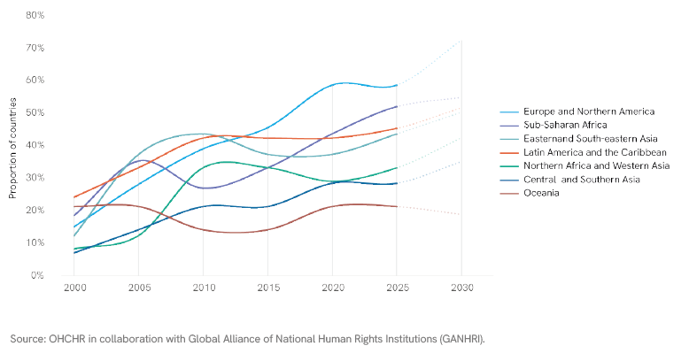

Regional summary table |  |  |  |  |  | 2025 |  |  | Projected 2030
 | 2000 | 2005 | 2010 | 2015 | 2020 | A status | B Status | TOTAL

World | 16.41% | 28.21% | 33.33% | 35.90% | 42.05% | 45.64% | 10.87% | 56.51%
Europe and Northern America | 15.22% | 28.26% | 39.13% | 45.65% | 58.70% | 58.70% | 10.87% | 69.57% | 72%
Sub-Saharan Africa | 18.75% | 35.42% | 27.08% | 33.33% | 43.75% | 52.08% | 6.25% | 58.33% | 55%
Latin America and the Caribbean | 24.24% | 33.33% | 42.42% | 42.42% | 42.42% | 45.45% | 6.06% | 51.52% | 52%
Eastern and South-eastern Asia | 12.50% | 37.50% | 43.75% | 37.50% | 37.50% | 43.75% | 0.00% | 43.75% | 50%
Northern Africa and Western Asia | 8.33% | 12.50% | 33.33% | 33.33% | 29.17% | 33.33% | 33.33% | 66.67% | 43%
Central and Southern Asia | 7.14% | 14.29% | 21.43% | 21.43% | 28.57% | 28.57% | 50.00% | 78.57% | 35%
...

Figure29_16.a.1
Figure 29: Number of countries with fully and partially compliant NHRIs, 2000 – 2025

Number of countries with fully and partially compliant NHRIs, 2000 - 2025

Year | 2000 | 2005 | 2010 | 2015 | 2020 | 2025
Number of countries with fully compliant NHRIs (A status) | 32 | 55 | 65 | 70 | 82 | 89
Number of countries with partially compliant NHRIs (B status) | 8 | 9 | 15 | 28 | 31 | 26

Figure30_16.9.1
Figure 30: Number of children under age 5 whose births are not registered, by region (2014-2023)

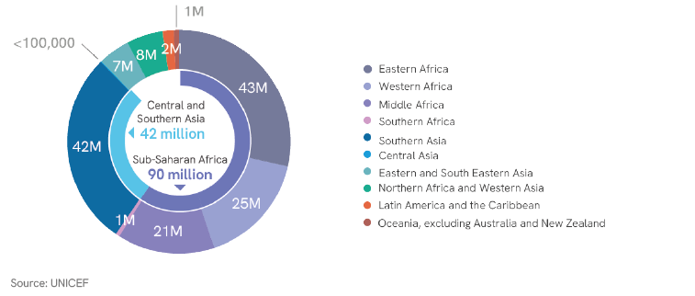

 | World | Latin America and the Caribbean | Central and Southern Asia | Eastern and South-Eastern Asia | Northern Africa and Western Asia | Sub-Saharan Africa | Oceania excluding Australia and New Zealand
Total # of children under 5 | 652469 | 47336 | 189686 | 117571 | 57288 | 182367 | 1537
# registered | 502307 | 44907 | 147184 | 110597 | 49363 | 93185 | 393
# of children registered, certificate | 447063 | 43403 | 124706 | 105450 | 44832 | 71806 | 230
# children registered, no certificate | 55244 | 1504 | 22478 | 5147 | 4531 | 21379 | 164
# children unregistered | 150162 | 2429 | 42502 | 6974 | 7925 | 89182 | 1143
# no certificate | 205406 | 3933 | 64980 | 12121 | 12457 | 110561 | 1307
Percentage of children under 5 whose births are not registered
Region | ≈ # children unregistered | % | Million
...

Figure31_16.7.1a
Figure 31: Women and young MPs remain underrepresented in parliamentary leadership (as of January 2026)

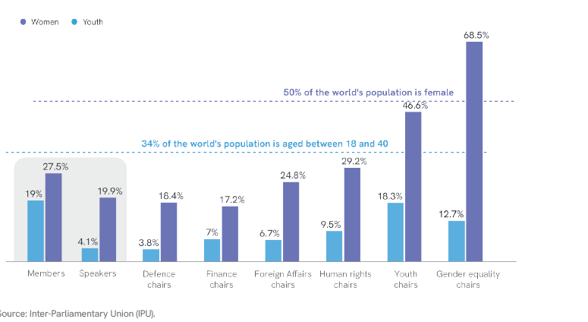

Committee | MPs aged ≤40 in various leadership roles within parliament (%) | Representation of women MPs | World Population 18-40 | World Population (women)
Foreign Affairs Committee Chairs | 6.7 | 24.8 | 34 | 50
Defence Committee Chairs | 3.8 | 18.4 | 34 | 50
Finance Committee Chairs | 7 | 17.2 | 34 | 50
Human Rights Committee Chairs | 10 | 29.2 | 34 | 50
Gender Equality Committee Chairs | 13 | 68.5 | 34 | 50
Youth Committee Chairs | 18.3 | 46.6 | 34 | 50
Members | 19 | 27.5 | 34 | 50
Speakers | 4.1 | 19.9 | 34 | 50
...

Figure32_16.7.1a
Figure 32: Women representation in parliaments and committees (as of January 2026)

Women representation in parliaments and committees
 | MPs | Speakers | Defence committee chairs | Finance committee chairs | Foreign Affairs committee chairs
2020 | 24.9% | 20.5% | 10.4% | 13.1% | 20.0%
2021 | 25.5% | 20.9% | 12.0% | 16.0% | 18.0%
2022 | 26.1% | 22.0% | 12.4% | 15.2% | 17.8%
2023 | 26.5% | 22.7% | 12.2% | 13.1% | 21.5%
2024 | 26.9% | 23.8% | 13.2% | 13.4% | 20.1%
2025 | 27.2% | 23.7% | 14.8% | 14.5% | 20.7%
2026 | 27.5% | 19.9% | 18.4% | 17.2% | 24.8%

Year | MPs | Speakers | Defence committee chairs | Finance committee chairs | Foreign Affairs committee chairs
2020 | 24.9% | 20.5% | 10.4% | 13.1% | 20.0%
2021 | 25.5% | 20.9% | 12.0% | 16.0% | 18.0%
2022 | 26.1% | 22.0% | 12.4% | 15.2% | 17.8%
2023 | 26.5% | 22.7% | 12.2% | 13.1% | 21.5%
2024 | 26.9% | 23.8% | 13.2% | 13.4% | 20.1%
...

Figure33_16.7.1bc
Figure 33: Ratio of women’s representation in public service and the judiciary relative to their share of the working age population, by region (2025 or latest data available)

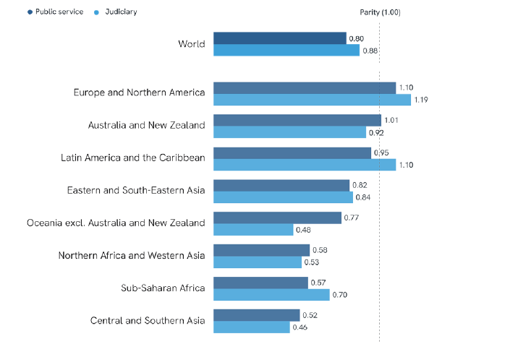

Public service | Global | RegionName | avarage_value
Judiciary | Global | Europe and Northern America | 1.19
Judiciary | Global | Latin America and the Caribbean | 1.10
Judiciary | Global | Australia and New Zealand | 0.92
Judiciary | Global | World | 0.88
Judiciary | Global | Eastern and South-Eastern Asia | 0.84
Judiciary | Global | Sub-Saharan Africa | 0.70
Judiciary | Global | Oceania excluding Australia and New Zealand | 0.48
Judiciary | Global | Northern Africa and Western Asia | 0.53
...

Figure34_16.7.1bc
Figure 34: Ratio of women’s representation in public service and the judiciary relative to their share of the working age population, by income (2025 or latest data available)

 | Public service | Judiciary | Representative
High income | 1.07 | 1.07
Upper middle income | 0.88 | 0.85
Lower middle income | 0.55 | 0.66 | 2.00
Low income | 0.36 | 0.42

Typeofoccupation |  | SeriesCode | RegionName | avarage_value
Public service | Global | SG_DMK_PSRVC | High income | 1.07
Public service | Global | SG_DMK_PSRVC | Upper middle income | 0.88
Public service | Global | SG_DMK_PSRVC | Lower middle income | 0.55
Public service | Global | SG_DMK_PSRVC | Low income | 0.36
...

Figure35_16.7.1bc
Figure 35: Ratio of women’s representation in public service relative to their share of the working age
population, by occupation (2025 or latest data available)

Typeofoccupation | SeriesCode | RegionName | avarage_value
Senior Government Officials | SG_DMK_PSRVC | World | 0.78
Other managers | SG_DMK_PSRVC | World | 0.98
Business, Administration, Associate Professionals | SG_DMK_PSRVC | World | 1.10
Administration Professionals | SG_DMK_PSRVC | World | 1.27
General and Keyboard Clerks | SG_DMK_PSRVC | World | 1.40

Figure36_16.7.1bc
Figure 36: Ratio of women’s representation in the judiciary relative to their share of the working age
population, by level of court (2025 or latest data available)

Typeofoccupation |  | SeriesCode | RegionName | avarage_value
JUDGES | Constitutional/Supreme courts | SG_DMK_JDC_CNS | World | 0.76
JUDGES | High-level courts | SG_DMK_JDC_HGR | World | 0.91
JUDGES | Low-level courts | SG_DMK_JDC_LWR | World | 1.12

Figure37_16.b.1
Figure 37: Percentage of population reporting having been discriminated against (2025 or latest available year)
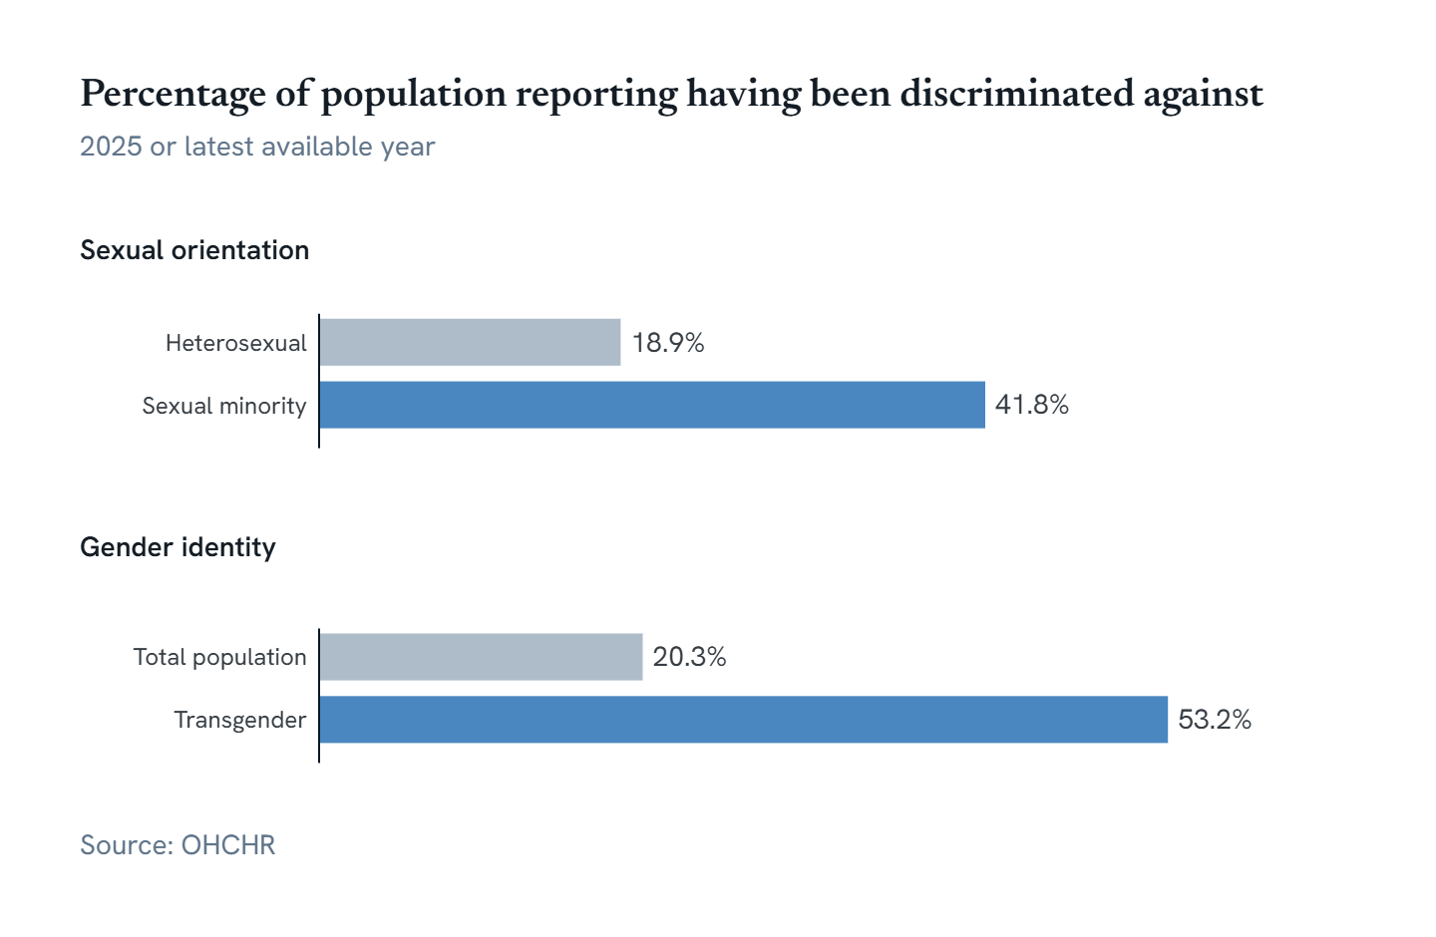

Summary table
 | Better off group |  | Worse off group
Sexual orientation | 18.90 |  | 41.75
Gender identity | 20.28 |  | 53.20

Country | Group | Rate | Source
Australia | Baseline (Heterosexual) | 12.50 | NSO, The 2020 General Social Survey (GSS)
Australia | Average non-heterosexual | 30.10 | NSO, The 2020 General Social Survey (GSS)
...

Figure38_16.6.1
Figure 38: Global Average Absolute Deviation Between Approved and Actual Government Expenditure

Global Avg Absolute Deviation- All Countries (2005-2024)
2005 | 7.4%
2006 | 7.6%
2007 | 9.6%
2008 | 11.3%
2009 | 10.9%
2010 | 9.1%
2011 | 9.6%
2012 | 10.1%
2013 | 10.8%
2014 | 9.5%
2015 | 9.1%
2016 | 10.2%
2017 | 8.3%
2018 | 9.8%
2019 | 9.3%
2020 | 12.6%
2021 | 12.2%
2022 | 11.4%
2023 | 9.9%
2024 | 10.2%

Year | Avg Absolute Deviation (%)
2005 | 7.4%
2006 | 7.6%
2007 | 9.6%
...

Figure39_16.6.1
Figure 39: Average Absolute Deviation Between Approved and Actual Government Expenditure, by Income
group (2019-2024)

 | Low-Income | Lower-Middle Income | Upper-Middle Income | High-Income | 0% threshold
2019 | 13.6% | 12.8% | 8.5% | 5.6%
2020 | 12.9% | 15.5% | 10.0% | 12.6%
2021 | 17.3% | 14.2% | 11.2% | 10.0%
2022 | 16.6% | 15.4% | 8.9% | 9.0%
2023 | 12.2% | 10.2% | 9.9% | 5.2%
2024 | 13.1% | 13.7% | 5.0% | 6.8%

Year | Low-Income | Lower-Middle Income | Upper-Middle Income | High-Income
2019 | 13.6% | 12.8% | 8.5% | 5.6%
2020 | 12.9% | 15.5% | 10.0% | 12.6%
2021 | 17.3% | 14.2% | 11.2% | 10.0%
2022 | 16.6% | 15.4% | 8.9% | 9.0%
2023 | 12.2% | 10.2% | 9.9% | 5.2%
2024 | 13.1% | 13.7% | 5.0% | 6.8%

Figure41_16.6.2
Figure 41: Proportion of the population who say that they are satisfied with the availability of quality
healthcare, (2015 and 2025 or latest year available)

 | 2015/2019 | 2020/2025
Central and Southern Asia | 58.7 | 63.3
Eastern and South-Eastern Asia | 75.2 | 82.8
Latin America and the Caribbean | 51.6 | 52.8
Europe and Northern America | 57.1 | 58.4
Sub-Saharan Africa | 42.5 | 46.4
Northern Africa and Western Asia | 57.1 | 57.1

 |  | RegionName | Value | Year
BOTHSEX | SP_PSR_OSATIS_HLTH | Central and Southern Asia | 58.7 | 2015/2019
BOTHSEX | SP_PSR_OSATIS_HLTH | Eastern and South-Eastern Asia | 75.2 | 2015/2019
BOTHSEX | SP_PSR_OSATIS_HLTH | Latin America and the Caribbean | 51.6 | 2015/2019
BOTHSEX | SP_PSR_OSATIS_HLTH | Europe and Northern America | 57.1 | 2015/2019
BOTHSEX | SP_PSR_OSATIS_HLTH | Sub-Saharan Africa | 42.5 | 2015/2019
...

Figure42_16.7.2
Figure 42: Proportion of the population who believe decision-making is inclusive, by region (2025 or latest
year available)

World | 44.4
Central and Southern Asia | 70.0
Eastern and South-Eastern Asia | 64.0
Sub-Saharan Africa | 50.1
Latin America and the Caribbean | 45.8
Northern Africa and Western Asia | 45.2
Oceania | 45.1
Europe and Northern America | 30.3

Sex | SeriesCode | RegionName | avarage_value
BOTHSEX | IU_DMK_INCL | World | 44.4
BOTHSEX | IU_DMK_INCL | Central and Southern Asia | 70.0
BOTHSEX | IU_DMK_INCL | Eastern and South-Eastern Asia | 64.0
BOTHSEX | IU_DMK_INCL | Sub-Saharan Africa | 50.1
BOTHSEX | IU_DMK_INCL | Latin America and the Caribbean | 45.8
BOTHSEX | IU_DMK_INCL | Northern Africa and Western Asia | 45.2
BOTHSEX | IU_DMK_INCL | Oceania | 45.1
...

Figure45_16.8.1
Figure 45: Vote shares of developing countries in some of the main international financial and economic
institutions
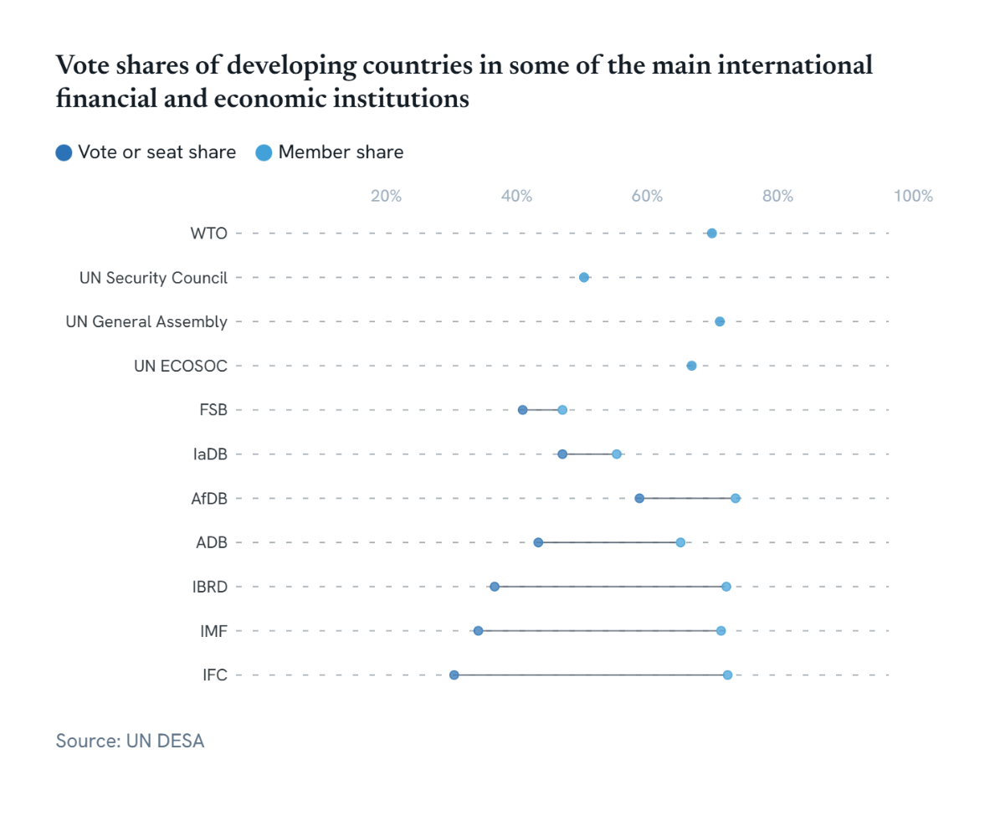

Developing Countries | 2000 | 2005 | 2010 | 2015 | 2016 | 2017 | 2018 | 2019 | 2020 | 2021
UN General Assembly vote & member share | 74.60% | 74.35% | 73.96% | 74.09% | 74.09% | 74.09% | 74.09% | 74.09% | 74.09% | 74.09%
UN ECOSOC vote & member share | 62.96% | 68.52% | 64.81% | 64.81% | 64.81% | 64.81% | 66.67% | 68.52% | 64.81% | 64.81%
UN Security Council vote & member share | 53.33% | 46.67% | 53.33% | 53.33% | 46.67% | 46.67% | 53.33% | 53.33% | 53.33% | 53.33%
WTO vote & member share | 72.14% | 71.81% | 71.90% | 71.88% | 72.22% | 72.56% | 72.56% | 72.56% | 72.56% | 72.56%
IMF vote share | 31.26% | 32.12% | 33.43% | 35.25% | 37.23% | 37.72% | 37.74% | 37.74% | 37.77% | 38.03%
IMF member share | 74.72% | 74.59% | 74.18% | 75.00% | 75.00% | 75.13% | 75.13% | 75.13% | 75.13% | 74.74%
IBRD vote share | 38.20% | 38.09% | 38.13% | 38.18% | 37.93% | 38.88% | 39.78% | 39.27% | 39.06% | 39.07%
IBRD member share | 74.86% | 74.59% | 74.47% | 75.00% | 75.00% | 75.13% | 75.13% | 75.13% | 75.13% | 75.13%
...

