Sheet1
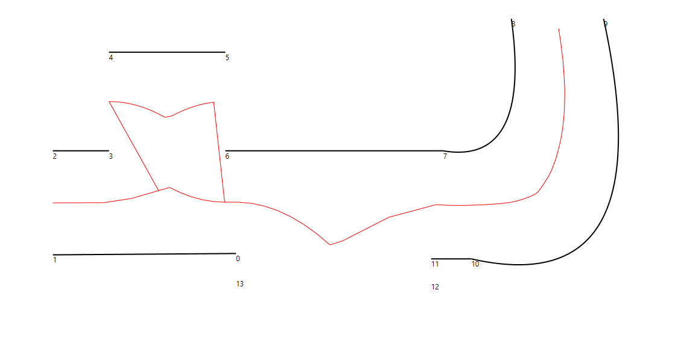
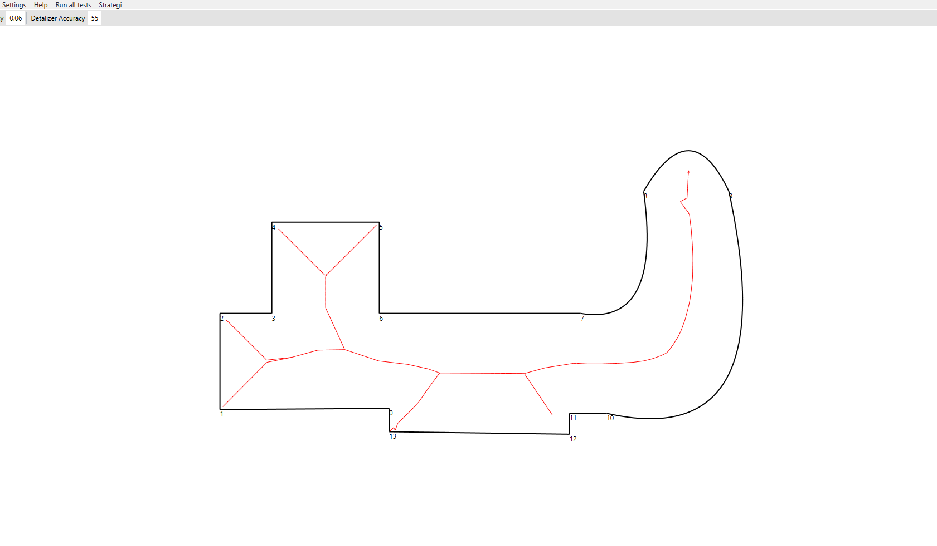
Full | Deleted segments: 2
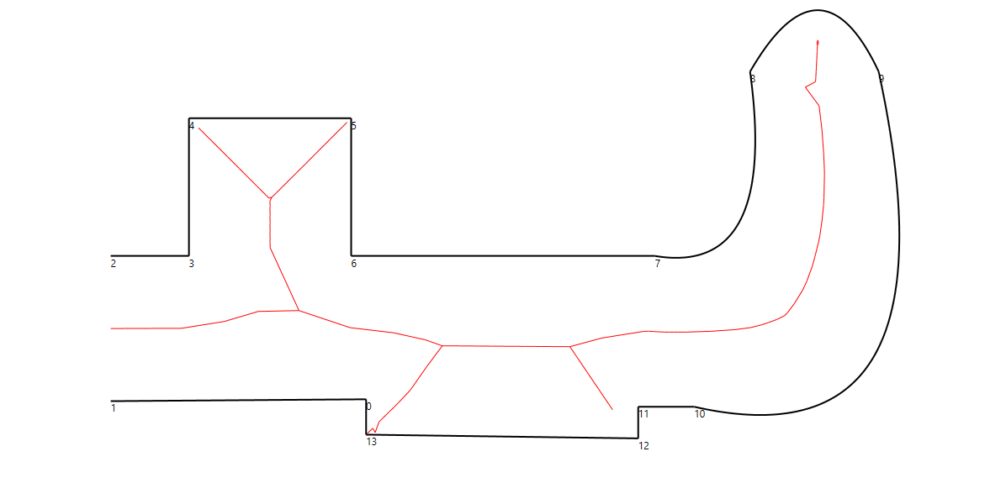

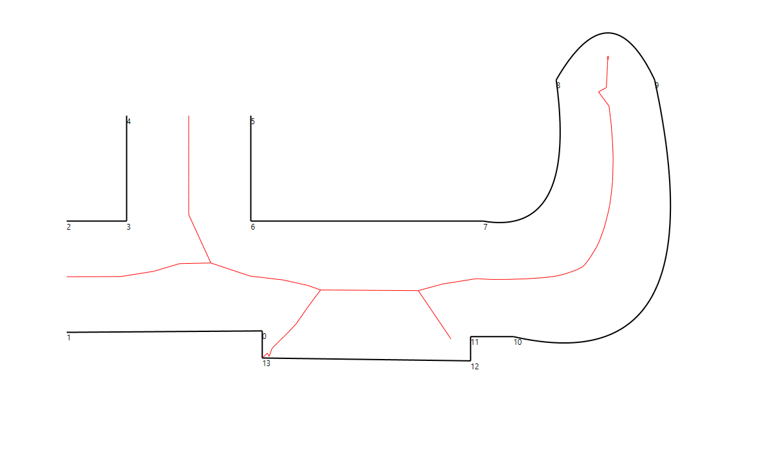
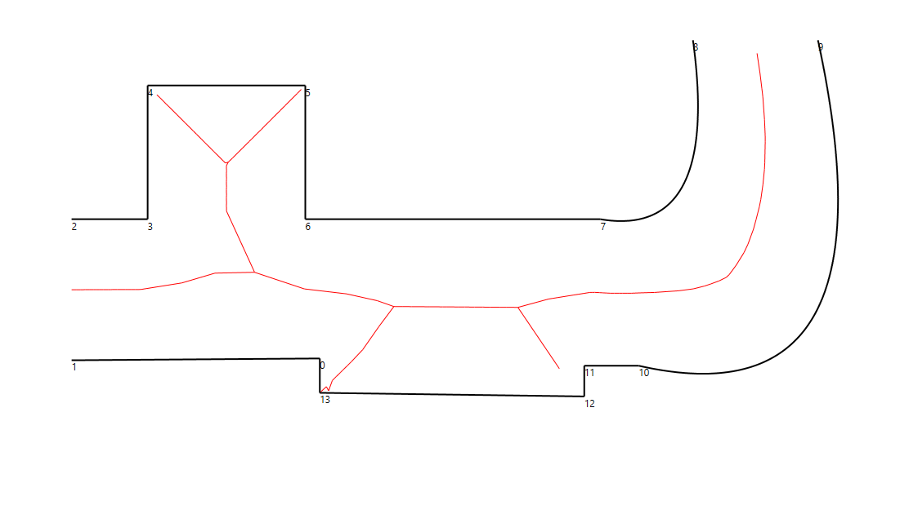
Deleted segments: 2, 5 | Deleted segments: 2, 9

Deleted segments: 2, 5, 9 | Deleted segments: 2, 4, 6, 9
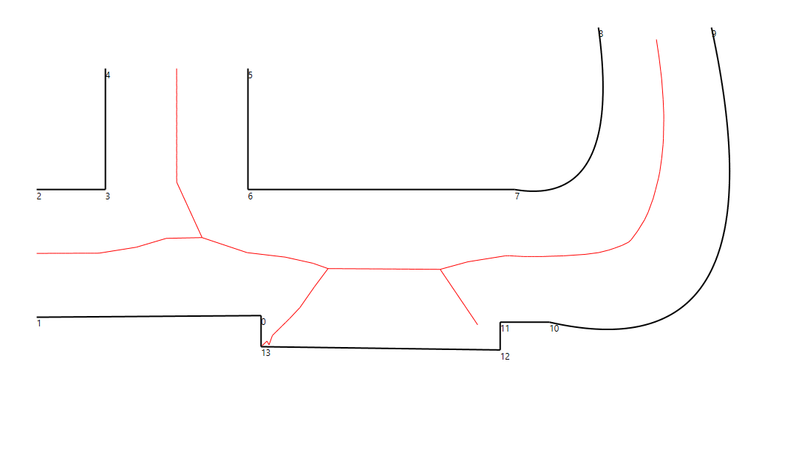
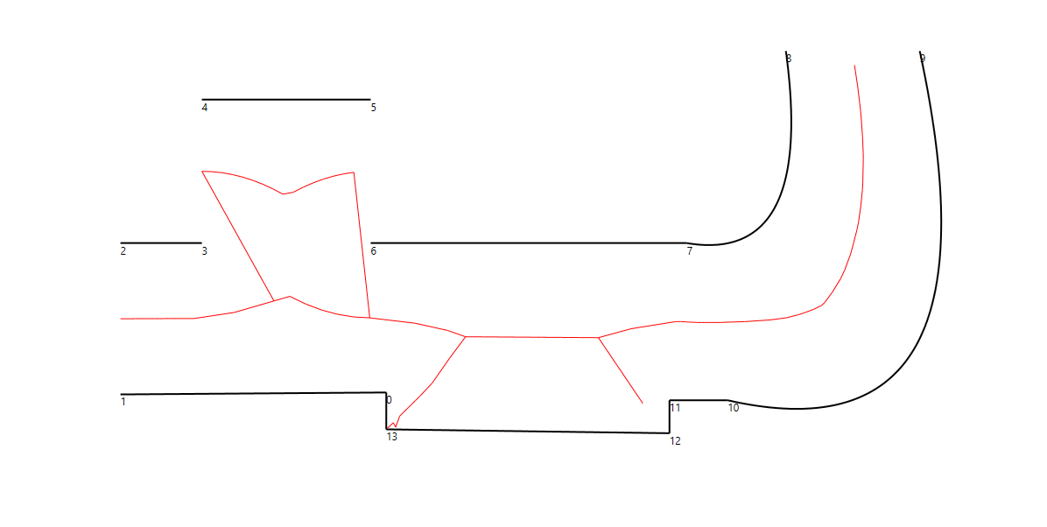

Deleted segments: 2, 5, 9, 12, 13, 0 | Deleted segments: 2, 4, 6, 9, 12, 0
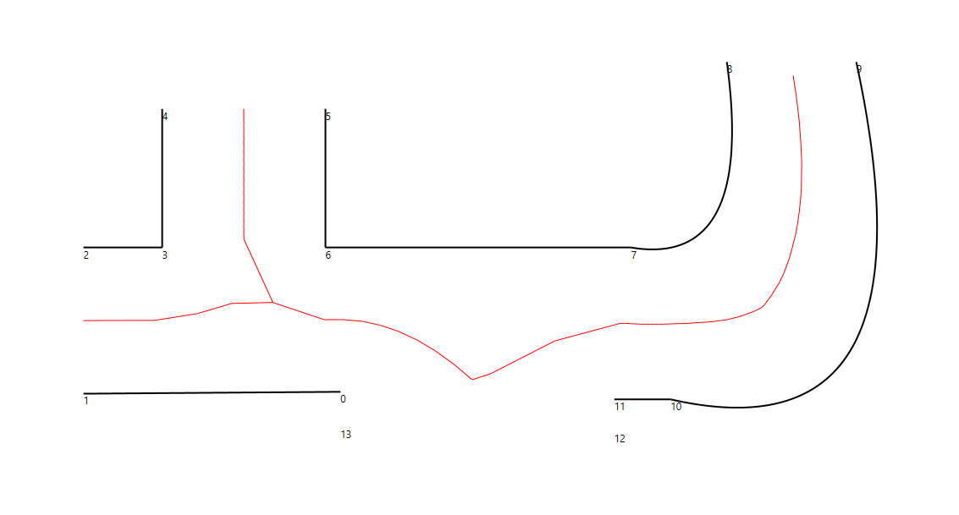
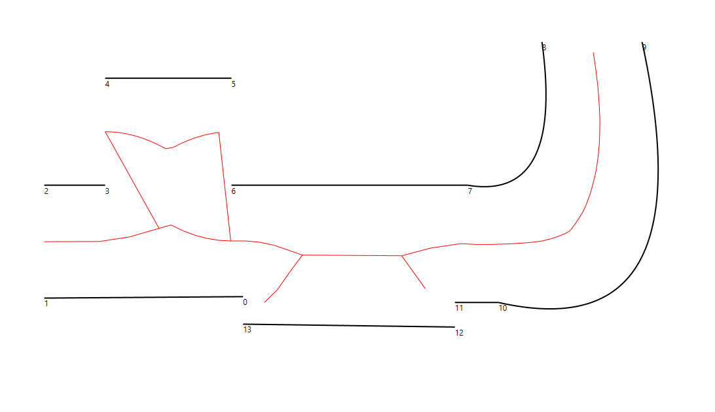

 | Deleted segments: 2, 4, 6, 9, 12, 13, 0

