Start
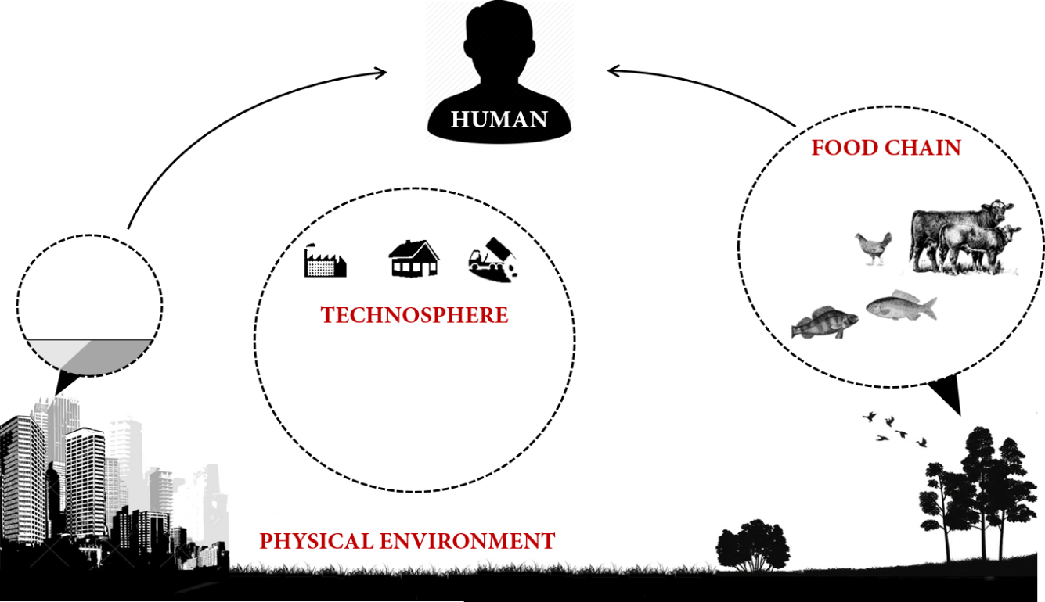
Version 3.0 @ Aug 2025 Release |  |  |  |  |  |  | Total simulation years | 5
PROTEX (PROduction-To-EXposure) |  |  |  |  |  |  | Chemical # | 4
Scenario (Please click "Select" after a selection) |  |  |  |  |  |  | Population # | 3
Chemical | PCB153 |  |  |  |  |  | Environment # | 3
Population | US(Average) |  |  |  |  |  | Error message | TRUE
Regional environment | Los Angeles Basin
Sex of the modeled individual | Male
Timeframe
Chemical production/use starts on the first day of the year | 2000
Simulation ends on the first day of the year | 2005 |  |  |  |  |  | Technosphere | 1
The modeled individual was born in the year | 2000 |  |  |  |  |  | Physical environ | 1
Output control |  | Exposure routes |  |  |  |  | Food chain | 1
Output D-values (Y/N) | No | Far-field routes |  | Near-field routes |  |  | Human | 1
Output fluxes in the environment (Y/N) | No | 1 | Dietary ingestion | 1 | Mouthing ingestion
Output default food chain information (Y/N) | No | 1 | Ingestion of soil particles | 1 | Dermal permeation |  | Cohort calculation | 0
Output default anthropometrics (Y/N) | No | 1 | Drinking water | 1 | Inhalation of indoor air
Output multicompartment TK (Y/N) | No | 1 | Inhalation of outdoor air

 |  |  |  |  |  | This run | User: lili; Start time: 2025-09-20 18:24
 |  |  |  |  |  |  | Compartment names | Compartment numbers
 |  |  |  |  |  |  | Indoor air | 1
 |  |  |  |  |  |  | Soft porous carpet | 2
 |  |  |  |  |  |  | Rigid impermeable floor | 3
 |  |  |  |  |  |  | Hard contact surfaces | 4
 |  |  |  |  |  |  | Walls and ceiling | 5
 |  |  |  |  |  |  |  | 6
 |  |  |  |  |  |  |  | 7
 |  |  |  |  |  |  |  | 8
 |  |  |  |  |  |  |  | 9
 |  |  |  |  |  |  |  | 10
 |  |  |  |  |  |  | Urban air | 11
 |  |  |  |  |  |  | Urban vegetation | 12
 |  |  |  |  |  |  | Urban soil | 13
 |  |  |  |  |  |  | Urban freshwater | 14
 |  |  |  |  |  |  | Urban freshwater sediment | 15
 |  |  |  |  |  |  | Urban built-up surface | 16
 |  |  |  |  |  |  | Urban shallow groundwater | 17
 |  |  |  |  |  |  | Urban deep groundwater | 18
 |  |  |  |  |  |  |  | 19
 |  |  |  |  |  |  |  | 20
 |  |  |  |  |  |  | Rural air | 21
 |  |  |  |  |  |  | Rural vegetation | 22
 |  |  |  |  |  |  | Rural soil | 23
 |  |  |  |  |  |  | Rural freshwater | 24
 |  |  |  |  |  |  | Rural freshwater sediment | 25
 |  |  |  |  |  |  | Rural estuarine water | 26
 |  |  |  |  |  |  | Rural estuarine sediment | 27
 |  |  |  |  |  |  | Rural shallow groundwater | 28
 |  |  |  |  |  |  | Rural deep groundwater | 29
 |  |  |  |  |  |  |  | 30

