Sheet1
Iterative Score Calculation
 | Scheme | likert | Elicitation | Judgment | score
 | 1 | 0.179 | 0 | 0 | 0.0358
 | 11 | 0.321 | 0.107 | 0 | 0.1284 |  | 12 | 0.321 | 0.071 | 0.071 | 0.121
The score of the first iteration is similar, and the second iteration is carried out on the basis of the two. | 11→ |  |  |  |  |  | 12→
 | 21 | 0.357 | 0.214 | 0.429 | 0.2856 |  | 24 | 0.286 | 0 | 0 | 0.0572
 | 22 | 0.393 | 0.071 | 0.214 | 0.164 |  | 25 | 0.464 | 0.429 | 0.286 | 0.4074
 | 23 | 0.536 | 0.429 | 0.643 | 0.4932 |  | 26 | 0.429 | 0.071 | 0.214 | 0.1712
 | 27 | 0.536 | 0.179 | 0.571 | 0.3288
 | 23→
 | 31 | 0.679 | 0.536 | 0.571 | 0.5716

Iteration maximum score statistics
 |  | Scheme2 | Iteration1 | Iteration2 | Iteration3
 | Score | 0.0358 | 0.1284 | 0.4932 | 0.5716

Formula Computing
 | Column1 | likert | Elicitation | Judgment | likert2 | Elicitation2 | Judgment2 | score
 | Scheme4 | 0.893 | 0.929 | 0.714 | 0.1786 | 0.5574 | 0.1428 | 0.8788
 | Scheme6 | 0.893 | 0.857 | 0.643 | 0.1786 | 0.5142 | 0.1286 | 0.8214
 | Scheme8 | 0.643 | 0.607 | 0.5 | 0.1286 | 0.3642 | 0.1 | 0.5928
 | Scheme1 | 0.607 | 0.571 | 0.643 | 0.1214 | 0.3426 | 0.1286 | 0.5926
 | Iteration3 | 0.679 | 0.536 | 0.571 | 0.1358 | 0.3216 | 0.1142 | 0.5716
 | Scheme3 | 0.571 | 0.643 | 0.357 | 0.1142 | 0.3858 | 0.0714 | 0.5714
 | Iteration2 | 0.536 | 0.429 | 0.643 | 0.1072 | 0.2574 | 0.1286 | 0.4932
 | Scheme9 | 0.429 | 0.5 | 0.143 | 0.0858 | 0.3 | 0.0286 | 0.4144
 | Scheme7 | 0.357 | 0.286 | 0.143 | 0.0714 | 0.1716 | 0.0286 | 0.2716
 | Scheme5 | 0.321 | 0.143 | 0.071 | 0.0642 | 0.0858 | 0.0142 | 0.1642
 | Iteration1 | 0.321 | 0.107 | 0 | 0.0642 | 0.0642 | 0 | 0.1284
 | Scheme2 | 0.179 | 0 | 0 | 0.0358 | 0 | 0 | 0.0358
 |  | Raw Score |  |  | Formula Computing
Score Ranking
Design optimization process score

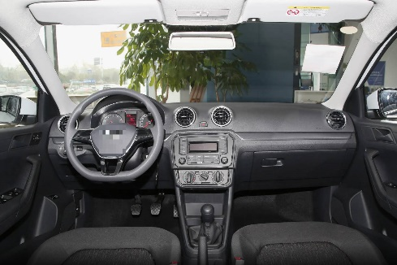

 |  |  |  | car2

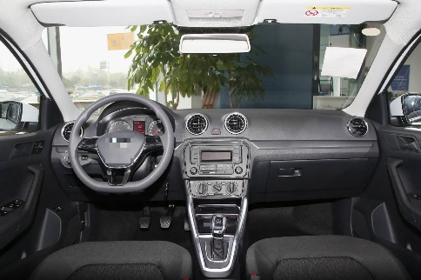


 |  | car11 |  |  |  | car12

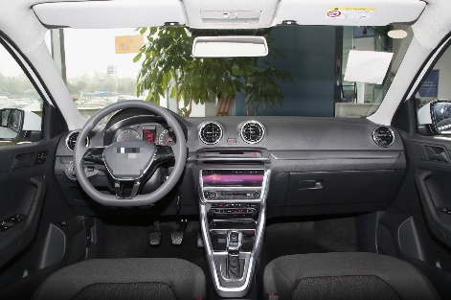
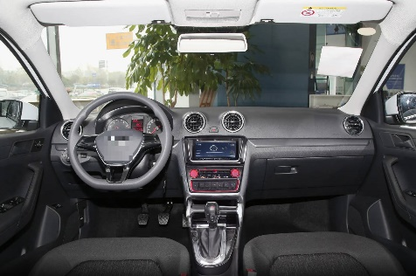

 |  | car21 |  |  |  | car24
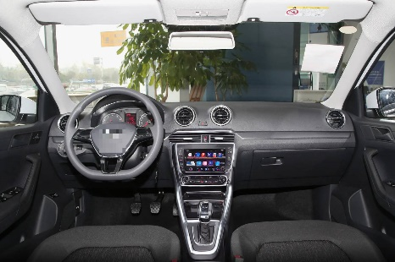
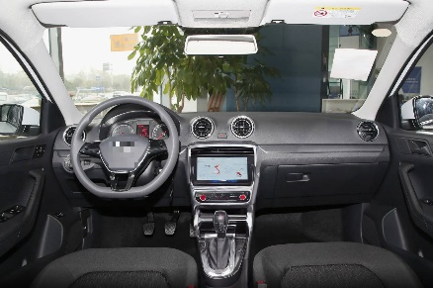

 |  | car22 |  |  |  | car25
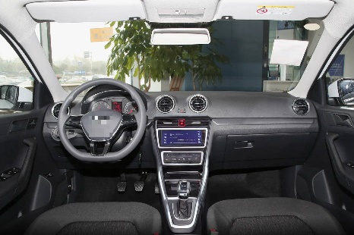
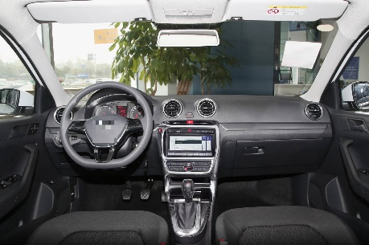

 |  | car23 |  |  |  | car26
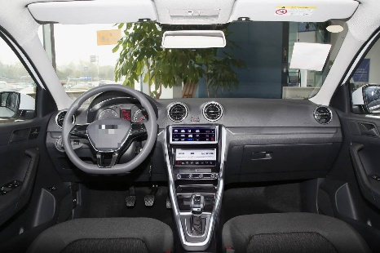

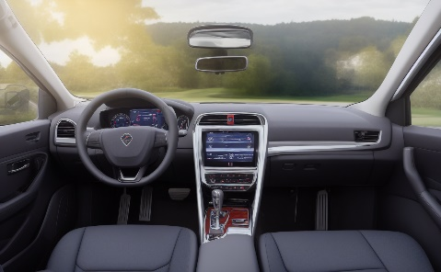
 |  | car27

 |  |  |  | car31

