News
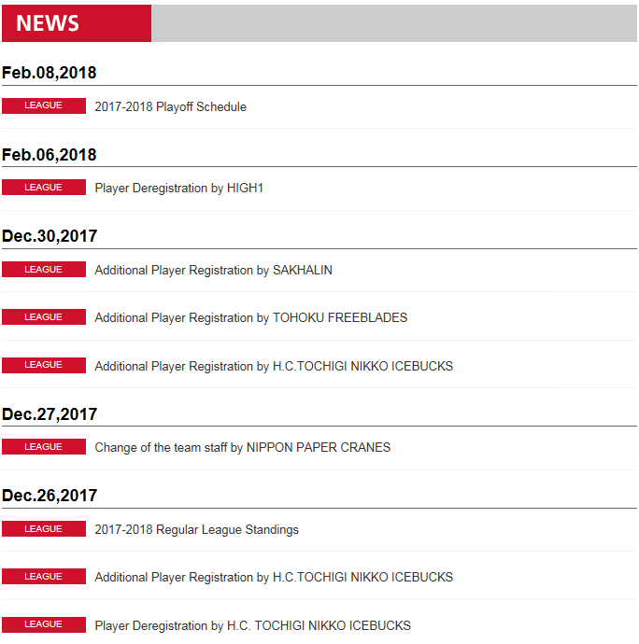

Teams
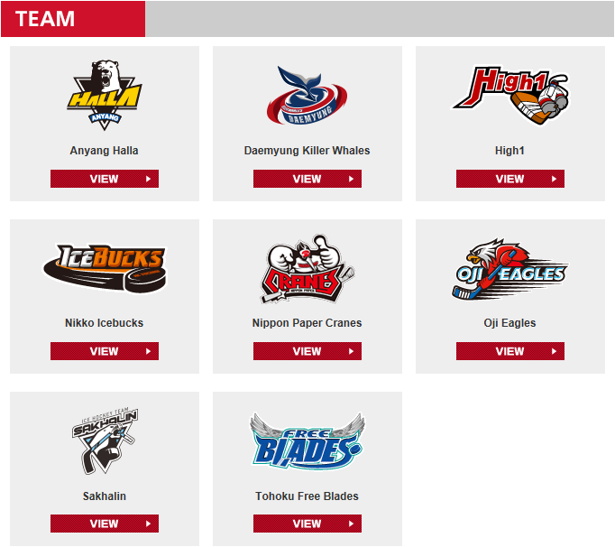
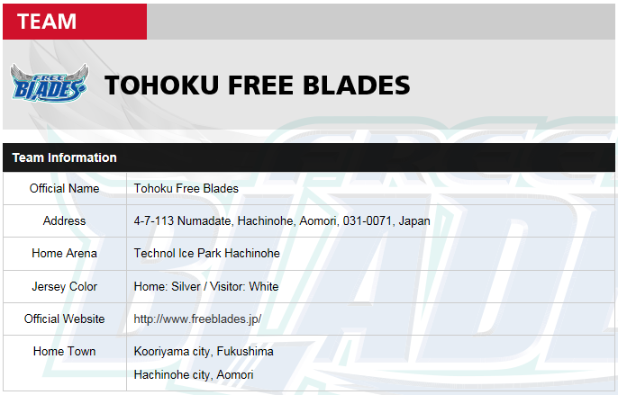
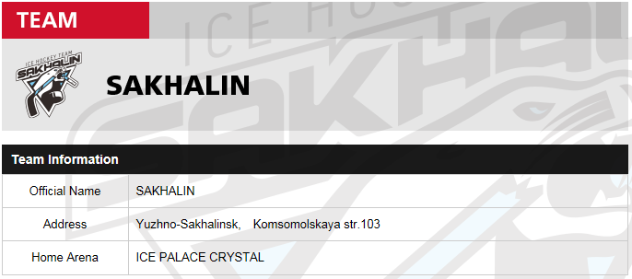
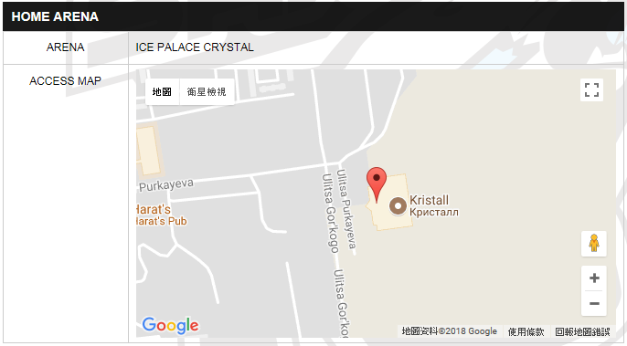
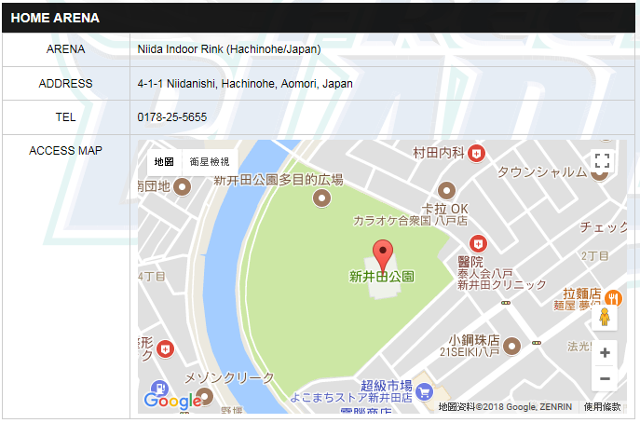
Team Official Nane | Team Short Name | Home Town | ARENA Full Name | ARENA Short Name | ADDRESS | TEL | GPSX | GPSY
Anyang Halla | AHL | Anyang city, Korea | Anyang Ice Arena | AIA | 1023 Bisan-3dong, Dongan-gu, Anyang City, Gyeonggi-do | 031-389-5225 | 126.9455011 | 37.4051999
Daemyung Killer Whales | DKW | Seoul, Korea | Seonhak Ice Rink | SIR | 11F Damyung Tower, Beobwon-ro 135, Songpa-gu, Seoul, Korea | 032-311-5225 | 127.1026613 | 37.5137063
High1 Ice Hockey Team | HG1 | Chuncheon city, Korea | Eui Am Ice Rink | EAIR | 1303, Shinhan DM Bd,33-1 Mapo-Dong, Mapo-Gu Seoul, Korea 121-150 | 035-469-5123 | 126.9267121 | 37.5427729
Nikko Icebucks | NIB | Nikko City in Tochigi Prefecture | Nikko Icebucks | NI | 2-360-9, Inari Town, Nikko, Tochigi, 321-1411, Japan | 042-791-2345 | 139.6109214 | 36.7504059
Nippon Paper Crane | NPC | Kushiro City, Hokkaido | Kushiro Ice Arena | KIA | 2-4-2, Tottori-odori, Kushiro, Hokkaido, 084-0906, Japan | 041-125-3566 | 144.3455678 | 43.014729
Oji Eagles | OJI | Tomakomai City, Hokkaido | Hakucho Arena | HA | 4-3-13, Omote Town, Tomakomai, Hokkaido, 053-0022, Japan | 041-453-2567 | 141.5956554 | 42.636829
Sakhalin | SHL | Yuzhno, Sakhalins | ICE PALACE CRYSTA | IPC | Yuzhno-Sakhalinsk, Komsomolskaya str.103 | 031-389-5225 | 142.5833439 | 46.9647205
Tohoku Free Blades | TFB | Kooriyama city, Fukushima | Technol Ice Park Hachinohe | TIPH | 4-7-113 Numadate, Hachinohe, Aomori, 031-0071, Japan | 042-853-1576 | 141.4946085 | 40.5275151

Game Reports
ALIH Score Board : Sep.24,17 |  |  |  |  |  | ALIH Score Board : Sep.02,17
at Hachinohe/Japan 15:30 Faceoff |  |  |  |  |  | at Incheon/Korea 17:00 Faceoff
Spectators : 1,409 |  |  |  |  |  | Spectators : 1,580
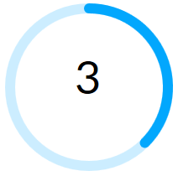
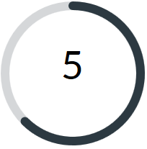
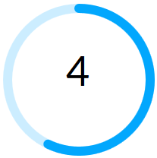
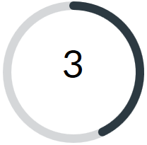

 |  | 1-0 |  |  |  |  |  | 2-0
 |  | 1-2 |  |  |  |  |  | 0-2
 |  | 1-3 |  |  |  |  |  | 1-1
 |  | - |  |  |  |  |  | 1-0
TOHOKU FREEBLADES |  | - |  | SAKHALIN |  | DAEMYUNG KILLER WHALES |  | - |  | HIGH1 ICEHOCKEY TEAM

Game finished (Update : Sun Sep 24 18:23:29 2017) |  |  |  |  |  | Game finished (Update : Sat Sep 2 20:52:27 2017)

Team | MM:SS | GOAL | ASSIST1 | ASSIST2 | GS | Team | MM:SS | GOAL | ASSIST1 | ASSIST2 | GS
TOHOKU FREEBLADES | 0:20:00 | 90 . HIRANO,Yushiro | 39 . PYETT,Logan | 40 . KAWAI,Takuma | EQ | DAEMYUNG KILLER WHALES | 12:00:00 | 87 . KIM,Hyung Kyeum | 28 . PARNHAM,Brett | 13 . LEE,Young Jun | 1
SAKHALIN | 20:17:00 | 21 . STARTCEV,Kirill | 59 . TKACHUK,Alexey | 95 . EREMIN,Alexey | EQ | DAEMYUNG KILLER WHALES | 19:01:00 | 33 . LEE,Bong Jin | 6 . CALDWELL,Ryan | . | EQ
SAKHALIN | 23:44:00 | 20 . SHISHKANOV,Timofey | 79 . KLIMCHUK,Mikhail | 75 . GOLYSHEV,Andrey | EQ | HIGH1 ICEHOCKEY TEAM | 28:41:00 | 35 . SHIN,Hyung Yun | 11 . YOON,Ji Man | 55 . KIM,Hyeok | 1
TOHOKU FREEBLADES | 29:31:00 | 14 . TANAKA,Go | 90 . HIRANO,Yushiro | 39 . PYETT,Logan | 1 | HIGH1 ICEHOCKEY TEAM | 32:11:00 | 14 . SWIFT,Michael | 10 . KIM,Hyung Joon | 35 . SHIN,Hyung Yun | EQ
TOHOKU FREEBLADES | 42:52:00 | 90 . HIRANO,Yushiro | 40 . KAWAI,Takuma | 39 . PYETT,Logan | EQ | HIGH1 ICEHOCKEY TEAM | 40:53:00 | 6 . MILAM,Troy | 14 . SWIFT,Michael | . | EQ
SAKHALIN | 48:49:00 | 20 . SHISHKANOV,Timofey | 44 . FAKHRUTDINOV,Dmitrii | 13 . KHRAPAK,Fedor | 2 | DAEMYUNG KILLER WHALES | 47:00:00 | 38 . SUZUKI,Yuta | 49 . MURLEY,Matt | 44 . SAKATA,Shun | EQ
SAKHALIN | 49:15:00 | 59 . TKACHUK,Alexey | 21 . STARTCEV,Kirill | 95 . EREMIN,Alexey | 1 | DAEMYUNG KILLER WHALES | 64:47:00 | 44 . SAKATA,Shun | 49 . MURLEY,Matt | 13 . LEE,Young Jun | EQ
SAKHALIN | 59:10:00 | 81 . ZHILIN,Nikolai | 95 . EREMIN,Alexey | . | EN

Shots on Goal |  |  |  |  |  | Shots on Goal
 | TOHOKU FREEBLADES | SAKHALIN |  |  |  |  | DAEMYUNG KILLER WHALES | HIGH1 ICEHOCKEY TEAM
1P | 7 | 9 |  |  |  | 1P | 12 | 6
2P | 12 | 10 |  |  |  | 2P | 7 | 7
3P | 7 | 14 |  |  |  | 3P | 9 | 7
OVT |  |  |  |  |  | OVT | 4 | 1
GWS |  |  |  |  |  | GWS
Total | 26 | 33 |  |  |  | Total | 32 | 21
 |  |  |  |  |  | (Shots recorded at the end of each period.)

