Event Tree Input
Prepared by: |  |  |  | Office: |  | Date:
Checked by: |  |  |  | Office: |  | Date:
Calculation Title:

Event Tree Input

Step 1: Characterize the event tree

Initiating event |  |  | Hydrologic Hazard |  | Other |  | ◄ Use drop-down list.

Number of event tree nodes |  |  | 6 |  |  |  | ◄ Use drop-down list.

Include node titles? |  |  | No |  |  |  | ◄ Use drop-down list.
Include nodal callouts? |  |  | No |  |  |  | ◄ Use drop-down list.

Step 2: Define node-specific information |  |  |  |  |  |  | ◄ If using copy/paste, paste values only to preserve conditional formatting.

Node 1
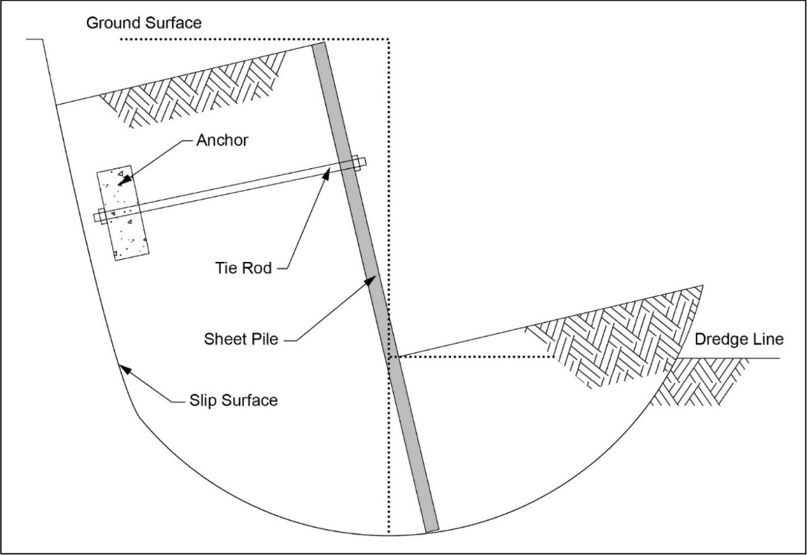
Title

Event Description
A force difference occurs across the wall creating a driving slide mass in the vicinity of the wall?

Callout
Node 1 Callout

Node 2

Title

Event Description
Water load results in a vertical force on the waterside of the wall, increasing driving forces acting on a sliding mass?

Callout
Node 2 Callout

Node 3

Title

Event Description
As the load increases, the acting shear stress in the soil mass begins to exceed the shear strength of the soil?

Callout
Node 3 Callout

Node 4

Title

Event Description
Driving forces overcome the resisting soil strength with a critical failure surface around the anchor and wall?

Callout
Node 4 Callout

Node 5

Title

Event Description
Detection and intervention are unsuccessful?

Callout
Node 5 Callout

Node 6

Title

Event Description
The wall, anchor, and surrounding soil rotate and/or slide until the soil behind the wall slides?

Callout
Node 6 Callout

Node 7

Title

Event Description

Callout
Node 7 Callout

Node 8

Title
Node 8 Title

Event Description
Node 8 Description

Callout
Node 8 Callout

Node 9

Title
Node 9 Title

Event Description
Node 9 Description

Callout
Node 9 Callout

Caution: Do not delete any of the following rows.

Hydrologic Hazard |  | 1 |  | Node 1
Seismic Hazard |  | 2 |  | Node 2
Other |  | 3 |  | Node 3
 |  | 4 |  | Node 4
Yes |  | 5 |  | Node 5
No |  | 6 |  | Node 6
 |  | 7 |  | Node 7
 |  | 8 |  | Node 8
 |  | 9 |  | Node 9

Node | Branch 1 | Branch 2
 | Shape | Shape
1 | Circle | Triangle
2 | Circle | Triangle
3 | Circle | Triangle
4 | Circle | Triangle
5 | Circle | Triangle
6 | Triangle | Triangle
7
8
9

 | Description | Callout
Max Char. | 75 | 375

Event Tree
Prepared by: |  |  |  |  |  |  |  |  | Office: | Date:
Checked by: |  |  |  |  |  |  |  |  | Office: | Date:
Calculation Title:

Event Tree

 |  |  |  |  |  |  |  |  |  |  | ◄ When nodal callouts are on, adjust text boxes and arrows as necessary.

 |  |  |  |  |  |  |  |  |  |  | ◄ To change arrow type, right click the arrow and hover over "Connector Types."

 |  |  |  |  |  |  |  |  |  |  | ◄ See directions for copy and paste in the 'Event Tree Input' worksheet.

The wall, anchor, and surrounding soil rotate and/or slide until the soil behind the wall slides?

6
Detection and intervention are unsuccessful?

5
Driving forces overcome the resisting soil strength with a critical failure surface around the anchor and wall?

4
As the load increases, the acting shear stress in the soil mass begins to exceed the shear strength of the soil?

3
Water load results in a vertical force on the waterside of the wall, increasing driving forces acting on a sliding mass?

2
 |  |  | Hydrologic Hazard
A force difference occurs across the wall creating a driving slide mass in the vicinity of the wall?

1

Caution: Do not delete any of the following rows.

Seismic Hazard |  | No | Node | Branch 1 | Branch 2
 |  |  |  | Shape | Shape | Node | Callouts | Names
 |  |  | 1 | Circle | Triangle | 1 | No | No
 |  |  | 2 | Circle | Triangle | 2 | No | No
 |  |  | 3 | Circle | Triangle | 3 | No | No
 |  |  | 4 | Circle | Triangle | 4 | No | No
 |  |  | 5 | Circle | Triangle | 5 | No | No
 |  |  | 6 | Triangle | Triangle | 6 | No | No
 |  |  | 7 |  |  | 7 | No | No
 |  |  | 8 |  |  | 8 | No | No
 |  |  | 9 |  |  | 9 | No | No

 | Node 1 Callout
 | Node 1 Callout

 | Node 2 Callout
 | Node 2 Callout

 | Node 3 Callout
 | Node 3 Callout

 | Node 4 Callout
 | Node 4 Callout

 | Node 5 Callout
 | Node 5 Callout

 | Node 6 Callout
 | Node 6 Callout

 | Node 7 Callout
 | Node 7 Callout

 | Node 8 Callout
 | Node 8 Callout

 | Node 9 Callout
 | Node 9 Callout

