Guidance
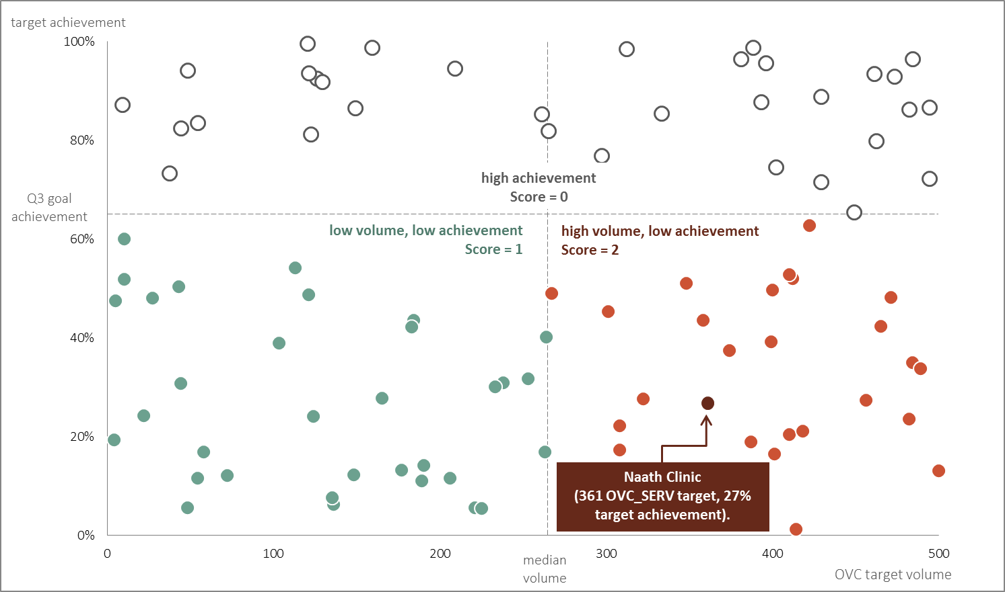
SIMS ASSESSMENT PRIORITIZATION | TEMPLATE
 | v2.1
GUIDANCE
The purpose of this tool is to more easily allow country teams to select sites based on a limited set of MER related metrics.
The tool has been made easy to use. The tool is populated with a country's set of sites and communities. Country teams should review the metrics in the Selection tab and determine which metrics they want to look at. To exclude looking at a metric, select "Exclude" from the dropdown box to the right of the metric under the header "Include?". A site will be given a score of between 0 and 2 based for each included metric based on that sites' value compared to the rest in the operating unit or priority SNU. You can weight a metric more heavily by selecting "Include - Important" which will double the score for that metric.
Each site/community will receive a total score based on the sum of all the included metrics and then be ranked according to their score (currently tied scored are just ordered alphabetically).
With the metrics chosen, you can navigate over to the Sites tab, which contains the orderd list of communities and sites based on their scores. You can filter this list using the filter buttons above each column.
To further inspect a given site/community, go to teh Site Score tab. There, you can adjust the dropdown, chaning it to the site or community you're interested in. You will then see both the score and weighted score for each metric for that site.
SCORING OVERVIEW
In this SIMS site selection tool, we have pursued a non-standard route towards ranking sites. First, we have created a number of custom metrics based on MER indicators to try to identify sites or communities that are in potential need of site visits. For example, rather than just looking at volume of treatment, we are focusing on how a site/community compares to the priority SNU median over the past three quarters.
The second way in which we approached differs from the norm is in our scoring. Since we are often combining multiple measures to create a metric (e.g. target achievement and volume), we created an index score ranging from 0 to 2 based on how that site or community fairs compared to others in the country or priority SNU. The tool will sum up the scores of only those metrics you choose to use in your site selection process, weighting any metric you chose as “important”, scoring it twice as much as it’s originally scored value.
Let’s walk through how these metrics are scored. The metrics under case identification, linkage, and initiation on treatment all follow the same method of scoring. For these metrics, we take each site and rank its volume from low to high. Those sites/communities below the median site value receive a value of 0. Sites that have value that falls above the median value but below the 75th percentile site are given a score of 1. The sites with the highest values (above the 75th percentile) receive a score of 2. For performance indicators, we combine two values – target volume and percent achievement – on a scatter plot and divide into quadrants. Any site/community with high target volume, but low achievement would receive a score of 2; any sites with low achievement (and low volume) receive a score of 1; and finally, any sites with high achievement (above the target value for that quarter) receive a score of 0.
Example
There are 100 communities and sites in the Westeros operating unit. Looking at testing volume compared to the operating unit (CI.1), we will lay out all the sites based on their positive testing volume from low to high, 36 positive tests to 300. Comparing these sites, we can measure a median value of 124 positives at the 50th site and 174 positive tests at the 75th site (see Figure 1).
Naath community had 150 positive tests over the last three quarters (Q1: 40, Q2: 60, Q3: 50). Since the median value across all sites and communities in the Westeros was 124 tests, Naath community would fall between that and the 75th percentile, 174 positive tests. As a result, we would give Naath a score of 1 for that metric.
In addition to looking at positive testing volume, we also decided to look at OVC served targets (PRFM.4). Naath community had a target of serving 361 and achievement of 27% through 3 quarters so far this year. Naath’s volume and achievement place it in the high volume and low achievement quadrant, giving it a score of 2 (see Figure 2).
If those were the only two metrics we chose to look at and we indicated that OVC was an important metric (giving it a weight of twice as great as the original score) Naath community would have a score of 5 - 1 for C1.1 and 4 (2 score * 2 weight) for PRFM.4. Naath would then be ranked against all the other sites/communities in Westeros for these two metrics.
NOTES
This SIMS Site selection tool was populated with the site level MER Structured Dataset FY18Q4i. The code used to produce the calculations and underlying dataset can be found on GitHub (github.com/USAID-OHA-SI/sims_site_selection).
Any issues or suggestions can be reported to Shabeen Ally (xlk1@cdc.gov) or Aaron Chafetz (achafetz@usaid.gov).

Figure 1
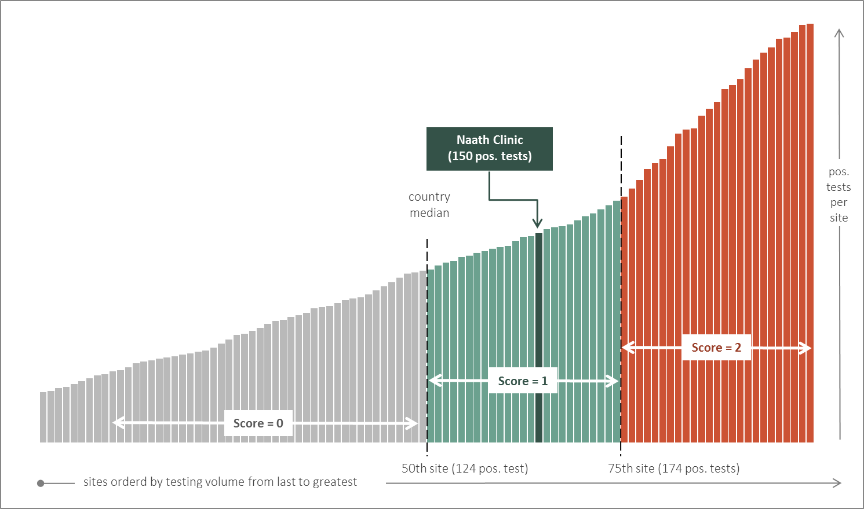

Figure 2

