Guidance
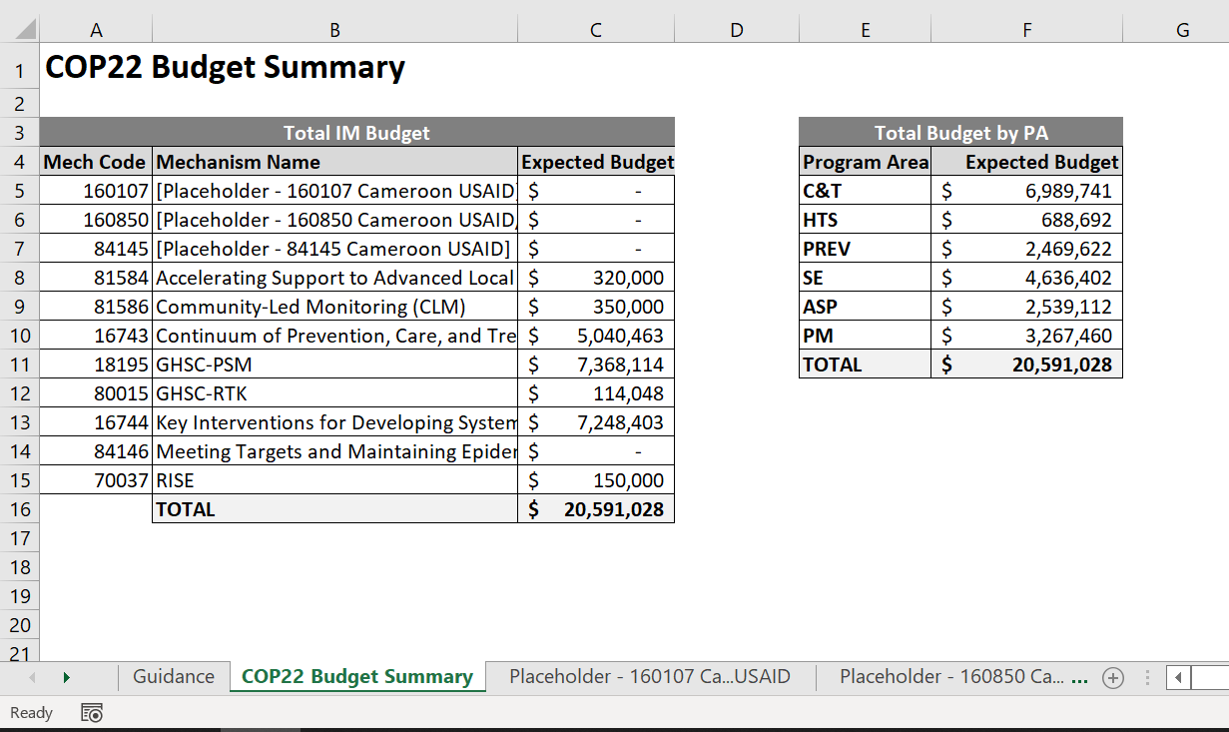
THIS BUDGET TOOL IS AGENCY-SPECIFIC FOR USE BY INTERNAL USAID AGENCY STAFF ONLY | program_name | beneficiary_name | FAST Budget
FAST Baseline Budgeting Tool | C&T: HIV Clinical Services-SD | Non-Targeted Pop: Adults | Workplan Budget
 | C&T: HIV Clinical Services-NSD | Non-Targeted Pop: Young people & adolescents
Operating Unit: | C&T: HIV Laboratory Services-SD | Non-Targeted Pop: Children
COP Year: | C&T: HIV Laboratory Services-NSD | Non-Targeted Pop: Not disaggregated
 | C&T: HIV Drugs-SD | Females: Adult women
INSTRUCTIONS: | C&T: HIV Drugs-NSD | Females: Young women & adolescent females
 | C&T: Not Disaggregated-SD | Females: Girls
Step 1: Select each mechanism where you would like to make incremental adjustments. This file includes USAID IMs only. | C&T: Not Disaggregated-NSD | Females: Not disaggregated
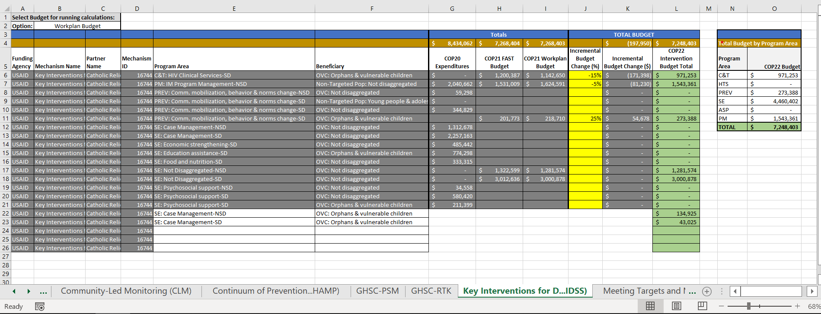
 | HTS: Facility-based testing-SD | Males: Adult men
 | HTS: Facility-based testing-NSD | Males: Young men & adolescent males
 | HTS: Community-based testing-SD | Males: Boys
 | HTS: Community-based testing-NSD | Males: Not disaggregated
 | HTS: Not Disaggregated-SD | Key Pops: Men having sex with men
 | HTS: Not Disaggregated-NSD | Key Pops: Transgender
 | PREV: Comm. mobilization, behavior & norms change-SD | Key Pops: Sex workers
 | PREV: Comm. mobilization, behavior & norms change-NSD | Key Pops: People who inject drugs
 | PREV: VMMC-SD | Key Pops: Not disaggregated
 | PREV: VMMC-NSD | Pregnant & Breastfeeding Women: Not disaggregated
 | PREV: PrEP-SD | Key Pops: People in prisons
 | PREV: PrEP-NSD | Priority Pops: Military & other uniformed services
Each tab represents 1 unique USAID IM
 | PREV: Medication assisted treatment-SD | Priority Pops: Mobile Pops
 | PREV: Medication assisted treatment-NSD | Priority Pops: Displaced persons
 | PREV: Condom & Lubricant Programming-SD | Priority Pops: Clients of sex workers
 | PREV: Condom & Lubricant Programming-NSD | Priority Pops: Not disaggregated
 | PREV: Not Disaggregated-SD | OVC: Orphans & vulnerable children
Step 2: Select the data source in which you would like to make incremental changes, the options are the COP21 FAST budget or COP21 work plan budget. | PREV: Not Disaggregated-NSD | OVC: Care givers
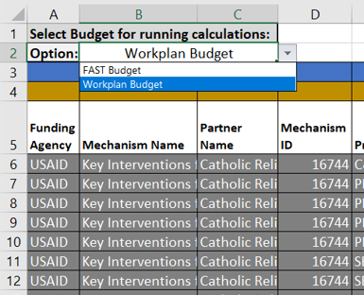
The incremental change made in column J will be based off the data source selected by the user in C2
 | SE: Case Management-SD | OVC: Not disaggregated
 | SE: Case Management-NSD
 | SE: Economic strengthening-SD
 | SE: Economic strengthening-NSD
 | SE: Education assistance-SD
 | SE: Education assistance-NSD
 | SE: Psychosocial support-SD
 | SE: Psychosocial support-NSD
 | SE: Legal, human rights & protection-SD
 | SE: Legal, human rights & protection-NSD
 | SE: Not Disaggregated-SD
 | SE: Not Disaggregated-NSD
 | ASP: Procurement & supply chain management-NSD
Step 3: Review historical financial data in columns G-I. | ASP: HMIS, surveillance, & research-NSD
Step 4: Type in desired % incremental change to the intervention (+/-) in column J. | ASP: Human resources for health-NSD
Step 5: If new interventions need to be added, the user can add up to 5 more, by selecting program area + beneficiary in columns E-F, and type in the corresponding budget in column L. | ASP: Laboratory systems strengthening-NSD
Step 6: Review the final top-line budget in cell L4, and budget by program area in the right-hand table of each tab. | ASP: Institutional prevention-NSD
Step 4
Step 7: Review the subsequent incremental changes in column K, and the final COP22 intervention budget in column L. | ASP: Public financial management strengthening-NSD
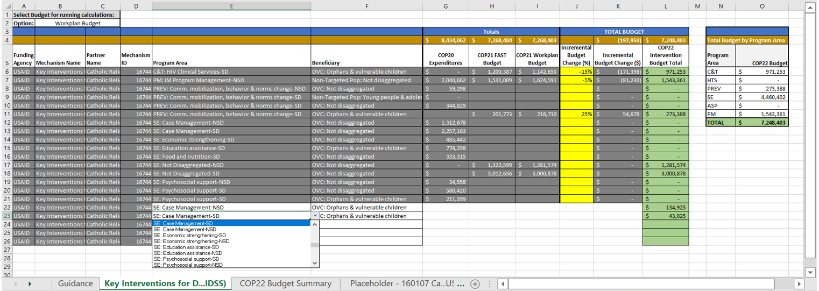
 | ASP: Policy, planning, coordination & management of disease control programs-NSD
Step 3
 | ASP: Laws, regulations & policy environment-NSD
 | ASP: Not Disaggregated-NSD
 | ASP: Injection safety-NSD
 | ASP: Blood supply safety-NSD
 | SE: Food and nutrition-SD
 | SE: Food and nutrition-NSD
Step 4
Step 2
 | PREV: Primary prevention of HIV and sexual violence-SD
Step 7
 | PREV: Primary prevention of HIV and sexual violence-NSD
 | PM: IM Program Management-NSD
Step 6
 | PM: IM Closeout costs-NSD

Step 5

Step 8: Navigate to the COP22 Budget Summary and review IM level budgets by top-line total and program area.

