meta
This template can be used during the COVID response. Guidance has been modified to allow total numerators (no age sex) to reduce reporting burden.
 |  |  |  |  |  | period | operatingunit
Operating Unit |  |  |  |  |  | FY21 Oct | Angola
HFR FY and Period |  |  |  |  |  | FY21 Nov | Asia Region
Template version | 1.04 |  |  |  |  | FY21 Dec | Asia Region/Burma
Template type | Wide - Limited |  |  |  |  | FY21 Jan | Asia Region/Cambodia
 |  |  |  |  |  | FY21 Feb | Asia Region/China
HFR Reporting Guidance |  |  |  |  |  | FY21 Mar | Asia Region/India
- In the above table, add the OU as well as the reporting period |  |  |  |  |  | FY21 Apr | Asia Region/Indonesia
- Use the HFR tab for reporting data. Each line should be complete, including the DATIM organization unit (facility or community) UID |  |  |  |  |  | FY21 May | Asia Region/Kazakhstan
- Dates must match the HFR reporting calendar, reported as the 1st for monthly reporting or Monday for weekly reporting |  |  |  |  |  | FY21 Jun | Asia Region/Kyrgyzstan
- Full period indicators (TX_CURR and TX_MMD) should be recorded on the first day of the reporting period. |  |  |  |  |  | FY21 Jul | Asia Region/Laos
- Indicators and disaggregtes (sex, coarse age, other disaggregates) must match the table below. |  |  |  |  |  | FY21 Aug | Asia Region/Nepal
- Do not add new columns to the HFR reporting table. If there is a need, reach out to the HFRG at oha_hfr@usaid.gov, and we can develop a solution |  |  |  |  |  | FY21 Sep | Asia Region/Papua New Guinea
- The HFR tab can be duplicated. You may wish to have partners/sites/etc on different tabs. If adding multiple tabs, INCLUDE 'HFR' AT FRONT OF EACH TAB NAME |  |  |  |  |  |  | Asia Region/Philippines
- Submissions are due to USAID/Washington on the 15th of the following month (or the next business day if it is a weekend or holiday). Email submissions to oha_hfr@usaid.gov and include you SI POC on the email. |  |  |  |  |  |  | Asia Region/Tajikistan
- Submit data only for the current HFR period. |  |  |  |  |  |  | Asia Region/Thailand
 |  |  |  |  |  |  | Asia Region/Turkmenistan
File naming convetion: HFR_FY[YY]_[Period]_[OU]_[PARTNER]_[DATE SUBMITTED as YYYYMMDD] |  |  |  |  |  |  | Asia Region/Uzbekistan
ex) HFR_FY21_Oct_Moldova_20211015.xlsx or HFR_FY21_Oct_Moldova_Partners4Data_20211015.xlsx |  |  |  |  |  |  | Botswana
 |  |  |  |  |  |  | Burundi
 |  |  |  |  |  |  | Cameroon
Variable Label | Variable Name | Acceptable Inputs | Type | Collection Frequency | REQUIRED? |  | Cote d'Ivoire
HFR MONTH/WEEK START DATE | date | HFR Week Start Date; see the HFR reporting period calendar foracceptable dates (Mondays), format: YYYY-MM-DD | date | N/A | YES |  | Democratic Republic of the Congo
FACILITY OR COMMUNITY NAME | orgunit | Approproate OU defined facility or community geographic level as it appears in DATIM | string | N/A | YES |  | Dominican Republic
FACILITY OR COMMUNITY UID | orgunituid | Approproate OU defined facility or community geographic level unique identifier as it appears in DATIM | string | N/A | YES |  | Eswatini
MECHANISM ID | mech_code | Implementing mechanism ID as it appears in DATIM; numbers only, XXXXX | numeric | N/A | YES |  | Ethiopia
MECHANISM OR PARTNER NAME | partner | Implementing mechanism or partner (IP) name as it appears in DATIM | string | N/A | YES |  | Haiti
OU | operatingunit | Operating Unit name as it appears in DATIM (or '[OU]'/[COUNTRY NAME]' for a Regional mission | string | N/A | YES |  | Kenya
PSNU | psnu | OU defined Priority Sub-National Unit (PSNU) as it appears in DATIM | string | N/A | YES |  | Lesotho
HTS_TST all age/sex | hts_tst.NA.NA | Monthly aggregated (or weekly) values for indicator/disaggregate; see MER guidance for description | numeric | monthly/weekly | ALL SITES/COMMUNITIES REPORTING MER IN FY21 |  | Malawi
HTS_TST_POS all age/sex | hts_tst_pos.NA.NA | Monthly aggregated (or weekly) values for indicator/disaggregate; see MER guidance for description | numeric | monthly/weekly | ALL SITES/COMMUNITIES REPORTING MER IN FY21 |  | Mozambique
TX_NEW all age/sex | tx_new.NA.NA | Monthly aggregated (or weekly) values for indicator/disaggregate; see MER guidance for description | numeric | monthly/weekly | ALL SITES/COMMUNITIES REPORTING MER IN FY21 |  | Namibia
VMMC_CIRC all age/sex | vmmc_circ.NA.NA | Monthly aggregated (or weekly) values for indicator/disaggregate; see MER guidance for description | numeric | monthly/weekly | ALL SITES/COMMUNITIES REPORTING MER IN FY21 |  | Nigeria
PrEP_NEW all age/sex | prep_new.NA.NA | Monthly aggregated (or weekly) values for indicator/disaggregate; see MER guidance for description | numeric | monthly/weekly | ALL SITES/COMMUNITIES REPORTING MER IN FY21 |  | Rwanda
TX_CURR all age/sex | tx_curr.NA.NA | Monthly aggregated (or weekly) values for indicator/disaggregate; see MER guidance for description | numeric | monthly/weekly | ALL SITES/COMMUNITIES REPORTING MER IN FY21 |  | South Africa
TX_MMD all age/sex < 3months | tx_mmd.NA.NA.u3mo | Monthly aggregated (or weekly) values for indicator/disaggregate; see MER guidance for description (TX_CURR disaggregate) | numeric | monthly/weekly | ALL SITES/COMMUNITIES REPORTING MER TX_CURR IN FY21 |  | South Sudan
TX_MMD all age/sex 3-5 months | tx_mmd.NA.NA.35mo | Monthly aggregated (or weekly) values for indicator/disaggregate; see MER guidance for description (TX_CURR disaggregate) | numeric | monthly/weekly | ALL SITES/COMMUNITIES REPORTING MER TX_CURR IN FY21 |  | Tanzania
TX_MMD all age/sex 6+ months | tx_mmd.NA.NA.o6mo | Monthly aggregated (or weekly) values for indicator/disaggregate; see MER guidance for description (TX_CURR disaggregate) | numeric | monthly/weekly | ALL SITES/COMMUNITIES REPORTING MER TX_CURR IN FY21 |  | Uganda
 |  |  |  |  |  |  | Ukraine
 |  |  |  |  |  |  | Vietnam
 |  |  |  |  |  |  | West Africa Region
 |  |  |  |  |  |  | West Africa Region/Burkina Faso
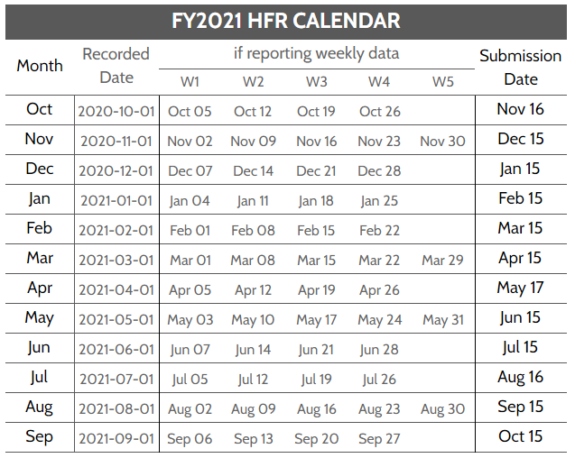
 |  |  |  |  |  |  | West Africa Region/Ghana
 |  |  |  |  |  |  | West Africa Region/Liberia
 |  |  |  |  |  |  | West Africa Region/Mali
 |  |  |  |  |  |  | West Africa Region/Senegal
 |  |  |  |  |  |  | West Africa Region/Sierra Leone
 |  |  |  |  |  |  | West Africa Region/Togo
 |  |  |  |  |  |  | Western Hemisphere Region
 |  |  |  |  |  |  | Western Hemisphere Region/Antigua and Barbuda
 |  |  |  |  |  |  | Western Hemisphere Region/Bahamas
 |  |  |  |  |  |  | Western Hemisphere Region/Barbados
 |  |  |  |  |  |  | Western Hemisphere Region/Belize
 |  |  |  |  |  |  | Western Hemisphere Region/Brazil
 |  |  |  |  |  |  | Western Hemisphere Region/Costa Rica
 |  |  |  |  |  |  | Western Hemisphere Region/Dominica
 |  |  |  |  |  |  | Western Hemisphere Region/El Salvador
 |  |  |  |  |  |  | Western Hemisphere Region/Grenada
 |  |  |  |  |  |  | Western Hemisphere Region/Guatemala
 |  |  |  |  |  |  | Western Hemisphere Region/Guyana
 |  |  |  |  |  |  | Western Hemisphere Region/Honduras
 |  |  |  |  |  |  | Western Hemisphere Region/Jamaica
 |  |  |  |  |  |  | Western Hemisphere Region/Nicaragua
 |  |  |  |  |  |  | Western Hemisphere Region/Panama
 |  |  |  |  |  |  | Western Hemisphere Region/Saint Kitts and Nevis
 |  |  |  |  |  |  | Western Hemisphere Region/Saint Lucia
 |  |  |  |  |  |  | Western Hemisphere Region/Saint Vincent and the Grenadines
 |  |  |  |  |  |  | Western Hemisphere Region/Suriname
 |  |  |  |  |  |  | Western Hemisphere Region/Trinidad and Tobago
 |  |  |  |  |  |  | Zambia
 |  |  |  |  |  |  | Zimbabwe

