meta
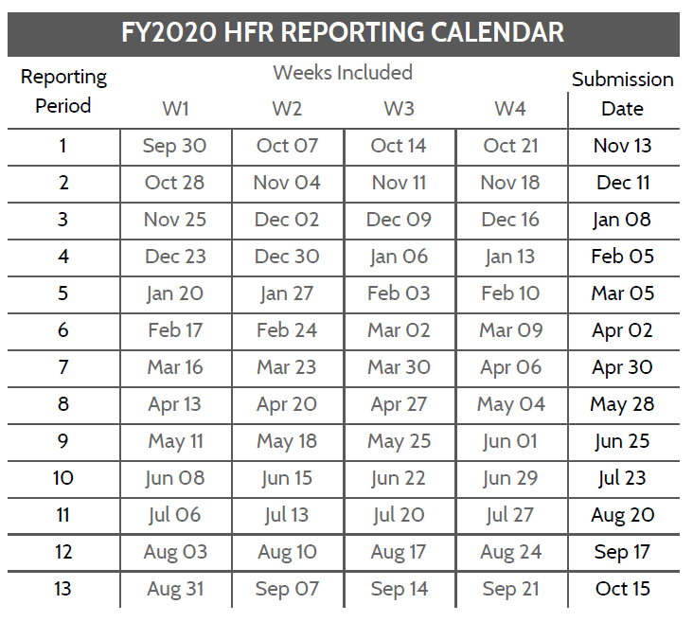
Operating Unit
HFR FY and Period, eg 2020.1
Template version | 1.01
Template type | Long

HFR Reporting Guidance
- In the above table, add the OU/country name as well as the reporting period, YYYY.PD (see the calendar below)
- Use the HFR tab for reporting data. Each line should be complete, including the DATIM organization unit (facility or community) UID
- Dates must match the HFR reporting calendar, where the week start is a Monday
- Full period indicators (TX_CURR and TX_MMD) should be recorded on the first day of the reporting period.
- Indicators and disaggregtes (sex, coarse age, other disaggregates) must match the table below.
- Do not add new columns to the HFR reporting table. If there is a need, reach out to the HFRG at oha_hfr@usaid.gov, and we can develop a solution
- The HFR tab can be duplicated. You may wish to have partners/sites/etc on different tabs. If adding multiple tabs, INCLUDE 'HFR' AT FRONT OF EACH TAB NAME
- Submissions are due to USAID/Washington 15 days after the period ends. Email submissions to oha_hfr@usaid.gov and include you SI POC on the email.
- Submit data only for the current HFR period.

File naming convetion: HFR_FY[YY]_[Period]_[OU]_[PARTNER]_[DATE SUBMITTED as YYYYMMDD]
ex) HFR_FY19_PD1_Moldova_20191015.xlsx or HFR_FY19_PD1_Moldova_Partners4Data_20191015.xlsx

Variable Label | Variable Name | Acceptable Inputs | Type | REQUIRED?
HFR WEEK START DATE | date | HFR Week Start Date; see the HFR reporting period calendar for acceptable dates (Mondays), format: YYYY-MM-DD | date | YES
FACILITY OR COMMUNITY NAME | orgunit | Approproate OU defined facility or community geographic level as it appears in DATIM | string | YES
FACILITY OR COMMUNITY UID | orgunituid | Approproate OU defined facility or community geographic level unique identifier as it appears in DATIM | string | YES
MECHANISM ID | mech_code | Implementing mechanism ID as it appears in DATIM; numbers only, XXXXX | numeric | YES
MECHANISM OR PARTNER NAME | partner | Implementing mechanism or partner (IP) name as it appears in DATIM | string | YES
OU | operatingunit | OU defined Priority Sub-National Unit (PSNU) as it appears in DATIM | string | YES
PSNU | psnu | OU defined Priority Sub-National Unit (PSNU) as it appears in DATIM | string | YES
INDICATOR | indicator | Appropriate HFR indicator: HTS_TST, HTS_TST_POS, TX_NEW, VMMC_CIRC, PrEP_NEW, TX_CURR, TX_MMD | string | NO
SEX | sex | Appropriate sex: Female, Male, Unspecified | string | NO
COARSE AGE | agecoarse | Appropriate coarse age band: Female, Male, Unknown | string | NO
OTHER DISAGG | otherdisaggregate | Appropriate other disaggregate, only used for TX_MMD currently as period: < 3 months, 3-5 months, 6 months or more [blank for all other indicators] | string | NO
HFR RESULT VALUE | val | Positive weekly or full period HFR value | numeric | YES

