meta
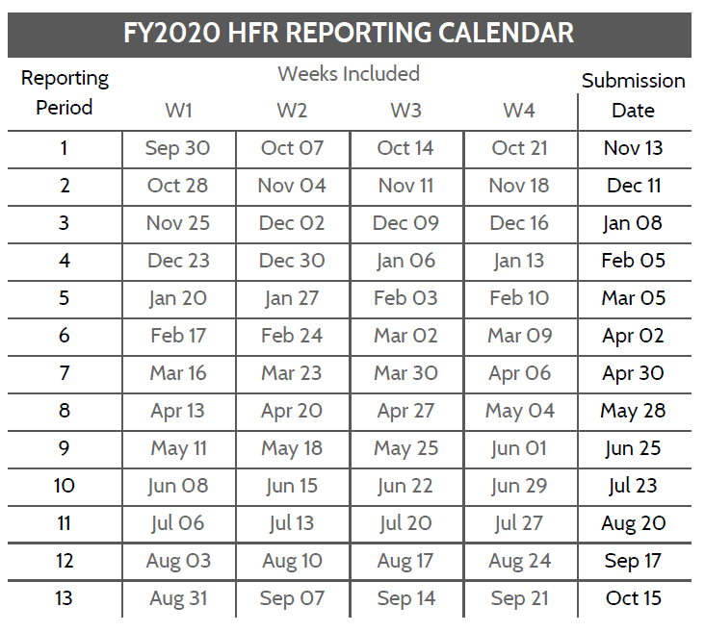
During the COVID response (2020.07 onwards), guidance has been modified to allow total numerators (no age sex) and full period reporting is acceptable for all indicators to reduce reporting burden.
Operating Unit
HFR FY and Period, eg 2020.1
Template version | 1.03
Template type | Long

HFR Reporting Guidance
- In the above table, add the OU/country name as well as the reporting period, YYYY.PD (see the calendar below)
- Use the HFR tab for reporting data. Each line should be complete, including the DATIM organization unit (facility or community) UID
- Dates must match the HFR reporting calendar, where the week start is a Monday
- Full period indicators (TX_CURR and TX_MMD) should be recorded on the first day of the reporting period.
- Indicators and disaggregtes (sex, coarse age, other disaggregates) must match the table below.
- Do not add new columns to the HFR reporting table. If there is a need, reach out to the HFRG at oha_hfr@usaid.gov, and we can develop a solution
- The HFR tab can be duplicated. You may wish to have partners/sites/etc on different tabs. If adding multiple tabs, INCLUDE 'HFR' AT FRONT OF EACH TAB NAME
- Submissions are due to USAID/Washington 15 days after the period ends. Email submissions to oha_hfr@usaid.gov and include you SI POC on the email.
- Submit data only for the current HFR period.

File naming convetion: HFR_FY[YY]_[Period]_[OU]_[PARTNER]_[DATE SUBMITTED as YYYYMMDD]
ex) HFR_FY19_PD1_Moldova_20191015.xlsx or HFR_FY19_PD1_Moldova_Partners4Data_20191015.xlsx

Variable Label | Variable Name | Acceptable Inputs | Type | REQUIRED?
HFR WEEK START DATE | date | HFR Week Start Date; see the HFR reporting period calendar for acceptable dates (Mondays), format: YYYY-MM-DD | date | YES
FACILITY OR COMMUNITY NAME | orgunit | Approproate OU defined facility or community geographic level as it appears in DATIM | string | YES
FACILITY OR COMMUNITY UID | orgunituid | Approproate OU defined facility or community geographic level unique identifier as it appears in DATIM | string | YES
MECHANISM ID | mech_code | Implementing mechanism ID as it appears in DATIM; numbers only, XXXXX | numeric | YES
MECHANISM OR PARTNER NAME | partner | Implementing mechanism or partner (IP) name as it appears in DATIM | string | YES
OU | operatingunit | OU defined Priority Sub-National Unit (PSNU) as it appears in DATIM | string | YES
PSNU | psnu | OU defined Priority Sub-National Unit (PSNU) as it appears in DATIM | string | YES
INDICATOR | indicator | Appropriate HFR indicator: HTS_TST, HTS_TST_POS, TX_NEW, VMMC_CIRC, PrEP_NEW, TX_CURR, TX_MMD | string | NO
SEX | sex | Appropriate sex: Female, Male, Unspecified | string | NO
COARSE AGE | agecoarse | Appropriate coarse age band: Female, Male, Unknown | string | NO
OTHER DISAGG | otherdisaggregate | Appropriate other disaggregate, only used for TX_MMD currently as period: < 3 months, 3-5 months, 6 months or more [blank for all other indicators] | string | NO
HFR RESULT VALUE | val | Positive weekly or full period HFR value | numeric | YES

