meta
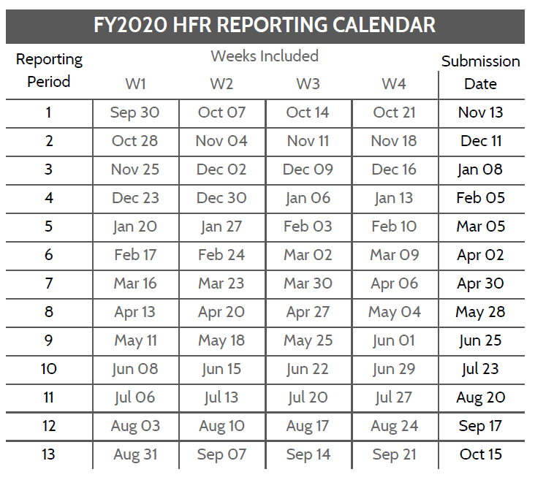
An alternative version of the wide template can be used during the COVID response (2020.07 onwards). Guidance has been modified to allow total numerators (no age sex) and full period reporting is acceptable for all indicators to reduce reporting burden.
Operating Unit
HFR FY and Period, eg 2020.1
Template version | 1.03
Template type | Wide

HFR Reporting Guidance
- In the above table, add the OU/country name as well as the reporting period, YYYY.PD (see the calendar below)
- Use the HFR tab for reporting data. Each line should be complete, including the DATIM organization unit (facility or community) UID
- Dates must match the HFR reporting calendar, where the week start is a Monday
- Full period indicators (TX_CURR and TX_MMD) should be recorded on the first day of the reporting period.
- Indicators and disaggregtes (sex, coarse age, other disaggregates) must match the table below.
- Do not add new columns to the HFR reporting table. If there is a need, reach out to the HFRG at oha_hfr@usaid.gov, and we can develop a solution
- The HFR tab can be duplicated. You may wish to have partners/sites/etc on different tabs. If adding multiple tabs, INCLUDE 'HFR' AT FRONT OF EACH TAB NAME
- Submissions are due to USAID/Washington 15 days after the period ends. Email submissions to oha_hfr@usaid.gov and include you SI POC on the email.
- Submit data only for the current HFR period.

File naming convetion: HFR_FY[YY]_[Period]_[OU]_[PARTNER]_[DATE SUBMITTED as YYYYMMDD]
ex) HFR_FY19_PD1_Moldova_20191015.xlsx or HFR_FY19_PD1_Moldova_Partners4Data_20191015.xlsx

Variable Label | Variable Name | Acceptable Inputs | Type | Collection Frequency | REQUIRED?
HFR WEEK START DATE | date | HFR Week Start Date; see the HFR reporting period calendar foracceptable dates (Mondays), format: YYYY-MM-DD | date | N/A | YES
FACILITY OR COMMUNITY NAME | orgunit | Approproate OU defined facility or community geographic level as it appears in DATIM | string | N/A | YES
FACILITY OR COMMUNITY UID | orgunituid | Approproate OU defined facility or community geographic level unique identifier as it appears in DATIM | string | N/A | YES
MECHANISM ID | mech_code | Implementing mechanism ID as it appears in DATIM; numbers only, XXXXX | numeric | N/A | YES
MECHANISM OR PARTNER NAME | partner | Implementing mechanism or partner (IP) name as it appears in DATIM | string | N/A | YES
OU | operatingunit | Operating Unit name as it appears in DATIM (or '[OU]'/[COUNTRY NAME]' for a Regional mission | string | N/A | YES
PSNU | psnu | OU defined Priority Sub-National Unit (PSNU) as it appears in DATIM | string | N/A | YES
HTS_TST <15 Female | hts_tst.u15.f | Weekly values for indicator/disaggregate; see MER guidance for description | numeric | weekly | ALL SITES/COMMUNITIES WITH COP TARGETS
HTS_TST <15 Male | hts_tst.u15.m | Weekly values for indicator/disaggregate; see MER guidance for description | numeric | weekly | ALL SITES/COMMUNITIES WITH COP TARGETS
HTS_TST 15+ Female | hts_tst.o15.f | Weekly values for indicator/disaggregate; see MER guidance for description | numeric | weekly | ALL SITES/COMMUNITIES WITH COP TARGETS
HTS_TST 15+ Male | hts_tst.o15.m | Weekly values for indicator/disaggregate; see MER guidance for description | numeric | weekly | ALL SITES/COMMUNITIES WITH COP TARGETS
HTS_TST_POS <15 Female | hts_tst_pos.u15.f | Weekly values for indicator/disaggregate; see MER guidance for description | numeric | weekly | ALL SITES/COMMUNITIES WITH COP TARGETS
HTS_TST_POS <15 Male | hts_tst_pos.u15.m | Weekly values for indicator/disaggregate; see MER guidance for description | numeric | weekly | ALL SITES/COMMUNITIES WITH COP TARGETS
HTS_TST_POS 15+ Female | hts_tst_pos.o15.f | Weekly values for indicator/disaggregate; see MER guidance for description | numeric | weekly | ALL SITES/COMMUNITIES WITH COP TARGETS
HTS_TST_POS 15+ Male | hts_tst_pos.o15.m | Weekly values for indicator/disaggregate; see MER guidance for description | numeric | weekly | ALL SITES/COMMUNITIES WITH COP TARGETS
TX_NEW <15 Female | tx_new.u15.f | Weekly values for indicator/disaggregate; see MER guidance for description | numeric | weekly | ALL SITES/COMMUNITIES WITH COP TARGETS
TX_NEW <15 Male | tx_new.u15.m | Weekly values for indicator/disaggregate; see MER guidance for description | numeric | weekly | ALL SITES/COMMUNITIES WITH COP TARGETS
TX_NEW 15+ Female | tx_new.o15.f | Weekly values for indicator/disaggregate; see MER guidance for description | numeric | weekly | ALL SITES/COMMUNITIES WITH COP TARGETS
TX_NEW 15+ Male | tx_new.o15.m | Weekly values for indicator/disaggregate; see MER guidance for description | numeric | weekly | ALL SITES/COMMUNITIES WITH COP TARGETS
VMMC_CIRC <15 Male | vmmc_circ.u15.m | Weekly values for indicator/disaggregate; see MER guidance for description | numeric | weekly | ALL SITES/COMMUNITIES WITH COP TARGETS
VMMC_CIRC 15+ Male | vmmc_circ.o15.m | Weekly values for indicator/disaggregate; see MER guidance for description | numeric | weekly | ALL SITES/COMMUNITIES WITH COP TARGETS
PrEP_NEW <15 Female | prep_new.u15.f | Weekly values for indicator/disaggregate; see MER guidance for description | numeric | weekly | ALL SITES/COMMUNITIES WITH COP TARGETS
PrEP_NEW <15 Male | prep_new.u15.m | Weekly values for indicator/disaggregate; see MER guidance for description | numeric | weekly | ALL SITES/COMMUNITIES WITH COP TARGETS
PrEP_NEW 15+ Female | prep_new.o15.f | Weekly values for indicator/disaggregate; see MER guidance for description | numeric | weekly | ALL SITES/COMMUNITIES WITH COP TARGETS
PrEP_NEW 15+ Male | prep_new.o15.m | Weekly values for indicator/disaggregate; see MER guidance for description | numeric | weekly | ALL SITES/COMMUNITIES WITH COP TARGETS
[full period] TX_CURR <15 Female | tx_curr.u15.f | Full period (ie 1 value for the 4 week HFR period) values for indicator/disaggregate; see MER guidance for description | numeric | full period (once per reporting period) | ALL SITES/COMMUNITIES WITH COP TARGETS
[full period] TX_CURR <15 Male | tx_curr.u15.m | Full period (ie 1 value for the 4 week HFR period) values for indicator/disaggregate; see MER guidance for description | numeric | full period (once per reporting period) | ALL SITES/COMMUNITIES WITH COP TARGETS
[full period] TX_CURR 15+ Female | tx_curr.o15.f | Full period (ie 1 value for the 4 week HFR period) values for indicator/disaggregate; see MER guidance for description | numeric | full period (once per reporting period) | ALL SITES/COMMUNITIES WITH COP TARGETS
[full period] TX_CURR 15+ Male | tx_curr.o15.m | Full period (ie 1 value for the 4 week HFR period) values for indicator/disaggregate; see MER guidance for description | numeric | full period (once per reporting period) | ALL SITES/COMMUNITIES WITH COP TARGETS
[full period] TX_MMD <15 Female < 3months | tx_mmd.u15.f.u3mo | Full period (ie 1 value for the 4 week HFR period) values for indicator/disaggregate; see MER guidance for description (TX_CURR disaggregate) | numeric | full period (once per reporting period) | ALL SITES/COMMUNITIES WITH TX_CURR COP TARGETS
[full period] TX_MMD <15 Male < 3months | tx_mmd.u15.m.u3mo | Full period (ie 1 value for the 4 week HFR period) values for indicator/disaggregate; see MER guidance for description (TX_CURR disaggregate) | numeric | full period (once per reporting period) | ALL SITES/COMMUNITIES WITH TX_CURR COP TARGETS
[full period] TX_MMD 15+ Female < 3months | tx_mmd.o15.f.u3mo | Full period (ie 1 value for the 4 week HFR period) values for indicator/disaggregate; see MER guidance for description (TX_CURR disaggregate) | numeric | full period (once per reporting period) | ALL SITES/COMMUNITIES WITH TX_CURR COP TARGETS
[full period] TX_MMD 15+ Male < 3months | tx_mmd.o15.m.u3mo | Full period (ie 1 value for the 4 week HFR period) values for indicator/disaggregate; see MER guidance for description (TX_CURR disaggregate) | numeric | full period (once per reporting period) | ALL SITES/COMMUNITIES WITH TX_CURR COP TARGETS
[full period] TX_MMD <15 Female 3-5 months | tx_mmd.u15.f.35mo | Full period (ie 1 value for the 4 week HFR period) values for indicator/disaggregate; see MER guidance for description (TX_CURR disaggregate) | numeric | full period (once per reporting period) | ALL SITES/COMMUNITIES WITH TX_CURR COP TARGETS
[full period] TX_MMD <15 Male 3-5 months | tx_mmd.u15.m.35mo | Full period (ie 1 value for the 4 week HFR period) values for indicator/disaggregate; see MER guidance for description (TX_CURR disaggregate) | numeric | full period (once per reporting period) | ALL SITES/COMMUNITIES WITH TX_CURR COP TARGETS
[full period] TX_MMD 15+ Female 3-5 months | tx_mmd.o15.f.35mo | Full period (ie 1 value for the 4 week HFR period) values for indicator/disaggregate; see MER guidance for description (TX_CURR disaggregate) | numeric | full period (once per reporting period) | ALL SITES/COMMUNITIES WITH TX_CURR COP TARGETS
[full period] TX_MMD 15+ Male 3-5 months | tx_mmd.o15.m.35mo | Full period (ie 1 value for the 4 week HFR period) values for indicator/disaggregate; see MER guidance for description (TX_CURR disaggregate) | numeric | full period (once per reporting period) | ALL SITES/COMMUNITIES WITH TX_CURR COP TARGETS
[full period] TX_MMD <15 Female 6+ months | tx_mmd.u15.f.o6mo | Full period (ie 1 value for the 4 week HFR period) values for indicator/disaggregate; see MER guidance for description (TX_CURR disaggregate) | numeric | full period (once per reporting period) | ALL SITES/COMMUNITIES WITH TX_CURR COP TARGETS
[full period] TX_MMD <15 Male 6+ months | tx_mmd.u15.m.o6mo | Full period (ie 1 value for the 4 week HFR period) values for indicator/disaggregate; see MER guidance for description (TX_CURR disaggregate) | numeric | full period (once per reporting period) | ALL SITES/COMMUNITIES WITH TX_CURR COP TARGETS
[full period] TX_MMD 15+ Female 6+ months | tx_mmd.o15.f.o6mo | Full period (ie 1 value for the 4 week HFR period) values for indicator/disaggregate; see MER guidance for description (TX_CURR disaggregate) | numeric | full period (once per reporting period) | ALL SITES/COMMUNITIES WITH TX_CURR COP TARGETS
[full period] TX_MMD 15+ Male 6+ months | tx_mmd.o15.m.o6mo | Full period (ie 1 value for the 4 week HFR period) values for indicator/disaggregate; see MER guidance for description (TX_CURR disaggregate) | numeric | full period (once per reporting period) | ALL SITES/COMMUNITIES WITH TX_CURR COP TARGETS

