meta
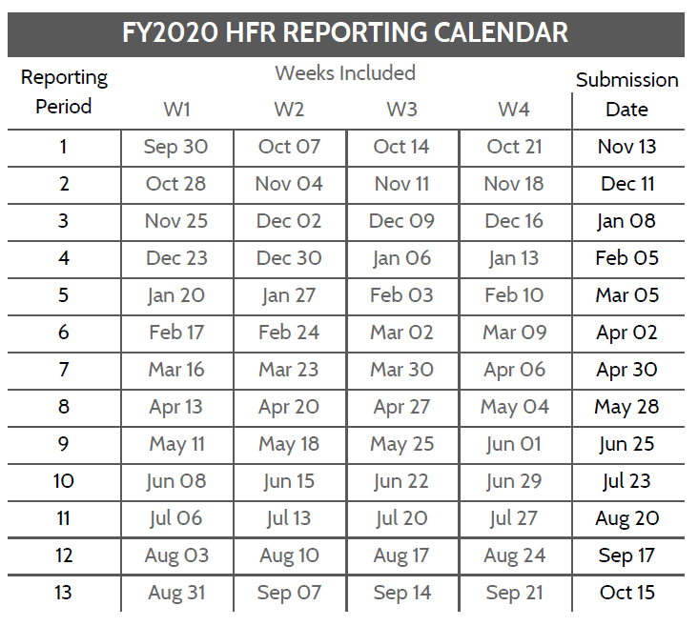
Operating Unit
HFR FY and Period, eg 2020.1
Template version | 1.01
Template type | Wide

HFR Reporting Guidance
- In the above table, add the OU/country name as well as the reporting period, YYYY.PD (see the calendar below)
- Use the HFR tab for reporting data. Each line should be complete, including the DATIM organization unit (facility or community) UID
- Dates must match the HFR reporting calendar, where the week start is a Monday
- Full period indicators (TX_CURR and TX_MMD) should be recorded on the first day of the reporting period.
- Indicators and disaggregtes (sex, coarse age, other disaggregates) must match the table below.
- Do not add new columns to the HFR reporting table. If there is a need, reach out to the HFRG at oha_hfr@usaid.gov, and we can develop a solution
- The HFR tab can be duplicated. You may wish to have partners/sites/etc on different tabs. If adding multiple tabs, INCLUDE 'HFR' AT FRONT OF EACH TAB NAME
- Submissions are due to USAID/Washington 15 days after the period ends. Email submissions to oha_hfr@usaid.gov and include you SI POC on the email.
- Submit data only for the current HFR period.

File naming convetion: HFR_FY[YY]_[Period]_[OU]_[PARTNER]_[DATE SUBMITTED as YYYYMMDD]
ex) HFR_FY19_PD1_Moldova_20191015.xlsx or HFR_FY19_PD1_Moldova_Partners4Data_20191015.xlsx

Variable Label | Variable Name | Acceptable Inputs | Type | Collection Frequency | REQUIRED?
HFR WEEK START DATE | date | HFR Week Start Date; see the HFR reporting period calendar foracceptable dates (Mondays), format: YYYY-MM-DD | date | N/A | YES
FACILITY OR COMMUNITY NAME | orgunit | Approproate OU defined facility or community geographic level as it appears in DATIM | string | N/A | YES
FACILITY OR COMMUNITY UID | orgunituid | Approproate OU defined facility or community geographic level unique identifier as it appears in DATIM | string | N/A | YES
MECHANISM ID | mech_code | Implementing mechanism ID as it appears in DATIM; numbers only, XXXXX | numeric | N/A | YES
MECHANISM OR PARTNER NAME | partner | Implementing mechanism or partner (IP) name as it appears in DATIM | string | N/A | YES
OU | operatingunit | Operating Unit name as it appears in DATIM (or '[OU]'/[COUNTRY NAME]' for a Regional mission | string | N/A | YES
PSNU | psnu | OU defined Priority Sub-National Unit (PSNU) as it appears in DATIM | string | N/A | YES
HTS_TST <15 Female | hts_tst.u15.f | Weekly values for indicator/disaggregate; see MER guidance for description | numeric | weekly | ALL SITES/COMMUNITIES WITH COP TARGETS
HTS_TST <15 Male | hts_tst.u15.m | Weekly values for indicator/disaggregate; see MER guidance for description | numeric | weekly | ALL SITES/COMMUNITIES WITH COP TARGETS
HTS_TST 15+ Female | hts_tst.o15.f | Weekly values for indicator/disaggregate; see MER guidance for description | numeric | weekly | ALL SITES/COMMUNITIES WITH COP TARGETS
HTS_TST 15+ Male | hts_tst.o15.m | Weekly values for indicator/disaggregate; see MER guidance for description | numeric | weekly | ALL SITES/COMMUNITIES WITH COP TARGETS
HTS_TST_POS <15 Female | hts_tst_pos.u15.f | Weekly values for indicator/disaggregate; see MER guidance for description | numeric | weekly | ALL SITES/COMMUNITIES WITH COP TARGETS
HTS_TST_POS <15 Male | hts_tst_pos.u15.m | Weekly values for indicator/disaggregate; see MER guidance for description | numeric | weekly | ALL SITES/COMMUNITIES WITH COP TARGETS
HTS_TST_POS 15+ Female | hts_tst_pos.o15.f | Weekly values for indicator/disaggregate; see MER guidance for description | numeric | weekly | ALL SITES/COMMUNITIES WITH COP TARGETS
HTS_TST_POS 15+ Male | hts_tst_pos.o15.m | Weekly values for indicator/disaggregate; see MER guidance for description | numeric | weekly | ALL SITES/COMMUNITIES WITH COP TARGETS
TX_NEW <15 Female | tx_new.u15.f | Weekly values for indicator/disaggregate; see MER guidance for description | numeric | weekly | ALL SITES/COMMUNITIES WITH COP TARGETS
TX_NEW <15 Male | tx_new.u15.m | Weekly values for indicator/disaggregate; see MER guidance for description | numeric | weekly | ALL SITES/COMMUNITIES WITH COP TARGETS
TX_NEW 15+ Female | tx_new.o15.f | Weekly values for indicator/disaggregate; see MER guidance for description | numeric | weekly | ALL SITES/COMMUNITIES WITH COP TARGETS
TX_NEW 15+ Male | tx_new.o15.m | Weekly values for indicator/disaggregate; see MER guidance for description | numeric | weekly | ALL SITES/COMMUNITIES WITH COP TARGETS
VMMC_CIRC <15 Male | vmmc_circ.u15.m | Weekly values for indicator/disaggregate; see MER guidance for description | numeric | weekly | ALL SITES/COMMUNITIES WITH COP TARGETS
VMMC_CIRC 15+ Male | vmmc_circ.o15.m | Weekly values for indicator/disaggregate; see MER guidance for description | numeric | weekly | ALL SITES/COMMUNITIES WITH COP TARGETS
PrEP_NEW <15 Female | prep_new.u15.f | Weekly values for indicator/disaggregate; see MER guidance for description | numeric | weekly | ALL SITES/COMMUNITIES WITH COP TARGETS
PrEP_NEW <15 Male | prep_new.u15.m | Weekly values for indicator/disaggregate; see MER guidance for description | numeric | weekly | ALL SITES/COMMUNITIES WITH COP TARGETS
PrEP_NEW 15+ Female | prep_new.o15.f | Weekly values for indicator/disaggregate; see MER guidance for description | numeric | weekly | ALL SITES/COMMUNITIES WITH COP TARGETS
PrEP_NEW 15+ Male | prep_new.o15.m | Weekly values for indicator/disaggregate; see MER guidance for description | numeric | weekly | ALL SITES/COMMUNITIES WITH COP TARGETS
[full period] TX_CURR <15 Female | tx_curr.u15.f | Full period (ie 1 value for the 4 week HFR period) values for indicator/disaggregate; see MER guidance for description | numeric | full period (once per reporting period) | ALL SITES/COMMUNITIES WITH COP TARGETS
[full period] TX_CURR <15 Male | tx_curr.u15.m | Full period (ie 1 value for the 4 week HFR period) values for indicator/disaggregate; see MER guidance for description | numeric | full period (once per reporting period) | ALL SITES/COMMUNITIES WITH COP TARGETS
[full period] TX_CURR 15+ Female | tx_curr.o15.f | Full period (ie 1 value for the 4 week HFR period) values for indicator/disaggregate; see MER guidance for description | numeric | full period (once per reporting period) | ALL SITES/COMMUNITIES WITH COP TARGETS
[full period] TX_CURR 15+ Male | tx_curr.o15.m | Full period (ie 1 value for the 4 week HFR period) values for indicator/disaggregate; see MER guidance for description | numeric | full period (once per reporting period) | ALL SITES/COMMUNITIES WITH COP TARGETS
[full period] TX_MMD <15 Female < 3months | tx_mmd.u15.f.u3mo | Full period (ie 1 value for the 4 week HFR period) values for indicator/disaggregate; see MER guidance for description (TX_CURR disaggregate) | numeric | full period (once per reporting period) | ALL SITES/COMMUNITIES WITH TX_CURR COP TARGETS
[full period] TX_MMD <15 Male < 3months | tx_mmd.u15.m.u3mo | Full period (ie 1 value for the 4 week HFR period) values for indicator/disaggregate; see MER guidance for description (TX_CURR disaggregate) | numeric | full period (once per reporting period) | ALL SITES/COMMUNITIES WITH TX_CURR COP TARGETS
[full period] TX_MMD 15+ Female < 3months | tx_mmd.o15.f.u3mo | Full period (ie 1 value for the 4 week HFR period) values for indicator/disaggregate; see MER guidance for description (TX_CURR disaggregate) | numeric | full period (once per reporting period) | ALL SITES/COMMUNITIES WITH TX_CURR COP TARGETS
[full period] TX_MMD 15+ Male < 3months | tx_mmd.o15.m.u3mo | Full period (ie 1 value for the 4 week HFR period) values for indicator/disaggregate; see MER guidance for description (TX_CURR disaggregate) | numeric | full period (once per reporting period) | ALL SITES/COMMUNITIES WITH TX_CURR COP TARGETS
[full period] TX_MMD <15 Female 3-5 months | tx_mmd.u15.f.35mo | Full period (ie 1 value for the 4 week HFR period) values for indicator/disaggregate; see MER guidance for description (TX_CURR disaggregate) | numeric | full period (once per reporting period) | ALL SITES/COMMUNITIES WITH TX_CURR COP TARGETS
[full period] TX_MMD <15 Male 3-5 months | tx_mmd.u15.m.35mo | Full period (ie 1 value for the 4 week HFR period) values for indicator/disaggregate; see MER guidance for description (TX_CURR disaggregate) | numeric | full period (once per reporting period) | ALL SITES/COMMUNITIES WITH TX_CURR COP TARGETS
[full period] TX_MMD 15+ Female 3-5 months | tx_mmd.o15.f.35mo | Full period (ie 1 value for the 4 week HFR period) values for indicator/disaggregate; see MER guidance for description (TX_CURR disaggregate) | numeric | full period (once per reporting period) | ALL SITES/COMMUNITIES WITH TX_CURR COP TARGETS
[full period] TX_MMD 15+ Male 3-5 months | tx_mmd.o15.m.35mo | Full period (ie 1 value for the 4 week HFR period) values for indicator/disaggregate; see MER guidance for description (TX_CURR disaggregate) | numeric | full period (once per reporting period) | ALL SITES/COMMUNITIES WITH TX_CURR COP TARGETS
[full period] TX_MMD <15 Male 6+ months | tx_mmd.u15.f.o6mo | Full period (ie 1 value for the 4 week HFR period) values for indicator/disaggregate; see MER guidance for description (TX_CURR disaggregate) | numeric | full period (once per reporting period) | ALL SITES/COMMUNITIES WITH TX_CURR COP TARGETS
[full period] TX_MMD <15 Male 6+ months | tx_mmd.u15.m.o6mo | Full period (ie 1 value for the 4 week HFR period) values for indicator/disaggregate; see MER guidance for description (TX_CURR disaggregate) | numeric | full period (once per reporting period) | ALL SITES/COMMUNITIES WITH TX_CURR COP TARGETS
[full period] TX_MMD 15+ Male 6+ months | tx_mmd.o15.f.o6mo | Full period (ie 1 value for the 4 week HFR period) values for indicator/disaggregate; see MER guidance for description (TX_CURR disaggregate) | numeric | full period (once per reporting period) | ALL SITES/COMMUNITIES WITH TX_CURR COP TARGETS
[full period] TX_MMD 15+ Male 6+ months | tx_mmd.o15.m.o6mo | Full period (ie 1 value for the 4 week HFR period) values for indicator/disaggregate; see MER guidance for description (TX_CURR disaggregate) | numeric | full period (once per reporting period) | ALL SITES/COMMUNITIES WITH TX_CURR COP TARGETS

