Regression_MPN_bio1
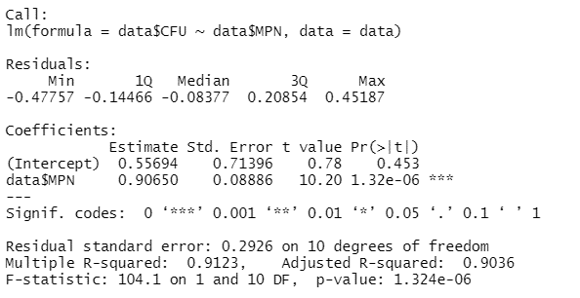
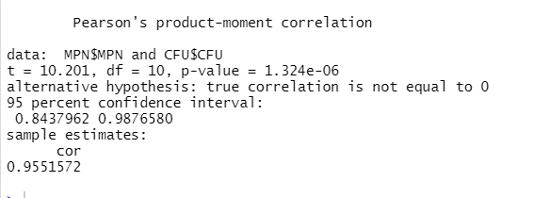
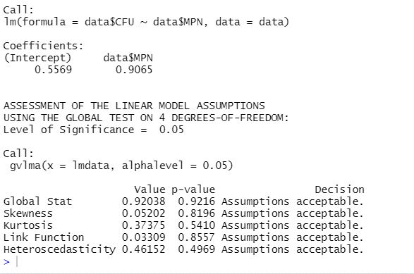
Trial | Concentratio | Mircotiter | CFU | MPN
bio_1 | undiluted A1 | A1 | 9.06 | 9.48
bio_1 | undiluted A2 | A2 | 8.92 | 9.36
bio_1 | undiluted A3 | A3 | 9.02 | 9.14
bio_1 | 10^-1 | B1 | 8.22 | 8.41
bio_1 | 10^-1 | B2 | 8.26 | 7.99
bio_1 | 10^-1 | B3 | 8.26 | 8.14
bio_1 | 10^-2 | C1 | 7.18 | 7.55
bio_1 | 10^-2 | C2 | 7.16 | 7.81
bio_1 | 10^-2 | C3 | 7.35 | 7.61
bio_1 | 10^-3 | D1 | 6.42 | 6.55
bio_1 | 10^-3 | D2 | 6.86 | 6.55
bio_1 | 10^-3 | D3 | 6.77 | 7.14

 |  |  |  |  |  |  |  |  |  | top to bottom
 |  |  |  |  |  |  |  |  |  | undiluted
 |  |  |  |  |  |  |  |  |  | 1.00E-01
 |  |  |  |  |  |  |  |  |  | 1.00E-02
 |  |  |  |  |  |  |  |  |  | 1.00E-03

 | SUMMARY OUTPUT

 | Regression Statistics
 | Multiple R | 0.95515719635
 | R Square | 0.91232526974
 | Adjusted R Square | 0.90355779672
 | Standard Error | 0.2925988613
 | Observations | 12

 | ANOVA
 |  | df | SS | MS | F | Significance F
 | Regression | 1 | 8.9088270752 | 8.9088270752 | 104.05795 | 1.3242684757E-06
 | Residual | 10 | 0.85614093637 | 0.085614093637
Confidence Interval
 | Total | 11 | 9.7649680115

 |  | Coefficients | Standard Error | t Stat | P-value | Lower 95% | Upper 95% | Lower 95.0% | Upper 95.0%
 | Intercept | 0.55694463734 | 0.71395850855 | 0.78007983751 | 0.45341186819 | -1.0338540543 | 2.147743329 | -1.0338540543 | 2.147743329
 | MPN | 0.9064976967 | 0.088864657634 | 10.200879864 | 1.3242684757E-06 | 0.70849490045 | 1.1045004929 | 0.70849490045 | 1.1045004929

Prediction Interval

 | alpha | 0.05 |  | x | y | lower | upper | conf se | pred | lower | upper | pred se
 | n | 12 |  | 5 | 5.0894331208 | 4.4705121698 | 5.7083540718 | 0.27777485699 | 5.0894331208 | 4.1904875676 | 5.9883786741 | 0.40345131653
 | mean(x) | 7.98 |  | 5.25 | 5.316057545 | 4.7440951509 | 5.8880199391 | 0.25669961886 | 5.316057545 | 4.4487738864 | 6.1833412035 | 0.38924129786
 | devsq(x) | 10.84144371 |  | 5.5 | 5.5426819692 | 5.0172112704 | 6.068152668 | 0.23583391059 | 5.5426819692 | 4.7053293436 | 6.3800345947 | 0.37580809867
 | steyx | 0.2925988613 |  | 5.75 | 5.7693063933 | 5.2897247331 | 6.2488880536 | 0.21523867769 | 5.7693063933 | 4.9599618851 | 6.5786509016 | 0.36323791378
 | t-crit | 2.228138852 |  | 6 | 5.9959308175 | 5.5614445453 | 6.4304170897 | 0.19499963919 | 5.9959308175 | 5.2124652568 | 6.7793963783 | 0.35162331112
 |  |  |  | 6.25 | 6.2225552417 | 5.8320956265 | 6.6130148568 | 0.17524025256 | 6.2225552417 | 5.4626219056 | 6.9824885777 | 0.3410619295
 |  |  |  | 6.5 | 6.4491796659 | 6.101272006 | 6.7970873258 | 0.15614271955 | 6.4491796659 | 5.7102076069 | 7.1881517249 | 0.33165440221
 |  |  |  | 6.75 | 6.67580409 | 6.3683607506 | 6.9832474295 | 0.13798212763 | 6.67580409 | 5.9549980335 | 7.3966101466 | 0.32350140832
 |  |  |  | 7 | 6.9024285142 | 6.6324216392 | 7.1724353892 | 0.12118045281 | 6.9024285142 | 6.1967772712 | 7.6080797572 | 0.31669985125
 |  |  |  | 7.25 | 7.1290529384 | 6.8920156912 | 7.3660901856 | 0.10638351688 | 7.1290529384 | 6.4353479429 | 7.8227579338 | 0.31133831486
 |  |  |  | 7.5 | 7.3556773626 | 7.1450349192 | 7.5663198059 | 0.094537395277 | 7.3556773626 | 6.6705421911 | 8.040812534 | 0.30749213444
 |  |  |  | 7.75 | 7.5823017867 | 7.3887702395 | 7.775833334 | 0.086857938439 | 7.5823017867 | 6.9022323609 | 8.2623712126 | 0.30521860216
 |  |  |  | 8 | 7.8089262109 | 7.6206728736 | 7.9971795482 | 0.084489051102 | 7.8089262109 | 7.1303399723 | 8.4875124495 | 0.30455294021
 |  |  |  | 8.25 | 8.0355506351 | 7.8397833838 | 8.2313178863 | 0.087861333728 | 8.0355506351 | 7.3548416071 | 8.7162596631 | 0.30550565887
 |  |  |  | 8.5 | 8.2621750593 | 8.0474404492 | 8.4769096693 | 0.096373980382 | 8.2621750593 | 7.57577072 | 8.9485793985 | 0.30806174338
 |  |  |  | 8.75 | 8.4887994834 | 8.2463170568 | 8.73128191 | 0.10882734099 | 8.4887994834 | 7.7932150591 | 9.1843839078 | 0.31218181206
 |  |  |  | 9 | 8.7154239076 | 8.4390452903 | 8.9918025249 | 0.12404012303 | 8.7154239076 | 8.0073101425 | 9.4235376727 | 0.31780504363
 |  |  |  | 9.25 | 8.9420483318 | 8.6276072539 | 9.2564894096 | 0.14112274805 | 8.9420483318 | 8.2182298769 | 9.6658667866 | 0.32485338794
 |  |  |  | 9.5 | 9.1686727559 | 8.8133392771 | 9.5240062348 | 0.15947546469 | 9.1686727559 | 8.4261757221 | 9.9111697898 | 0.33323642879
 |  |  |  | 9.75 | 9.3952971801 | 8.9971122868 | 9.7934820735 | 0.17870739654 | 9.3952971801 | 8.631365787 | 10.159228573 | 0.34285627778
 |  |  |  | 10 | 9.6219216043 | 9.1794951405 | 10.064348068 | 0.19856323738 | 9.6219216043 | 8.8340249486 | 10.40981826 | 0.35361200895
 |  |  |  | 10.25 | 9.8485460285 | 9.3608660301 | 10.336226027 | 0.21887325288 | 9.8485460285 | 9.0343766696 | 10.662715387 | 0.36540333121
 |  |  |  | 10.5 | 10.075170453 | 9.5414823188 | 10.608858587 | 0.23952193706 | 10.075170453 | 9.2326367807 | 10.917704125 | 0.37813337854
 |  |  |  | 10.75 | 10.301794877 | 9.7215234696 | 10.882066284 | 0.26042874603 | 10.301794877 | 9.4290091814 | 11.174580572 | 0.39171063988
 |  |  |  | 11 | 10.528419301 | 9.9011175983 | 11.155721004 | 0.28153618082 | 10.528419301 | 9.6236832122 | 11.43315539 | 0.40605013822

Regression_mpnadj_bio1
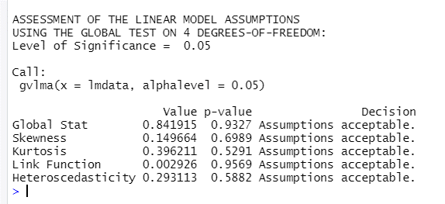
Trial | Concentratio | Mircotiter | CFU | MPN adjusted
bio_1 | undiluted A1 | A1 | 9.06 | 9.44
bio_1 | undiluted A2 | A2 | 8.92 | 9.32
bio_1 | undiluted A3 | A3 | 9.02 | 9.08
bio_1 | 10^-1 | B1 | 8.22 | 8.37
bio_1 | 10^-1 | B2 | 8.26 | 7.90
bio_1 | 10^-1 | B3 | 8.26 | 8.08
bio_1 | 10^-2 | C1 | 7.18 | 7.50
bio_1 | 10^-2 | C2 | 7.16 | 7.73
bio_1 | 10^-2 | C3 | 7.35 | 7.56
bio_1 | 10^-3 | D1 | 6.42 | 6.50
bio_1 | 10^-3 | D2 | 6.86 | 6.51
bio_1 | 10^-3 | D3 | 6.77 | 7.08

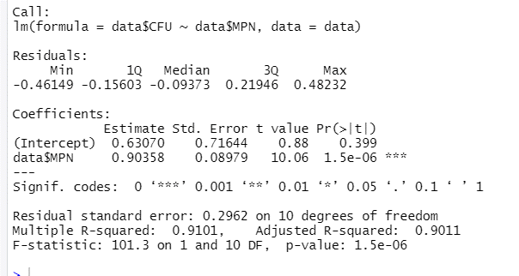

 |  |  |  |  |  |  |  |  |  | top to bottom
 |  |  |  |  |  |  |  |  |  | undiluted
 |  |  |  |  |  |  |  |  |  | 1.00E-01
 |  |  |  |  |  |  |  |  |  | 1.00E-02
 |  |  |  |  |  |  |  |  |  | 1.00E-03

 | SUMMARY OUTPUT

 | Regression Statistics
 | Multiple R | 0.95400540333
 | R Square | 0.91012630958
 | Adjusted R Square | 0.90113894054
 | Standard Error | 0.29624545769
 | Observations | 12

 | ANOVA
 |  | df | SS | MS | F | Significance F
 | Regression | 1 | 8.8873542995 | 8.8873542995 | 101.26726802 | 1.5003686724E-06
Confidence Interval
 | Residual | 10 | 0.87761371203 | 0.087761371203
 | Total | 11 | 9.7649680115

 |  | Coefficients | Standard Error | t Stat | P-value | Lower 95% | Upper 95% | Lower 95.0% | Upper 95.0%
 | Intercept | 0.6306971888 | 0.7164398415 | 0.88032121089 | 0.39934747901 | -0.96563025716 | 2.2270246348 | -0.96563025716 | 2.2270246348
 | log10(MPN/g) | 0.90357549664 | 0.089790398337 | 10.063163917 | 1.5003686724E-06 | 0.70351002157 | 1.1036409717 | 0.70351002157 | 1.1036409717

Prediction Interval

 | alpha | 0.05 |  | x | y | lower | upper | conf se | pred | lower | upper | pred se
 | n | 12 |  | 5 | 5.148574672 | 4.5337168899 | 5.7634324541 | 0.27595128625 | 5.148574672 | 4.2464935024 | 6.0506558416 | 0.40485859702
 | mean(x) | 7.92 |  | 5.25 | 5.3744685462 | 4.8069529859 | 5.9419841064 | 0.25470385734 | 5.3744685462 | 4.5039662455 | 6.2449708468 | 0.39068584073
 | devsq(x) | 10.88538023 |  | 5.5 | 5.6003624203 | 5.0796888139 | 6.1210360267 | 0.23368095122 | 5.6003624203 | 4.759647636 | 6.4410772047 | 0.37731705258
 | steyx | 0.29624545769 |  | 5.75 | 5.8262562945 | 5.3517761876 | 6.3007364014 | 0.21294907474 | 5.8262562945 | 5.0133407293 | 6.6391718597 | 0.36484062224
 | t-crit | 2.228138852 |  | 6 | 6.0521501686 | 5.6230056549 | 6.4812946823 | 0.19260223093 | 6.0521501686 | 5.2648348837 | 6.8394654536 | 0.35335108683
 |  |  |  | 6.25 | 6.2780440428 | 5.8930740054 | 6.6630140802 | 0.17277650228 | 6.2780440428 | 5.5139090587 | 7.0421790269 | 0.34294765044
 |  |  |  | 6.5 | 6.503937917 | 6.1615315501 | 6.8463442838 | 0.15367371139 | 6.503937917 | 5.7603369054 | 7.2475389285 | 0.33373189955
 |  |  |  | 6.75 | 6.7298317911 | 6.4276967472 | 7.031966835 | 0.13559973769 | 6.7298317911 | 6.0038938261 | 7.4557697561 | 0.32580463481
 |  |  |  | 7 | 6.9557256653 | 6.6905232451 | 7.2209280855 | 0.11902418916 | 6.9557256653 | 6.2443659335 | 7.667085397 | 0.31926184991
 |  |  |  | 7.25 | 7.1816195394 | 6.9484193317 | 7.4148197472 | 0.10466143417 | 7.1816195394 | 6.4815604839 | 7.8816785949 | 0.31419004918
 |  |  |  | 7.5 | 7.4075134136 | 7.1991012632 | 7.615925564 | 0.09353642848 | 7.4075134136 | 6.7153169323 | 8.0997098949 | 0.31066128606
 |  |  |  | 7.75 | 7.6334072878 | 7.4397782966 | 7.8270362789 | 0.086901671779 | 7.6334072878 | 6.9455173761 | 8.3212971994 | 0.30872847579
 |  |  |  | 8 | 7.8593011619 | 7.66811533 | 8.0504869938 | 0.085805169526 | 7.8593011619 | 7.1720949581 | 8.5465073658 | 0.30842162428
 |  |  |  | 8.25 | 8.0851950361 | 7.8836630716 | 8.2867270006 | 0.090448566219 | 8.0851950361 | 7.395038911 | 8.7753511612 | 0.30974556387
 |  |  |  | 8.5 | 8.3110889102 | 8.0881953989 | 8.5339824216 | 0.10003573661 | 8.3110889102 | 7.6143953896 | 9.0077824308 | 0.31267958008
 |  |  |  | 8.75 | 8.5369827844 | 8.2844928314 | 8.7894727374 | 0.1133187695 | 8.5369827844 | 7.8302639431 | 9.2437016257 | 0.31717899477
 |  |  |  | 9 | 8.7628766586 | 8.4750848769 | 9.0506684402 | 0.12916240899 | 8.7628766586 | 8.0427902374 | 9.4829630797 | 0.32317843229
 |  |  |  | 9.25 | 8.9887705327 | 8.6618143932 | 9.3157266722 | 0.1467395711 | 8.9887705327 | 8.2521562093 | 9.7253848561 | 0.33059623853
 |  |  |  | 9.5 | 9.2146644069 | 8.8459100184 | 9.5834187953 | 0.16549883689 | 9.2146644069 | 8.45856908 | 9.9707597337 | 0.33933941153
 |  |  |  | 9.75 | 9.440558281 | 9.0281718662 | 9.8529446958 | 0.18508111128 | 9.440558281 | 8.6622505659 | 10.218865996 | 0.34930844386
 |  |  |  | 10 | 9.6664521552 | 9.2091244986 | 10.123779812 | 0.20525096819 | 9.6664521552 | 8.8634272927 | 10.469477018 | 0.36040162478
 |  |  |  | 10.25 | 9.8923460294 | 9.3891185557 | 10.395573503 | 0.2258510385 | 9.8923460294 | 9.0623229968 | 10.722369062 | 0.3725185402
 |  |  |  | 10.5 | 10.118239904 | 9.568394044 | 10.668085763 | 0.24677360615 | 10.118239904 | 9.2591527057 | 10.977327101 | 0.38556268478
 |  |  |  | 10.75 | 10.344133778 | 9.7471192699 | 10.941148285 | 0.26794313435 | 10.344133778 | 9.4541187965 | 11.234148759 | 0.39944323057
 |  |  |  | 11 | 10.570027652 | 9.9254150162 | 11.214640288 | 0.28930541519 | 10.570027652 | 9.6474086653 | 11.492646638 | 0.41407607328

BlandAltman_MPN_bio1
Trial | Concentratio | Mircotiter | CFU | MPN | mean | difference
bio_1 | undiluted A1 | A1 | 9.05977 | 9.48018 | 9.27 | -0.42 |  |  |  | 1.4791083882
bio_1 | undiluted A2 | A2 | 8.91801 | 9.35528 | 9.1366435655 | -0.44 |  |  |  | 2.0417379447
bio_1 | undiluted A3 | A3 | 9.01557 | 9.14229 | 9.078932083 | -0.13 |  |  | Bio_1 | Update colors of plot
bio_1 | 10^-1 | B1 | 8.22112 | 8.40766 | 8.3143873225 | -0.19 |  |  |  |  |  |  |  |  |  |  | Bio_1 | Plot needs to be check for 95% grey CI
 | average vs difference |  | bias |  | lower agreement |  | upper agreement |  | ZERO |  | blacklinetop 95 |  | blackline bottom 95 |  | loweragreement 95 top |  | lower agreement 95 bottom |  | upper agreement 95 top |  | upper agreement 95 bottom
9.2699742625 | -0.42 | 5 | -0.1889980295 | 5 | -0.76527688189 | 5 | 0.38728082289 | 7 | 0 | 5 | 0.13967401569 | 5 | -0.51767007469 | 5 | -0.43660483671 | 5 | -1.0939489271 | 5 | 0.71595286808 | 5 | 0.058608777705
9.1366435655 | -0.44 | 10 | -0.1889980295 | 10 | -0.76527688189 | 10 | 0.38728082289 | 10 |  | 10 | 0.13967401569 | 10 | -0.51767007469 | 10 | -0.43660483671 | 10 | -1.0939489271 | 10 | 0.71595286808 | 10 | 0.058608777705
9.078932083 | -0.13
8.3143873225 | -0.19
8.125027091 | 0.26
8.200432868 | 0.12
7.364718149 | -0.37
7.4817074185 | -0.65
7.483190272 | -0.26
6.4832687725 | -0.13
6.7063673985 | 0.31
6.954961546 | -0.37
 | average vs difference |  | bias |  | lower agreement |  | upper agreement |  | ZERO |  | blacklinetop 95 |  | blackline bottom 95
9.2699742625 | -0.42 | 5 | -0.1889980295 | 5 | -0.76527688189 | 5 | 0.38728082289 | 7 | 0 | 5 | 0.13967401569 | 5 | -0.51767007469
9.1366435655 | -0.44 | 10 | -0.1889980295 | 10 | -0.76527688189 | 10 | 0.38728082289 | 10 |  | 10 | 0.13967401569 | 10 | -0.51767007469
9.078932083 | -0.13
8.3143873225 | -0.19
8.125027091 | 0.26
8.200432868 | 0.12
7.364718149 | -0.37
7.4817074185 | -0.65
7.483190272 | -0.26
6.4832687725 | -0.13
6.7063673985 | 0.31
6.954961546 | -0.37
bio_1 | 10^-1 | B2 | 8.25569 | 7.99436 | 8.125027091 | 0.26
bio_1 | 10^-1 | B3 | 8.25857 | 8.14229 | 8.200432868 | 0.12
bio_1 | 10^-2 | C1 | 7.18015 | 7.54929 | 7.364718149 | -0.37
bio_1 | 10^-2 | C2 | 7.15641 | 7.80701 | 7.4817074185 | -0.65
bio_1 | 10^-2 | C3 | 7.35460 | 7.61178 | 7.483190272 | -0.26
bio_1 | 10^-3 | D1 | 6.41725 | 6.54929 | 6.4832687725 | -0.13
bio_1 | 10^-3 | D2 | 6.86085 | 6.55188 | 6.7063673985 | 0.31
bio_1 | 10^-3 | D3 | 6.76763 | 7.14229 | 6.954961546 | -0.37 | Raw values
 |  |  |  |  | mean difference | -0.19 | 1.5488166189
 |  |  |  |  | standard deviation | 0.29401982265 | 1.9679761127
 |  |  |  |  | lower | -0.76527688189
 |  |  |  |  | upper | 0.38728082289

T Test: One Sample

SUMMARY |  |  | Alpha | 0.05
Count | Mean | Std Dev | Std Err | t | df | Cohen d | Effect r
12 | -0.19 | 0.29401982265 | 0.084876211877 | -2.2267491129 | 11 | 0.64280709986 | 0.55741218315

T TEST |  |  | Hyp Mean | 0
 | p-value | t-crit | lower | upper | sig |  |  |  |  |  |  |  |  | 95% CI around main lines of plot
One Tail | 0.023898787344 | 1.7958848187 |  |  | yes |  |  |  |  |  | Bias line blck |  |  | 95% CI bias | top black line | 95% CI bias | bottom black line
Two Tail | 0.047797574687 | 2.2009851601 | -0.37580931229 | -0.0021867467137 | yes |  |  |  |  |  | x | y |  | x | y | x | y
 |  |  |  |  |  |  |  |  |  |  | 5 | -0.1889980295 |  | 5 | 0.13967401569 | 5 | -0.51767007469
 |  |  |  |  |  |  |  |  |  |  | 10 | -0.1889980295 |  | 10 | 0.13967401569 | 10 | -0.51767007469
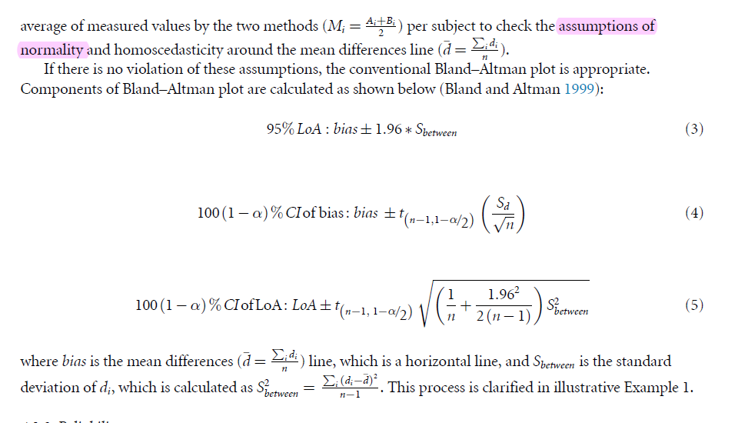
 |  |  |  |  |  |  |  |  |  |  | lower agreement |  |  | 95% CI lower agreement | top lower agreement | 95% CI lower agreement | bottom lower agreement

 |  |  |  |  |  |  | Effect r |  |  |  | x | y |  | x | y | x | y
 |  |  |  |  |  |  | 0.55741218315 |  |  |  | 5 | -0.76527688189 |  | 5 | -0.43660483671 | 5 | -1.0939489271
 |  |  |  |  |  |  |  |  |  |  | 10 | -0.76527688189 |  | 10 | -0.43660483671 | 10 | -1.0939489271

 |  |  |  |  |  |  |  |  |  |  | upper agreement |  |  | 95% CI upper agreement | top upper agreement | 95% CI upper agreement | bottom upper agreement
 |  |  |  |  |  |  |  |  |  |  | x | y |  | x | y | x | y
 |  |  |  |  |  |  |  |  |  |  | 5 | 0.38728082289 |  | 5 | 0.71595286808 | 5 | 0.058608777705
 |  |  |  |  |  |  |  |  |  |  | 10 | 0.38728082289 |  | 10 | 0.71595286808 | 10 | 0.058608777705

 |  |  |  |  |  |  |  |  |  |  |  |  |  | to | from
 |  |  |  |  |  |  |  |  |  |  |  | bias | -0.1889980295 | 0.13967401569 | -0.51767007469
 |  |  |  |  |  |  |  |  |  |  |  | lower red line | -0.76527688189 | -0.43660483671 | -1.0939489271
 |  |  |  |  |  |  |  |  |  |  |  | upper red line | 0.38728082289 | 0.71595286808 | 0.058608777705

 | Calculating 95% confidence interval

 | t critical (alpha 0.05) | 2.2009851601
 | 1/n | 0.083333333333
 | 2(n-1) | 22
 | (two tailed z score for alpha 0.05)^2 | 3.8416
 | S2between | 0.0864
 | division | 0.17461818182
 | summation | 0.25795151515
 | multiplication by variance | 0.022299303875
 | Square root | 0.14932951441
 | t*square root | 0.32867204519

 |  |  | to | from
 | bias | -0.19 | 0.14 | -0.52
 | lower red line | -0.76527688189 | -0.43660483671 | -1.0939489271
 | upper red line | 0.38728082289 | 0.71595286808 | 0.058608777705

 |  | Bland altman R |  |  |  |  |  | Breusch-Pagan

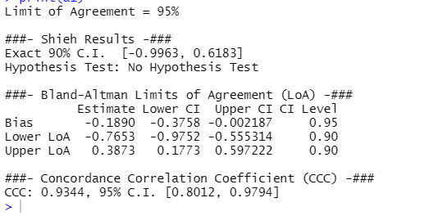
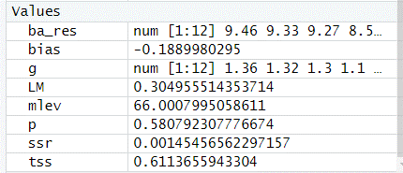

 | Assumptions

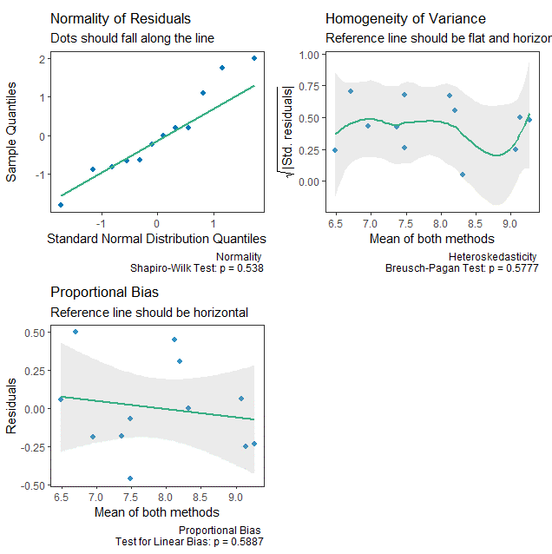

 |  |  |  |  |  |  |  |  | Breusch Pagan by Andrew performed around the bias line

BlandAltman_mpnadjus_bio1
Trial | Concentratio | Mircotiter | CFU | MPNadjusted | mean | difference
bio_1 | undiluted A1 | A1 | 9.05977 | 9.43862 | 9.25 | -0.38 |  |  |  | 1.4791083882
bio_1 | undiluted A2 | A2 | 8.91801 | 9.31755 | 9.1177805025 | -0.40 |  |  |  | 2.0417379447
bio_1 | undiluted A3 | A3 | 9.01557 | 9.07734 | 9.046455152 | -0.06 |  |  | Bio_1 | Update colors of plot
bio_1 | 10^-1 | B1 | 8.22112 | 8.36786 | 8.294489089 | -0.15 |  |  |  |  |  |  |  |  |  |  | Bio_1 | Plot needs to be check for 95% grey CI
 | average vs difference |  | bias |  | lower agreement |  | upper agreement |  | ZERO |  | blacklinetop 95 |  | blackline bottom 95 |  | loweragreement 95 top |  | lower agreement 95 bottom |  | upper agreement 95 top |  | upper agreement 95 bottom
9.2491939255 | -0.38 | 5 | -0.13317555058 | 5 | -0.71784676322 | 5 | 0.45149566205 | 7 | 0 | 5 | 0.2043968505 | 5 | -0.47074795167 | 5 | -0.38027436213 | 5 | -1.0554191643 | 5 | 0.78906806314 | 5 | 0.11392326097
9.1177805025 | -0.40 | 10 | -0.13317555058 | 10 | -0.71784676322 | 10 | 0.45149566205 | 10 |  | 10 | 0.2043968505 | 10 | -0.47074795167 | 10 | -0.38027436213 | 10 | -1.0554191643 | 10 | 0.78906806314 | 10 | 0.11392326097
9.046455152 | -0.06
8.294489089 | -0.15
8.08029634 | 0.35
8.167955937 | 0.18
7.3408183535 | -0.32
7.444620483 | -0.58
7.457872949 | -0.21
6.459368977 | -0.08
6.683339552 | 0.36
6.922484615 | -0.31
 | average vs difference |  | bias |  | lower agreement |  | upper agreement |  | ZERO |  | blacklinetop 95 |  | blackline bottom 95
9.2491939255 | -0.38 | 5 | -0.13317555058 | 5 | -0.71784676322 | 5 | 0.45149566205 | 7 | 0 | 5 | 0.2043968505 | 5 | -0.47074795167
9.1177805025 | -0.40 | 10 | -0.13317555058 | 10 | -0.71784676322 | 10 | 0.45149566205 | 10 |  | 10 | 0.2043968505 | 10 | -0.47074795167
9.046455152 | -0.06
8.294489089 | -0.15
8.08029634 | 0.35
8.167955937 | 0.18
7.3408183535 | -0.32
7.444620483 | -0.58
7.457872949 | -0.21
6.459368977 | -0.08
6.683339552 | 0.36
6.922484615 | -0.31
bio_1 | 10^-1 | B2 | 8.25569 | 7.90490 | 8.08029634 | 0.35
bio_1 | 10^-1 | B3 | 8.25857 | 8.07734 | 8.167955937 | 0.18
bio_1 | 10^-2 | C1 | 7.18015 | 7.50149 | 7.3408183535 | -0.32
bio_1 | 10^-2 | C2 | 7.15641 | 7.73283 | 7.444620483 | -0.58
bio_1 | 10^-2 | C3 | 7.35460 | 7.56115 | 7.457872949 | -0.21
bio_1 | 10^-3 | D1 | 6.41725 | 6.50149 | 6.459368977 | -0.08
bio_1 | 10^-3 | D2 | 6.86085 | 6.50583 | 6.683339552 | 0.36
bio_1 | 10^-3 | D3 | 6.76763 | 7.07734 | 6.922484615 | -0.31 | Raw values
 |  |  |  |  | mean difference | -0.13 | 1.3489628826
 |  |  |  |  | standard deviation | 0.2983016391 | 1.9874748381
 |  |  |  |  | lower | -0.71784676322
 |  |  |  |  | upper | 0.45149566205

T Test: One Sample

SUMMARY |  |  | Alpha | 0.05
Count | Mean | Std Dev | Std Err | t | df | Cohen d | Effect r
11 | -0.13 | 0.2983016391 | 0.089941328295 | -1.4806936156 | 10 | 0.44644592294 | 0.42405251994

T TEST |  |  | Hyp Mean | 0
 | p-value | t-crit | lower | upper | sig |  |  |  |  |  |  |  |  | 95% CI around main lines of plot
One Tail | 0.084746343653 | 1.8124611228 |  |  | no |  |  |  |  |  | Bias line blck |  |  | 95% CI bias | top black line | 95% CI bias | bottom black line
Two Tail | 0.16949268731 | 2.228138852 | -0.33357731856 | 0.06722621739 | no |  |  |  |  |  | x | y |  | x | y | x | y
 |  |  |  |  |  |  |  |  |  |  | 5 | -0.13317555058 |  | 5 | 0.2043968505 | 5 | -0.47074795167
 |  |  |  |  |  |  |  |  |  |  | 10 | -0.13317555058 |  | 10 | 0.2043968505 | 10 | -0.47074795167

 |  |  |  |  |  |  |  |  |  |  | lower agreement |  |  | 95% CI lower agreement | top lower agreement | 95% CI lower agreement | bottom lower agreement

 |  |  |  |  |  |  | Effect r |  |  |  | x | y |  | x | y | x | y
 |  |  |  |  |  |  | 0.42405251994 |  |  |  | 5 | -0.71784676322 |  | 5 | -0.38027436213 | 5 | -1.0554191643
 |  |  |  |  |  |  |  |  |  |  | 10 | -0.71784676322 |  | 10 | -0.38027436213 | 10 | -1.0554191643

 |  |  |  |  |  |  |  |  |  |  | upper agreement |  |  | 95% CI upper agreement | top upper agreement | 95% CI upper agreement | bottom upper agreement
 |  |  |  |  |  |  |  |  |  |  | x | y |  | x | y | x | y
 |  |  |  |  |  |  |  |  |  |  | 5 | 0.45149566205 |  | 5 | 0.78906806314 | 5 | 0.11392326097
 |  |  |  |  |  |  |  |  |  |  | 10 | 0.45149566205 |  | 10 | 0.78906806314 | 10 | 0.11392326097

 |  |  |  |  |  |  |  |  |  |  |  |  |  | to | from
 |  |  |  |  |  |  |  |  |  |  |  | bias | -0.13317555058 | 0.2043968505 | -0.47074795167
 |  |  |  |  |  |  |  |  |  |  |  | lower red line | -0.71784676322 | -0.38027436213 | -1.0554191643
 |  |  |  |  |  |  |  |  |  |  |  | upper red line | 0.45149566205 | 0.78906806314 | 0.11392326097

 | Calculating 95% confidence interval

 | t critical (alpha 0.05) | 2.228138852
 | 1/n | 0.083333333333
 | 2(n-1) | 22
 | (two tailed z score for alpha 0.05)^2 | 3.8416
 | S2between | 0.0890
 | division | 0.17461818182
 | summation | 0.25795151515
 | multiplication by variance | 0.022953523546
 | Square root | 0.15150420306
 | t*square root | 0.33757240109

 |  |  | to | from
 | bias | -0.13 | 0.2043968505 | -0.47074795167
 | lower red line | -0.71784676322 | -0.38027436213 | -1.0554191643
 | upper red line | 0.45149566205 | 0.78906806314 | 0.11392326097

 |  | Bland altman R |  |  |  |  |  | Breusch-Pagan

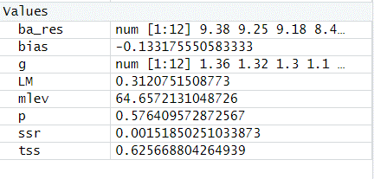
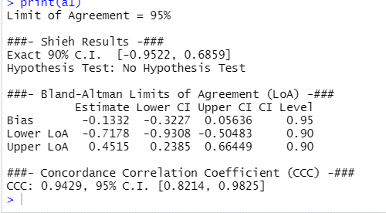

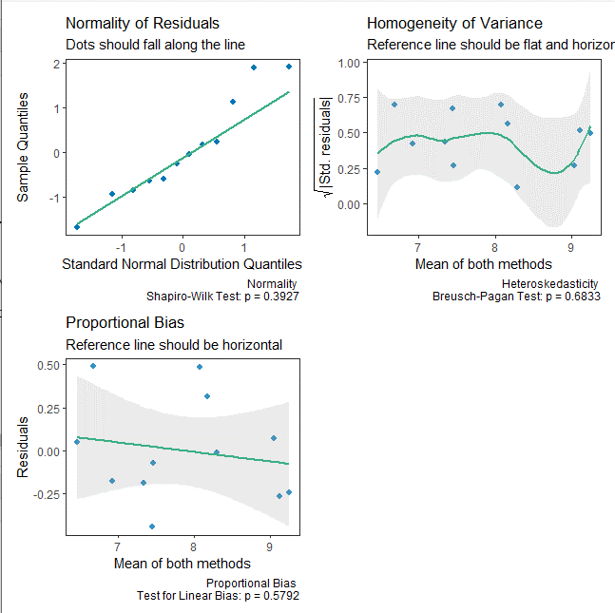

 |  |  |  |  |  |  |  |  | Breusch Pagan by Andrew performed around the bias line

Fishertest_bio1 _mpnadjus
Trial | Concentratio | Mircotiter | CFU | MPNadjusted
bio_1 | undiluted A1 | A1 | 9.06 | 9.44
bio_1 | undiluted A2 | A2 | 8.92 | 9.32
bio_1 | undiluted A3 | A3 | 9.02 | 9.08
bio_1 | 10^-1 | B1 | 8.22 | 8.37
bio_1 | 10^-1 | B2 | 8.26 | 7.90
bio_1 | 10^-1 | B3 | 8.26 | 8.08
bio_1 | 10^-2 | C1 | 7.18 | 7.50
bio_1 | 10^-2 | C2 | 7.16 | 7.73
bio_1 | 10^-2 | C3 | 7.35 | 7.56
bio_1 | 10^-3 | D1 | 6.42 | 6.50
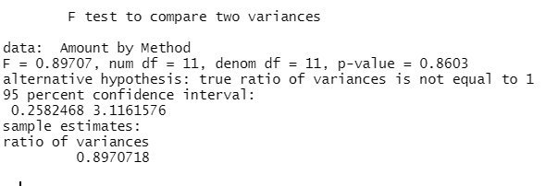
bio_1 | 10^-3 | D2 | 6.86 | 6.51
bio_1 | 10^-3 | D3 | 6.77 | 7.08

 |  | F-Test Two-Sample for Variances

 |  |  | MPNadjusted | CFU | 1.1147402098
 |  | Mean | 7.9219774316 | 7.7888018809
 |  | Variance | 0.98958002089 | 0.88772436468
 |  | Observations | 12 | 12
 |  | df | 11 | 11
 |  | F | 1.1147379302
 |  | P(F<=f) one-tail | 0.43013108247
 |  | F Critical one-tail | 2.81793047

