MPN_trim_norarity_oneway
 |  | To assess if a community’s suppressive activity was independent of the method (MPN-RFU microplate assay vs spotting on agar) being used, we compared the mean of every community to the mean of the control (rfp-Rs5).

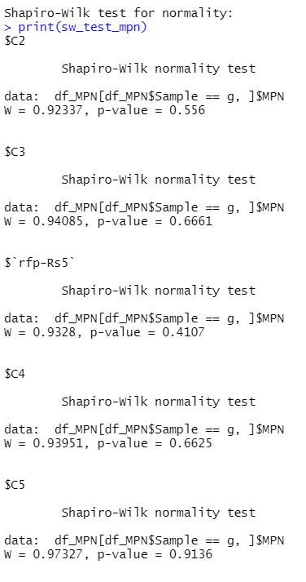
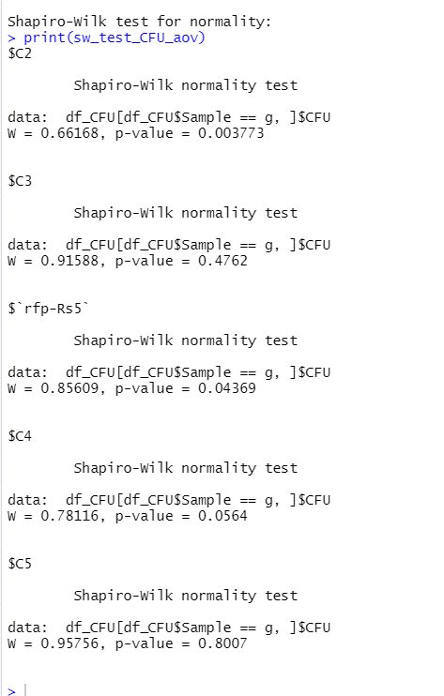
Sample | CFU | MPN | Arithmetic mean (CFU) | Arithmetic mean (MPN) | Log difference between methods | untranformed fold change
C2 | 7.8010060921 | 8.2341440283 | 7.9322348922 | 8.2922923034 | -0.36005741125 | 0.43645813115
C2 | 8.3420769004 | 8.8919314342 | 85552930.868 | 196016352.46 |  |  | CFU
C2 | 7.803614538 | 8.2341440283 |  |  |  |  |  | Control | Raw | percentage decrease
C2 | 7.7822420381 | 7.8089497229 |  |  |  |  | C2 | 0.90926076763 | 8.1144813724 | 87.676353496
C3 | 7.821876807 | 8.3572198219 |  |  |  |  | C3 | 1.0557750042 | 11.370380657 | 91.205219683
C3 | 8.0190586455 | 8.7643612977 |  |  |  |  | C4 | 0.1958953131 | 1.5699843132 | 36.305096071
C3 | 7.4844653215 | 7.9454995546 | Arithmetic mean (CFU) | Arithmetic mean (MPN) | Log difference between methods |  | C5 | 1.0712602153 | 11.783117685 | 91.513281741
C3 | 7.5762906186 | 8.4334393088 | 7.7857206556 | 8.3337496341 | 0.54802897856 | 3.5320673694
C3 | 7.9590972294 | 8.0198583148 | 61054918.462 | 215650085.24
C3 | 7.8535353114 | 8.4821195072 |  |  |  |  | MPN
C4 | 8.3688831301 | 8.9943636816 |  |  |  |  |  | Control | Raw | percentage decrease
C4 | 8.6479740309 | 8.9943636816 |  |  |  |  | C2 | 1.1193084293 | 13.161592166 | 92.402135035
C4 | 8.7286939638 | 8.7538143387 | Arithmetic mean (CFU) | Arithmetic mean (MPN) | Log difference between methods |  | C3 | 1.0778510986 | 11.963302894 | 91.641104393
C4 | 8.7160140251 | 9.2003075859 | 8.6456003467 | 9.0434165169 | 0.39781617019 | 2.49928723 | C4 | 0.36818421585 | 2.3344480613 | 57.163321962
C4 | 8.7664365836 | 9.2742332966 | 442181274.07 | 1105138011.6 |  |  | C5 | 0.84593647519 | 7.0135270316 | 85.741838657
C5 | 8.0678531344 | 8.8879477487
C5 | 7.7497722979 | 8.232200873
C5 | 7.547630699 | 8.4076560741
C5 | 7.4915420585 | 8.5518813536 | Arithmetic mean (CFU) | Arithmetic mean (MPN) | Log difference between methods
C5 | 7.9397390855 | 8.7624181424 | 7.7702354445 | 8.5656642575 | 0.79542881301 | 6.2435100196
C5 | 7.8248753918 | 8.5518813536 | 58916297.235 | 367844492.11
rfp-Rs5 | 9.0296265705 | 9.0731302545
rfp-Rs5 | 8.5882150418 | 9.4095992294
rfp-Rs5 | 9.0099672838 | 9.8089497229
rfp-Rs5 | 8.7802901232 | 9.4821195072 | Arithmetic mean (CFU) | Arithmetic mean (MPN) | Log difference between methods
rfp-Rs5 | 9.0422706215 | 9.4290575632 | 8.8414956598 | 9.4116007327 | 0.57010507294 | 3.7162512898
rfp-Rs5 | 9.0975947389 | 9.3572198219 | 694217663.89 | 2579887288.8
rfp-Rs5 | 9.0218969275 | 9.6182101647
rfp-Rs5 | 8.2214300806 | 9.8070065677
rfp-Rs5 | 8.7066711173 | 9.386052765
rfp-Rs5 | 8.9129511744 | 9.0179151595
rfp-Rs5 | 8.9361084293 | 9.1422919627
rfp-Rs5 | 8.7509258086 | 9.4076560741

 |  |  |  |  |  |  |  |  |  |  |  |  |  |  |  |  |  |  | MPN Tukey test
 |  |  |  |  |  |  |  |  |  |  | CFU Tukey test

 |  |  |  |  |  |  |  |  |  |  |  | diff | lwr | upr | p adj |  |  |  |  | diff | lwr | upr | p adj
 |  |  |  |  |  |  |  |  |  |  | C3-C2 | -0.1465142365 | -0.58111380051 | 0.28808532751 | 0.86098675456 |  |  |  | C3-C2 | 0.041457331083 | -0.48817995607 | 0.57109461823 | 0.99936131473
 |  |  |  |  |  |  |  |  |  |  | C4-C2 | 0.7133654548 | 0.26171633931 | 1.1650145703 | 0.000729380163 |  |  |  | C4-C2 | 0.75112421395 | 0.2007089994 | 1.3015394285 | 0.0037857411575 | * | ** | ***
 |  |  |  |  |  |  |  |  |  |  | C5-C2 | -0.1619994475 | -0.59659901151 | 0.27260011651 | 0.81212630009 |  |  |  | C5-C2 | 0.27337195442 | -0.25626533273 | 0.80300924157 | 0.56863495609 | 0.05 | 0.01 | 0.001
 |  |  |  |  |  |  |  |  |  |  | rfp-Rs5-C2 | 0.90926076783 | 0.52054310059 | 1.2979784351 | 1.9979389809E-06 |  |  |  | rfp-Rs5-C2 | 1.1193084295 | 0.64558643851 | 1.5930304205 | 1.6706427224E-06 | TRUE | TRUE | TRUE
 |  |  |  |  |  |  |  |  |  |  | C4-C3 | 0.8598796913 | 0.45218916245 | 1.2675702201 | 1.1631594453E-05 |  |  |  | C4-C3 | 0.70966688287 | 0.21282306714 | 1.2065106986 | 0.0023368077505
 |  |  |  |  |  |  |  |  |  |  | C5-C3 | -0.015485211 | -0.40420287825 | 0.37323245625 | 0.99995626615 |  |  |  | C5-C3 | 0.23191462333 | -0.24180736766 | 0.70563661433 | 0.61650408845
 |  |  |  |  |  |  |  |  |  |  | rfp-Rs5-C3 | 1.0557750043 | 0.7191356296 | 1.3924143791 | 6.5744317768E-09 |  |  |  | rfp-Rs5-C3 | 1.0778510984 | 0.66759581989 | 1.4881063769 | 2.3443996944E-07 | TRUE | TRUE | TRUE
 |  |  |  |  |  |  |  |  |  |  | C5-C4 | -0.8753649023 | -1.2830554311 | -0.46767437345 | 8.6726551412E-06 |  |  |  | C5-C4 | -0.47775225953 | -0.97459607526 | 0.019091556193 | 0.063904258521
 |  |  |  |  |  |  |  |  |  |  | rfp-Rs5-C4 | 0.19589531303 | -0.16248466842 | 0.55427529448 | 0.51419373386 |  |  |  | rfp-Rs5-C4 | 0.36818421555 | -0.068565880086 | 0.80493431119 | 0.13011148383 | FALSE | FALSE | FALSE
 |  |  |  |  |  |  |  |  |  |  | rfp-Rs5-C5 | 1.0712602153 | 0.7346208406 | 1.4078995901 | 4.8265552666E-09 |  |  |  | rfp-Rs5-C5 | 0.84593647508 | 0.43568119655 | 1.2561917536 | 1.6768485304E-05 | TRUE | TRUE | TRUE

 |  |  |  |  |  |  |  |  |  |  | CFU
 |  |  |  |  |  |  |  |  |  |  | Dunn's Test multiple comparison

 |  |  |  |  |  |  |  |  |  |  | Comparison | Z | P.unadj | P.adj
 |  |  |  |  |  |  |  |  |  |  | C2 - C3 | 0.13351146746 | 0.89378889574 | 1
 |  |  |  |  |  |  |  |  |  |  | C2 - C4 | -1.8654057366 | 0.062124553883 | 0.62124553883
 |  |  |  |  |  |  |  |  |  |  | C3 - C4 | -2.2088638631 | 0.027184111384 | 0.27184111384
 |  |  |  |  |  |  |  |  |  |  | C2 - C5 | 0.26702293492 | 0.78945150251 | 1
 |  |  |  |  |  |  |  |  |  |  | C3 - C5 | 0.14927035851 | 0.88134030369 | 1 |  | * | ** | ***
 |  |  |  |  |  |  |  |  |  |  | C4 - C5 | 2.3511875656 | 0.018713598003 | 0.18713598003 |  | 0.05 | 0.01 | 0.001
 |  |  |  |  |  |  |  |  |  |  | C2 - rfp-Rs5 | -3.0152612418 | 0.0025675799998 | 0.025675799998 |  | TRUE | FALSE | FALSE
 |  |  |  |  |  |  |  |  |  |  | C3 - rfp-Rs5 | -3.6540863426 | 0.00025809940868 | 0.0025809940868 |  | TRUE | TRUE | FALSE
 |  |  |  |  |  |  |  |  |  |  | C4 - rfp-Rs5 | -0.91962855675 | 0.35776689846 | 1 |  | FALSE | FALSE | FALSE
 |  |  |  |  |  |  |  |  |  |  | C5 - rfp-Rs5 | -3.826448906 | 0.00013000511827 | 0.0013000511827 |  | TRUE | TRUE | FALSE

 |  |  |  |  |  |  |  |  |  |  | Because CFU had C2 and control not be normal, we ran the non-paramteric test kruskal wallis, followd by Dunn's test for multiple comparisons

