DunnettTest
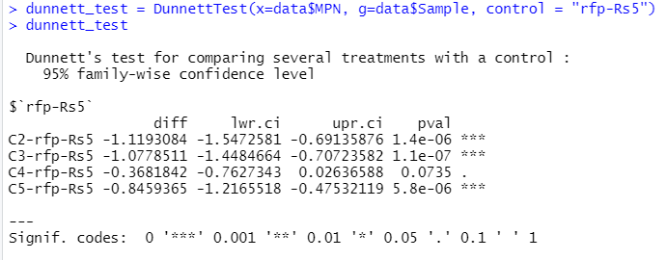
Dunnett's Test results
For each method, community data were compared againts their corresponding controls

