Read Me
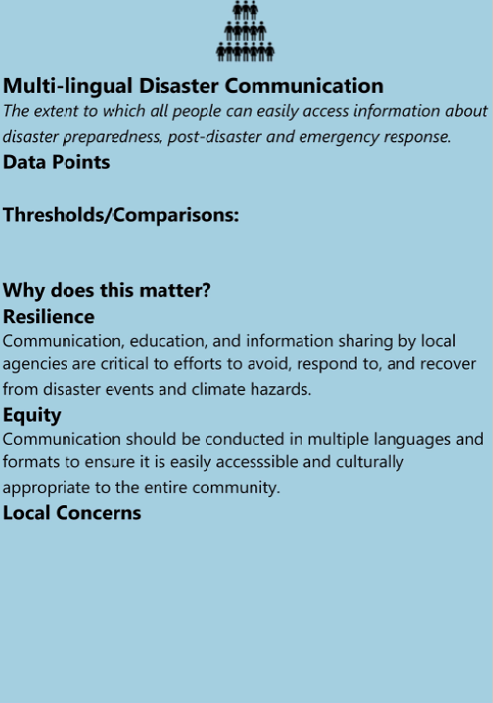
Welcome to the Indicator List!
 | Example Indicator Card
Overview
* Resilience indicators can help practitioners and policy makers understand costs and benefits of enhancing resilience at all scales. For more information about what indicators are and how they are used in this tool, refer to the "Resilience Indicators Background" section of the Resources button.
* The "Indicator Menu" tab provides a list of resilience indicators that can be used to create Indicator Cards for the Indicator Sorting Activity during the Assess Resilience Workshop. Three categories of indicators are provided corresponding to the resilience of the Social Environment (blue), the Built Environment (orange), and the Natural Environment (green).

How to use this spreadsheet
* This spreadsheet serves as a repository to organize and store data that you collect about each indicator. Changes to this spreadsheet will be saved in the ERB tool.
* Columns A, B, C, D and E provide information about the indicator, which will appear on each Indicator Card.
* Read each indicator and decide which you will select for your project (Column F). Describe the local concern or why you selected this indicator in Column G.
* If you would like to add additional indicators of your own, insert a new row by clicking "Insert Sheet Rows" under the Home menu.
* Columns H - M provide instructions for data collection.
* Columns N and O provide space for entering your data, which will appear on each Indicator Card.
* When you are finished using the Indicator List, click Save and exit the file.

Indicator Cards:
* Use the data in this spreadsheet to make indicator cards:
Printed cards: Open the Indicator Center in the ERB tool and select Option 1 towards the bottom of the page. Follow the instructions to create PDF cards for each indicator. PDFs can then be printed and used for the in-person version of the Indicator Activity with workshop participants.
Online cards: Open the Indicator Center in the ERB tool and select Option 2 towards the bottom of the page. Follow the instructions to create digital cards for each indicator. These cards will be saved in the tool for use in the online version of the Indicator Activity with workshop participants.

