default_1
DTXSID | CASRN | preferred_name | CAN_SMILES | Toxic hazard classification by Cramer | TTC (ug/kg bw/day)
DTXSID0020284 | 61702-44-1 | 2-Chloro-1,4-diaminobenzene sulfate | 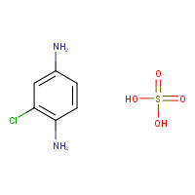 | High (Class III) | 1.5
DTXSID0040127 | 141-86-6 | 2,6-Diaminopyridine | 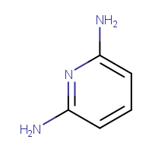 | High (Class III) | 1.5
DTXSID1025302 | 5466-77-3 | Octinoxate | 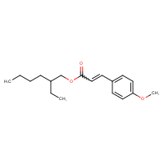 | High (Class III) | 1.5
DTXSID1036541 | 145-13-1 | Pregnenolone | 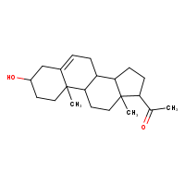 | High (Class III) | exclusion (steroid)
DTXSID1040245 | 56038-13-2 | Sucralose | 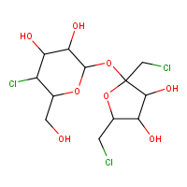 | High (Class III) | 1.5
DTXSID3022403 | 131-53-3 | 2,2'-Dihydroxy-4-methoxybenzophenone | 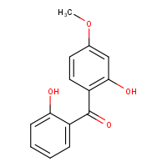 | High (Class III) | 1.5
DTXSID5037731 | 3236-71-3 | 4,4'-(9H-Fluorene-9,9-diyl)diphenol | 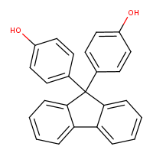 | High (Class III) | 1.5
DTXSID6020062 | 99-57-0 | 2-Amino-4-nitrophenol | 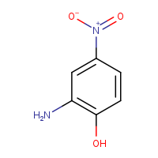 | High (Class III) | 1.5
DTXSID6024838 | 6358-53-8 | C.I. Solvent Red 80 | 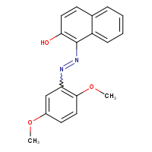 | High (Class III) | 1.5
DTXSID6042521 | 148-01-6 | Zoalene | 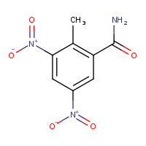 | High (Class III) | 1.5
DTXSID7023300 | 83-43-2 | Methylprednisolone | 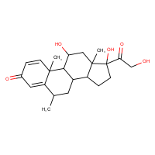 | High (Class III) | exclusion (steroid)
DTXSID7023938 | 85-70-1 | Butylphthalyl butylglycolate | 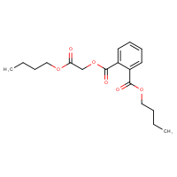 | Low (Class I) | 30
DTXSID7040734 | 118-60-5 | 2-Ethylhexyl salicylate | 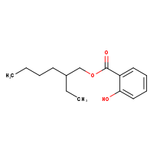 | Low (Class I) | 30
DTXSID8037750 | 65405-77-8 | (3Z)-Hex-3-en-1-yl salicylate | 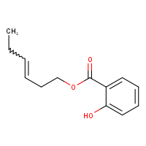 | Low (Class I) | 30
DTXSID9020241 | 404-86-4 | Capsaicin | 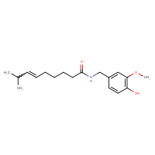 | High (Class III) | 1.5
DTXSID9022445 | 620-92-8 | Bis(4-hydroxyphenyl)methane | 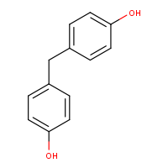 | High (Class III) | 1.5
DTXSID3024368 | 112-50-5 | 2-[2-(2-Ethoxyethoxy)ethoxy]ethanol | 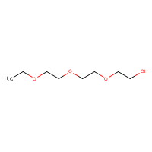 | Low (Class I) | 30
DTXSID3026697 | 103-24-2 | Bis(2-ethylhexyl) nonanedioate | 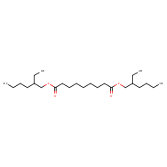 | Low (Class I) | 30
DTXSID4034287 | 104-67-6 | 5-Heptyldihydro-2(3H)-furanone | 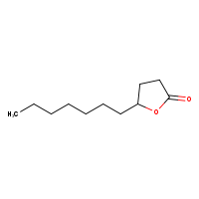 | Low (Class I) | 30
DTXSID5026889 | 111-82-0 | Methyl dodecanoate | 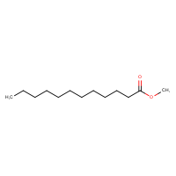 | Low (Class I) | 30
DTXSID6025567 | 134-20-3 | Methyl 2-aminobenzoate | 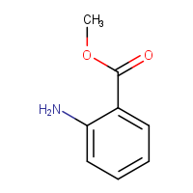 | High (Class III) | 1.5
DTXSID7020348 | 91-64-5 | Coumarin | 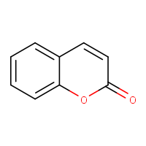 | High (Class III) | 1.5
DTXSID7027047 | 127-51-5 | alpha-Isomethylionone | 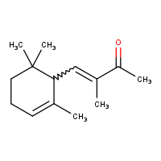 | Low (Class I) | 30
DTXSID9020617 | 97-53-0 | Eugenol | 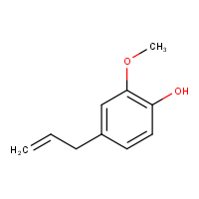 | Low (Class I) | 30
DTXSID0041270 | 58430-94-7 | 3,5,5-Trimethylhexyl acetate | 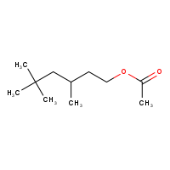 | Low (Class I) | 30
DTXSID0044494 | 102-20-5 | 2-Phenylethyl phenylacetate | 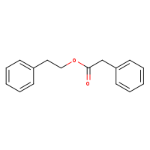 | Low (Class I) | 30
DTXSID0044608 | 17865-07-5 | Propylsilanetriyl triacetate | 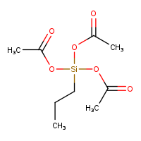 | High (Class III) | exclusion (organo-silicon)
DTXSID0044997 | 88-27-7 | 2,6-Di-tert-butyl-4-[(dimethylamino)methyl]phenol | 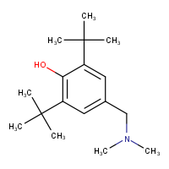 | High (Class III) | 1.5
DTXSID0047113 | 6790-58-5 | (-)-Ambroxide | 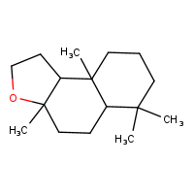 | High (Class III) | 1.5
DTXSID1020142 | 91-76-9 | 6-Phenyl-1,3,5-triazine-2,4-diamine | 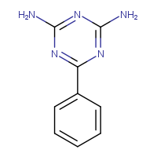 | High (Class III) | 1.5
DTXSID1044352 | 101-41-7 | Methyl phenylacetate | 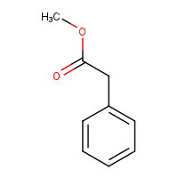 | Low (Class I) | 30
DTXSID1044354 | 102-79-4 | N-Butyldiethanolamine | 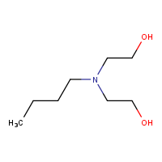 | Low (Class I) | 30
DTXSID1044934 | 3923-79-3 | 4,5-Dihydroxy-1,3-dimethylimidazolidin-2-one | 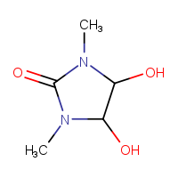 | High (Class III) | 1.5
DTXSID2024666 | 110-63-4 | 1,4-Butanediol | 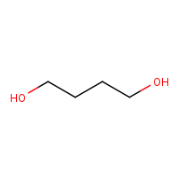 | Low (Class I) | 30
DTXSID2025050 | 111-40-0 | Diethylenetriamine | 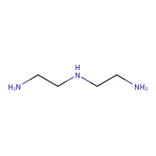 | High (Class III) | 1.5
DTXSID2025892 | 90-30-2 | N-Phenyl-1-naphthylamine | 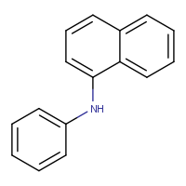 | High (Class III) | 1.5
DTXSID2047725 | 90-17-5 | 2,2,2-Trichloro-1-phenylethyl acetate | 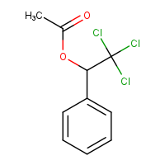 | High (Class III) | 1.5
DTXSID3027792 | 17689-77-9 | Ethyltriacetoxysilane | 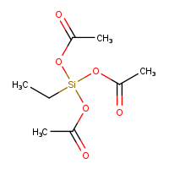 | High (Class III) | exclusion (organo-silicon)
DTXSID4038924 | 6259-76-3 | Hexyl salicylate | 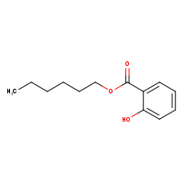 | Low (Class I) | 30
DTXSID4044400 | 1643-19-2 | Tetrabutylammonium bromide | 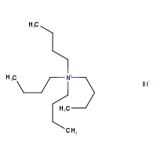 | High (Class III) | 1.5
DTXSID4044791 | 122-63-4 | Benzyl propanoate | 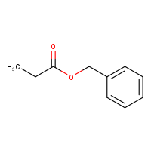 | Low (Class I) | 30
DTXSID5021251 | 81-07-2 | Saccharin | 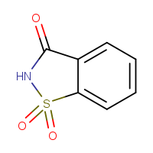 | High (Class III) | 1.5
DTXSID5026706 | 104-66-5 | 1,2-Diphenoxyethane | 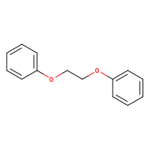 | High (Class III) | 1.5
DTXSID5040700 | 2996-92-1 | Trimethoxyphenylsilane | 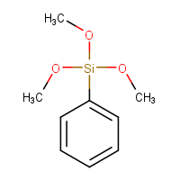 | High (Class III) | exclusion (organo-silicon)
DTXSID6041424 | 13254-34-7 | 2,6-Dimethyl-2-heptanol | 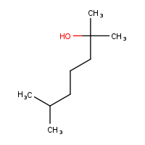 | High (Class III) | 1.5
DTXSID6042490 | 2031-67-6 | Triethoxymethylsilane | 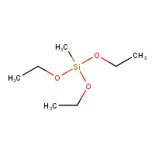 | High (Class III) | exclusion (organo-silicon)
DTXSID7021607 | 142-62-1 | Hexanoic acid | 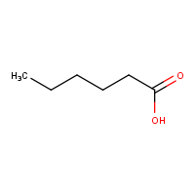 | Low (Class I) | 30
DTXSID7042011 | 97-78-9 | N-Dodecanoyl-N-methylglycine | 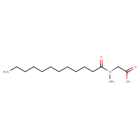 | High (Class III) | 1.5
DTXSID7044427 | 4394-85-8 | 4-Morpholinecarboxaldehyde | 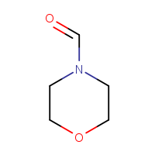 | High (Class III) | 1.5
DTXSID7044764 | 103-48-0 | 2-Phenylethyl 2-methylpropanoate | 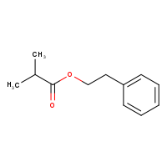 | High (Class III);Intermediate (Class II) | 1.5
DTXSID7047198 | 39255-32-8 | Ethyl 2-methylpentanoate |  | Low (Class I) | 30
DTXSID8044755 | 2705-87-5 | Prop-2-en-1-yl 3-cyclohexylpropanoate |  | Intermediate (Class II) | 9
DTXSID8044961 | 59719-67-4 | Bis{2-[2-(propan-2-yl)-1,3-oxazolidin-3-yl]ethyl} hexane-1,6-diylbiscarbamate |  | High (Class III) | 1.5
DTXSID8052148 | 5124-25-4 | C.I.Disperse Yellow 42 |  | High (Class III) | 1.5
DTXSID9042170 | 6425-39-4 | 4,4'-(Oxydiethylene)bis(morpholine) |  | High (Class III) | 1.5
DTXSID9042382 | 682-01-9 | Tetrapropyl orthosilicate |  | High (Class III) | exclusion (organo-silicon)
DTXSID9044374 | 122-00-9 | p-Methylacetophenone |  | Low (Class I) | 30
DTXSID9044532 | 130-20-1 | D&C Blue No. 9 |  | High (Class III) | 1.5
DTXSID9044821 | 5232-99-5 | Ethyl 2-cyano-3,3-diphenylacrylate |  | High (Class III) | 1.5
DTXSID9047201 | 20665-85-4 | Vanillin isobutyrate |  | Low (Class I) | 30
DTXSID1039719 | 10124-37-5 | Calcium nitrate |  | High (Class III) | 1.5
DTXSID4020290 | 50892-23-4 | Pirinixic acid |  | High (Class III) | 1.5
DTXSID7020215 | 25013-16-5 | Butylated hydroxyanisole |  | Low (Class I) | 30
DTXSID7027837 | 24800-44-0 | Tripropylene glycol |  | High (Class III) | 1.5
DTXSID7040788 | 121-00-6 | 2-tert-Butyl-4-methoxyphenol |  | Low (Class I) | 30
DTXSID8027036 | 126-30-7 | 2,2-Dimethylpropane-1,3-diol |  | Low (Class I) | 30
DTXSID0022436 | 126-00-1 | Diphenolic acid |  | High (Class III) | 1.5
DTXSID0040707 | 33228-44-3 | 4-Pentylaniline |  | High (Class III) | 1.5
DTXSID1046970 | 105624-86-0 | 5HPP-33 |  | High (Class III) | 1.5
DTXSID1047285 | 527680-56-4 | PHA-00568487 |  | High (Class III) | 1.5
DTXSID5022439 | 81-90-3 | Phenolphthalin |  | High (Class III) | 1.5
DTXSID5038888 | 2390-60-5 | Basic Blue 7 |  | High (Class III) | 1.5
DTXSID5044520 | 1176-74-5 | Tetrabromophenolphthalein ethyl ester |  | High (Class III) | 1.5
DTXSID7041097 | 85532-75-8 | PK 11195 |  | High (Class III) | 1.5
DTXSID7046627 | 147536-97-8 | Bosentan |  | High (Class III) | 1.5
DTXSID8022325 | 2971-36-0 | 2,2-Bis(4-hydroxyphenyl)-1,1,1-trichloroethane |  | High (Class III) | 1.5
DTXSID8026303 | 125-31-5 | p-Xylenol blue |  | High (Class III) | 1.5
DTXSID8044836 | 1470-79-7 | 2,4,4'-Trihydroxybenzophenone |  | High (Class III) | 1.5
DTXSID9034361 | 90823-38-4 | Denatonium saccharide |  | High (Class III) | 1.5
DTXSID9040001 | 4376-18-5 | Monomethyl phthalate |  | Low (Class I) | 30
DTXSID9048510 | 460081-99-6 | PharmaGSID_48510 |  | High (Class III) | 1.5
DTXSID0020523 | 51-28-5 | 2,4-Dinitrophenol |  | High (Class III) | 1.5
DTXSID0021256 | 599-79-1 | Sulfasalazine |  | High (Class III) | 1.5
DTXSID0021337 | 148-79-8 | Thiabendazole |  | High (Class III) | 1.5
DTXSID0023901 | 25057-89-0 | Bentazone |  | High (Class III) | 1.5
DTXSID0023951 | 5234-68-4 | Carboxin |  | High (Class III) | 1.5
DTXSID0024216 | 1929-82-4 | Nitrapyrin |  | High (Class III) | 1.5
DTXSID0032520 | 131860-33-8 | Azoxystrobin |  | High (Class III) | 1.5
DTXSID0039223 | 116-06-3 | Aldicarb |  | High (Class III) | 1.5
DTXSID1020560 | 115-29-7 | Endosulfan |  | High (Class III) | 1.5
DTXSID1021166 | 51-03-6 | Piperonyl butoxide |  | High (Class III) | 1.5
DTXSID1021956 | 117-84-0 | Di-n-octyl phthalate |  | Low (Class I) | 30
DTXSID1023990 | 21725-46-2 | Cyanazine |  | High (Class III) | 1.5
DTXSID1024091 | 759-94-4 | EPTC |  | High (Class III) | 1.5
DTXSID1024174 | 78-48-8 | Tribufos |  | Organophosphate | 0.3
DTXSID1032359 | 121552-61-2 | Cyprodinil |  | High (Class III) | 1.5
DTXSID1032488 | 117718-60-2 | Thiazopyr |  | High (Class III) | 1.5
DTXSID2020686 | 58-89-9 | Lindane |  | High (Class III) | 1.5
DTXSID2021781 | 84-74-2 | Dibutyl phthalate |  | Low (Class I) | 30
DTXSID2032500 | 68694-11-1 | Triflumizole |  | High (Class III) | 1.5
DTXSID2032552 | 142459-58-3 | Flufenacet |  | High (Class III) | 1.5
DTXSID2034590 | 161326-34-7 | Fenamidone |  | High (Class III) | 1.5
DTXSID2034625 | 361377-29-9 | Fluoxastrobin |  | High (Class III) | 1.5
DTXSID2034627 | 69377-81-7 | Fluroxypyr |  | High (Class III) | 1.5
DTXSID3020912 | 389-08-2 | Nalidixic acid |  | High (Class III) | 1.5
DTXSID3024104 | 206-44-0 | Fluoranthene |  | High (Class III) | 1.5
DTXSID3024154 | 36734-19-7 | Iprodione |  | High (Class III) | 1.5
DTXSID3032549 | 126833-17-8 | Fenhexamid |  | High (Class III) | 1.5
DTXSID3032628 | 161050-58-4 | Methoxyfenozide |  | High (Class III) | 1.5
DTXSID3037707 | 29420-49-3 | Potassium perfluorobutanesulfonate |  | High (Class III) | 1.5
DTXSID3047558 | 2144-53-8 | 6:2 Fluorotelomer methacrylate |  | High (Class III) | 1.5
DTXSID4020375 | 50-29-3 | Dichlorodiphenyltrichloroethane |  | High (Class III) | 1.5
DTXSID4021268 | 122-34-9 | Simazine |  | High (Class III) | 1.5
DTXSID4022448 | 51218-45-2 | Metolachlor |  | High (Class III) | 1.5
DTXSID4022529 | 99-76-3 | Methylparaben |  | Low (Class I) | 30
DTXSID4024359 | 95-95-4 | 2,4,5-Trichlorophenol |  | High (Class III) | 1.5
DTXSID4032376 | 87674-68-8 | Dimethenamid |  | High (Class III) | 1.5
DTXSID4032459 | 298-02-2 | Phorate |  | Organophosphate | 0.3
DTXSID4034609 | 120068-37-3 | Fipronil |  | High (Class III) | 1.5
DTXSID5020528 | 606-20-2 | 2,6-Dinitrotoluene |  | High (Class III) | 1.5
DTXSID5020869 | 101-61-1 | 4,4'-Methylenebis(N,N-dimethylaniline) |  | High (Class III) | 1.5
DTXSID5021209 | 51-52-5 | 6-Propyl-2-thiouracil |  | High (Class III) | 1.5
DTXSID5021386 | 88-06-2 | 2,4,6-Trichlorophenol |  | High (Class III) | 1.5
DTXSID5024059 | 119-93-7 | 3,3'-Dimethylbenzidine |  | High (Class III) | 1.5
DTXSID5024211 | 15299-99-7 | Napropamide |  | High (Class III) | 1.5
DTXSID5032365 | 1194-65-6 | Dichlobenil |  | High (Class III) | 1.5
DTXSID5032525 | 149877-41-8 | Bifenazate |  | Carbamate | 0.3
DTXSID5032573 | 96489-71-3 | Pyridaben |  | High (Class III) | 1.5
DTXSID5032577 | 79538-32-2 | Tefluthrin |  | High (Class III) | 1.5
DTXSID5034773 | 116714-46-6 | Novaluron |  | High (Class III) | 1.5
DTXSID6020561 | 72-20-8 | Endrin |  | High (Class III) | 1.5
DTXSID6021086 | 23135-22-0 | Oxamyl |  | Carbamate | 0.3
DTXSID6022341 | 1610-18-0 | Prometon |  | High (Class III) | 1.5
DTXSID6032645 | 122836-35-5 | Sulfentrazone |  | High (Class III) | 1.5
DTXSID6032649 | 7696-12-0 | Tetramethrin |  | High (Class III) | 1.5
DTXSID6034392 | 188425-85-6 | Boscalid |  | High (Class III) | 1.5
DTXSID7024320 | 95-94-3 | 1,2,4,5-Tetrachlorobenzene |  | High (Class III) | 1.5
DTXSID7024902 | 533-74-4 | Dazomet |  | High (Class III) | 1.5
DTXSID7029879 | 65277-42-1 | Ketoconazole |  | High (Class III) | 1.5
DTXSID7032004 | 13311-84-7 | Flutamide |  | High (Class III) | 1.5
DTXSID7032638 | 175013-18-0 | Pyraclostrobin |  | Carbamate | 0.3
DTXSID7034545 | 110488-70-5 | Dimethomorph |  | High (Class III) | 1.5
DTXSID8020040 | 309-00-2 | Aldrin |  | High (Class III) | 1.5
DTXSID8020620 | 55-38-9 | Fenthion |  | Organophosphate | 0.3
DTXSID8024238 | 19044-88-3 | Oryzalin |  | High (Class III) | 1.5
DTXSID8024315 | 88671-89-0 | Myclobutanil |  | High (Class III) | 1.5
DTXSID8026307 | 87-62-7 | 2,6-Dimethylaniline |  | High (Class III) | 1.5
DTXSID8034401 | 69327-76-0 | Buprofezin |  | High (Class III) | 1.5
DTXSID8034665 | 81334-34-1 | Imazapyr |  | High (Class III) | 1.5
DTXSID8034877 | 53112-28-0 | Pyrimethanil |  | High (Class III) | 1.5
DTXSID9020160 | 82657-04-3 | Bifenthrin |  | High (Class III) | 1.5
DTXSID9020582 | 91-53-2 | Ethoxyquin |  | High (Class III) | 1.5
DTXSID9021976 | 122-99-6 | 2-Phenoxyethanol |  | Intermediate (Class II) | 9
DTXSID9022360 | 140-66-9 | 4-(1,1,3,3-Tetramethylbutyl)phenol |  | Intermediate (Class II) | 9
DTXSID9024063 | 576-26-1 | 2,6-Dimethylphenol |  | Low (Class I) | 30
DTXSID9027441 | 1843-05-6 | Octabenzone |  | High (Class III) | 1.5
DTXSID9032379 | 97886-45-8 | Dithiopyr |  | High (Class III) | 1.5
DTXSID10895020 | 101193-62-8 | Quinotolast sodium |  | High (Class III) | 1.5
DTXSID7048168 | 129299-90-7 | Fabesetron hydrochloride |  | High (Class III) | 1.5
DTXSID9021342 | 97-18-7 | Bithionol |  | High (Class III) | 1.5
DTXSID8020628 | 2164-17-2 | Fluometuron |  | High (Class III) | 1.5
DTXSID9027522 | 3147-75-9 | Octrizole |  | High (Class III) | 1.5
DTXSID0023745 | 58-86-6 | D-Xylose |  | Low (Class I) | 30
DTXSID2029246 | 2943-75-1 | Triethoxyoctylsilane |  | High (Class III) | exclusion (organo-silicon)
DTXSID2041200 | 94-91-7 | N,N'-Disalicylidene-1,2-diaminopropane |  | High (Class III) | 1.5
DTXSID3044463 | 78-08-0 | Ethenyl(triethoxy)silane |  | High (Class III) | exclusion (organo-silicon)
DTXSID4041280 | 2226-96-2 | 4-Hydroxy-2,2,6,6-tetramethylpiperidin-1-yl)oxidanyl |  | High (Class III) | 1.5
DTXSID6044357 | 105-13-5 | (4-Methoxyphenyl)methanol |  | Low (Class I) | 30
DTXSID7025502 | 78-70-6 | Linalool |  | Low (Class I) | 30
DTXSID9021639 | 124-19-6 | Nonanal |  | Low (Class I) | 30
DTXSID9040215 | 20120-33-6 | 3-(Dimethylphosphono)-N-methylolpropionamide |  | Organophosphate | 0.3
DTXSID2044890 | 2467-03-0 | 2-[(4-Hydroxyphenyl)methyl]phenol |  | High (Class III) | 1.5
DTXSID9047540 | 6344-67-8 | 3-Hydroxyfluorene |  | High (Class III) | 1.5
DTXSID9047592 | 484-17-3 | 9-Phenanthrol |  | High (Class III) | 1.5
DTXSID0032493 | 55219-65-3 | Triadimenol |  | High (Class III) | 1.5
DTXSID0032655 | 131983-72-7 | Triticonazole |  | High (Class III) | 1.5
DTXSID2024086 | 563-12-2 | Ethion |  | Organophosphate | 0.3
DTXSID4032372 | 119446-68-3 | Difenoconazole |  | High (Class III) | 1.5
DTXSID5032523 | 2634-33-5 | 1,2-Benzisothiazolin-3-one |  | High (Class III) | 1.5
DTXSID7020479 | 60-51-5 | Dimethoate |  | Organophosphate | 0.3
DTXSID7021100 | 56-38-2 | Parathion |  | Organophosphate | 0.3
DTXSID7022174 | 2104-64-5 | EPN |  | Organophosphate | 0.3
DTXSID9023881 | 74115-24-5 | Clofentezine |  | High (Class III) | 1.5
DTXSID9032327 | 22781-23-3 | Bendiocarb |  | High (Class III) | 1.5
DTXSID0021333 | 97-74-5 | Tetramethylthiuram monosulfide |  | High (Class III) | 1.5
DTXSID4029692 | 7757-79-1 | Potassium nitrate |  | High (Class III) | 1.5
DTXSID1044938 | 4130-08-9 | Ethenylsilanetriyl triacetate |  | High (Class III) | exclusion (organo-silicon)
DTXSID1027134 | 298-07-7 | Bis(2-ethylhexyl) phosphate |  | Organophosphate | 0.3
DTXSID6025301 | 2461-15-6 | 2-Ethylhexyl glycidyl ether |  | High (Class III) | 1.5
DTXSID2021866 | 105-99-7 | Dibutyl adipate |  | Low (Class I) | 30
DTXSID0032601 | 94361-06-5 | Cyproconazole |  | High (Class III) | 1.5
DTXSID4022442 | 77-40-7 | Bisphenol B |  | High (Class III) | 1.5
DTXSID1038822 | 4196-89-8 | Neopentyl glycol dibenzoate |  | High (Class III) | 1.5
DTXSID1027891 | 26264-06-2 | Calcium dodecylbenzene sulfonate |  | High (Class III) | 1.5
DTXSID5041726 | 2610-11-9 | C.I. Direct Red 81 disodium salt |  | High (Class III) | 1.5
DTXSID7025219 | 25155-30-0 | Sodium dodecylbenzenesulfonate |  | High (Class III) | 1.5
DTXSID4022446 | 2467-02-9 | 2,2'-Bisphenol F |  | High (Class III) | 1.5
DTXSID6020226 | 10108-64-2 | Cadmium chloride |  | High (Class III) | exclusion (metal)

