Assay Summary
12/2 Assay Layout | 12/7 CC Setup
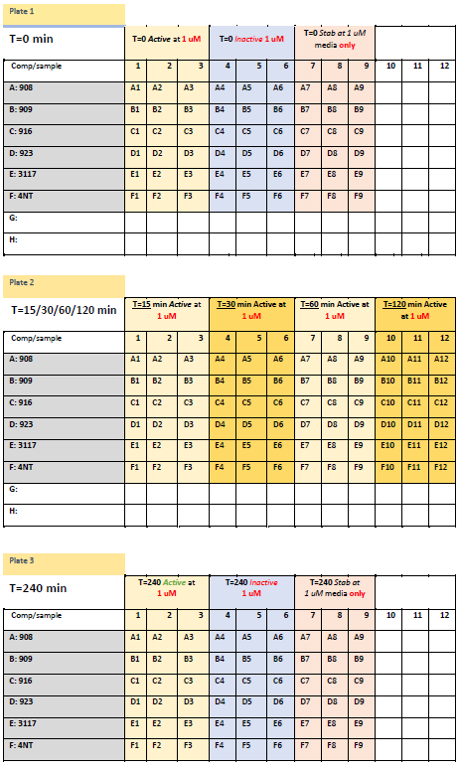
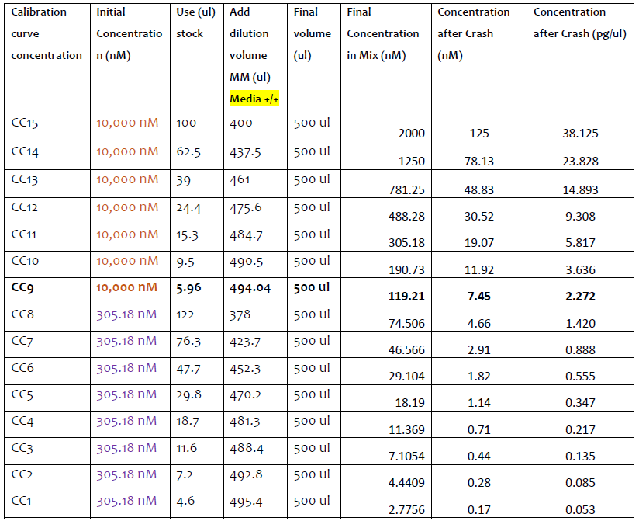

 | *CC crashed 1:4, so dilutions & sample had to be adjusted to account for being 2x as dilute as samples

