Assay Summary
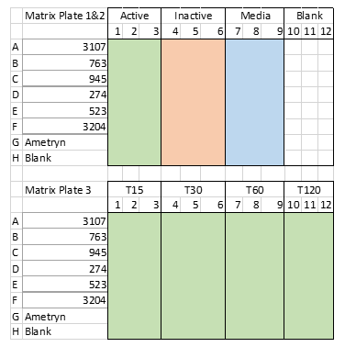
Assay performed 5/25/21 | Stability check performed 5/21/21
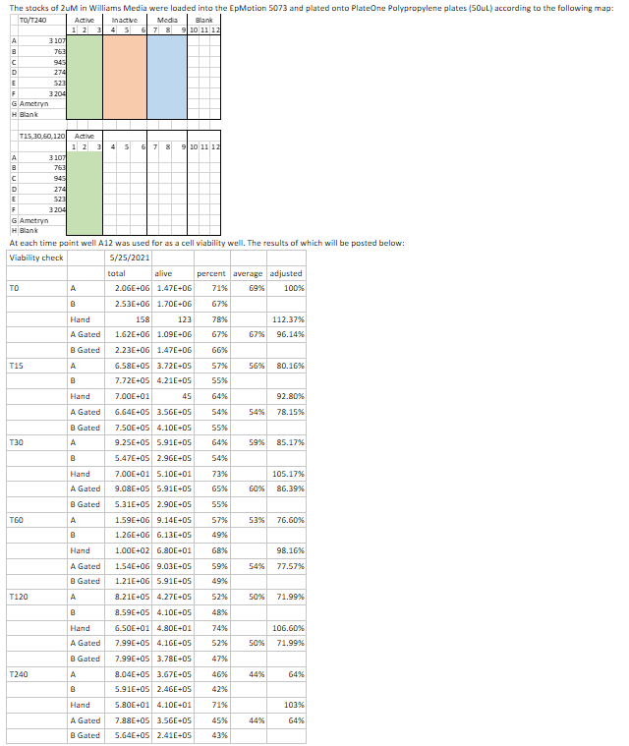
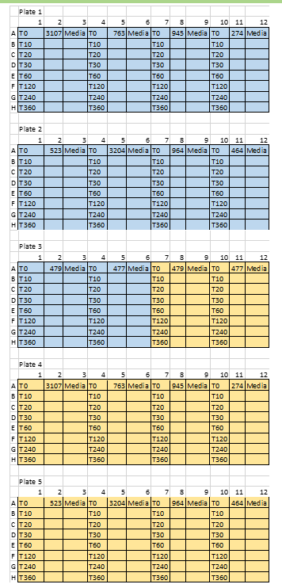

 |  | Williams' media in Blue, Plasma in yellow
 |  | An initial screen on the GC was done at T0 &T240; if compounds were unstable, dropping > ~50%, an extended timecourse, consisting ot T0, T30, T60, and T120 min was run on the GC

464_stab
Sample |  |  |  |  |  |  |  | 464 Results |  |  |  | MFOET (ISTD) Results
 | Name | Comment | Info. | Data File | Type | Level | Acq. Date-Time | Final Conc. | RT | Area | Accuracy | RT | Resp. |  |  |  |  | 464 HC Stability
 | Hep spike |  |  | CC052821001.D | MatrixSpike |  | 5/28/2021 | 0 | 10.13535 | 0 |  | 7.11825 | 6442.6531499 | Hep Clearance Time Course Sample Results |  |  |  |  | % of Time 0
 | Hep spike |  |  | CC052821002.D | MatrixSpike |  | 5/28/2021 | 0 | 10.197383333 | 0 |  | 7.1271833333 | 122132.25992 | Sample ID | Peak Area | Average | Standard Deviation | Time | Replicate | Average | SD
 | Hep spike |  |  | CC052821003.D | MatrixSpike |  | 5/28/2021 | 0 | 10.124883333 | 0 |  | 7.1181333333 | 123361.97017 | T0 rep 1 | 59647.133588 | 79357.771323 | 17593.607038 | 0 | 75% | 1.00 | 0.22
 | Hep Stab 3107 T0a |  |  | CC052821004.D | Sample |  | 5/28/2021 | 0 | 9.8968833333 | 0 |  | 7.13625 | 136046.86903 | T0 rep 2 | 84952.447205 |  |  |  | 107%
 | Hep Stab 3107 T0b |  |  | CC052821005.D | Sample |  | 5/28/2021 | 0 | 10.021266667 | 0 |  | 7.1272166667 | 138136.99406 | T0 rep 3 | 93473.733178 |  |  |  | 118%
 | Hep Stab 3107 T0c |  |  | CC052821006.D | Sample |  | 5/28/2021 | 0 | 10.0834 | 0 |  | 7.13625 | 135966.54195 | T10 rep 1 |  | #DIV/0! | #DIV/0! | 10 | 0% | 0.00 | 0.00
 | Hep Stab 3107 T30a |  |  | CC052821007.D | Sample |  | 5/28/2021 | 0 | 10.124883333 | 0 |  | 7.1272166667 | 135199.77479 | T10 rep 2 |  |  |  |  | 0%
 | Hep Stab 3107 T30b |  |  | CC052821008.D | Sample |  | 5/28/2021 | 0 | 10.052466667 | 0 |  | 7.1273166667 | 137553.8808 | T10 rep 3 |  |  |  |  | 0%
 | Hep Stab 3107 T30c |  |  | CC052821009.D | Sample |  | 5/28/2021 | 0 | 10.1663 | 0 |  | 7.13625 | 133529.90115 | T20 rep 1 |  | #DIV/0! | #DIV/0! | 20 | 0% | 0.00 | 0.00
 | Hep Stab 3107 T60a |  |  | CC052821010.D | Sample |  | 5/28/2021 | 0 | 10.124883333 | 0 |  | 7.1362833333 | 134739.0567 | T20 rep 2 |  |  |  |  | 0%
 | Hep Stab 3107 T60b |  |  | CC052821011.D | Sample |  | 5/28/2021 | 0 | 10.228616667 | 0 |  | 7.1363833333 | 136219.21392 | T20 rep 3 |  |  |  |  | 0%
 | Hep Stab 3107 T60c |  |  | CC052821012.D | Sample |  | 5/28/2021 | 0 | 10.238833333 | 0 |  | 7.13625 | 143181.32551 | T30 rep 1 | 56265.900173 | 63193.261621 | 6150.6785982 | 30 | 71% | 0.80 | 0.08 | Time (min) | % of Time 0
 | Hep spike |  |  | CC052821013.D | MatrixSpike |  | 5/28/2021 | 0 | 10.155966667 | 0 |  | 7.1272166667 | 121259.39095 | T30 rep 2 | 65300.625735 |  |  |  | 82% |  |  | 0 | 75% | 107% | 118%
 | Hep Stab 3107 T120a |  |  | CC052821014.D | Sample |  | 5/28/2021 | 0 | 10.052316667 | 0 |  | 7.13625 | 134471.93934 | T30 rep 3 | 68013.258955 |  |  |  | 86% |  |  | 30 | 71% | 82% | 86%
 | Hep Stab 3107 T120b |  |  | CC052821015.D | Sample |  | 5/28/2021 | 0 | 10.145616667 | 0 |  | 7.1362833333 | 135914.31987 | T60 rep 1 | 58129.649493 | 73621.958777 | 17944.762155 | 60 | 73% | 0.93 | 0.23 | 60 | 73% | 88% | 118%
 | Hep Stab 3107 T120c |  |  | CC052821016.D | Sample |  | 5/28/2021 | 0 | 10.238983333 | 0 |  | 7.1363833333 | 149413.40783 | T60 rep 2 | 69451.496719 |  |  |  | 88% |  |  | 120 | 65% | 86% | 80%
 | Hep spike |  |  | CC052821043.D | MatrixSpike |  | 5/29/2021 | 0 | 10.155933333 | 0 |  | 7.13625 | 139781.29556 | T60 rep 3 | 93284.730119 |  |  |  | 118%
 | Hep Stab 964 T0a |  |  | CC052821044.D | Sample |  | 5/29/2021 | 0 | 10.104166667 | 0 |  | 7.14535 | 140932.58336 | T120 rep 1 | 51825.945188 | 61206.757488 | 8435.7396603 | 120 | 65% | 0.77 | 0.11
 | Hep Stab 964 T0b |  |  | CC052821045.D | Sample |  | 5/29/2021 | 0 | 10.145716667 | 0 |  | 7.1363833333 | 140384.00158 | T120 rep 2 | 68169.16145 |  |  |  | 86%
 | Hep Stab 964 T0c |  |  | CC052821046.D | Sample |  | 5/29/2021 | 0 | 10.1663 | 0 |  | 7.1453166667 | 141914.44616 | T120 rep 3 | 63625.165827 |  |  |  | 80%
 | Hep Stab 964 T30a |  |  | CC052821047.D | Sample |  | 5/29/2021 | 0 | 10.05235 | 0 |  | 7.1362833333 | 149773.58771
 | Hep Stab 964 T30b |  |  | CC052821048.D | Sample |  | 5/29/2021 | 0 | 10.1768 | 0 |  | 7.1363833333 | 136970.08571
 | Hep Stab 964 T30c |  |  | CC052821049.D | Sample |  | 5/29/2021 | 0 | 9.5445666667 | 0 |  | 7.13625 | 143607.30724
 | Hep Stab 964 T60a |  |  | CC052821050.D | Sample |  | 5/29/2021 | 0 | 10.197416667 | 0 |  | 7.1362833333 | 138381.02628
 | Hep Stab 964 T60b |  |  | CC052821051.D | Sample |  | 5/29/2021 | 0 | 9.9902833333 | 0 |  | 7.1363833333 | 142970.45383
 | Hep Stab 964 T60c |  |  | CC052821052.D | Sample |  | 5/29/2021 | 0 | 10.736233333 | 0 |  | 7.13625 | 144084.8088
 | Hep spike |  |  | CC052821053.D | MatrixSpike |  | 5/29/2021 | 0 | 10.249233333 | 0 |  | 7.1272166667 | 146720.47565
 | Hep Stab 964 T120a |  |  | CC052821054.D | Sample |  | 5/29/2021 | 0 | 10.1768 | 0 |  | 7.1363833333 | 142446.31177
464 HC Stability
0 | 1.00
30 | 0.80
60 | 0.93
120 | 0.77
 | Hep Stab 964 T120b |  |  | CC052821055.D | Sample |  | 5/29/2021 | 0 | 10.425366667 | 0 |  | 7.13625 | 130959.28894
 | Hep Stab 964 T120c |  |  | CC052821056.D | Sample |  | 5/29/2021 | 0 | 10.13525 | 0 |  | 7.14535 | 144434.7048
 | Hep Stab 464 T0a |  |  | CC052821057.D | Sample |  | 5/29/2021 | 46.843283015 | 10.135216667 | 59647.133588 |  | 7.13625 | 145328.85687
 | Hep Stab 464 T0b |  |  | CC052821058.D | Sample |  | 5/29/2021 | 58.693904535 | 10.13525 | 84952.447205 |  | 7.1362833333 | 153189.84222
 | Hep Stab 464 T0c |  |  | CC052821059.D | Sample |  | 5/29/2021 | 66.736008427 | 10.135216667 | 93473.733178 |  | 7.1453166667 | 143284.36376
 | Hep Stab 464 T30a |  |  | CC052821060.D | Sample |  | 5/29/2021 | 42.772107105 | 10.13525 | 56265.900173 |  | 7.1362833333 | 155898.00612
 | Hep Stab 464 T30b |  |  | CC052821061.D | Sample |  | 5/29/2021 | 50.584636867 | 10.135216667 | 65300.625735 |  | 7.13625 | 143224.71528
 | Hep Stab 464 T30c |  |  | CC052821062.D | Sample |  | 5/29/2021 | 51.077245837 | 10.13525 | 68013.258955 |  | 7.14535 | 147239.57569
 | Hep spike |  |  | CC052821063.D | MatrixSpike |  | 5/29/2021 | 0 | 10.135216667 | 0 |  | 7.0909 | 47120.180172
 | Hep Stab 464 T60a |  |  | CC052821064.D | Sample |  | 5/29/2021 | 43.878266489 | 10.13525 | 58129.649493 |  | 7.1362833333 | 155274.09062
 | Hep Stab 464 T60b |  |  | CC052821065.D | Sample |  | 5/29/2021 | 49.995842883 | 10.135216667 | 69451.496719 |  | 7.13625 | 154759.55931
 | Hep Stab 464 T60c |  |  | CC052821066.D | Sample |  | 5/29/2021 | 64.996023616 | 10.13525 | 93284.730119 |  | 7.1362833333 | 147788.69903
 | Hep Stab 464 T90a |  |  | CC052821067.D | Sample |  | 5/29/2021 | 41.416094477 | 10.145583333 | 51825.945188 |  | 7.13625 | 150471.82895
 | Hep Stab 464 T90b |  |  | CC052821068.D | Sample |  | 5/29/2021 | 50.639263002 | 10.13525 | 68169.16145 |  | 7.14535 | 149298.75947
 | Hep Stab 464 T120c |  |  | CC052821069.D | Sample |  | 5/29/2021 | 45.330047581 | 10.135216667 | 63625.165827 |  | 7.1453166667 | 162298.89505
 | Hep spike |  |  | CC052821083.D | MatrixSpike |  | 5/30/2021 | 0 | 10.114633333 | 0 |  | 7.1363833333 | 137508.14425
 | 523 1:500 |  |  | CC052821084.D | Sample |  | 5/30/2021 | 0 | 10.2492 | 0 |  | 7.0909 | 0
 | 477 1:1000 |  |  | CC052821085.D | Sample |  | 5/30/2021 | 0 | 10.290683333 | 0 |  | 7.6987 | 0
 | 479 1:1000 |  |  | CC052821086.D | Sample |  | 5/30/2021 | 0 | 9.9487 | 0 |  | 7.1725333333 | 0

