Executive Summary
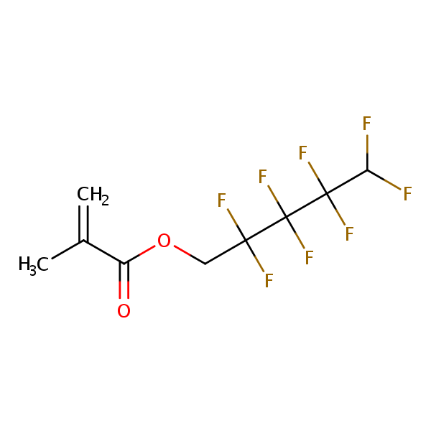
Executive Summary

 |  | Quantitative Limits |  |  | Plasma Protein Binding
DTXSID | Name | Sample ID | LOD (nM) | eLOQ (nM) | 1,6-Dibromododecafluorohexane |  |  |  | 1H,1H,5H-Perfluoropentyl methacrylate
DTXSID20335129 | 1,6-Dibromododecafluorohexane | 30503 | 41.9 | 3 | Sample Text | Avg. Measured Conc. (μM) | GC Date | Fraction Unbound (Fu) | Sample Text | Avg. Measured Conc. (μM) | GC Date | Fraction Unbound (Fu)
DTXSID90880131 | 1H,1H,5H-Perfluoropentyl methacrylate | 30507 | 3.17 | 125 | AF | 0.000 | 2021-10-28 | 0.004*, ** | AF | 0.018 | 2021-10-28 | 0.248**
DTXSID30190948 | Perfluoro-1,4-diiodobutane | 30516 | 0.82 | 1.75
DTXSID90190949 | 1,6-Diiodoperfluorohexane | 30501 | 1.48 | 1.75
DTXSID4059914 | 4-nitrotoluene-A | 4NT | 2.55 | 7.5 | T1h | 9.873 |  | 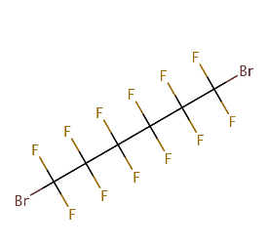 | T1h | 1.474 |  | 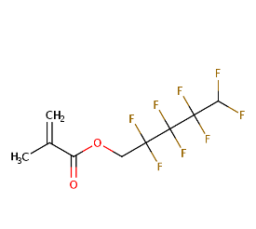
DTXSID10379835 | 1H,1H-Perfluoroheptylamine | 30505 | 19.61 | 7.5
DTXSID50184723 | 1H,1H-Perfluorooctylamine | 30521 | 21.97 | 1.75
DTXSID50379930 | 1H,1H-Perfluorononylamine | 30510 | 10.28 | 5 | T5h | 4.042 |  |  | T5h | 0.072
DTXSID4059914 | 4-nitrotoluene-B | 4NT | 4.81 | 12.5

Flags |  |  |  |  | Perfluoro-1,4-diiodobutane |  |  |  | 1,6-Diiodoperfluorohexane
*Fu<0.004, AF <MDL/eLOQ |  |  |  |  | Sample Text | Avg. Measured Conc. (μM) | GC Date | Fraction Unbound (Fu) | Sample Text | Avg. Measured Conc. (μM) | GC Date | Fraction Unbound (Fu)
stability<50% |  |  |  |  | AF | 0.005 | 2021-10-28 | 0.0055 | AF | 0.145 | 2021-10-28 | 0.0256

 |  |  |  |  | T1h | 1.282 |  | 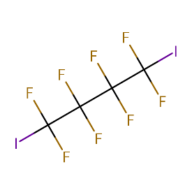 | T1h | 7.968 |  | 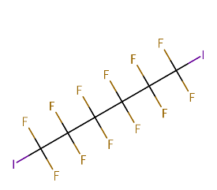

 |  |  |  |  | T5h | 0.945 |  |  | T5h | 5.682

 |  |  |  |  | 1H,1H-Perfluoroheptylamine |  |  |  | 1H,1H-Perfluorooctylamine
 |  |  |  |  | Sample Text | Avg. Measured Conc. (μM) | GC Date | Fraction Unbound (Fu) | Sample Text | Avg. Measured Conc. (μM) | GC Date | Fraction Unbound (Fu)
 |  |  |  |  | AF | 0.241 | 2021-10-27 | 0.1286 | AF | 0.241 | 2021-10-27 | 0.0808

 |  |  |  |  | T1h | 7.312 |  | 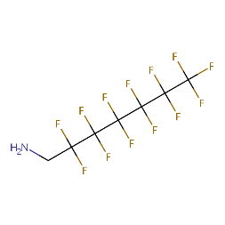 | T1h | 5.261 |  | 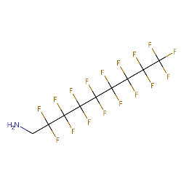

 |  |  |  |  | T5h | 3.931 |  |  | T5h | 3.007

 |  |  |  |  | 1H,1H-Perfluorononylamine
 |  |  |  |  | Sample Text | Avg. Measured Conc. (μM) | GC Date | Fraction Unbound (Fu)
 |  |  |  |  | AF | 0.307 | 2021-10-27 | 0.0431

 |  |  |  |  | T1h | 11.876

 |  |  |  |  | T5h | 7.067

