S2.3 Chemical Structure
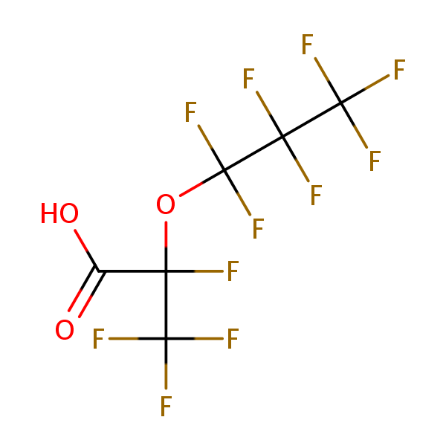
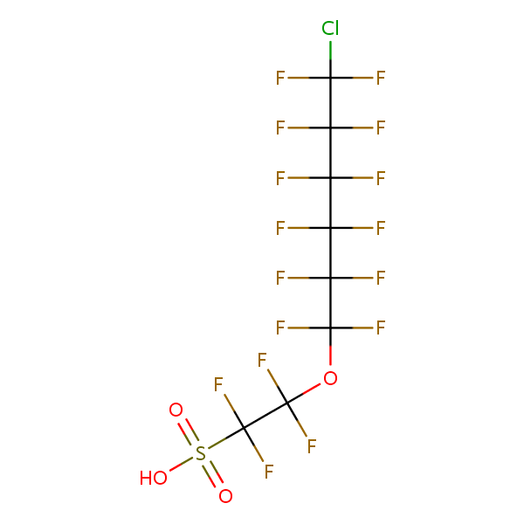
Structures provided by the USEPA CompTox Chemicals Dashboard

Perfluorobutanoic acid | Perfluorohexanoic acid | Perfluoroheptanoic acid
375-22-4 | DTXSID4059916 | 307-24-4 | DTXSID3031862 | 375-85-9 | DTXSID1037303
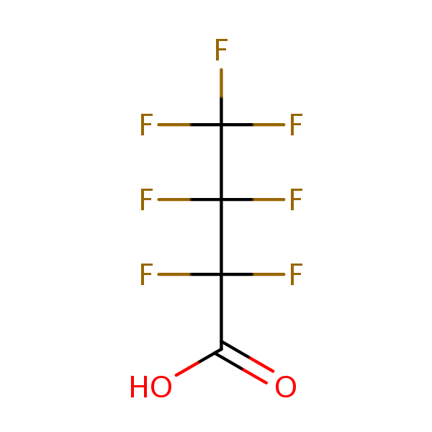
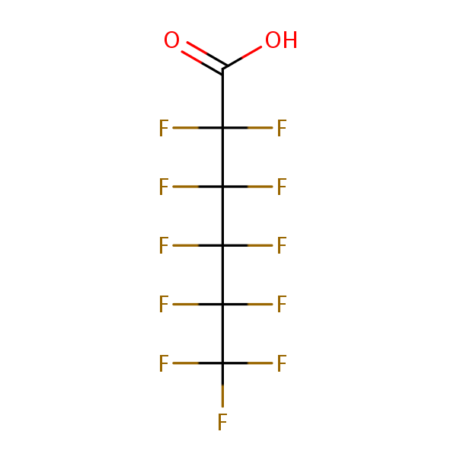
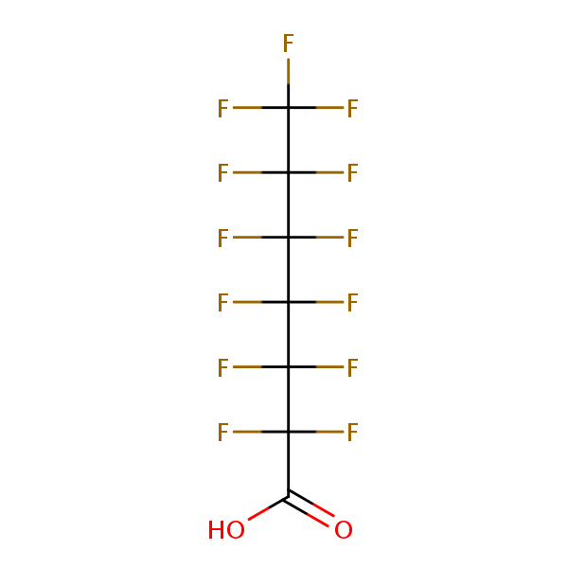

Perfluorooctanoic acid | Perfluorononanoic acid | Perfluorodecanoic acid
335-67-1 | DTXSID8031865 | 375-95-1 | DTXSID8031863 | 335-76-2 | DTXSID3031860
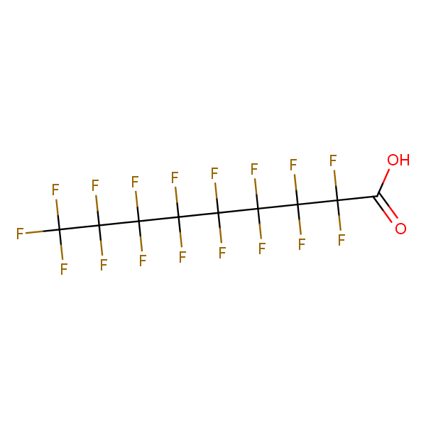
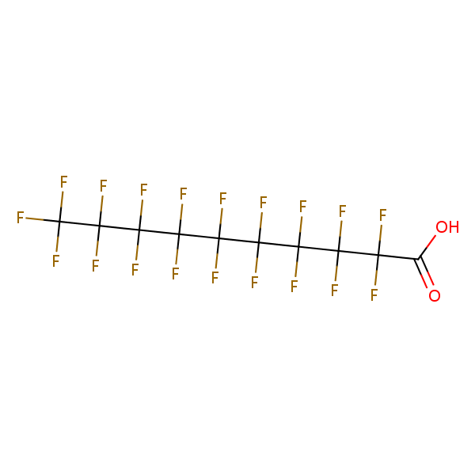
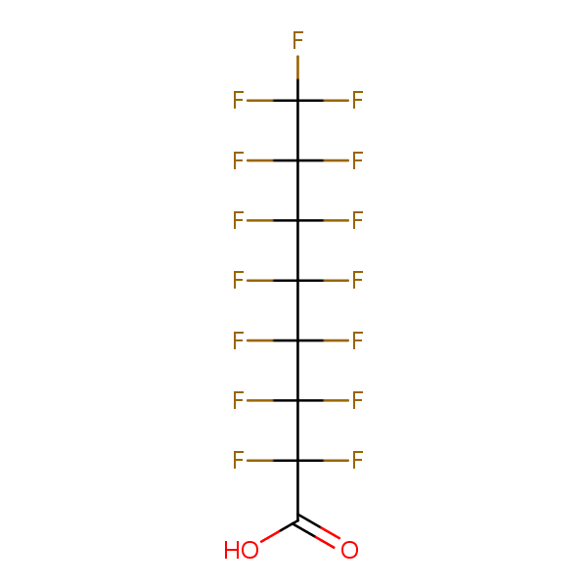

Perfluorobutanesulfonic acid | Perfluorohexanesulfonic acid | Perfluorooctanesulfonic acid
375-73-5 | DTXSID5030030 | 355-46-4 | DTXSID7040150 | 1763-23-1 | DTXSID3031864
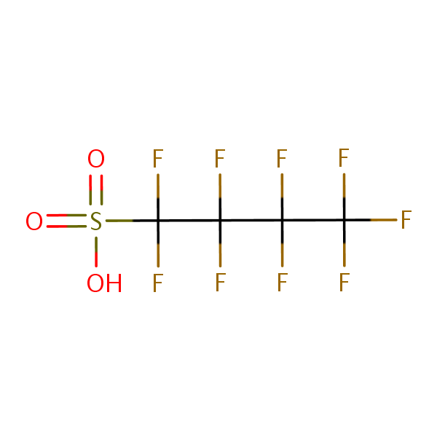
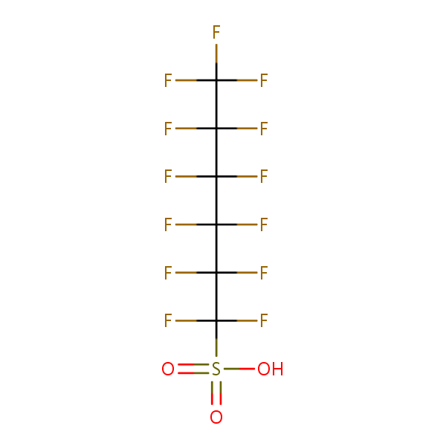
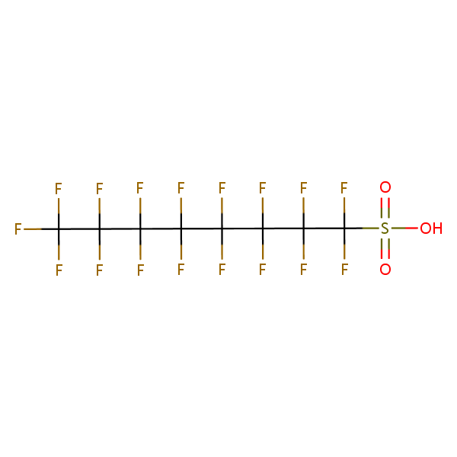

Perfluoro-2-methyl-3-oxahexanoic acid (GenX) | Perfluoro(2-((6-chlorohexyl)oxy)ethanesulfonic acid) (F-53B)
13252-13-6 | DTXSID70880215 | 756426-58-1 | DTXSID80892506

